Sheet1
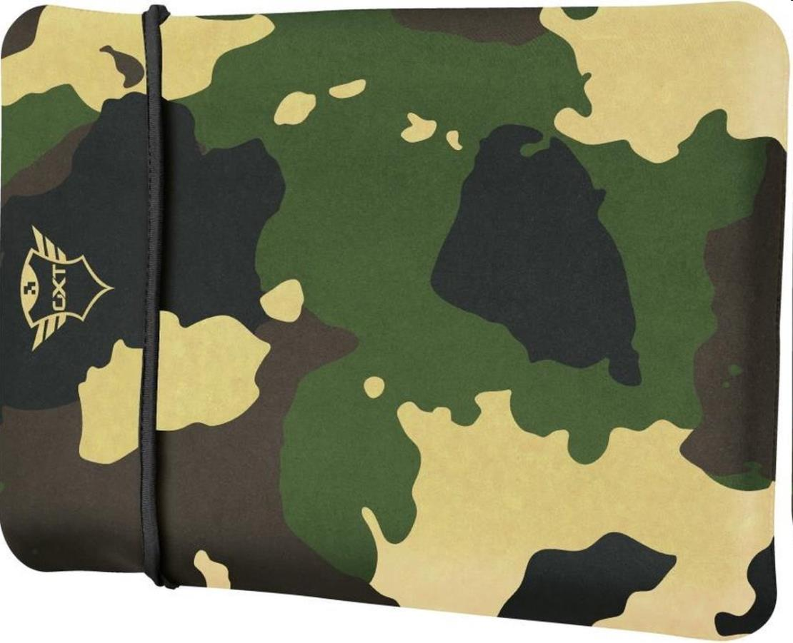
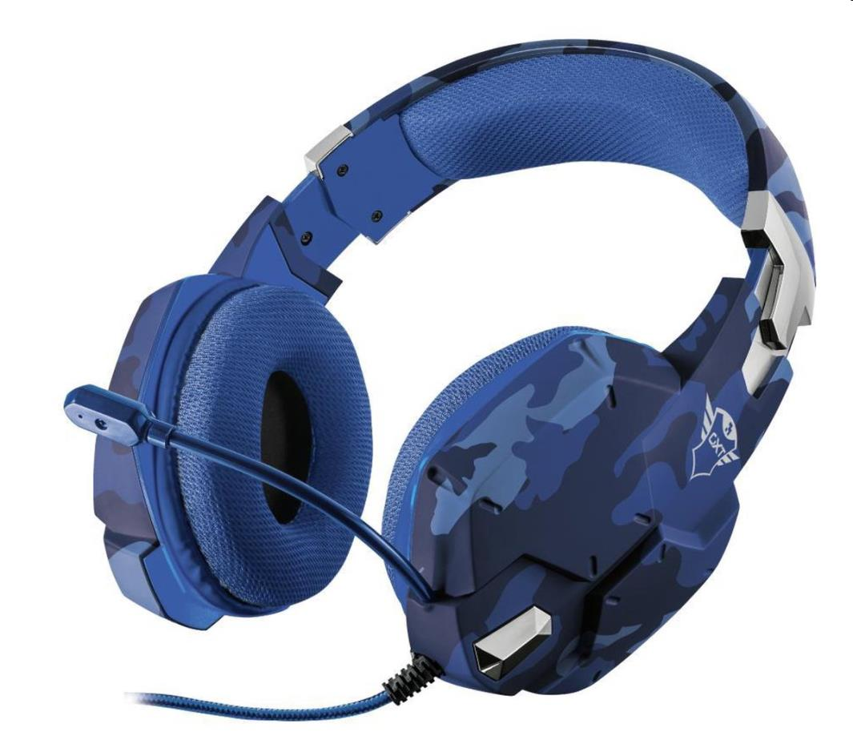
Picture | Item code | Description | Extra information | Restriction | Stock | Sales price EXW | Retail price | Barcode | Quantity PU | Quantity pallet | Pallet | Origin | Customs code | Item weight | Languages on package | Group
 | 20693 | Trust, Laptop Sleeve GXT1244C 17.3 Lido Camo | 23246 |  | 948 | 4.29 | 18.99 | 8713439232462 | 25 | 900 |  | CN | 4202229000 | 300 | GB DE FR TR RO RU PT ES CZ HU NL | Trust
 | 20696 | Trust, Gaming Headset GXT322B Carus Blue | 23249 |  | 626 | 10.9 | 46.99 | 8713439232493 | 20 | 240 |  | CN | 9504500000 | 0 |  | Trust

