Sheet1
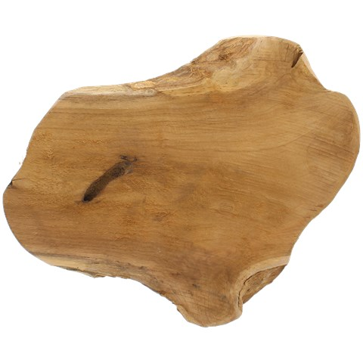
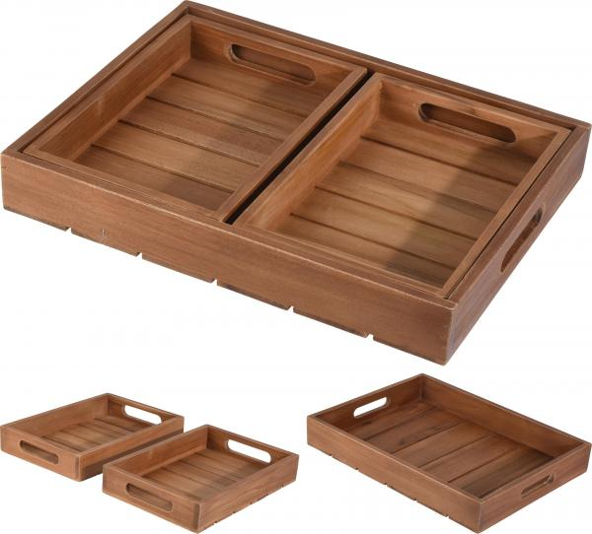
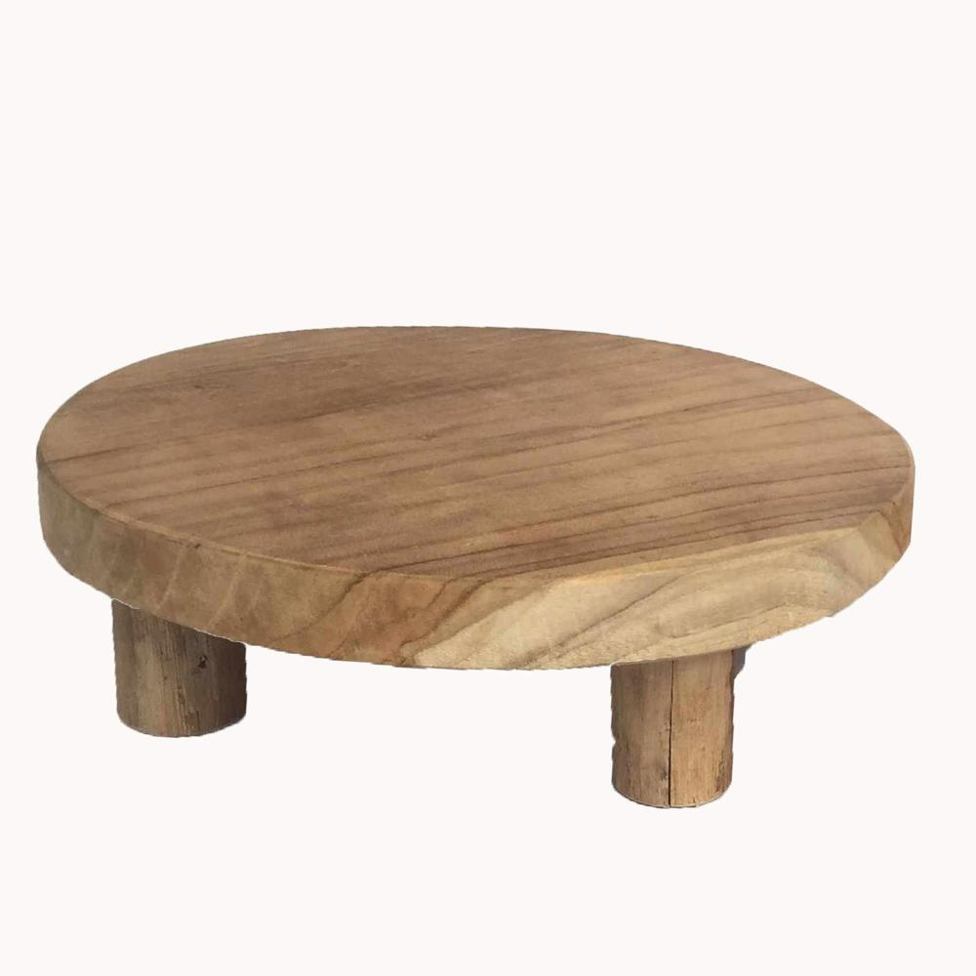
Picture | Item code | Description | Extra information | Restriction | Stock | Sales price EXW | Retail price | Barcode | Quantity PU | Quantity pallet | Pallet | Origin | Customs code | Item weight | Languages on package | Group
 | TW0103 | Tweakwood,Teak Tray 25x2cm |  |  | 9906 | 2.39 | 5.99 | 8720589148307 | 14 | 560 | Europallet 120x80 | RI | 4407291000 | 465 | eng fr nl | Tweakwood
 | TW0104 | Tweakwood,Teak Serving set 1pcs 39 x 28,5 x 5,5cm 2pcs 26x18x4,5cm |  |  | 6407 | 6.99 | 17.99 | 8720589148314 | 5 | 180 |  | RI | 4407291000 | 1200 |  | Tweakwood
 | TW0106 | Tweakwood,Teak Tray on Foot D20 H7cm |  |  | 1133 | 3.89 | 9.99 | 8720589148338 | 12 | 432 | Europallet 120x80 | RI | 4407291000 | 900 | fr eng nl | Tweakwood

