Sheet1
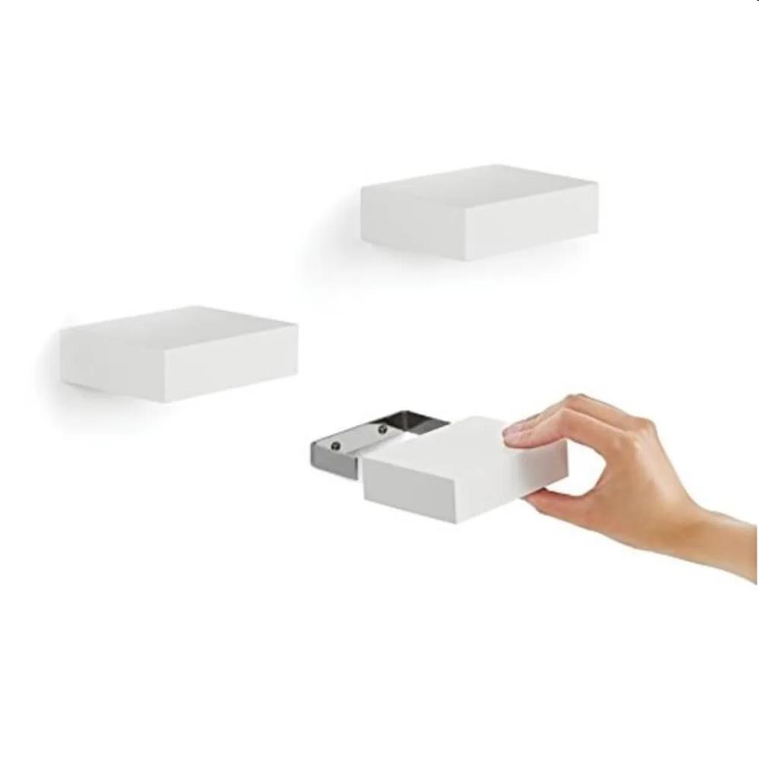
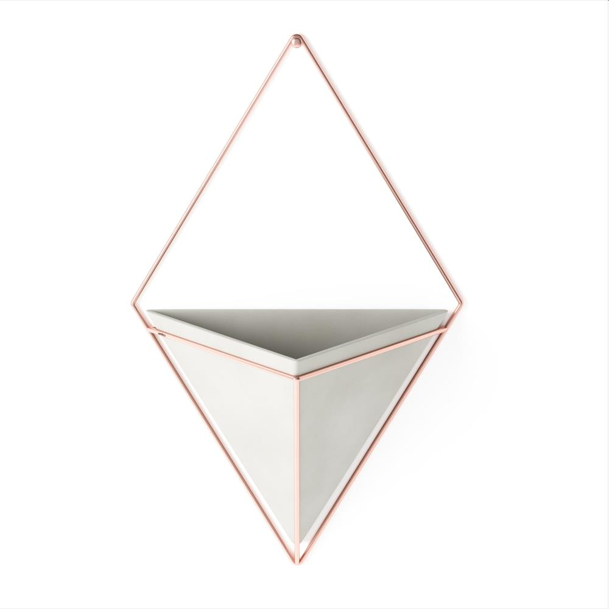
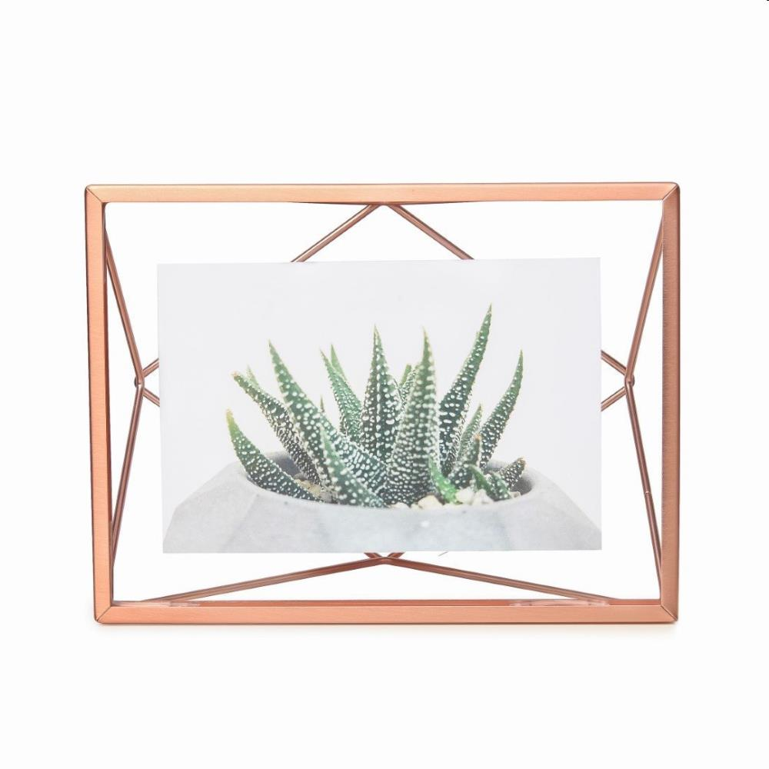
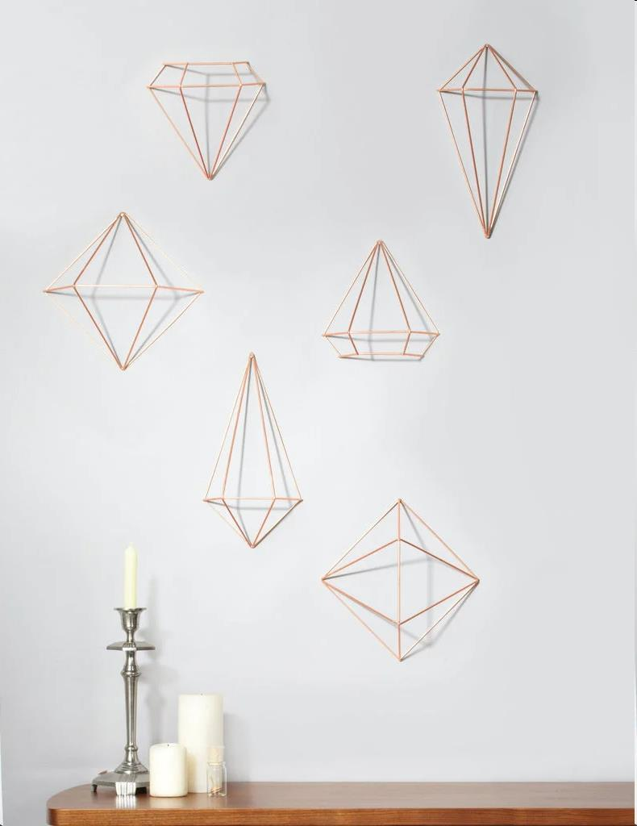
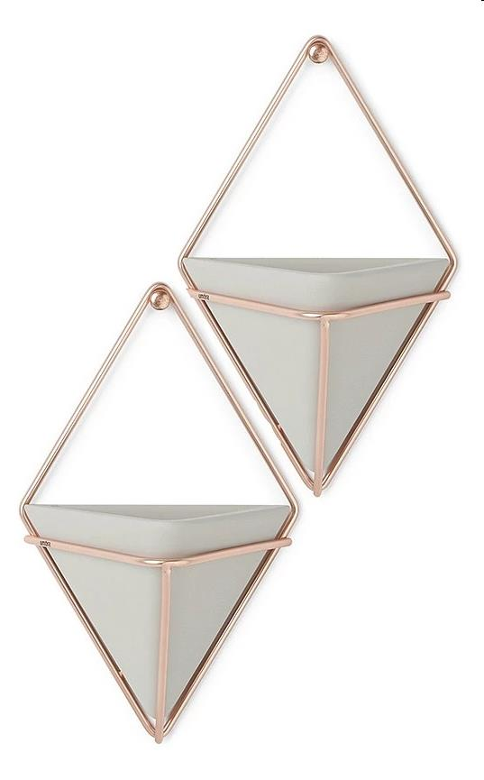
Picture | Item code | Description | Extra information | Restriction | Stock | Sales price EXW | Retail price | Barcode | Quantity PU | Quantity pallet | Pallet | Origin | Customs code | Item weight | Languages on package | Group
 | S-10621 | Umbra,showcase shelves (3) white | 325560-660 | no sales online, no sales in hyper and super markets and DIY neither | 2336 | 4.5 | 24.99 | 028295409803 | 3 | 600 | Europallet 120x80 | CN | 9403609000 | 453 |  | Umbra
 | S-10625 | Umbra,trigg wall display lg conc/cpr | 470752-633 | no sales online, no sales in hyper and super markets and DIY neither | 1248 | 2.9 | 29.95 | 028295469661 | 3 | 93 | Europallet 120x80 | CN | 3926400000 | 810 |  | Umbra
 | S-10647 | Umbra,prisma pd 4x6 copper | 313016-880 | no sales online, no sales in hyper and super markets and DIY neither | 1013 | 3.9 | 10 | 028295456357 | 3 | 336 | Europallet 120x80 | CN | 8306300000 | 302 |  | Umbra
 | S-10624 | Umbra,prisma wall decor copper | 470520-880 | no sales online, no sales in hyper and super markets and DIY neither | 759 | 5.9 | 25.06 | 028295456463 | 3 | 126 | Europallet 120x80 | CN | 9306290000 | 619 |  | Umbra
 | S-10626 | Umbra,trigg wall display (2) sm conc/cpr | 470753-633 | no sales online, no sales in hyper and super markets and DIY neither | 420 | 3.9 | 17 | 028295469678 | 12 | 432 | Europallet 120x80 | CN | 3926400000 | 466 |  | Umbra

