Sheet1
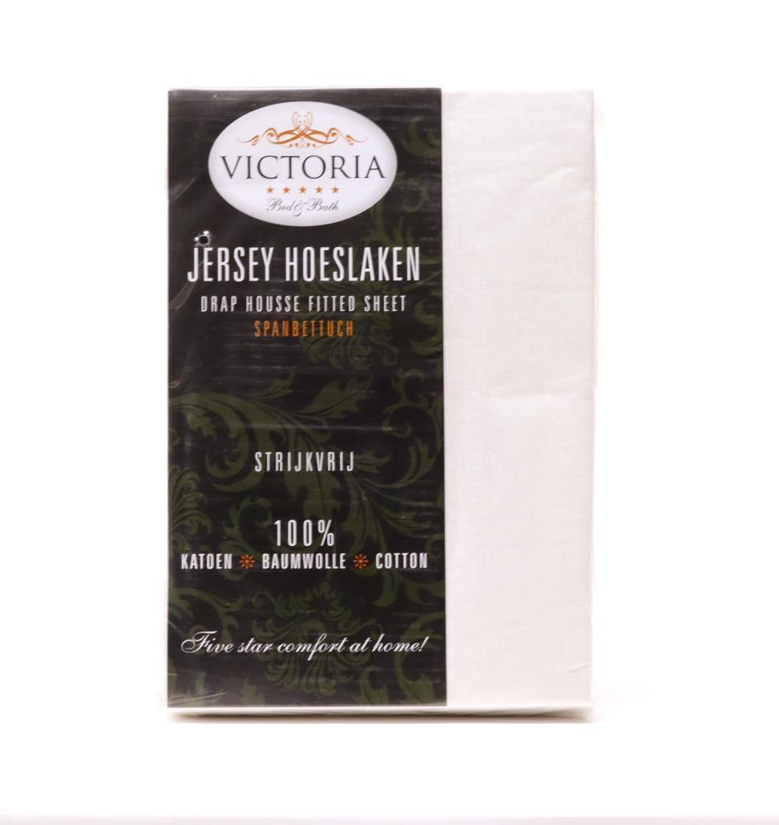
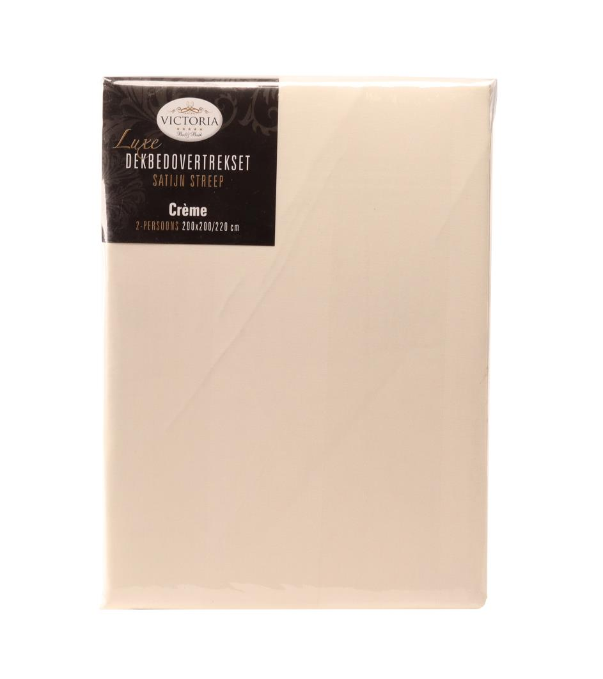
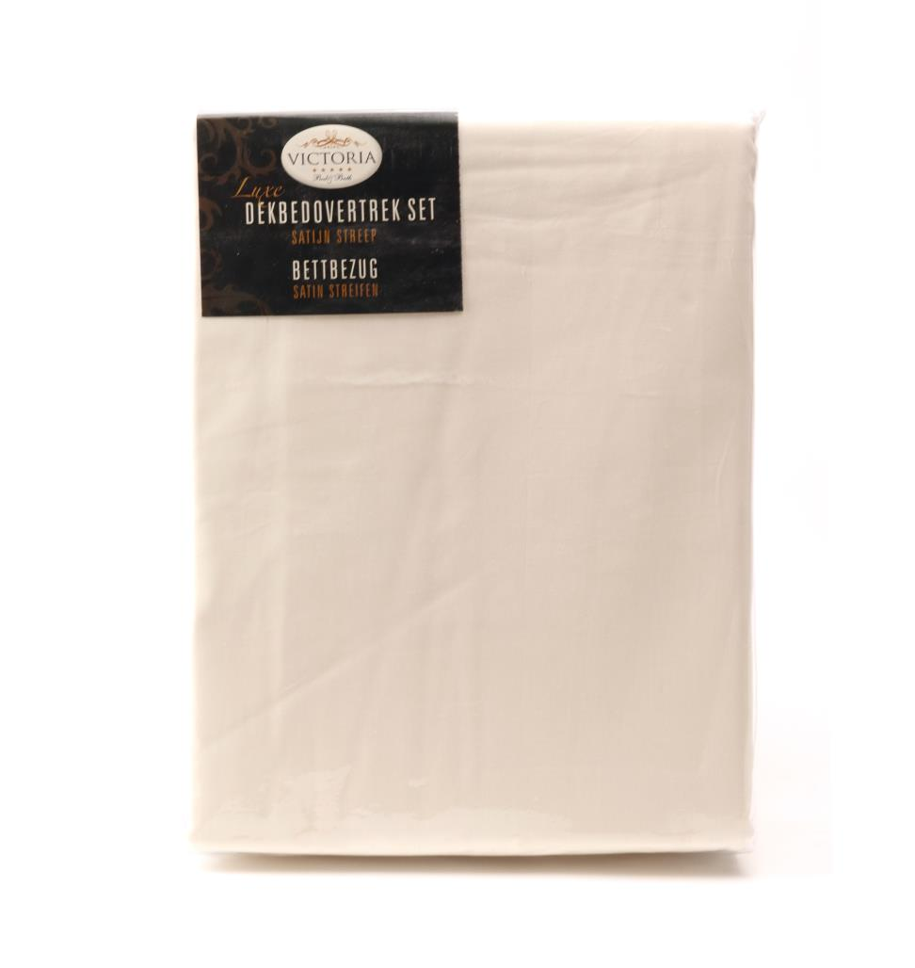
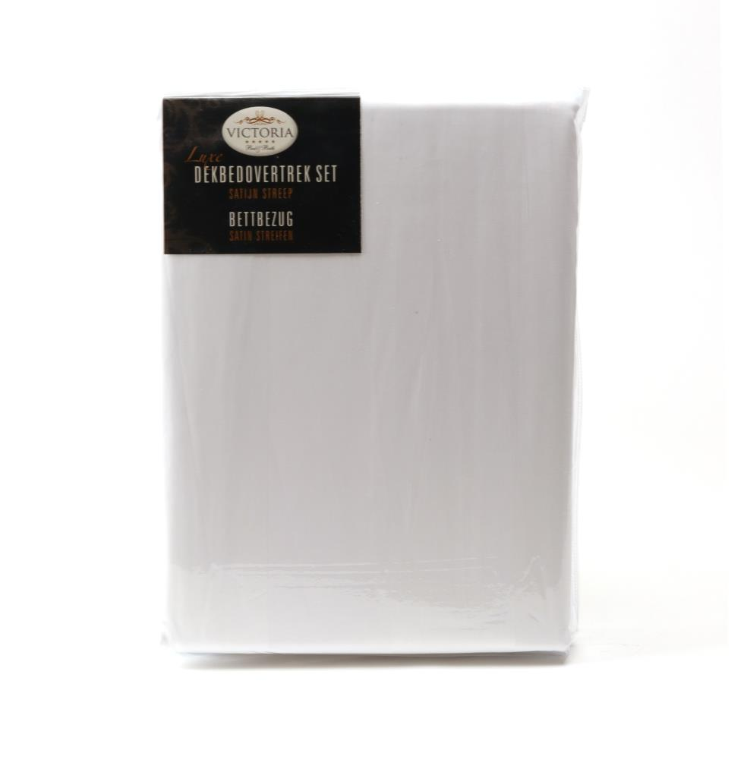
Picture | Item code | Description | Extra information | Restriction | Stock | Sales price EXW | Retail price | Barcode | Quantity PU | Quantity pallet | Pallet | Origin | Customs code | Item weight | Languages on package | Group
 | 20496 | Victoria, Fitted Sheet 140x200cm Creme |  |  | 1536 | 3.89 | 24.95 | 8717755310972 | 20 | 240 | Europallet 120x80 | PK | 6302600000 | 720 | nl de en | Victoria
 | 20484 | Victoria, Duvet Cover 200x220cm Ecru + 2 Pillow Cases 70x60cm |  |  | 1330 | 8.9 | 69.95 | 8717755311504 | 12 | 192 | Europallet 120x80 | PK | 6302310090 | 1950 | nl | Victoria
 | 20488 | Victoria, Lits-Jumeaux Duvet Cover 240x220cm Ecru + 2 Pillow Cases 70x60cm |  |  | 646 | 11.9 | 79.95 | 8717755311511 | 10 | 160 | Europallet 120x80 | PK | 6302310090 | 1850 | nl en | Victoria
 | 20487 | Victoria, Lits-Jumeaux Duvet Cover 240x220cm White + 2 Pillow Cases 70x60cm |  |  | 439 | 11.9 | 79.95 | 8717755311481 | 10 | 160 | Europallet 120x80 | PK | 6302310090 | 2000 | nl | Victoria

