Sheet1
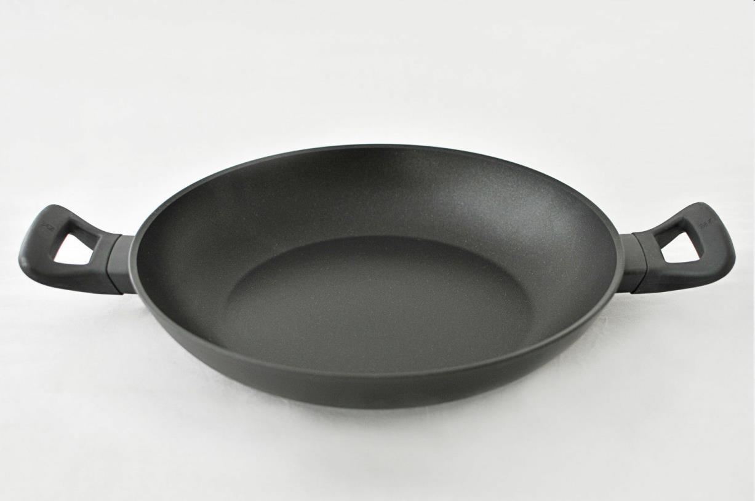
Picture | Item code | Description | Extra information | Restriction | Stock | Sales price EXW | Retail price | Barcode | Quantity PU | Quantity pallet | Pallet | Origin | Customs code | Item weight | Languages on package | Group
 | 21008 | WMF, Serving Pan 28cm Coated | CW0262 |  | 4808 | 7.5 | 79.99 | 4000530659415 | 4 | 140 | Europallet 120x80 | I | 7615108090 | 1100 | en nl de | WMF

