Sheet1
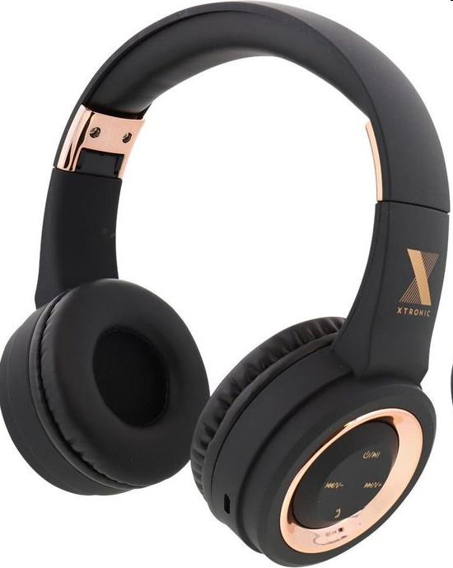
Picture | Item code | Description | Extra information | Restriction | Stock | Sales price EXW | Retail price | Barcode | Quantity PU | Quantity pallet | Pallet | Origin | Customs code | Item weight | Languages on package | Group
 | S-10132 | Xtronic, Bluetooth Rubberized headphone - 3 assorted colours | ACT90996127101 | these goods are not allowed to be sold within the european union | 450 | 4.35 | 12.95 | 3 different EAN | 6 | 432 | Europallet 120x80 | CN | 8518309590 | 290 | FR,EN,NL,DE,PL,CZ,SK,IT,ES,DK | Xtronic

