Sheet1
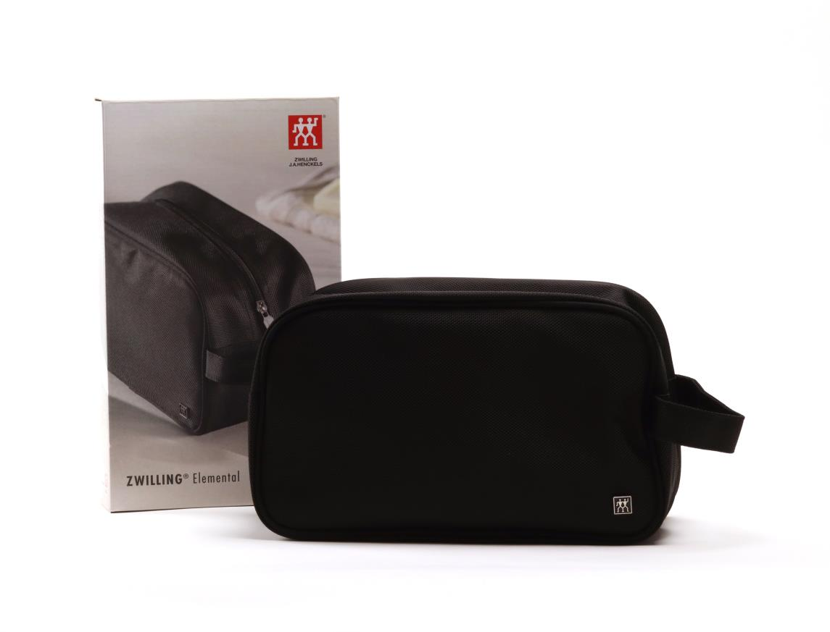
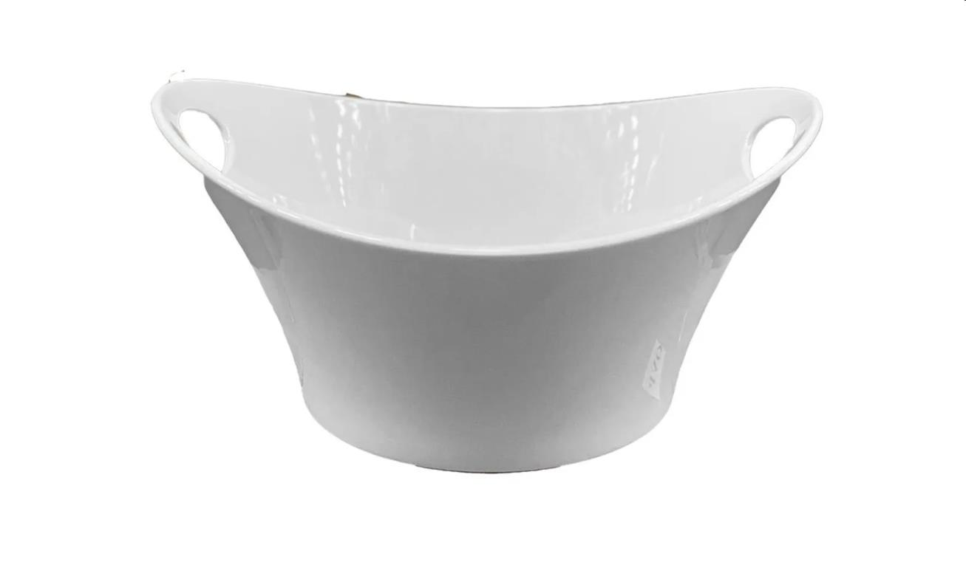
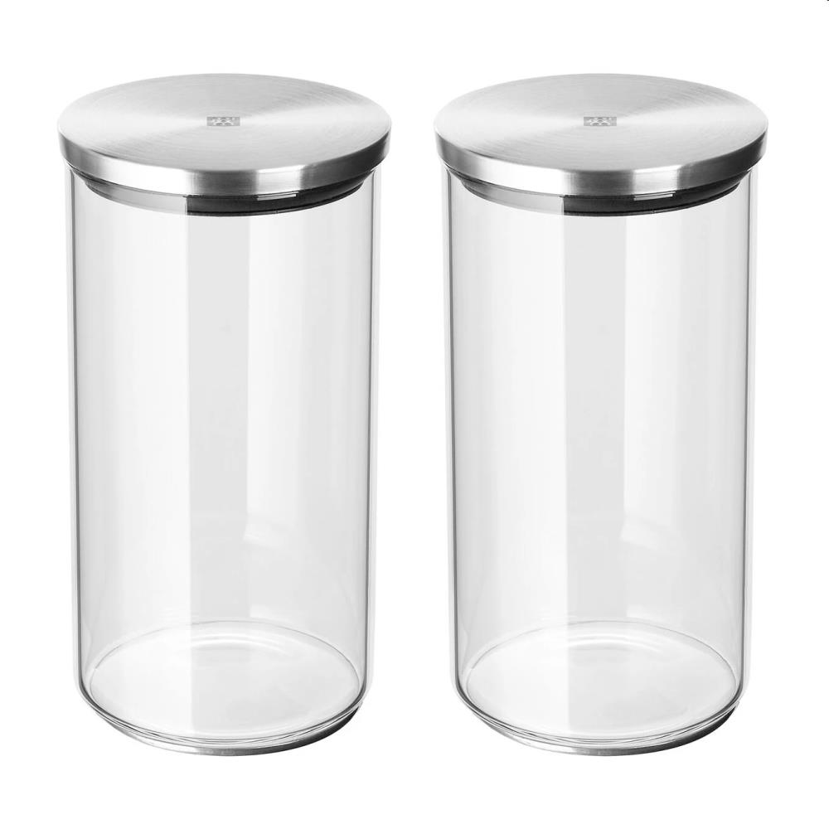
Picture | Item code | Description | Extra information | Restriction | Stock | Sales price EXW | Retail price | Barcode | Quantity PU | Quantity pallet | Pallet | Origin | Customs code | Item weight | Languages on package | Group
 | 20594 | Zwilling, Toiletry Bag Elemental 29x17x11cm | OT0419 | No sales online | 25771 | 3.89 | 24.99 | 4009839343650 | 5 | 475 | Europallet 120x80 | CN | 4202929190 | 300 | de fr nl uk | Zwilling
 | 20598 | Zwilling, Porcelain Salad Bowl 30x30x15cm | DW0242 | No sales online | 22257 | 6.9 | 39.99 | 4009839309649 | 2 | 64 | Europallet 120x80 | P | 6911100090 | 1900 | de fr uk nl | Zwilling
 | 20601 | Zwilling, Set of 2 Glass Storage Jars With Stainless Steel Lids 1L | OT0340 | No sales online | 21544 | 6.9 | 44.95 | 4009839304996 | 4 | 168 | Europallet 120x80 | CN | 7013499900 | 1100 | de nl | Zwilling
 | S-10520 | Zwilling, porcelain salad bowl, 30x30x15cm | DW0242 | no sales online | 190 | 6.9 | 28.5 | 4009839309649 | 2 | 64 | Europallet 120x80 | P | 6911100090 | 1900 |  | Zwilling

