Input Data
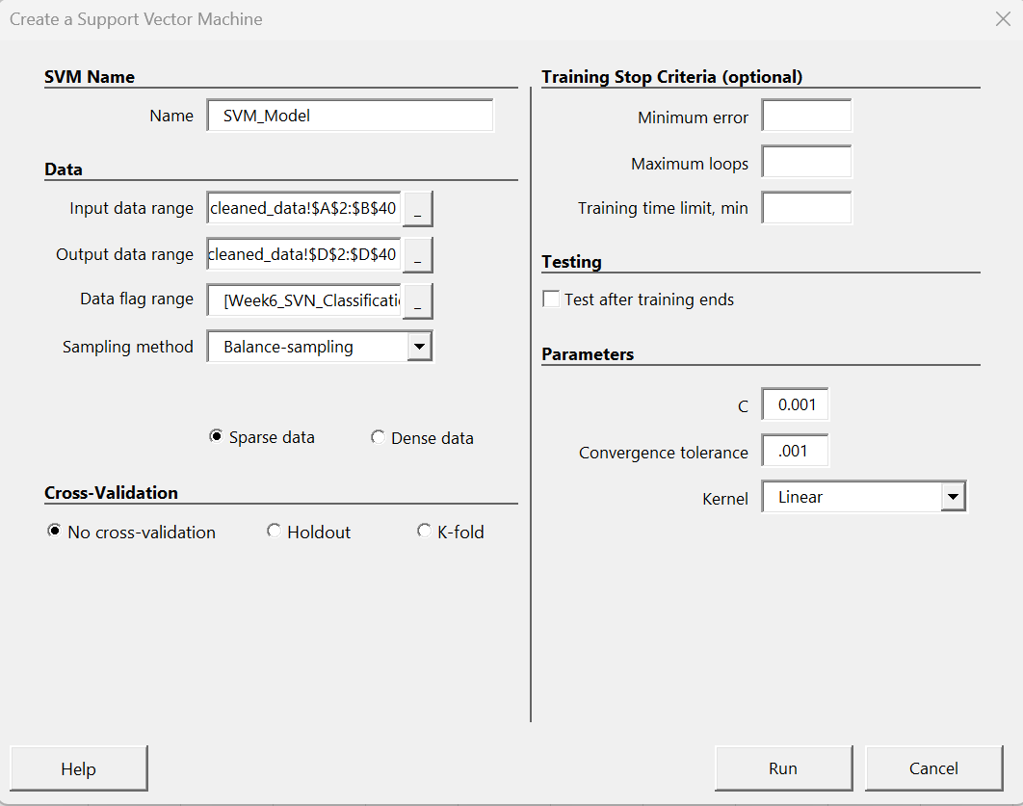

1. Enter the name of Model. Enter a name for the SVM.
2. Input data Range: Select the range of cells that contains the input data. All input variables must be in adjacent columns. Cases are in rows.
3. Output data range: Select the range of cells that contains the output data.
Variables should be in columnar form with each row being a case.
Only one column of output data can be selected. Vaimal requires that all output data used for classification training must be encoded as 1 to n with no missing classes in the data.
For example, suppose the output data has classes encoded as 1, 2, 4, 5.
Since there is no class 3, an error message will appear. In this case, the data will need to be re-encoded from 1 to 4.

4. Data Flag range:
Select the range of cells that contains the data flags.
The number of data flags selected must match the number of cases.
Only one column of data flags can be selected.
Data flag identifies the data whether it is Training, Validation or Test data.

5. Sampling Method
The sampling method (classification only) is used to adjust training data to better handle imbalanced classes.
The possible selections are listed below.
As is: Training data is used as selected with no changes.
Over-sample: For classes that don’t have the most instances, additional copies of data points are randomly added to the training set.
Under-sample: For classes that don’t have the least instances, some data points are randomly removed from the training set.
Balance-sampling: The average of the classes with the most and least instances is calculated. This average is used to over or under sample each class so that all classes have the same number of instances.

6. Data Density
Vaimal has a data density setting that allows for improved training time depending on the nature of the data.
Choose either Sparse data or Dense data if most of the data falls into one of these categories.
If you’re unsure which one to use, choose the sparse setting.

7. Parameters
Parameters control the type of SVM you will create.
The C parameter controls the margin penalty; refer to Chapter 4 for more on this parameter.

Convergence tolerance controls how close to the KKT conditions is considered converged.
Normally this can be left at the default value.
Decreasing the convergence tolerance will result in longer training time and increasing it will shorten training time.

2. Test
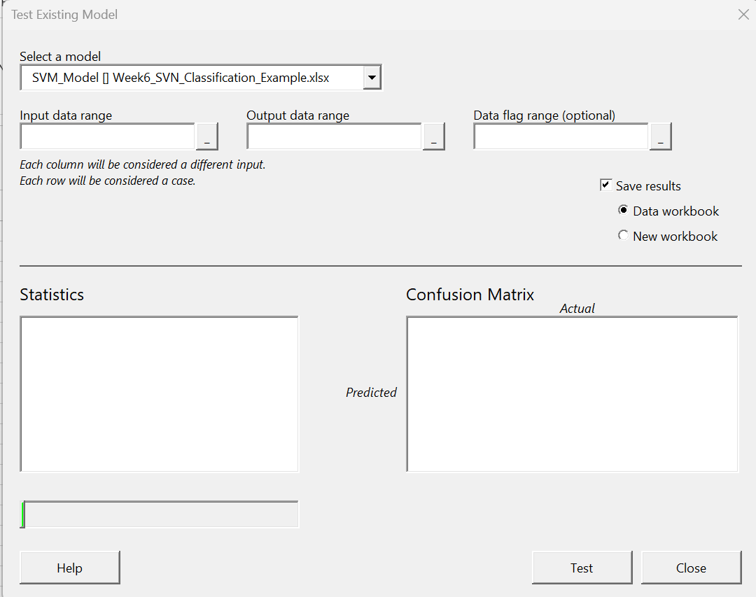
Select Model created: "SVM_Model"

3. Predict
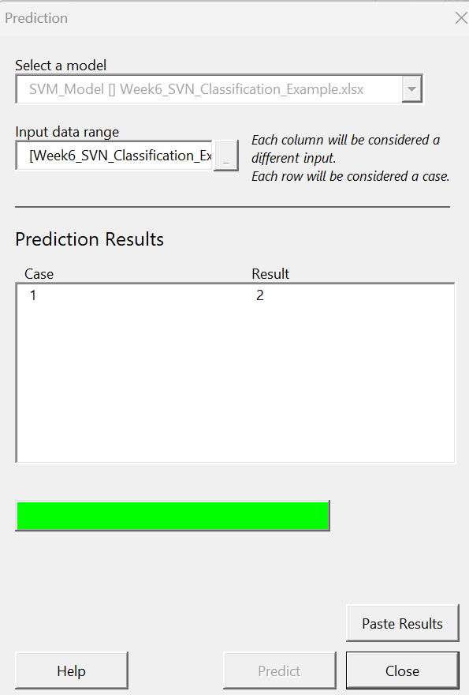
Select Model created: "SVM_Model"

Input the new values to predict
Input |  | Output
65 | 5 | apple | 2

Model is predicting: 2 which is the output

