Sheet1
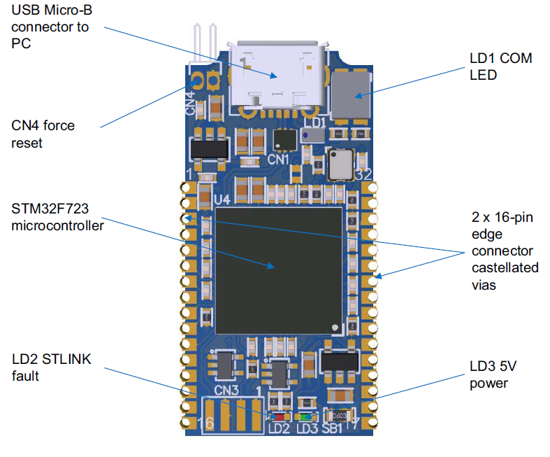
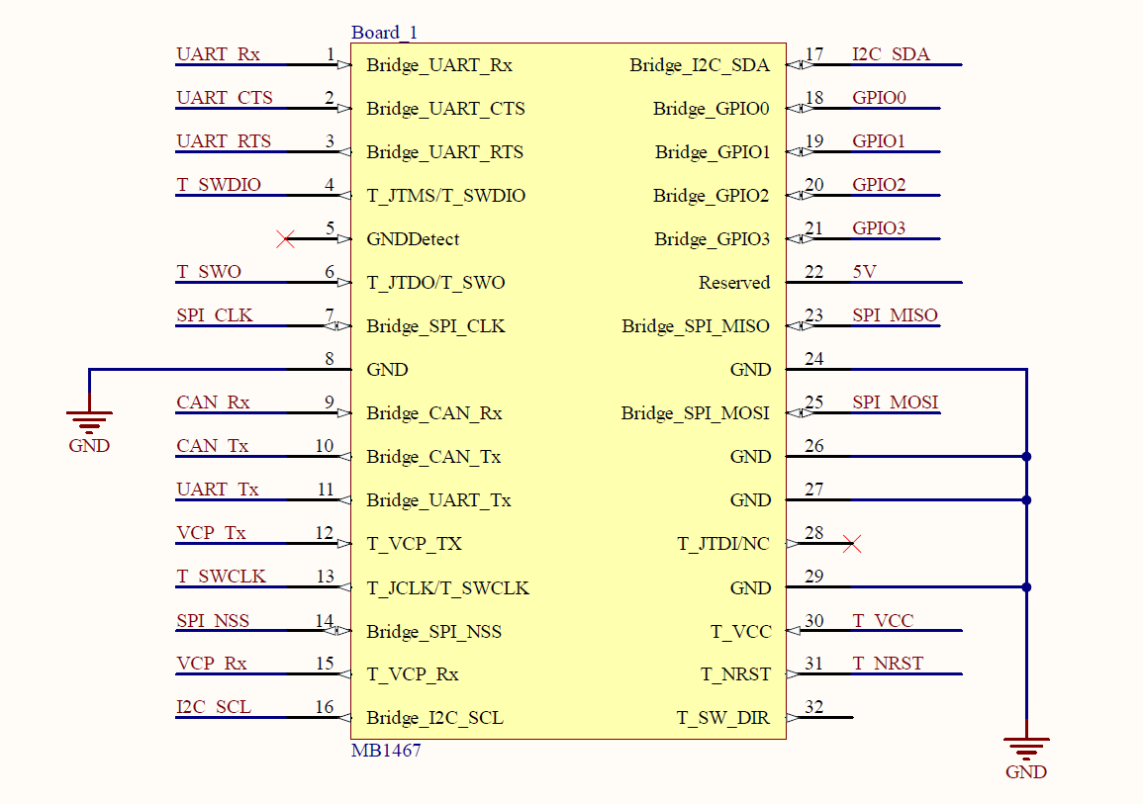
STM32F723IEK6 GPIOs on STLINK-V3MINI PCBA

32pin Edge Connector |  |  |  |  |  |  | CN5 STDC14
PB11 | 1 |  |  |  | 32 | PA7 | 1 | (PB0, 3.3V output)
PD11 | 2 |  |  | nRESET | 31 | PA6 | 2 | PA7
PD12 | 3 |  |  | T-Vcc | 30 | PA0 | 3 | PA0, VCC, input
PF9 / PH7 | 4 | SWDIO / TMS |  |  | 29 | GND | 4 | PF9/PH7, TMS / SWDIO*
PG5 | 5 |  |  | TDI | 28 | PA1 / PF8 | 5 | GND
PB5 / PC7 / PD2 | 6 | SWO / TDO |  |  | 27 | GND | 6 | PB2/PH6, TCK / SWCLK*
PA9 | 7 |  |  |  | 26 | GND | 7 | GND
GND | 8 |  |  |  | 25 | PC1 | 8 | PB5/PC7/PD2, TDO / SWO*
PA11 | 9 |  |  |  | 24 | GND | 9 | PB2/PH6, TCK / SWCLK*
PA12 | 10 |  |  |  | 23 | PC2 | 10 | PA1/PF8, TDI*
PC10 | 11 |  |  |  | 22 | reserved | 11 | PG5, (GND detect)
PG14 | 12 | VCP-Tx / USART6-Tx |  |  | 21 | PE6 | 12 | PA6, (nRESET)*
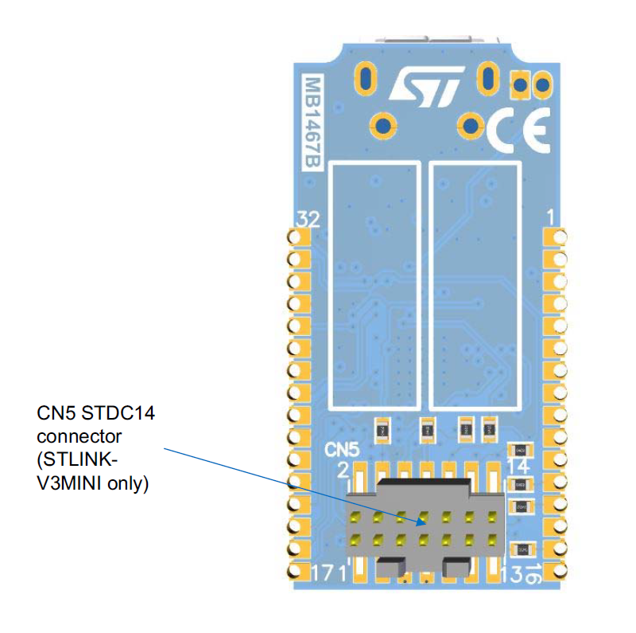
PB2 / PH6 | 13 | SWCLK / TCK |  |  | 20 | PE5 | 13 | PG9, (USART6-Rx)*
PB4 | 14 |  |  |  | 19 | PE4 | 14 | PG14, (USART6-Tx)*
PG9 | 15 | VCP-Rx / USART6-Rx |  |  | 18 | PE2 | * connect GPIO thru a resistor.
PB8 | 16 |  |  |  | 17 | PB9

Others: |  |  |  |  | CN3 for F723
PA10 | LED1 | Low-Green | High-Red |  | 1 | 3V3
PB0 | LED3 | Green = Pwr-on indicator |  |  | 2 | SWCLK, PA14
 | LED2 | RED, on when Power Fault |  |  | 3 | GND
PB14 | USB DM (D-) |  |  |  | 4 | SWDIO, PA13
PB15 | USB DP (D+)
PB0 | T_PWR_EN, set PB0 to High, 3.3V power output from STDC14-1(pin1), and LED3(GRN) will turn-on.
PB1 | T_PWR_EXT, check 5V power_in ?
 |  |  |  |  |  |  |  | v4 by RadioOperator

GPIO | 32pin Edge |  | Functions |  |  |  |  |  | SPI | I2C | CAN | UART
PB11 | 1 | Bridge_UART_Rx | TIM2_CH4, I2C2_SDA, USART3_RX, OTG_HS_ULPI_D4 |  |  |  |  |  |  |  |  | USART3_RX
PD11 | 2 | Bridge_UART_CTS | USART3_CTS, QUADSPI_BK1_IO0, SAI2_SD_A, FMC_A16/FMC_CLE |  |  |  |  |  |  |  |  | USART3_CTS
PD12 | 3 | Bridge_UART_RTS | TIM4_CH1, LPTIM1_IN1, USART3_RTS, QUADSPI_BK1_IO1, SAI2_FS_A, FMC_A17/FMC_ALE |  |  |  |  |  |  |  |  | USART3_RTS
PF9 / PH7 | 4 | T_JTMS/T_SWDIO | PF9: SPI5_MOSI, SAI1_FS_B, UART7_CTS, TIM14_CH1, QUADSPI_BK1_IO1 |  |  |  |  |  | SPI5_MOSI |  |  | UART7_CTS
 |  |  | PH7: I2C3_SCL, SPI5_MISO, FMC_SDCKE1 |  |  |  |  |  | SPI5_MISO | I2C3_SCL
PG5 | 5 | GNDDetct | FMC_A15/FMC_BA1
PB5 / PC7 / PD2 | 6 | T_JTDO/T_SWO | PB5: TIM3_CH2, I2C1_SMBA, SPI1_MOSI/I2S1_SD, SPI3_MOSI/I2S3_SD, OTG_HS_ULPI_D7, FMC_SDCKE1 |  |  |  |  |  | SPI1_MOSI, SPI3_MOSI | I2C1_SMBA
 |  |  | PC7: TIM3_CH2, TIM8_CH2, I2S3_MCK, USART6_RX, SDMMC2_D7, SDMMC1_D7 |  |  |  |  |  |  |  |  | USART6_RX
 |  |  | PD2: TRACED2, TIM3_ETR, UART5_RX, SDMMC1_CMD |  |  |  |  |  |  |  |  | USART5_RX
PA9 | 7 | Bridge_SPI_CLK | TIM1_CH2, I2C3_SMBA, SPI2_SCK/I2S2_CK, USART1_TX |  |  |  |  |  | SPI2_SCK | I2C3_SMBA |  | USART1_TX
GND | 8 | GND
PA11 | 9 | Bridge_CAN_Rx | TIM1_CH4, USART1_CTS, CAN1_RX, OTG_FS_DM |  |  |  |  |  |  |  | CAN1_RX
PA12 | 10 | Bridge_CAN_Tx | TIM1_ETR, USART1_RTS, CAN1_TX, OTG_FS_DP |  |  |  |  |  |  |  | CAN1_TX
PC10 | 11 | Bridge_UART_Tx | SPI3_SCK/I2S3_CK, USART3_TX, UART4_TX, QUADSPI_BK1_IO1, SDMMC1_D2 |  |  |  |  |  |  |  |  | USART3_TX, UART4_TX
PG14 | 12 | VCP-Tx / USART6-Tx | TRACED1, LPTIM1_ETR, USART6_TX, QUADSPI_BK2_IO3, FMC_A25 |  |  |  |  |  |  |  |  | USART6_TX,
PB2 / PH6 | 13 | T_JCLK/T_SWCLK | PB2: SAI1_SD_A, SPI3_MOSI/I2S3_SD, QUADSPI_CLK |  |  |  |  |  | SPI3_MOSI
 |  |  | PH6: I2C2_SMBA, SPI5_SCK, TIM12_CH1, FMC_SDNE1 |  |  |  |  |  | SPI5_SCK | I2C2_SMBA
PB4 | 14 | Bridge_SPI_NSS | NJTRST, TIM3_CH1, SPI1_MISO, SPI3_MISO, SPI2_NSS/I2S2_WS, SDMMC2_D3 |  |  |  |  |  | SPI2_NSS, SPI1_MISO, SPI3_MISO
PG9 | 15 | VCP-Rx / USART6-Rx | USART6_RX, QUADSPI_BK2_IO2, SAI2_FS_B, SDMMC2_D0, FMC_NE2/FMC_NCE |  |  |  |  |  |  |  |  | USART6_RX
PB8 | 16 | Bridge_I2C_SCL | TIM4_CH3, TIM10_CH1, I2C1_SCL, CAN1_RX, SDMMC2_D4, SDMMC1_D4 |  |  |  |  |  |  | I2C1_SCL | CAN1_RX

PA7 | 32 | T_SW_DIR | TIM1_CH1N, TIM3_CH2, TIM8_CH1N, SPI1_MOSI, TIM14_CH1, FMC_SDNWE |  |  |  |  |  | SPI1_MOSI
PA6 | 31 | T_NRST | TIM1_BKIN, TIM3_CH1, TIM8_BKIN, SPI1_MISO, TIM13_CH1 |  |  |  |  |  | SPI1_MISO
PA0 | 30 | T-Vcc | TIM2_CH1/TIM2_ETR, TIM5_CH1, TIM8_ETR, USART2_CTS, UART4_TX, SAI2_SD_B |  |  |  |  |  |  |  |  | UART4_ TX
GND | 29 | GND
PA1 / PF8 | 28 | T_JTDI/NC | PA1: TIM2_CH2, TIM5_CH2, USART2_RTS, UART4_RX, QUADSPI_BK1_IO3, SAI2_MCK_B |  |  |  |  |  |  |  |  | UART4_ RX
 |  |  | PF8: SPI5_MISO, SAI1_SCK_B, UART7_RTS, TIM13_CH1, QUADSPI_BK1_IO0 |  |  |  |  |  | SPI5_MISO
GND | 27 | GND
GND | 26 | GND
PC1 | 25 | Bridge_SPI_MOSI | TRACED0, SPI2_MOSI/I2S2_SD, SAI1_SD_A |  |  |  |  |  | SPI2_MOSI
GND | 24 | GND
PC2 | 23 | Bridge_SPI_MISO | SPI2_MISO, OTG_HS_ULPI_DIR, FMC_SDNE0 |  |  |  |  |  | SPI2_MISO
reserved | 22 | Reserved
PE6 | 21 | Bridge_GPIO3 | TRACED3, TIM1_BKIN2, TIM9_CH2, SPI4_MOSI, SAI1_SD_A, SAI2_MCK_B, FMC_A22 |  |  |  |  |  | SPI4_MOSI
PE5 | 20 | Bridge_GPIO2 | TRACED2, TIM9_CH1, SPI4_MISO, SAI1_SCK_A, FMC_A21 |  |  |  |  |  | SPI4_MISO
PE4 | 19 | Bridge_GPIO1 | TRACED1, SPI4_NSS, SAI1_FS_A, FMC_A20 |  |  |  |  |  | SPI4_NSS
PE2 | 18 | Bridge_GPIO0 | TRACECLK, SPI4_SCK, SAI1_MCLK_A, QUADSPI_BK1_IO2, FMC_A23 |  |  |  |  |  | SPI4_SCK
PB9 | 17 | Bridge_I2C_SDA | TIM4_CH4, TIM11_CH1, I2C1_SDA, SPI2_NSS/I2S2_WS, CAN1_TX, SDMMC2_D5, SDMMC1_D5 |  |  |  |  |  | SPI2_NSS | I2C1_SDA | CAN1_TX

