Sheet1
Checklist
Requirements |  | Status | Comments
0-Projects: |  | In progress
 | 0.1-The system menu items must be linked to one project. | In progress
 | 0.2-The system must have a responsive field where the actor can type the beginning of the project name and it will find the name in the drop down list. | In progress
 | 0.3-The system must be able to have one or many project managers, project sponsor, and business analyst | In progress
1-Stakeholder(s): |  | In progress
 |  | In progress
2-Acronym(s): |  | In progress
3-Key Requirements Deliverables: |  | In progress
4-Objectives: |  | In progress
5-Meeting Minutes: |  | In progress
 | 5.1 The system dropdown "Person Responsible" should be generated from the stakeholder list in the project. | In progress
6-Q&A: |  | In progress
7-Supplier: |  | In progress
8-Assumptions/Constraints (Assump/Const): |  | In progress
9-Notes: |  | In progress
 | 9.1-The systems Notes portion must be able create tables. | In progress
 | 9.2-The system Notes must be able to have a title associated to each tab. | In progress
 | 9.3-The system Notes must function similar to a word file in the tools you can use. | In progress
10-IT Resource Planning: |  | In progress
 | 10.1-The system must allow for the fields requested in the video to be editable. | In progress
11-Financials: |  | In progress
 | 11.1-The system must allow for the fields requested in the video to be editable. | In progress
12-Parking Lot Items: |  | In progress
 | 12.1-The system must allow for the content to have a strikethrough. | In progress
 | 12.2-The system must allow for the fields requested in the video to be editable. | In progress
 | 12.3-The system must have an "Follow up actions" field for each parking lot item | In progress
 | 12.4- The system must record the "Date Added" | In progress
 | 12.5- The system must have the person who is responsible to address the item field "Owner". | In progress
13-Dynamic To-Do List: |  | In progress
 | 13.1-The system uses the daily activity list in order to create the dynamic to do list. | In progress
 | 13.2-The systems "To do list" is made up of Daily task line items that can be arranged in any order. | In progress
14-Daily Activity List: |  | In progress
 | 14.2-The system must allow for the fields requested in the video to be editable. | In progress
15-Reports: |  | In progress
 | 15.1-The system must be able to generate printable reports using any information contained within the system. | In progress
16-Risk and Issue Tracker (combine with Assumptions and constraints) | 16-The system must be able to track these fields • Title: • Description: • Category: • Status: The current status (e.g., open, in progress, closed). • Priority: The priority level (e.g., low, medium, high). • Impact: The potential impact on the project (e.g., cost, schedule, scope). • Probability: The likelihood of the risk occurring (e.g., low, medium, high). • Mitigation Plan: Actions planned to mitigate the risk or resolve the issue. • Owner: • Due Date: The date by which the risk or issue should be resolved. • Date Identified: The date when the risk or issue was first identified. | In progress
Items to Remember
Navigation from form to form |  | In progress
Check every field on every form |  | In progress
Spell check/Grammar |  | In progress
How do I back up my data? |  | In progress
Field to capture where I put the files |  | In progress
How to check an executable for viruses? |  | In progress
Enhanced data availability |  | In progress
UX user experience |  | In progress
Layout, Aesthetics |  | In progress
Reports mut be downloadable |  | In progress
Check resizing |  | In progress
Creation of multiple screens to have the project framework open on one screen and the daily activity list open on another screen. |  | In progress
Have the possibility to have multiple project instances open at one time |  | In progress
Multiple meeting minutes associated with one project |  | In progress
Meeting Minutes: I thought you were going to elevate this screen by adding other fields such as: -"Date received", -"Participant List" (A list of participants generated from the Stakeholder list of that project) on the right hand side of the page can select via textbox who attended the meeting. -Another field stating the "title of the Meeting" minutes. - "Objective" (reason for the meeting) | 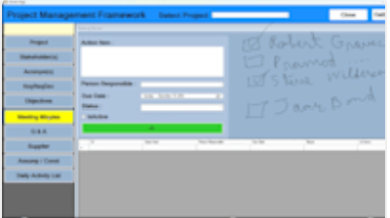 | In progress
To elevate you can add fields to capture supplier address: -"Address" -"Province or State" -"Country" -"Postal code" |  | In progress
Where I need it to function as MS Word: Check every form and field, bulleted point, italic, change font, bolded, strikethrough, etc.. |  | In progress
Pops up: my "To do list" with alerts using date and Time. (Frequency) Can pop back up at certain intervals using a selector Hourly or in multiple days |  | In progress
Create a Search field under acronyms …and rename the section keywords. |  | In progress
To List preficated on the daily activity list | filter based on "to do","Requester", | In progress
Systems needs to be portable. The application and its database contents should be able to be installed or workable on another computer |  | In progress
Mechanism so I can import the data from my access database to the new application |  | In progress
Font (Microsoft word) |  | In progress
Potential Additional Requirements
Creation of an excel spreadsheet. "Tracking the financials" of a project. |  | In progress | Will provide the prototype if needed
Export Data and Import Data (Back ups) | Speak with Him | In progress
Creation of a Calendar item so I can create reminders for my "to do list" or list of items |  | In progress
Gantt which works off of the key Requirement Deliverable date and time..with Report Start Date is required. | 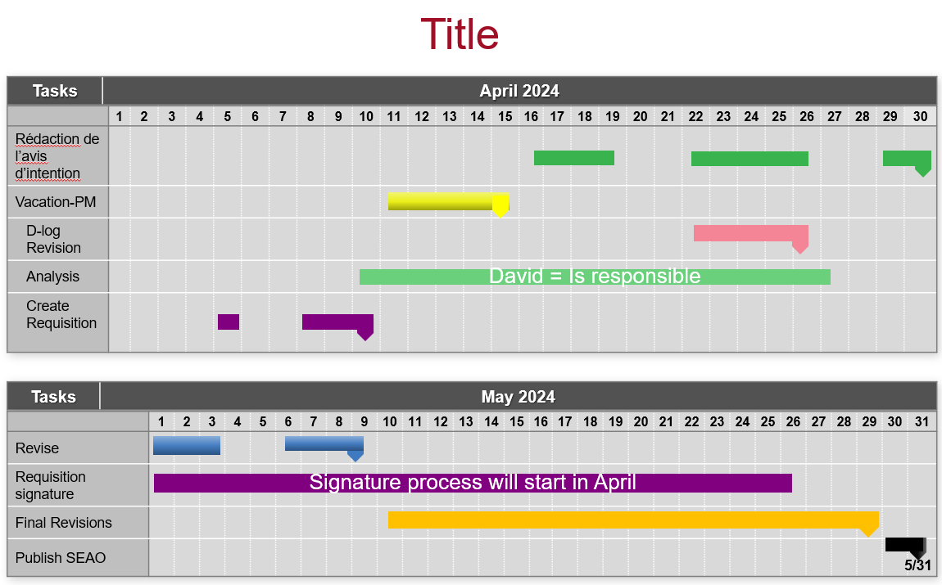 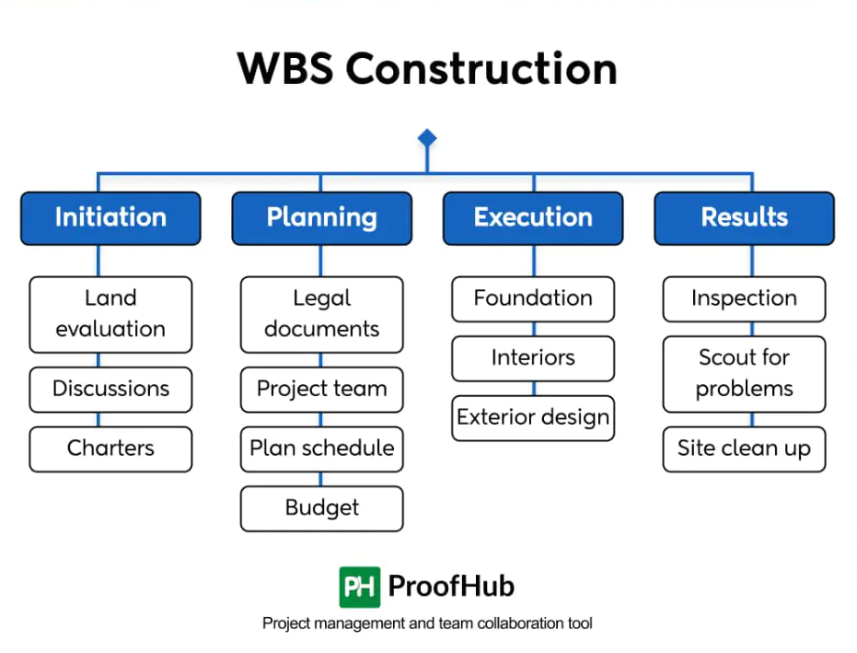 | In progress | 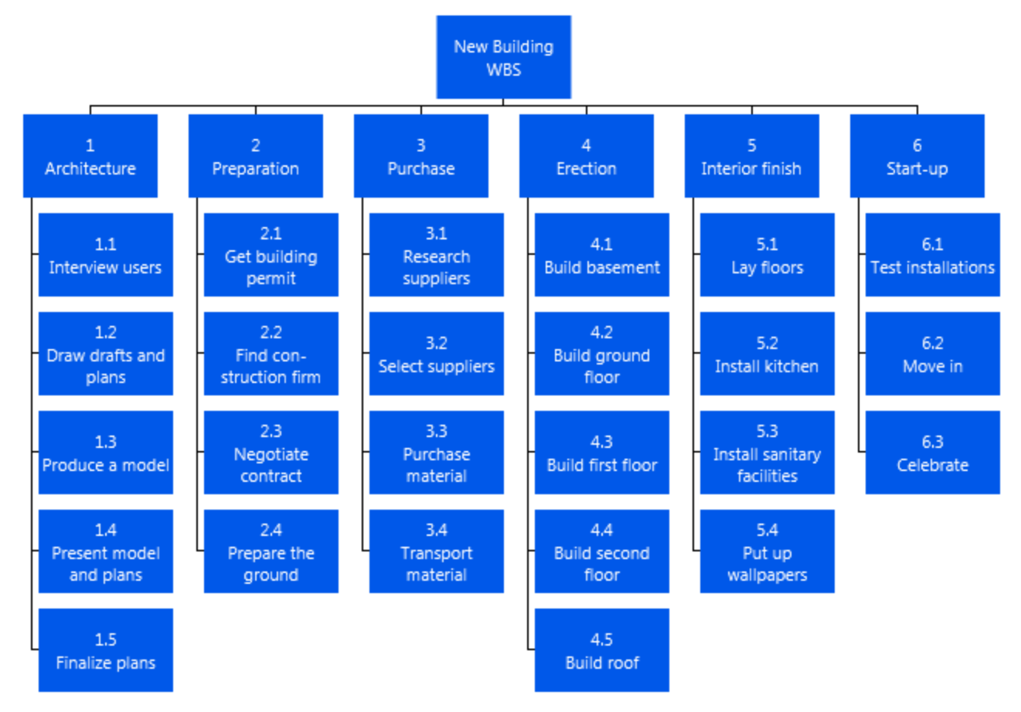 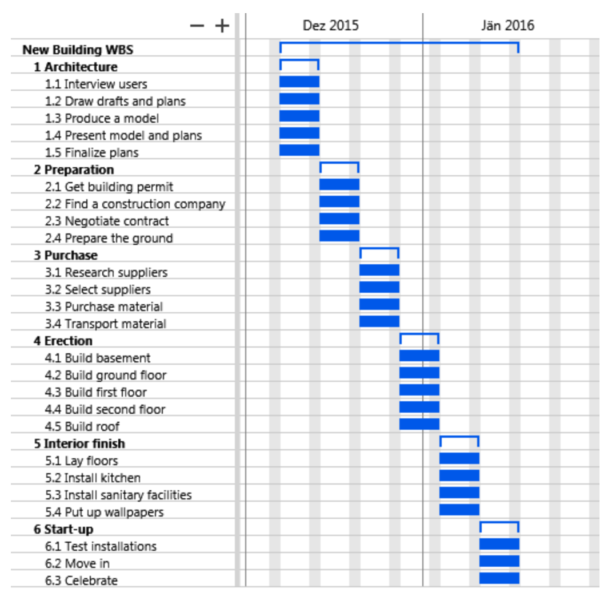
Add ons
Project Screen Our suggestions : Project Priority: Drop-down to specify High, Medium, or Low. Estimated Completion Date: Calendar picker. Project Phase: Drop-down (Initiation, Planning, Execution, Monitoring, Closing). Risk Level: Drop-down (Low, Medium, High). Project Status: Drop-down (On Track, Delayed, Completed, etc.). |  | In progress
Stakeholder Screen Email Address: To send updates or communication. Communication Preference: Drop-down (Email, Phone, Meeting). Engagement Level: Drop-down (High, Medium, Low). Role Description: A text box for a brief stakeholder role description. |  | In progress
Key Requirement Deliverable Screen Deadline: Date picker for deliverable deadlines. Assigned To: Drop-down or text box to allocate responsibility. Priority: Drop-down (Critical, Important, Low). Status: Drop-down (Pending, In Progress, Done) |  | In progress
Meeting Minutes Screen Meeting Location: A text box to specify the venue. Agenda: A field for listing meeting topics. Time: Time picker for meeting start and end times. Follow-up Action: A text field for next steps after the meeting. |  | In progress
Q & A Screen Category: Drop-down to group questions (e.g., General, Technical, Budget). Priority: Drop-down to mark questions as Critical, High, or Low. Assigned To: A field to assign responsibility for the answer. |  | In progress
Supplier Screen Supplier Contact Person: Name of the key contact. Email Address: Email of the supplier. Contract Start/End Date: Calendar picker for supplier contracts. Rating: Drop-down for supplier performance (e.g., Excellent, Good, Poor). -------------------------------------------- -"Address" -"Province or State" -"Country" -" Postal code" |  | In progress
Assumptions/Constraints Screen Type: Drop-down to classify as Assumption or Constraint. Impact: Drop-down to mark the impact level (High, Medium, Low). Mitigation Plan: Text field for action plans to manage constraints. |  | In progress
Daily Activity List Screen Time Spent: A numeric field to log hours spent on tasks. Assigned To: To specify who is responsible for the task. Task Type: Drop-down (Admin, Technical, Review, etc.). Progress (%): Numeric slider or input for progress tracking. |  | In progress
 |  | In progress
 |  | In progress

