Login By Google
Feature | Login by google
Test requirement | Having an Google account for Log In.
Number of TCs | 2
Testing Round | Passed | Failed | Pending | N/A
Round 1 | 2 | 0 | 0 | 0
Round 2 | 2 | 0 | 0 | 0
Round 3 | 0 | 0 | 0 | 0

Test Case ID | Test Case Description | Test Case Procedure | Expected Results | Pre-conditions | Round 1 | Test date | Tester | Round 2 | Test date | Tester | Note
Login by Google | Login by Google
LBG01 | Testing vewing when click "Login by google" button when in the Sign Ip Page | 1. Access into website. 2. Click on Guest symbol in header of home page. 3. Click on "Login" category. 4. Click on "Login by google" button. | 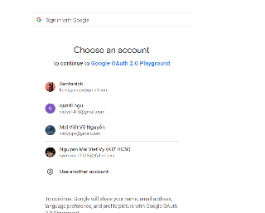 The following form is exist |  | Passed | 2024-03-17 | Nguyen Mai Viet Vy | Passed | 2024-03-17 | Vy
LBG02 | Testing agorithm of the signing in by google function-Successful | 1. Access into website. 2. Click on Guest symbol in header of home page. 3. Click on "Login" category. 4. Click on "Login by google" button. | The page redirects to the home page with the information of account that is signed in. The guest symbol is changed to the avatar symbol. |  | Passed | 2024-03-17 | Nguyen Mai Viet Vy | Passed | 2024-03-17 | Vy

