BVT
S no | Feature | BVT | Steps | Output | Power BI Desktop | Internet Explorer | Edge | Chrome
1 | Basic HistogramXY Chart | Display HistogramXY chart | 1. Drag 'X' into 'X data' field 2. Drag 'Y' into 'Y data' field | Display HistogramXY chart | 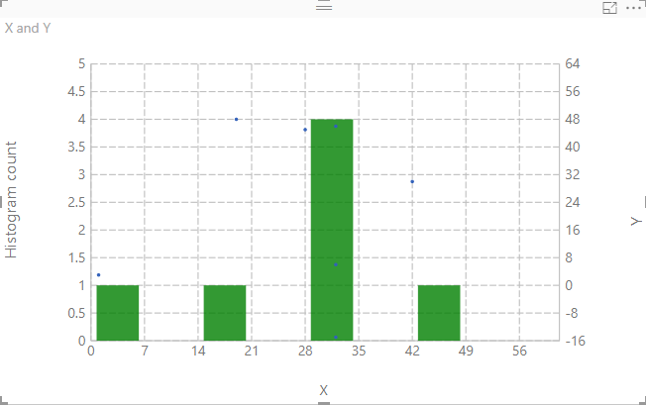 | 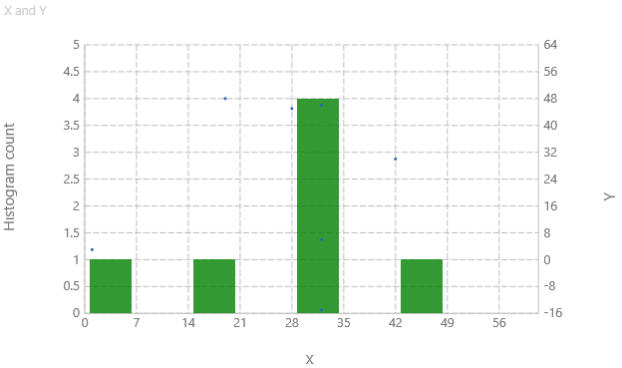 | 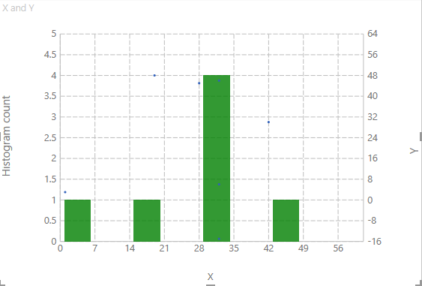 | 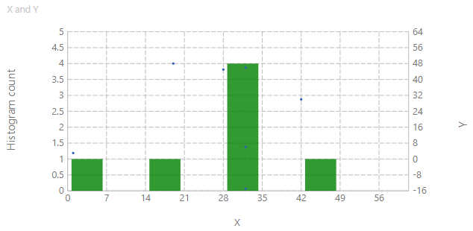
2 | Points | Update tooltip and color for points | 1. Go to formatting pane 2. Go to 'Points' option 3. Switch the toggle on 4. Switch the toggle on for 'Tooltip' 5. Update 'Color' to 'red' | 1. Display points on chart 2. Display tooltip with red color border for points | 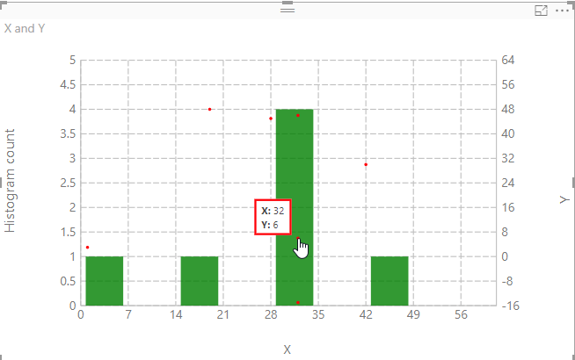 | 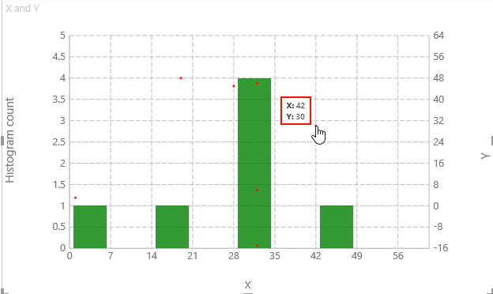 | 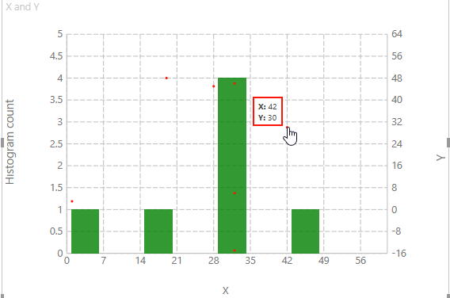 | 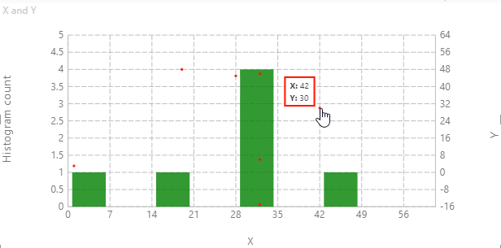
3 | Bars | Update tooltip and color for bars | 1. Go to formatting pane 2. Go to 'Bars' option 3. Switch the toggle on 4. Switch the toggle on for 'Tooltip' 5. Update 'Color' to 'blue' | 1. Display bars on chart 2. Display bars with blue color | 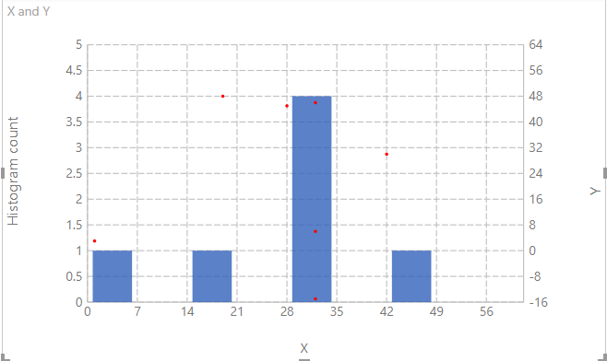 | 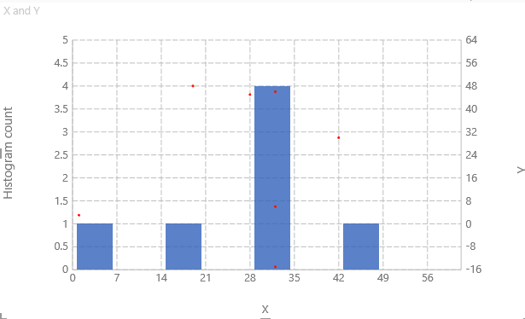 | 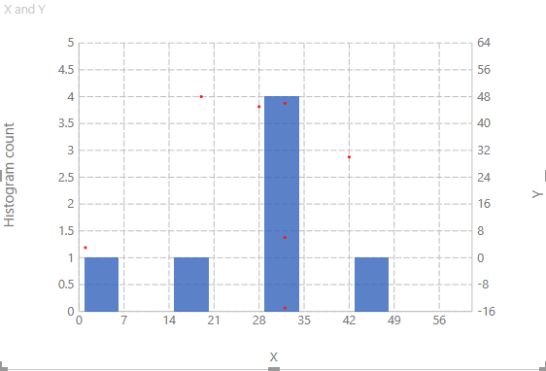 | 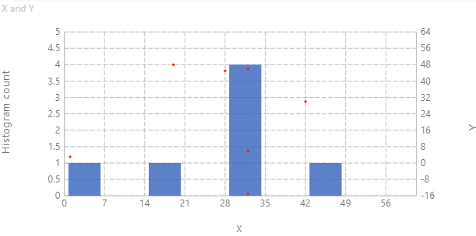
4 | X-Axis | Update title, title text and labels for X-Axis | 1. Go to formatting pane 2. Go to 'X-Axis' option 3. Switch the toggle on for 'Title' 4. Update 'Title text' to 'AA' 5. Switch the toggle on for 'Labels' | 1. Display X-Axis title 2. Title text will be set to 'AA' 3. Display X-Axis ticks | 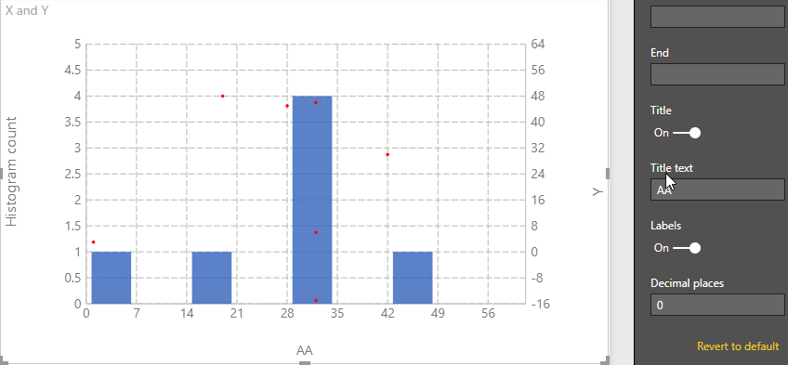 | 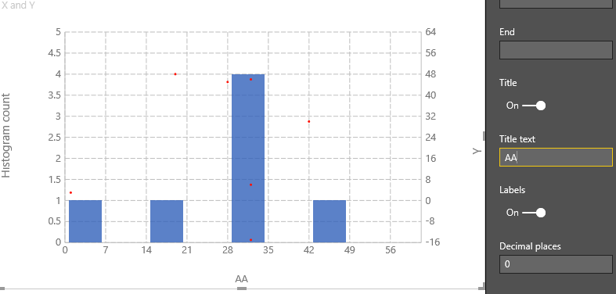 | 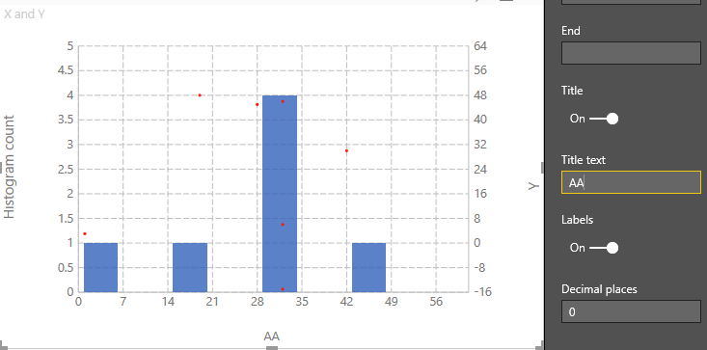 | 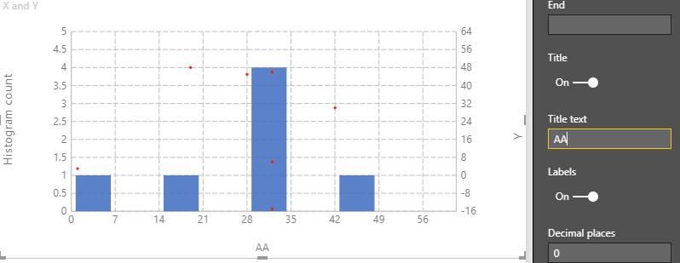
5 | Y-Axis right | Update title, title text and labels for Y-Axis right | 1. Go to formatting pane 2. Go to 'Y-Axis right' option 3. Switch the toggle on for 'Title' 4. Update 'Title text' to 'BB' 5. Switch the toggle on for 'Labels' | 1. Display Y-Axis right title 2. Title text will be set to 'BB' 3. Display Y-Axis right ticks | 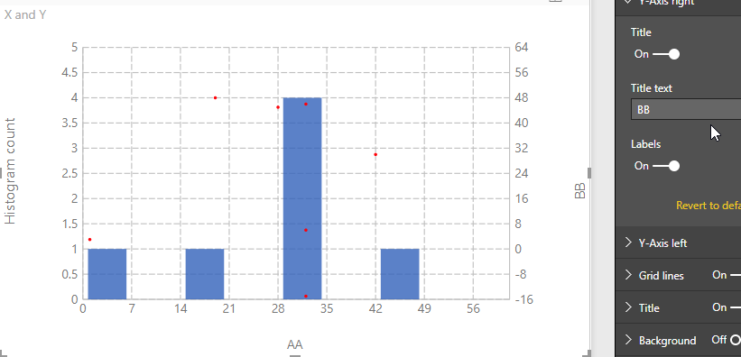 | 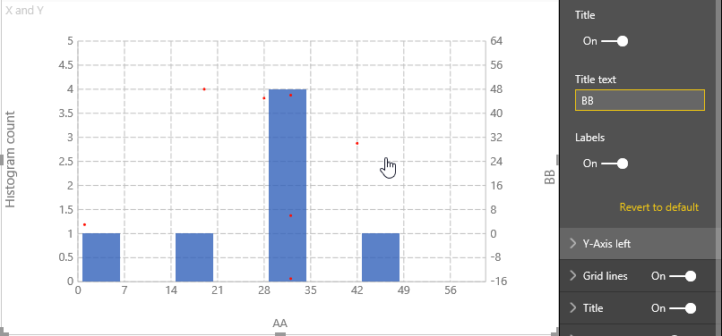 | 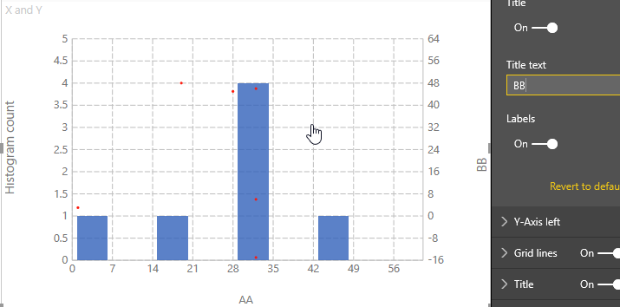 | 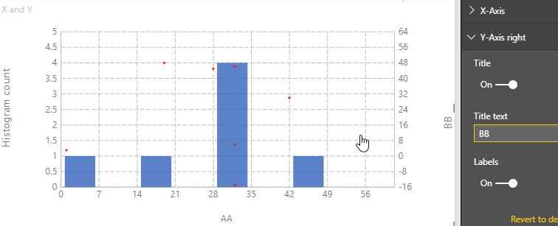
6 | Y-Axis left | Update title, title text and labels for Y-Axis left | 1. Go to formatting pane 2. Go to 'Y-Axis left' option 3. Switch the toggle on for 'Title' 4. Update 'Title text' to 'CC' 5. Switch the toggle on for 'Labels' | 1. Display Y-Axis left title 2. Title text will be set to 'BB' 3. Display Y-Axis left ticks | 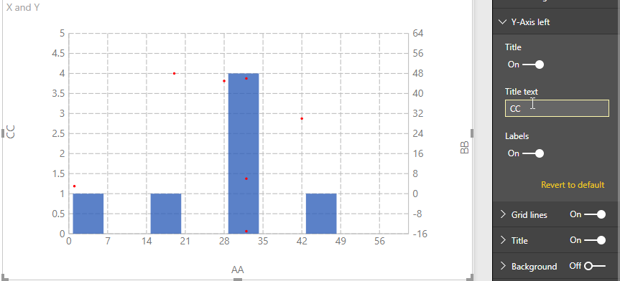 | 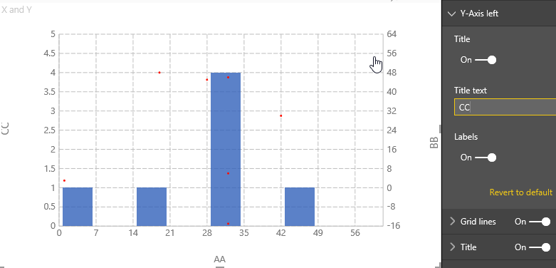 | 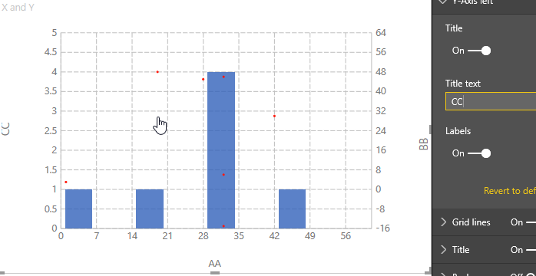 | 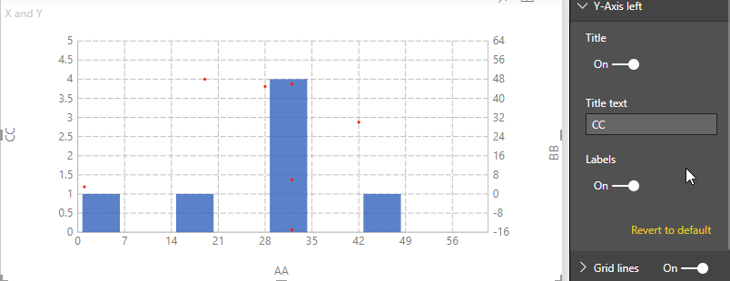
7 | X axis | Added start and end fields. | 1. Enter value for Start field 2. Enter value for End field | Histogram Chart will be displayed with specified start and end values. | 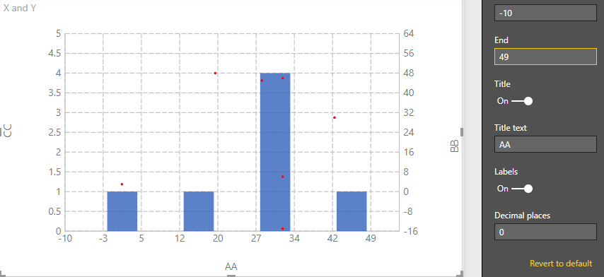 | 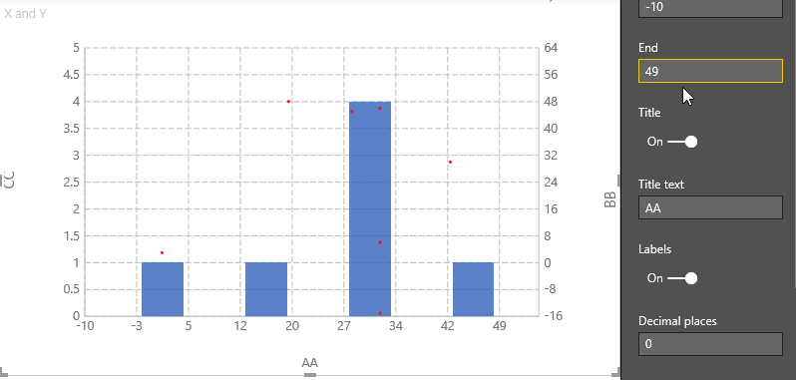 | 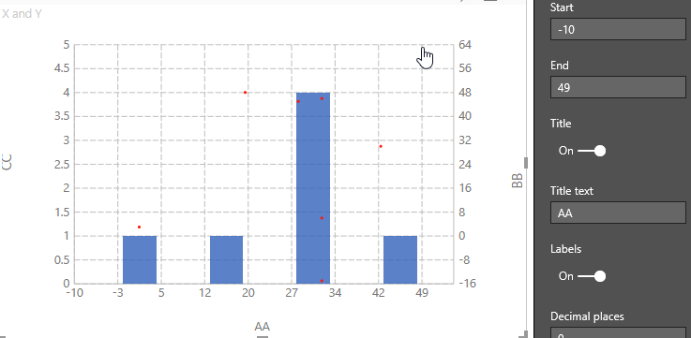 | 