BVTs
S no | Feature | BVT | Steps | Output | Internet Explorer | Edge | Chrome | Desktop
1 | Basic column chart | Draw basic column chart | 1. Drag 'Fiscal month' column in 'Category data' field 2. Drag 'YTD' column in 'Measure data' | Column chart should be displayed |  |  | 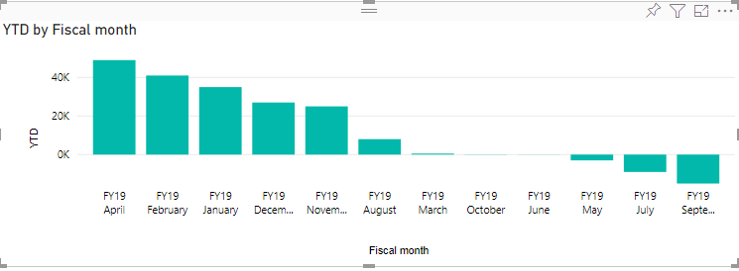 | 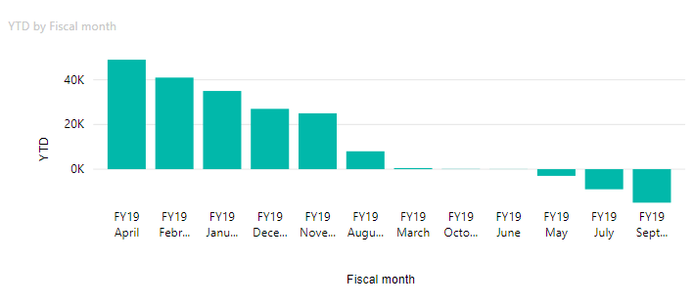
2 | Individual Target line | Draw line for individual months or years | Drag 'YTD2 Target' column in 'Individual target' field | 1. Line for individual months or years above each bar will be displayed 2. Individual target legend will be added in the chart |  |  | 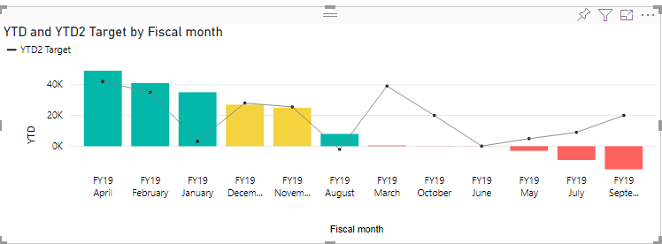 | 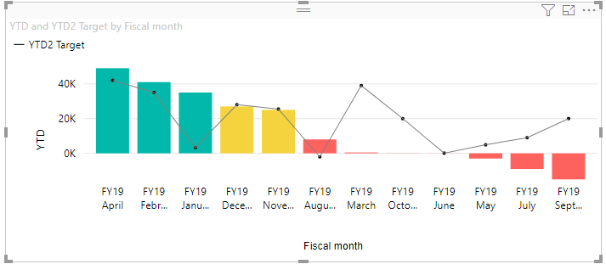
 |  | Update Individual target line's color and stroke | 1. Go to formatting pane 2. Go to 'Individual Target' option 3. Update color to 'blue' 4. Update stroke value to '-2' 5. Update stroke value to '7' 6. Update stroke value to '4' 7. Switch the toggle off | 1. Target line's color will be set to 'blue' 2. If stroke value is '-2' then it will automatically change to '1' 3. If stroke value is '7' then it will automatically change to '5' 4. The individual target line should disappear | 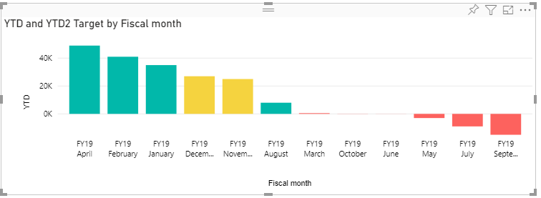 |  |  | 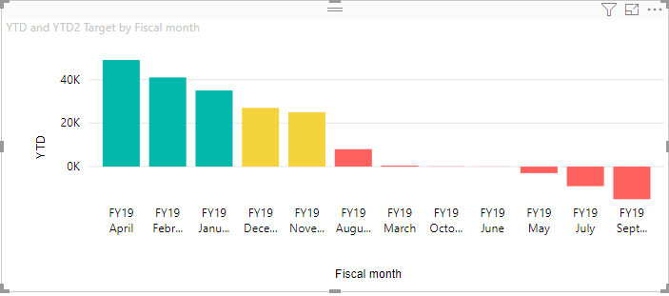
3 | Forecasted field | Draw dash line border and light color for bars | Drag 'Forecasted' column in 'Forecasted' field | Dashed line border and light color for bars will appear for forecasted bars | 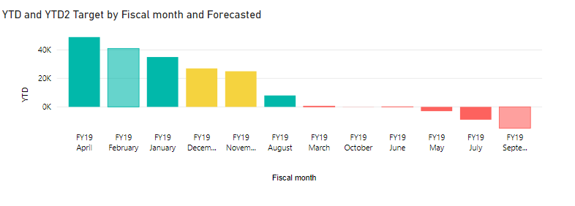 |  |  | 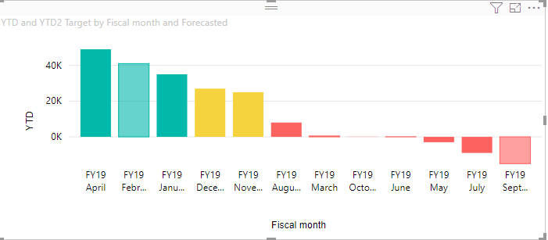
4 | Target line | Draw dash line at top for target YTD | Drag 'Full year target' column in 'Target' field | 1. Dashed line at top of each bar will be displayed signifying target YTD 2. Target legend will be added in the chart |  |  |  | 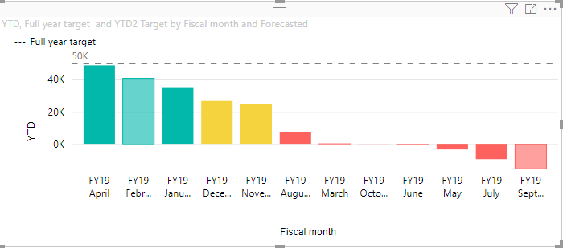
 |  | Update target line's color and stroke | 1. Go to formatting pane 2. Go to 'Target' option 3. Update 'Line color' to 'blue' 4. Update stroke value to '-2' 5. Update stroke value to '7' 6. Update stroke value to '4' 7. Switch the toggle off | 1. Target line's color will be set to 'blue' 2. If stroke value is '-2' then it will automatically change to '1' 3. If stroke value is '7' then it will automatically change to '5' 4. The target line should disappear
5 | Y-Axis | Update color, display unit and decimal value for y-axis | 1. Go to formatting pane 2. Update color to 'blue' 3. Update display unit to 'Thousand' 4. Update decimal value to '1' | 1. Y-Axis font color will be set to 'Blue' 2. Text will be formatted like '50K' 3. Text will be formatted like '50.0K' |  |  |  | 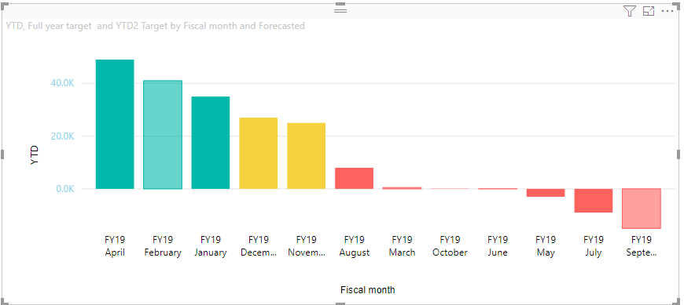
8 | Zone Setting | Update the color of the bars with respect to the zone value defined | 1. Go to formatting pane 2. Go to 'Zone Setting' option 3. Update default field to 'blue' 4. Update Zone 1 upper bound and Zone 2 upper bound to 90 and 101 respectively 5. Update Low field to 'blue' 6. Update medium field to 'brown' 7. Update High field to 'grey' | 1. If Individual field is not selected then all color of the bar will be blue 2. If bar value is less than zone 1 upper bound, then 'blue' color will displayed for bars accordingly 3. If bar value is greater than zone 1 upper bound and less than zone 2 upper bound, then 'brown' color will be displayed for bars accordingly 4. If bar value is greater than zone 2 upper bound, then 'grey' color will be displayed for bars accordingly |  |  |  | 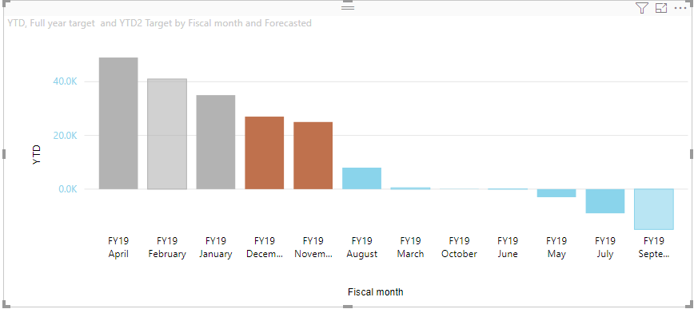
9 | Legend | Update legend's color and font size | 1. Go to formatting pane 2. Go to 'Legend' option 3. Update color to 'black' 4. Update text size to '14' 5. Switch the toggle off | 1. Legends text color will be set to 'black' 2. Legends text size will be resized to '14' pt. 3. Legends will be removed the visual
10 | Data Labels | Update data label's color, text size, display units and decimal value(Max text size is 20) | 1. Go to formatting pane 2. Go to 'Data labels' option 3. Switch the toggle on 3. Update color to 'black' 4. Update text size to '14' 5. Update display unit to 'Thousand' 6. Update decimal value to '1' | 1. Data label will be visible in the visual above each bar 2. Data labels color will be set to 'black' 3. Data labels text size will be resized to '14' pt. 4. Data labels display unit will be updated to '40K' 5. Data labels decimal value will be updated to '40.0K' |  |  |  | 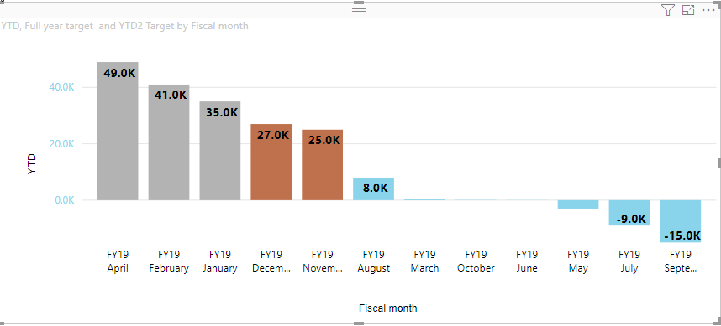
11 | Selection | Click on first bar to make selection in other visuals | 1. Create a copy of column chart 2. Select the copied visual and click on default column chart from visualization pane 3. Click on the first bar in column chart | The data corresponding to first bar should be highlighted in copied visual too | 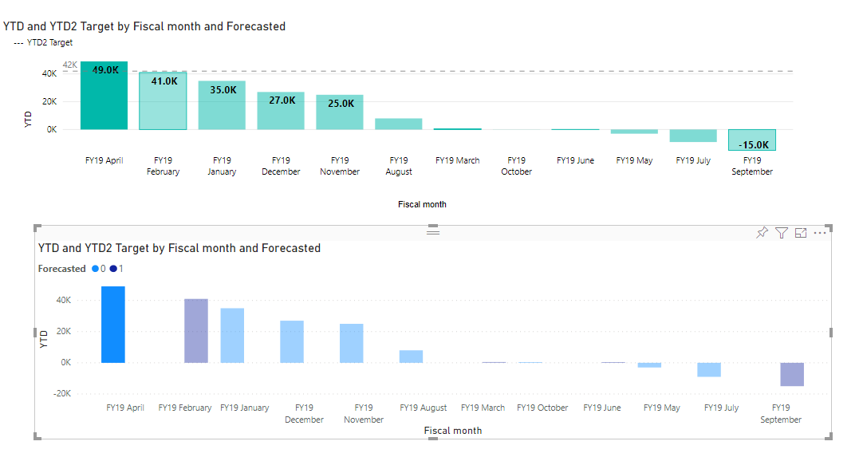 |  |  | 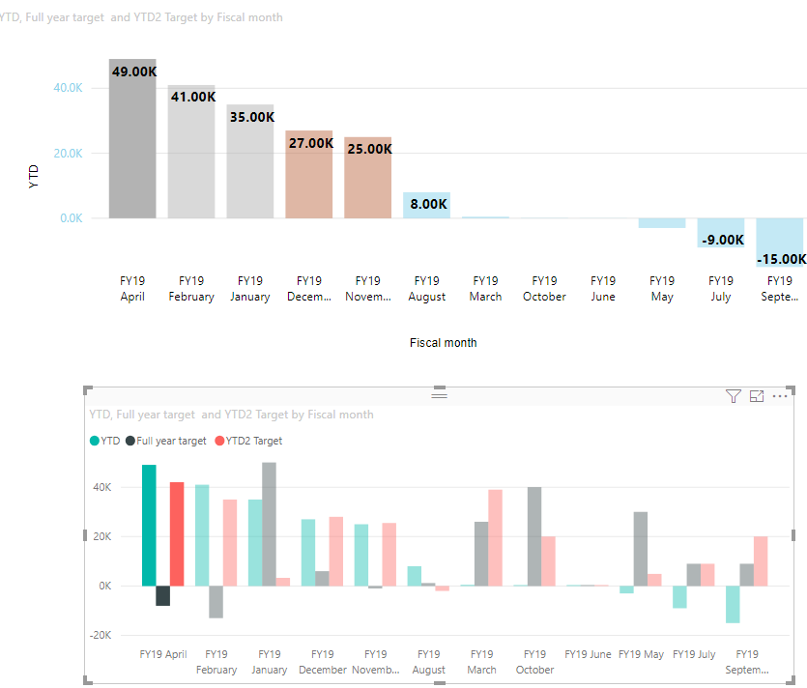
12 | Animation | Change/ Update visual to make animation appear | 1. Drag the window or make any other update | The columns make transition from the bottom on every update. | Pass | Pass | Pass | Pass
13 | Adding ToolTip | Add a tooltip for additional information on bars and individual target points(displayed only individual target). | Adding one or more column to the tooltip bag. | 1. The column values are displayed accordingly when mouse is hovered over it. 2. Adding Multiple similar columns in the bag gives on value in tooltip display: Expected Behaviour. 3. If the column added is same as the default tooltip value column, the values are repaeated when mouse if hovered on the columns. |  |  |  | 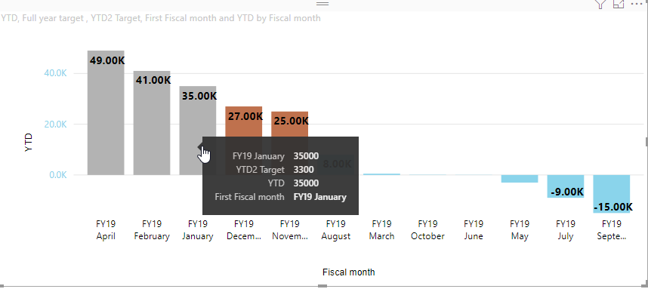
14 | Analytics Functions | Min, max, avg and median values appear on the chart | Turn on the toggle for one or analytics funciton in the format pane | Corresponding horizontal value lines are generated in the chart of max thickness 5 and of any color the user selects. |  |  |  | 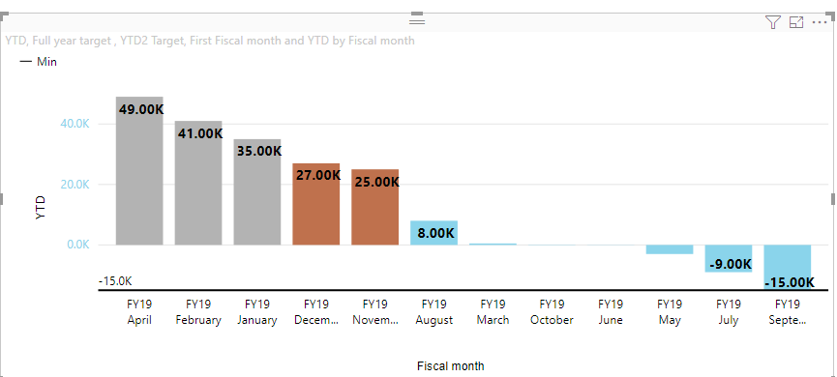
15 | Y-Axis Grid | Display column lengths as per min and max values specified | Max value of Y-axis start: 2500, can change to any other value manually | The length of columns are displayed accordingly. | 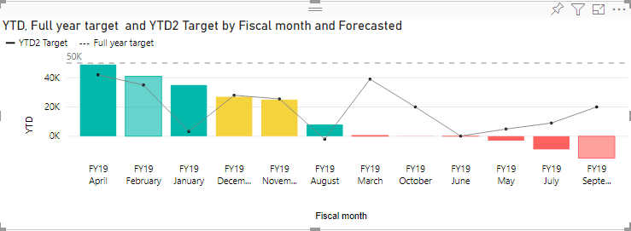 |  |  | 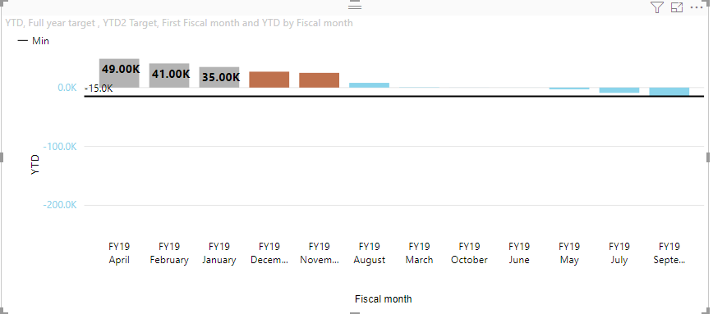
16 | Legend-Title | The legend text and type should increase and decrease accordingly | You can turn the legend title on/off through a toggle and set its size. | The browsers IE and Edge lag in increasing/decreasing values manually. On hovering over the legends when the title is turned off, we can see what they stand for.
17 | Individual Target line and dots | The size and color of the target line should change. | Turn the toggle on, and set the size to max value of 5 or a min value of 1. And set the color. | The thickness and color of the target line and dots changes. |  |  | 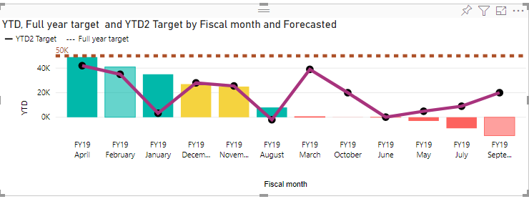 | 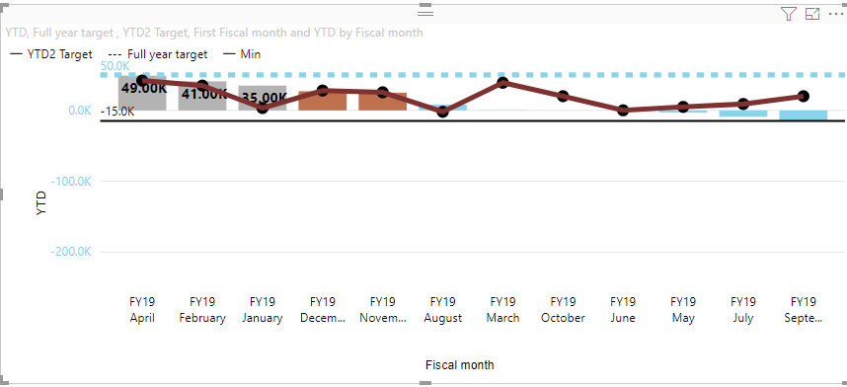
18 | Bookmarks | Created bookmarks with selection should retain the visual. | 1.Generate a chart with some data 2. Go to View and tick the Bookmarks Pane 3. Perform selections in chart, filter it if you want and save them in different bookmarks using 'update' 4. Click on the different bookmarks to see them | 1. Chart will be shown according to the data 2. The Bookmarks Pane will show up on the right side 3. According to selections, new bookmarks will be added in the Bookmarks Pane 4. Based on selections, bookmarks will render visual as saved previously | 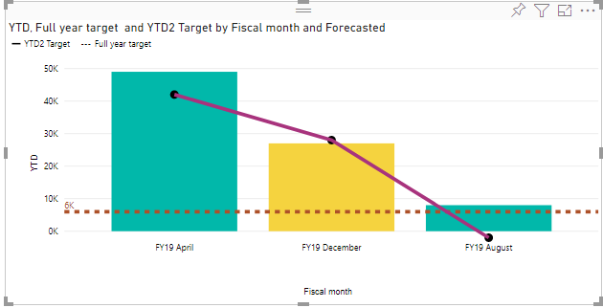 |  |  | 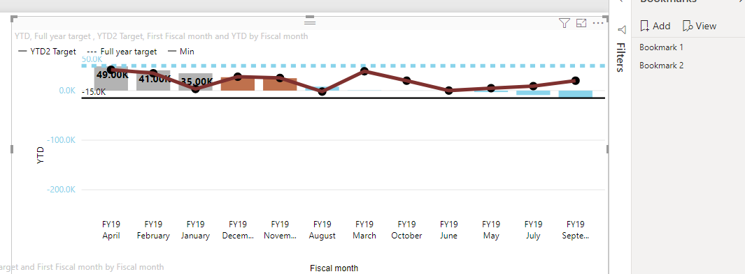
19 | Drillthrough | Created custom menu to drill through from one visual to another. | 1.Generate a chart with some data 2.Create new report page and in DrillThrough add the fields for drillthrough. 3. Right click on the chart, select the Drillthrough option from the menu. | 1. On right click of the chart and selecting the drillthrough option from the context-menu , the report will drillthrough to the newly created report page. | 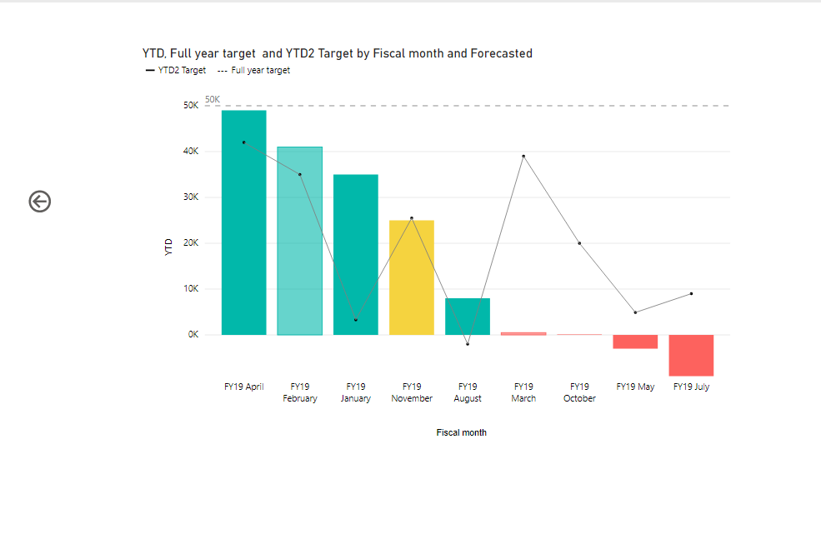 | 