BVTs
S no | Feature | BVT | Steps | Expected output | Chrome | IE | Edge | PBI Desktop
1 | Basic chart | Display basic chart | 1. Drag 'Region' column in 'Category Data' field 2. Drag 'Sales $' column in 'Measure Data' field | Visual should be rendered for Sales $ by Region | 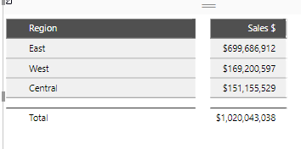 Pass: | 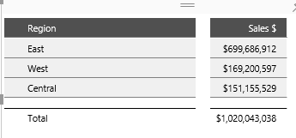 Pass | 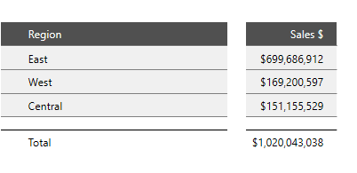 Pass | 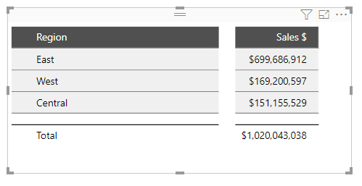 Pass
2 | Category Data | Display visual for multiple categories | 1. Drag 'State' and 'District' columns in 'Category Data' field | Visual should be rendered for including 'State' and 'District' columns | 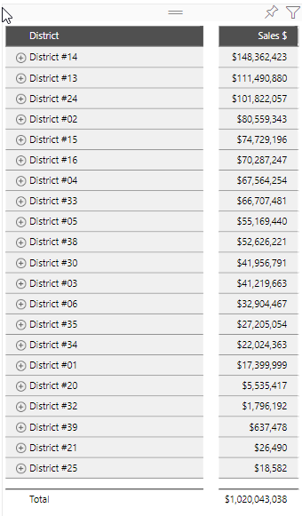 Pass: | 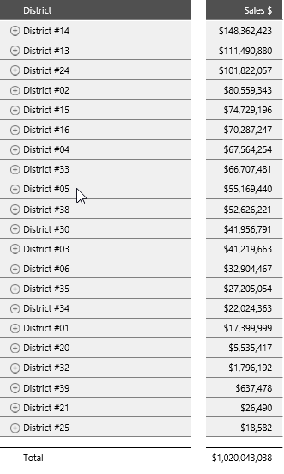 Pass | 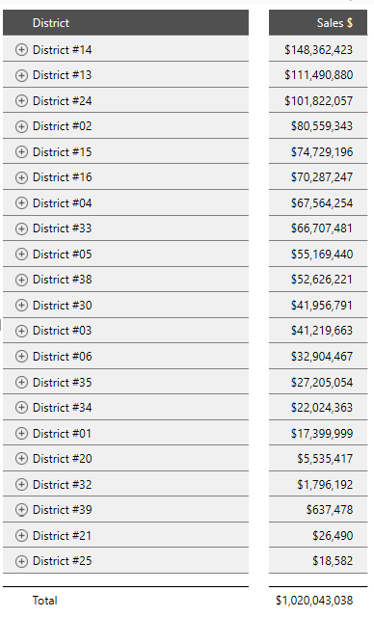 Pass | 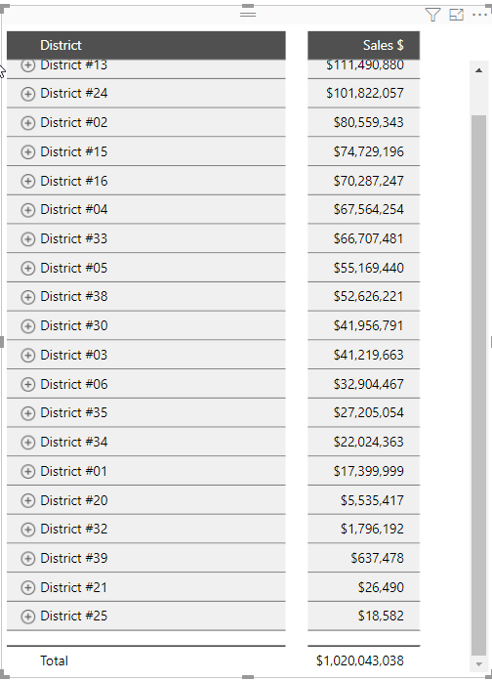 Pass
3 | Measure Data | Display visual for multiple measures | 1. Drag 'Total Units' and 'Total VanArsdel Units' columns in 'Measure Data' field | Visual should be rendered for including 'Total Units' and 'Total VanArsdel Units' columns | 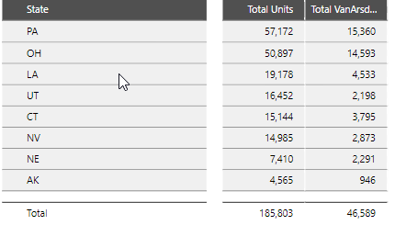 Pass: | 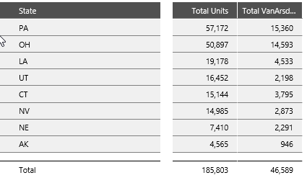 Pass | 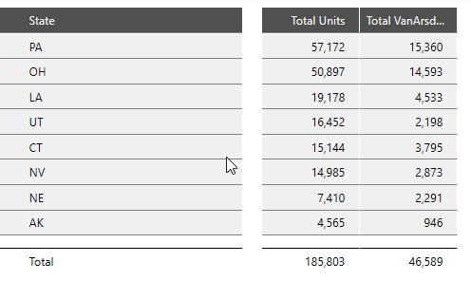 Pass | 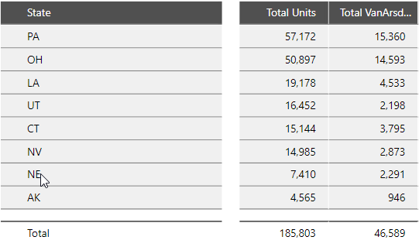 Pass
4 | Measure KPIs | Update visual to display KPIs | 1. Drag 'prev_Sales $' column in 'Measure KPIs field 2. Click sum in aggregate options 3. Go to formatting pane 4. Go to Prefix settings 5. Update Prefix text to 'prev_' | KPIs should be displayed in the 'Sales $' column | 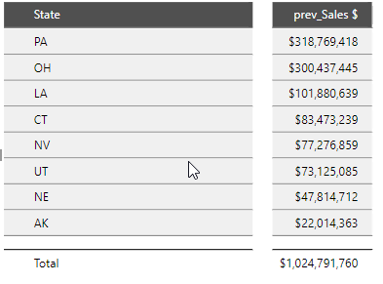 Pass: | 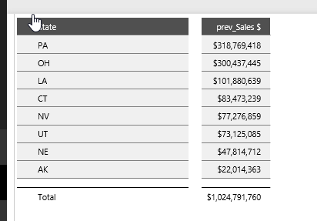 Pass | 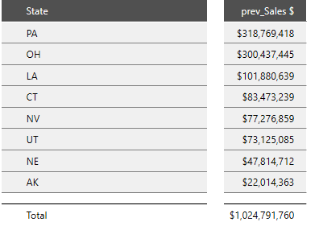 Pass | 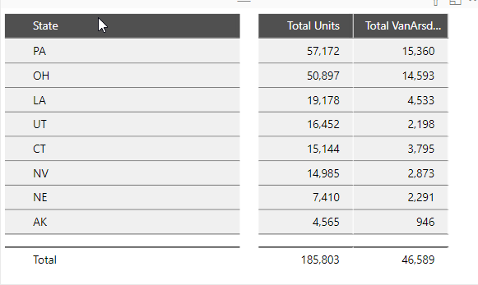 Pass
5 | Header settings | Update Header text color and Header background color | 1. Go to formatting pane 2. Go to Header settings 3. Update Header text color to 'Red' 4. Update Header background color to 'Yellow' | 1. Header text color should be updated to 'Red' 2. Header background color should be updated to 'Yellow' | 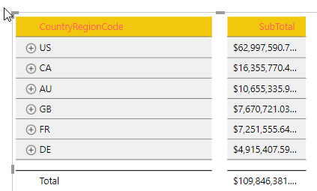 Pass: | 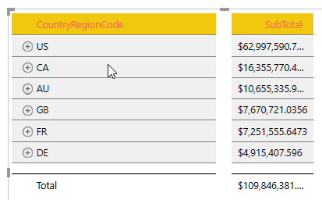 Pass: | 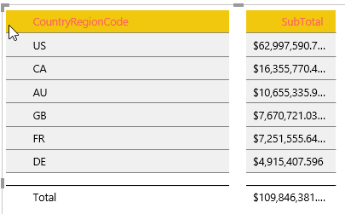 Pass: | 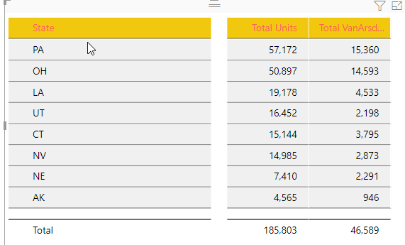 Pass:
 |  | Update Title size | 1. Go to formatting pane 2. Go to Header settings 3. Update Title size to 16 | Title size should be updated to 16 | 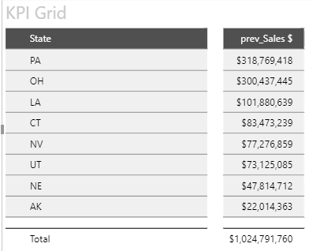 Pass: | 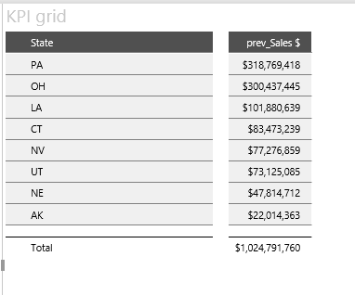 Pass | 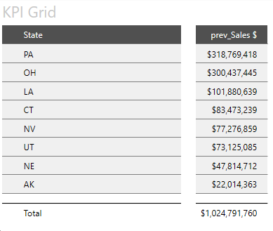 Pass | 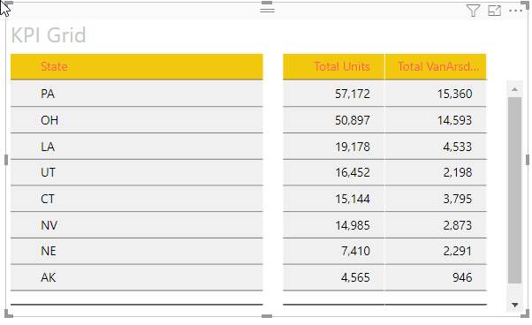 Pass
6 | Label settings | Update Label text color | 1. Go to formatting pane 2. Go to Label settings 3. Update Label text color to 'Red' | Label text color should be updated to 'Red' | 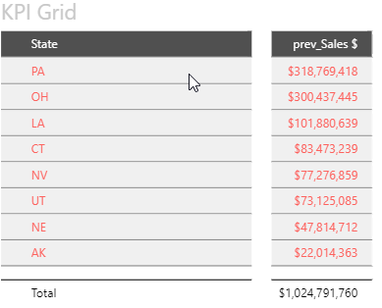 Pass: | 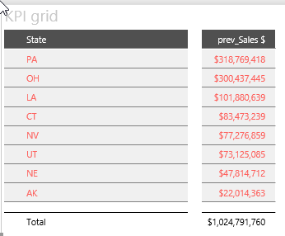 Pass | 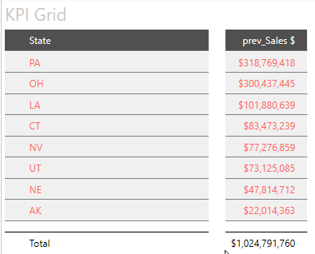 Pass | 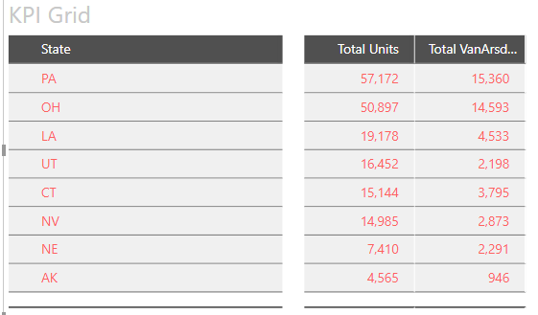 Pass
 |  | Update Label size | 1. Go to formatting pane 2. Go to Label settings 3. Update Label size to 16 | Label size should be updated to 16 | 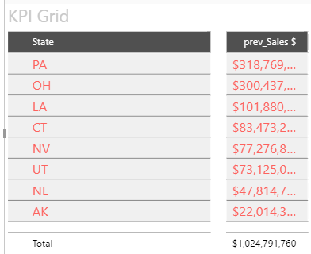 Pass: | 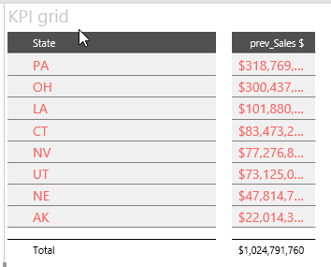 Pass | 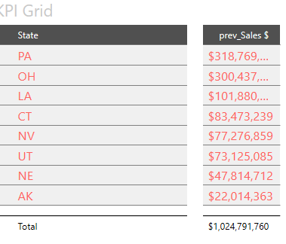 Pass | 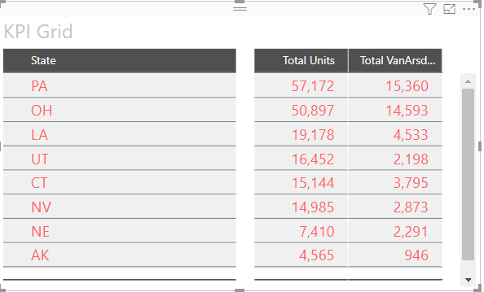 Pass
 |  | Update column gap | 1. Go to formatting pane 2. Go to Label settings 3. Update Column gap to 1 | Gap should created between Measure Data columns | 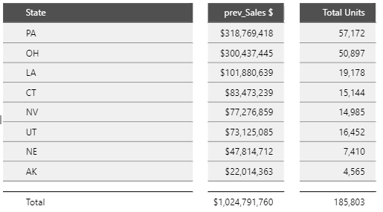 Pass: | 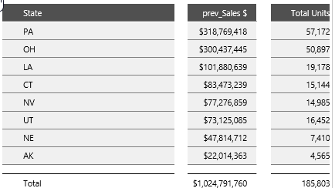 Pass | 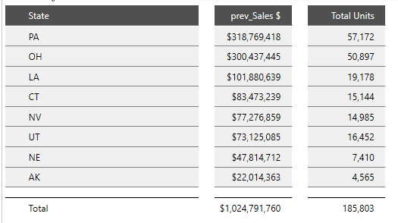 Pass | 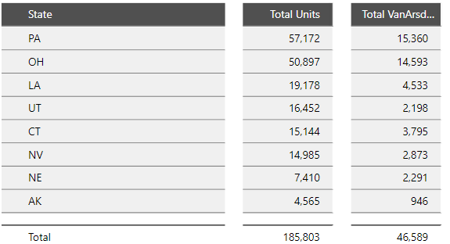 Pass
7 | Total settings | Update Total text label | 1. Go to formatting pane 2. Go to Total settings 3. Update Total text to 'Sum' | Total text label should be updated to 'Sum' | 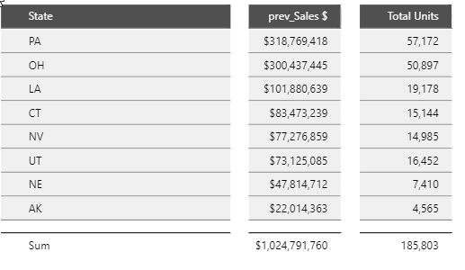 Pass: | 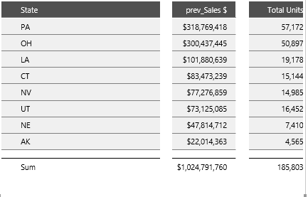 Pass | 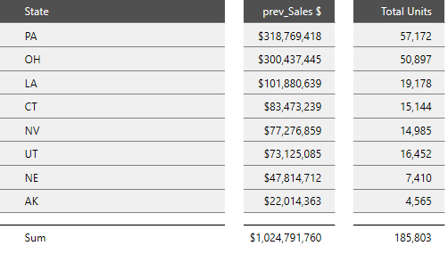 Pass | 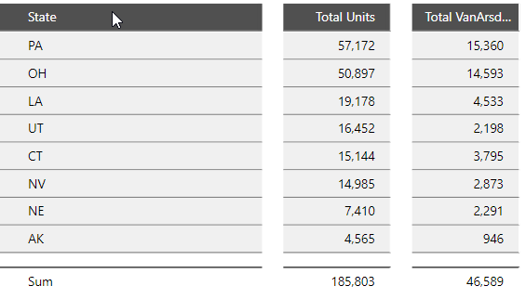 Pass
 |  | Update Total text color | 1. Go to formatting pane 2. Go to Total settings 3. Update Total text color to 'Red' | Total text color should be updated to 'Red' | 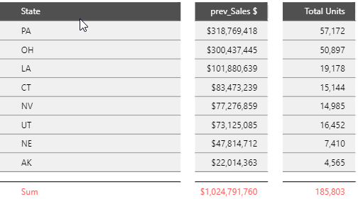 Pass: | 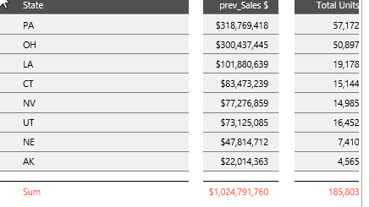 Pass | 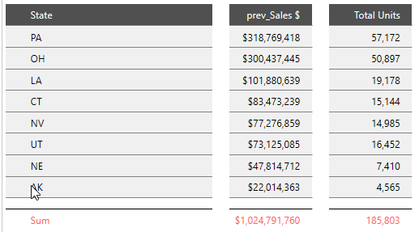 Pass | 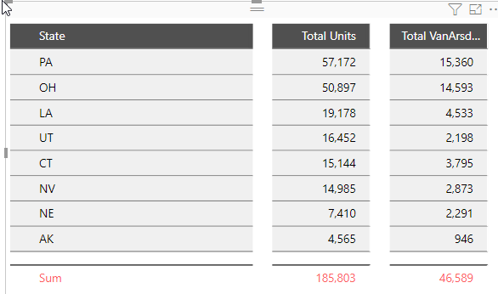 Pass
 |  | Update Total size | 1. Go to formatting pane 2. Go to Total settings 3. Update Total size to 16 | Total size should be updated to 16 | 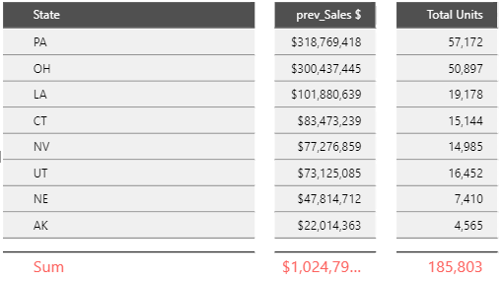 Pass: | 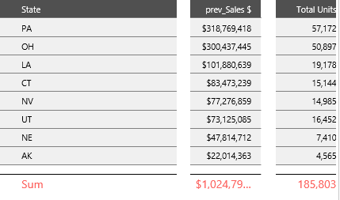 Pass | 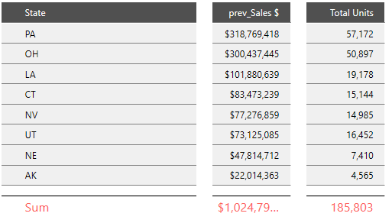 Pass | 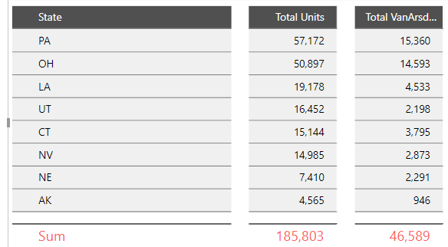 Pass
8 | Prefix settings | Update prefix text | 1. Go to formatting pane 2. Go to Prefix settings 3. Update Prefix text to prev_ | KPIs should be displayed in the columns for prev data is present in the Measure KPIs data field | 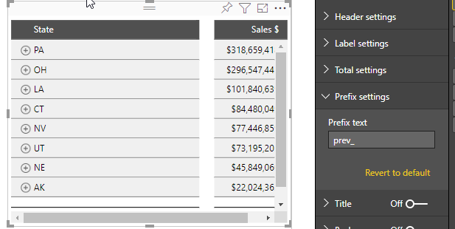 Pass: | 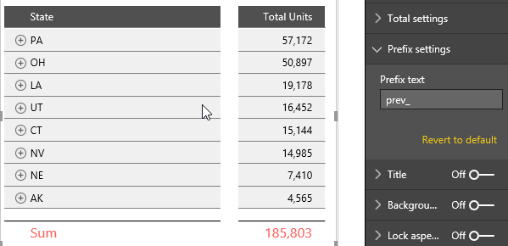 Pass |  Pass |  Pass
10 | Grid classification | Expand a row | 1. Go to first row in the visual 2. Click on the '+' icon to expand a row | First row should be expanded |  Pass: |  Pass |  Pass |  Pass
 |  | Collapse a row | 1. Go to first row in the visual 2. Click on the '-' icon to collapse a row | First row should be collapsed |  Pass: |  Pass |  Pass |  Pass

