BVT
S no | Feature | BVT | Steps | Expected output | PowerBi | Internet expl | chrome | edge
1 | Basic chart | Display basic Chart | 1. Drag 'Country', 'Region' in 'Axis' and 'Legend' field respectively 2. Drag 'Profit' in 'Value' field | A treemap with nodes specified in axis should be created. | 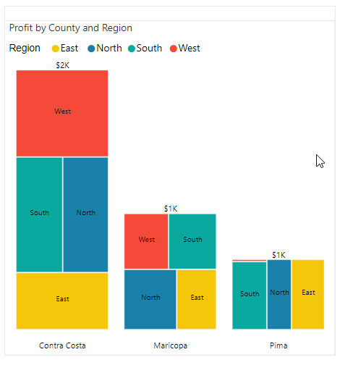 | 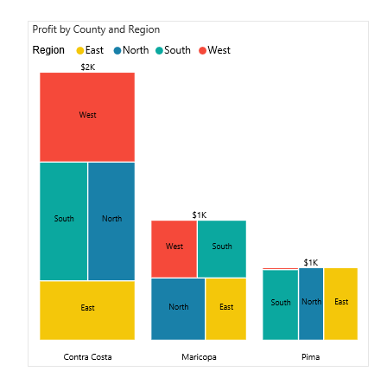 | 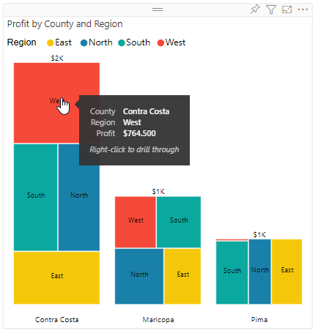 | 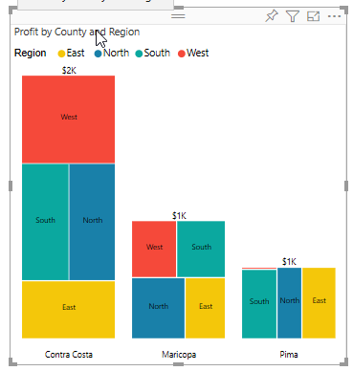
2 | Basic chart | Display sublevel chart | 1. Drag 'Country', 'Region', 'City' in 'Axis', 'Legend', and 'SubLegend' fields respectively. 2. Drag 'Profit' in 'Value' field | A treemap with specified nodes will be created. | 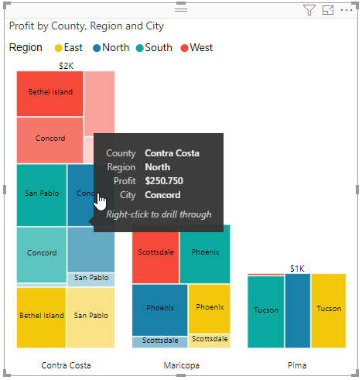 | 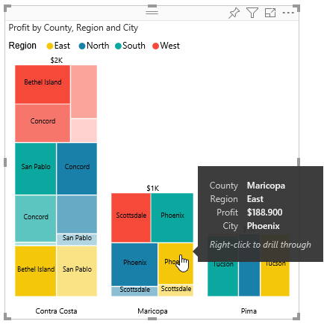 | 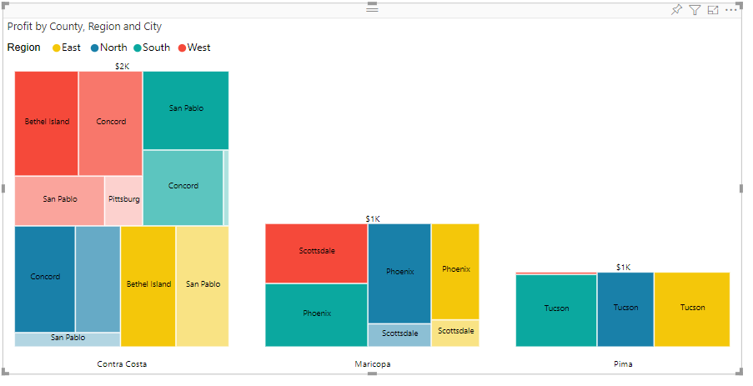 | 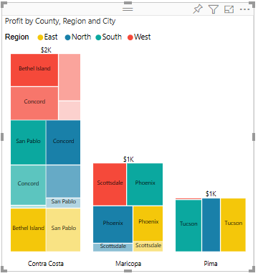
3 | Data Colors | Update data colors for Categories in Legend Field | 1. Drag 'Country', 'Region','City' in 'Axis', 'Legend', and 'SubLegend' fields respectively. 2. Drag 'Profit' in 'Value' field 3.Go to format pane and update the data colors for specified categories. | A treemap with updated data colors will be visible. | 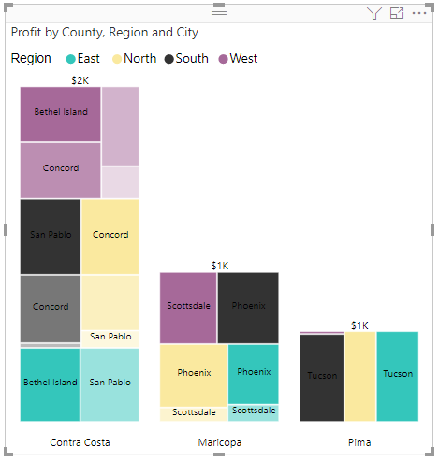 | 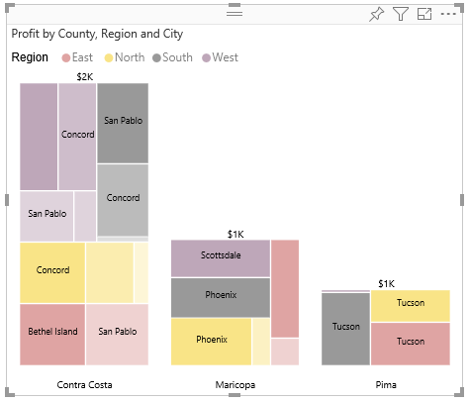 | 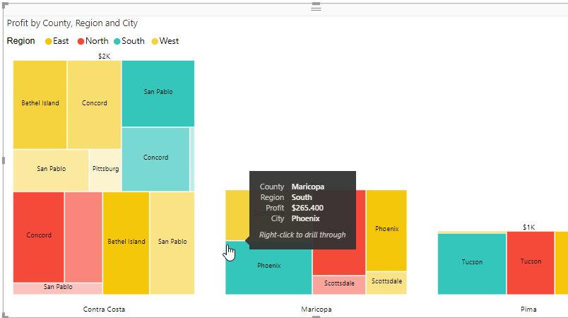 | 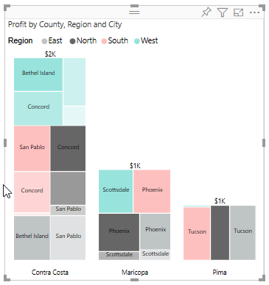
4 | Legend | Display Legend in treemap | 1. Go to formatting pane 2. Switch the Toggle of legend on- off | If Toggle is ON Legend is displayed. If Toggle is OFF Legend is not displayed. | YES | YES | YES | YES
5 | Legend Settings | Update the Legend position,text size,font color and Legend name | 1. Go to formatting pane 2. Go to 'Legend'. Update the position to 'Top-Centre' 3.Update the Text-size to 14 4.Update the Legend color to 'Red' | Display Legend with position at Top-Center , with text size 14 and font color as red. | 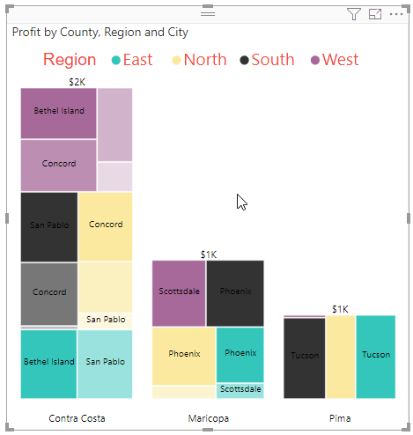 | 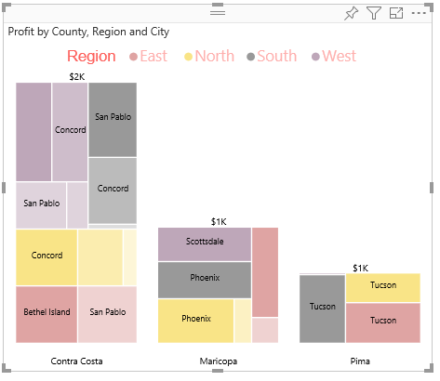 | 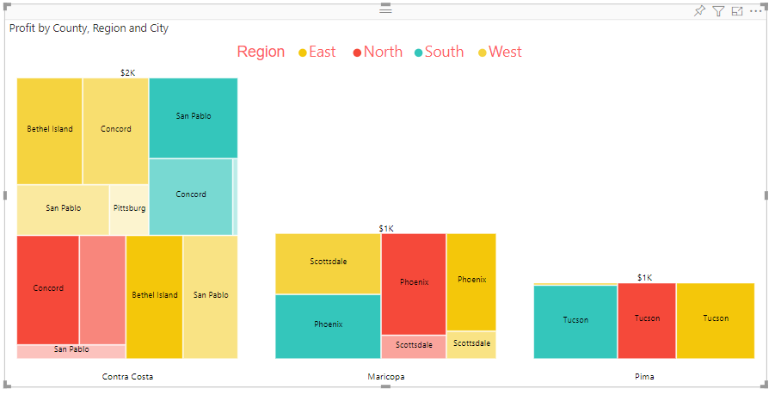 | 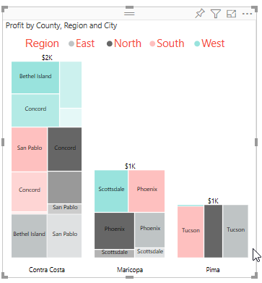
6 | Data Label Settings | Update Font color, Font size, Font family of labels | 1. Go to formatting pane 2. Go to 'Data Labels Settings' option 3. Update 'Color' to 'red' 4. Update 'Font size' to '14' 5. Update 'Font family' to 'Arial Black' | 1. 'Font color' will be set to 'red' 2. 'Font family' will be set to 'Arial Black' 3. 'Text size' will be set to '14' | 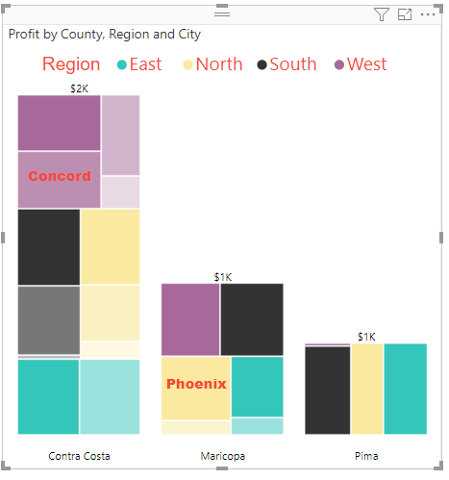 |  | 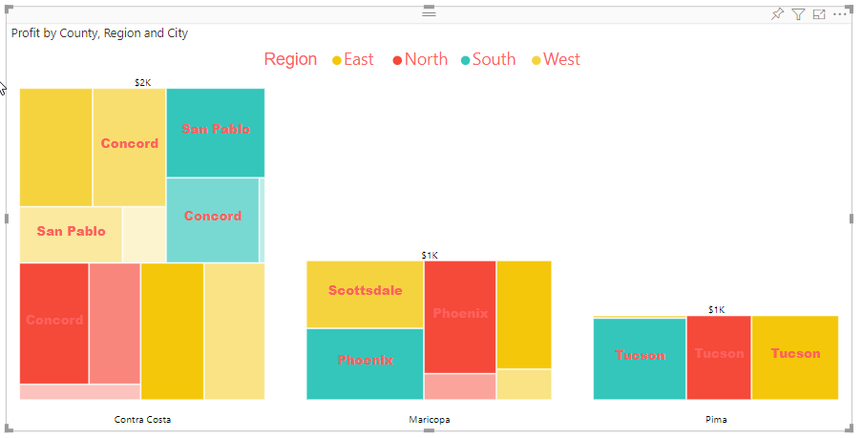 | 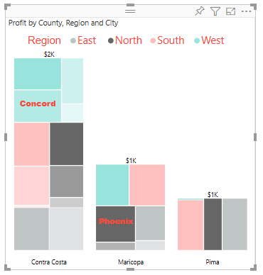
7 | Xaxis Label Settings | Update Font color, Font size ,Font family of X-axis labels | 1. Go to formatting pane 2.Go to 'X-axis Labels Settings' option 3. Update 'Font size' to '12' 4. Update 'Color' to 'red' 5. Update 'Font family' to 'Arial Black' | 1. 'Font color' will be set to 'red' of X-axis Labels 2. 'Text size' will be set to '12' of X-axis Labels 3. 'Font family' will be set to 'Arial Black' of X-axis Labels | 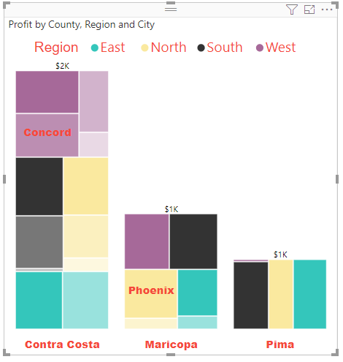 | 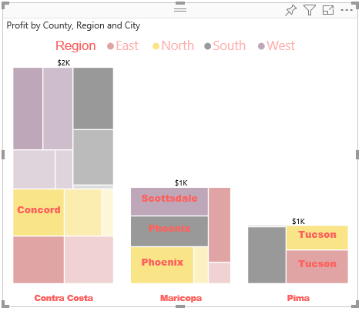 | 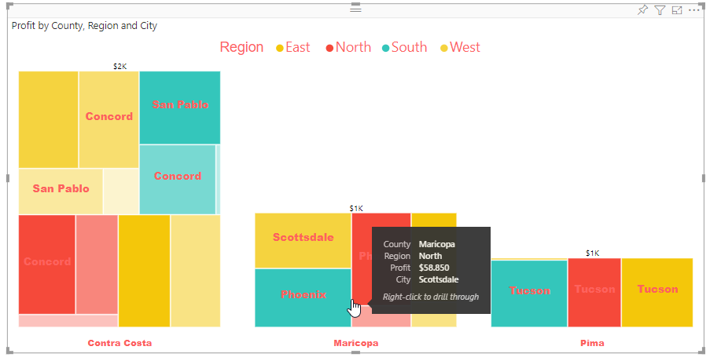 | 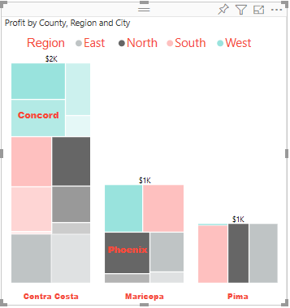
8 | Total Label Settings | Update Font color, Font size ,Font family of Total Labels | 1. Go to formatting pane 2.Go to 'X-axis Labels Settings' option 3. Update 'Font size' to '12' 4. Update 'Color' to 'red' 5. Update 'Font family' to 'Arial Black' | 1. 'Font color' will be set to 'red' of Total Labels 2. 'Text size' will be set to '12' of Total Labels 3. 'Font family' will be set to 'Arial Black' of Total Labels
9 | Border Settings | Update border stroke color,width and opacity | 1. Go to formatting pane 2. Go to 'Border Settings' option 3. Update 'Color' to 'red' 4. Update 'Stroke width' to '3' 5.Update 'Opacity ' to 0.7 | 1. 'Color' will be set to 'red' 2. 'Stroke Width' will be set to 3 3.'Opacity' will be set to 0.7 | 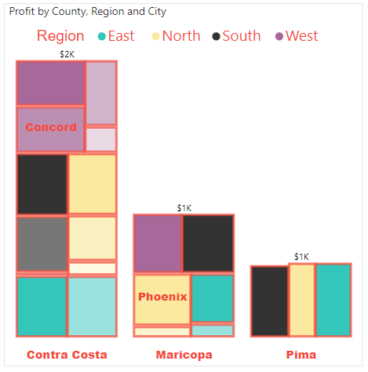 | 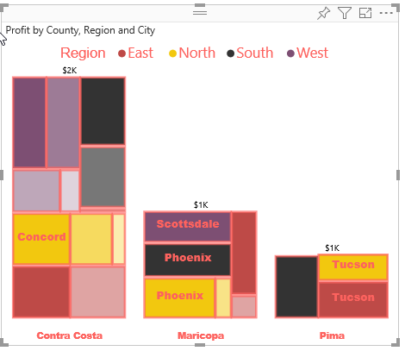 | 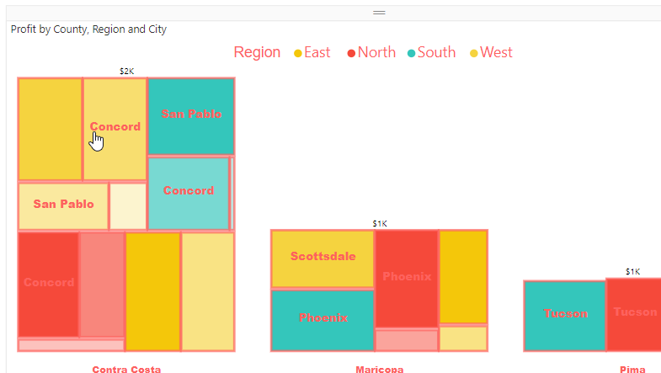 | 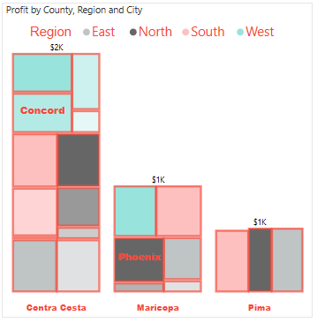
10 | Report Tooltip | Update the Report Tooltip | 1. Go to Tooltip page 2.Update the tooltip visual as desired.Change the tooltip visual to Pie-Chart 3. Go to Report Tooltip page. 4.Hover on any brick in treemap. | 1. Report Tooltip is shown on the brick. | 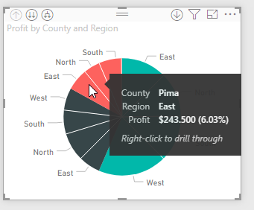 | 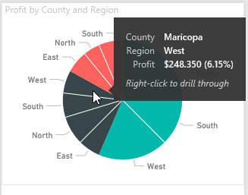 | 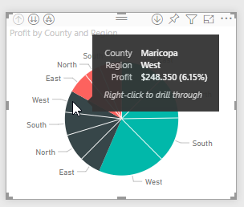 | 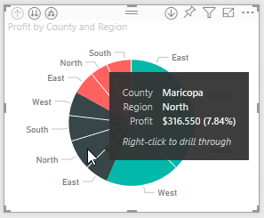
11 | Cross Filtering | Filters the data | 1. Click on any brick in Tree Map 2. Click on legend 3. Click on Xaxis Labels | 1.Cross Filtering should take place on click. | YES | YES | YES | YES
12 | Animation (Zoom In) | Zoom in | 1. Click on any brick in Tree Map | 1. When clicked the brick gets expanded . The parent node gets expanded. | 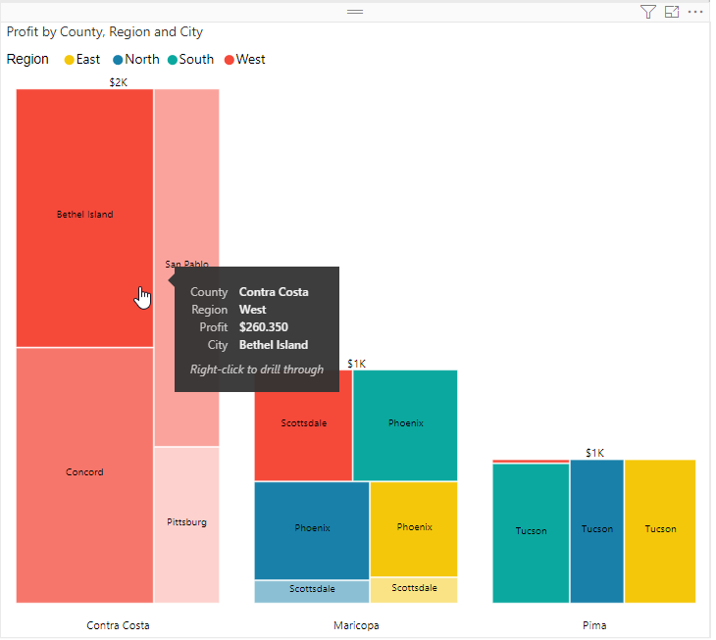 | 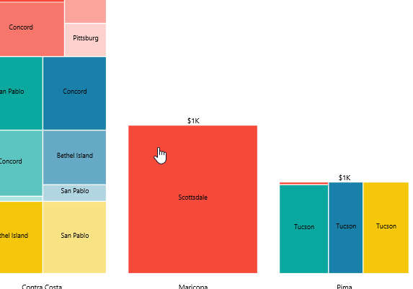 | 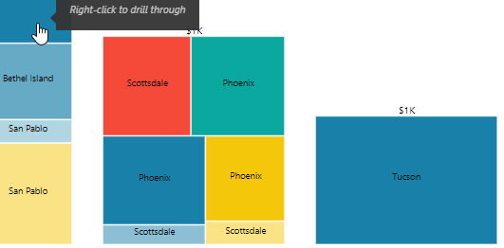 | 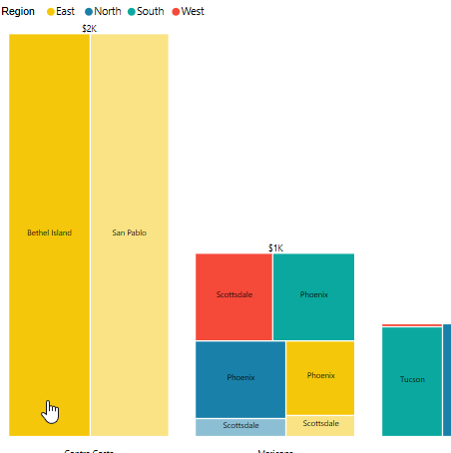
13 | Animation (Zoom Out) | Zoom Out | 1. Click on the root Div | 1. When clicked the brick gets collapsed. | YES | YES | YES | YES
14 | Brick Size | Verification of Height | 1. Create two instance of Tree Map 2. Change the Legend Position , one with 'Top' and another 'Bottom' Position. | 1. The height and width of each brick if we change the legend position. | Same | Same | Same | Same
15 | Chart as Report Tooltip | Update the Report Tooltip | 1. Go to Tooltip page 2.Update the tooltip visual as treemap visual. 3. Go to Report Tooltip page , create any visual on page. 4.Hover on any bar of the visual created. | 1. TreeMap as Report Tooltip is shown on the visual. | 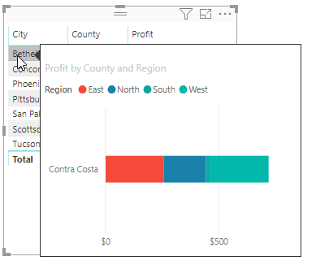 | 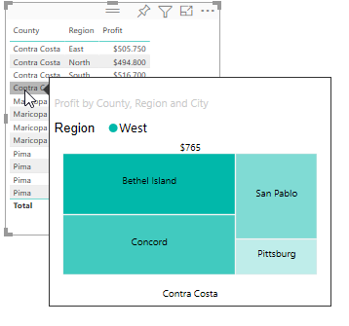 | 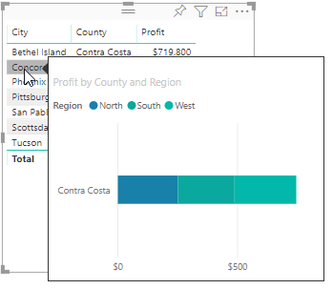 | 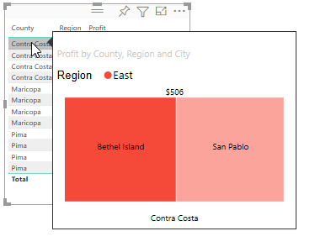
16 | Gradient Effect | Different shades of color | 1. Drag 'Country', 'Region','City' in 'Axis','Legend',and 'SubLegend' fields respectively. 2. Drag 'Profit' in 'Value' field 3.Go to format pane and update the data colors for specified categories. | 1. A treemap with updated data colors will be visible. 2. The brick having low profit and high profit value have 0.1 and 1 opacity of the specified colors respectively. 3. Different shades of color would be applied to brick based on legend value. | 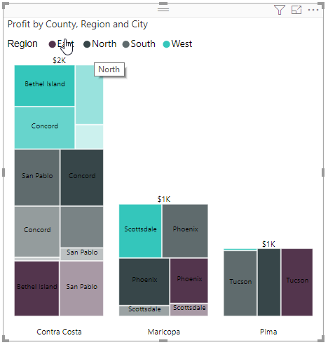 | 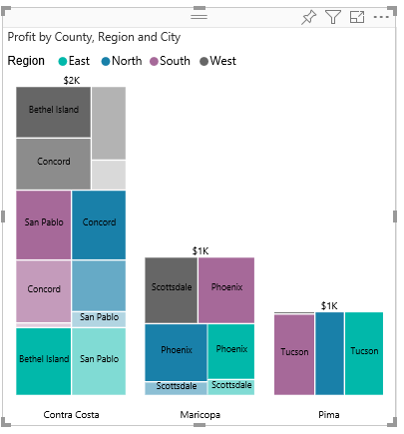 | 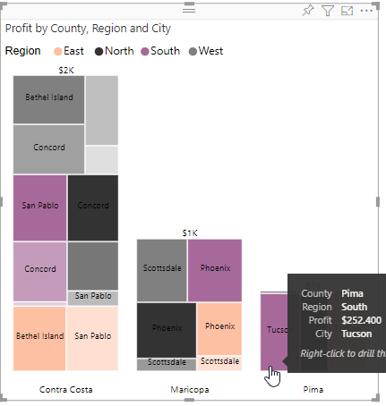 | 