BVTs
Feature | BVT | Steps | Expected output | Validation Screenshots
 |  |  |  | Desktop | Edge | chrome | Internet Explorer
Basic Calendar Visual | Display basic visual | 1. Add 'Date' in 'Start Date' Data bag 2. Add 'Events' in Events databag | Calander Visual with date and event is rendered | 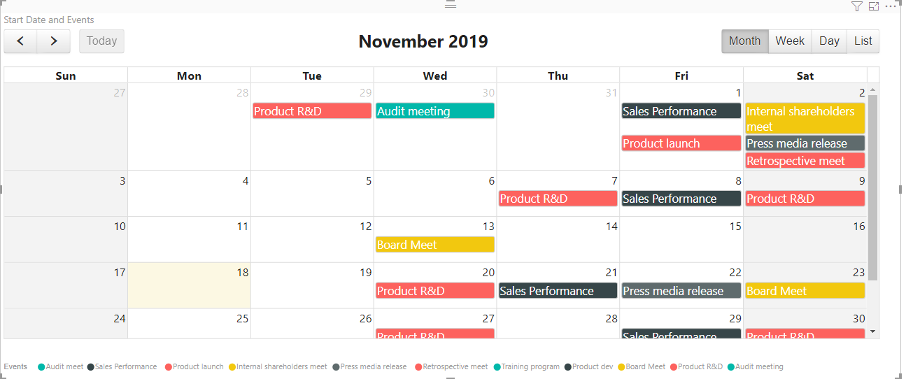 | 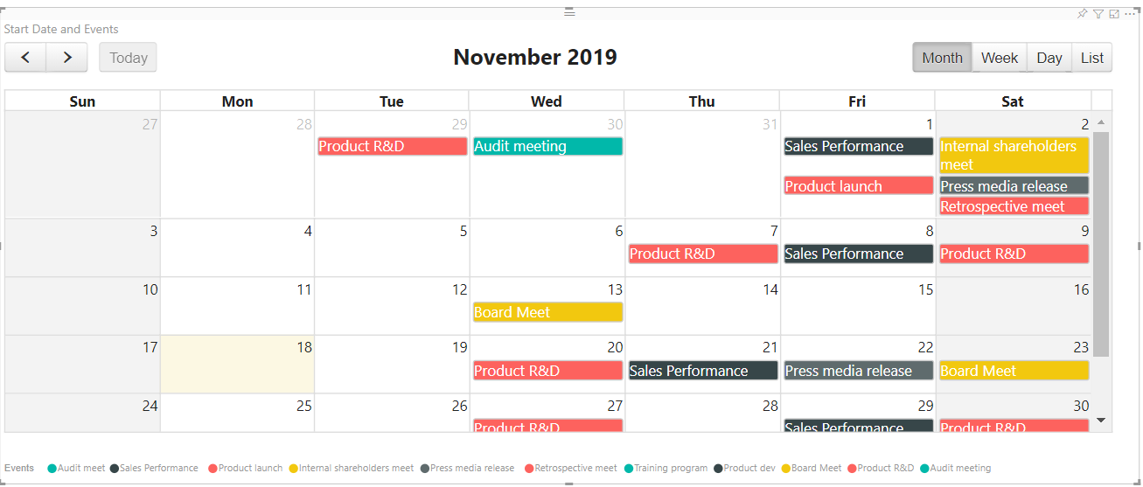
 | Basic Error Display | 1. Add 'Date' in 'Start Date' Data bag | The message 'Start Date and Events are required fields' is displayed on screen
 |  |  |  | 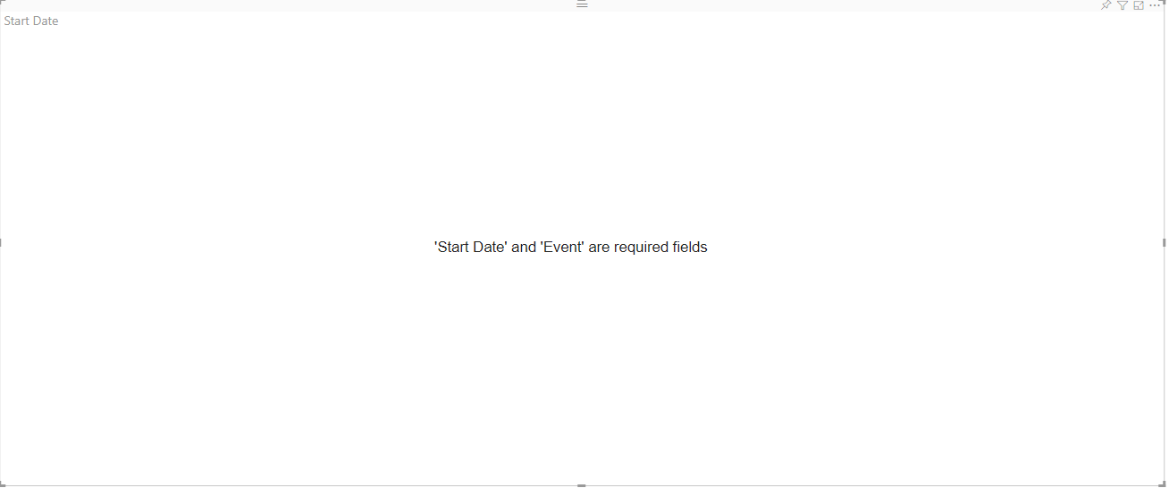
 | Display visual with data entered in tool tip data bag | 1. Add any data in tooltip databag | When user hovers the mouse over events, appropriate event name and data dragged in the tool tip databag is displayed in tool tip | 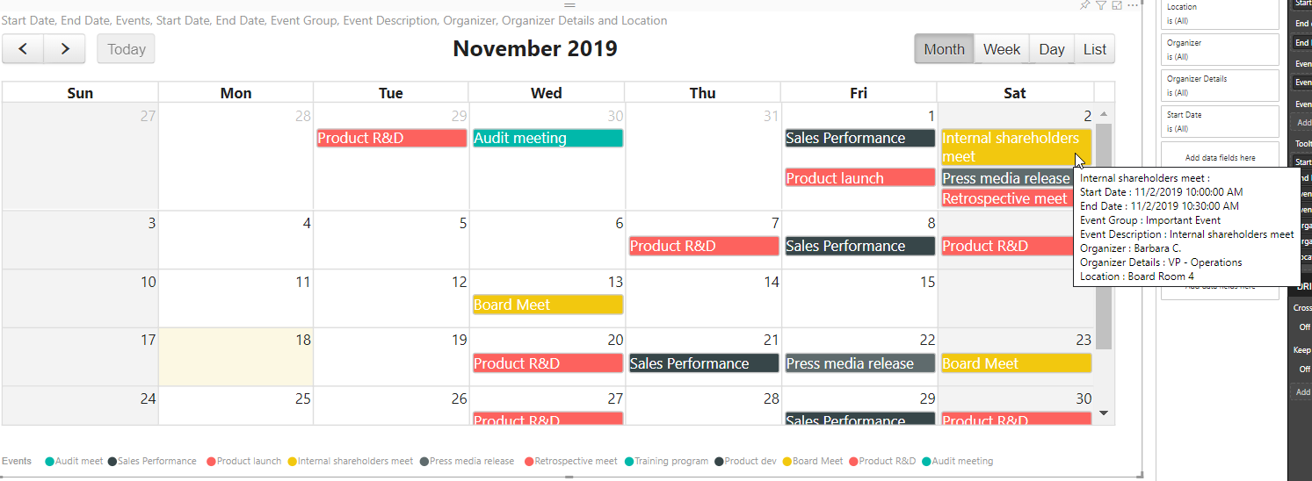 | 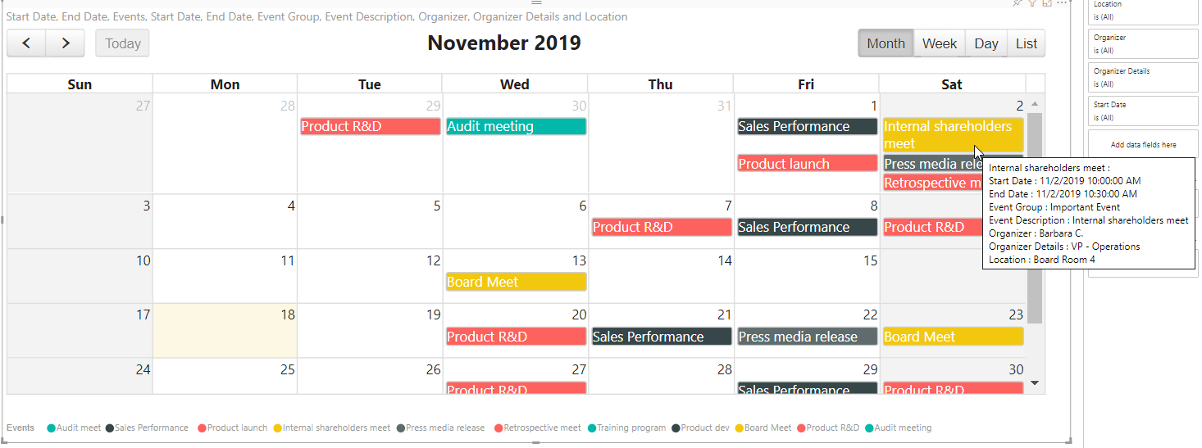

Render Calendar | Render Calendar based on start date and end date | 1. Add 'Start Date' in 'Start Date' Data bag 2. Add 'Events' in Events databag 3. Add 'End Date' in 'End Date' databag | 1. The events are rendered based on time in the start date to time in the end date. 2. If the end date time is not specified or Null, default time slot given for an event is 2 hours in the 'week view' and 'day view'. 3. If start date time is same as end date time, in the 'list view' only start date is shown 4. If start date time is same as end date time, in the 'week view' and the 'day view', default time slot is given to the event which is 2 hours. | 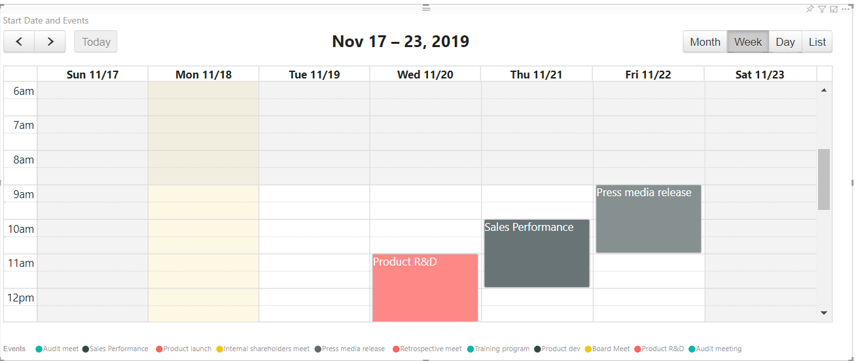

Legends | Toggle Legends ON | 1. Click on Format Pane 2. Toggle Legends 'ON' | Legends is displayed on top of the screen | 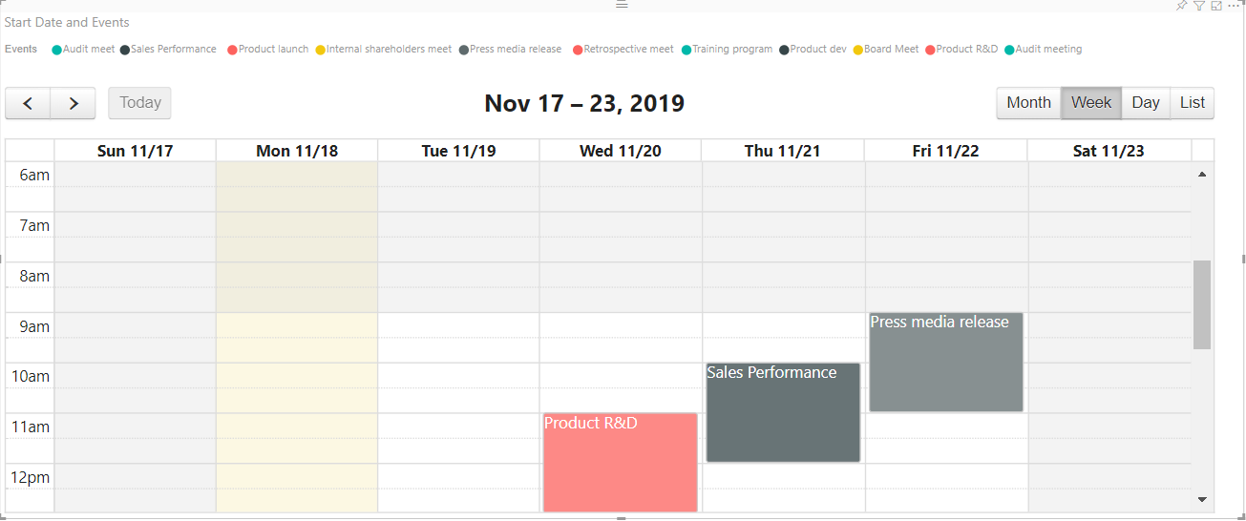
 | Toggle Legends OFF | 1. Click on Format options 2. Toggle Legends 'OFF' | Legends dosnot show on the visual | 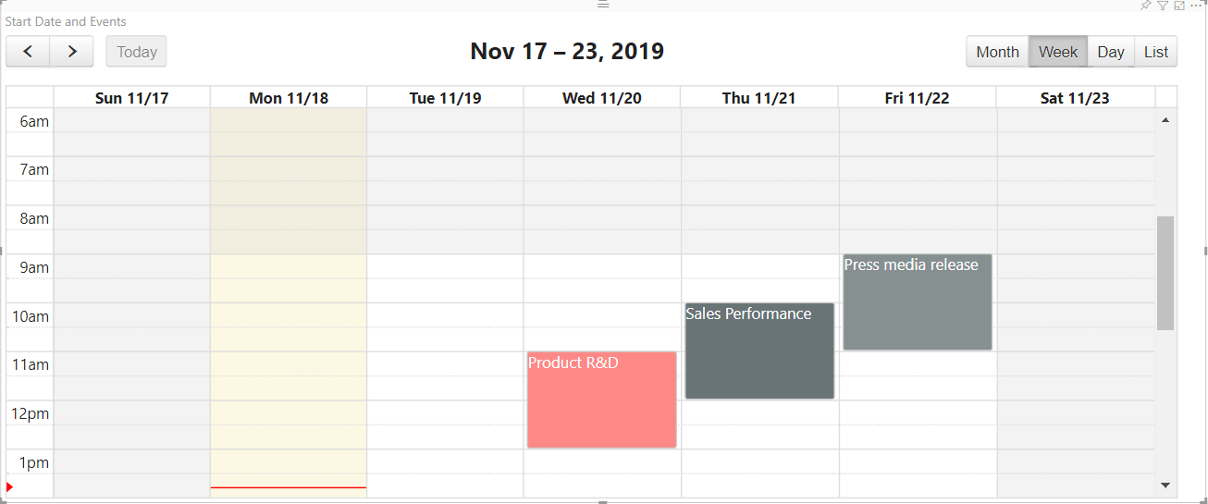
 | Check whether position of the legend is working | 1. Go to formatting pane 2. Go to 'Legend' settings 3. Change the position to 'Bottom' | Position of Legend should be changed to Bottom
 | Check whether legend color and font size are working | 1. Go to Formatting pane 2. Go to 'Legend' settings 3. Update Color to 'Green' 4. Update font size to '16' | Color of legend items should be changed to 'blue' and font size should be changed to '16' | 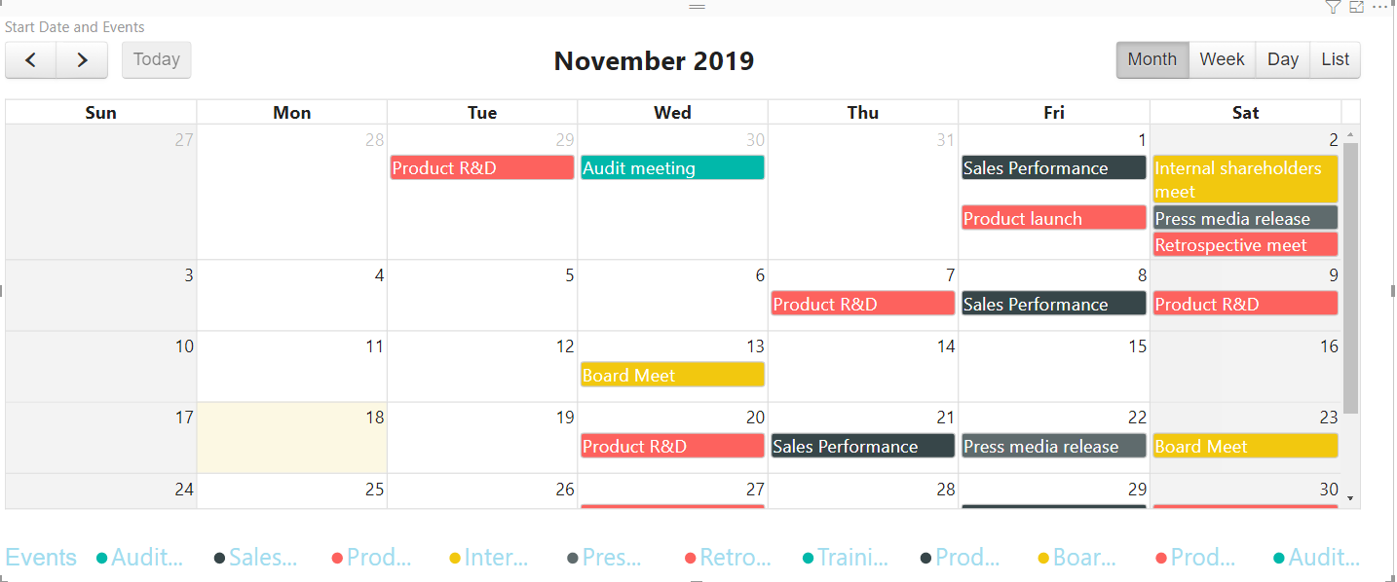 | 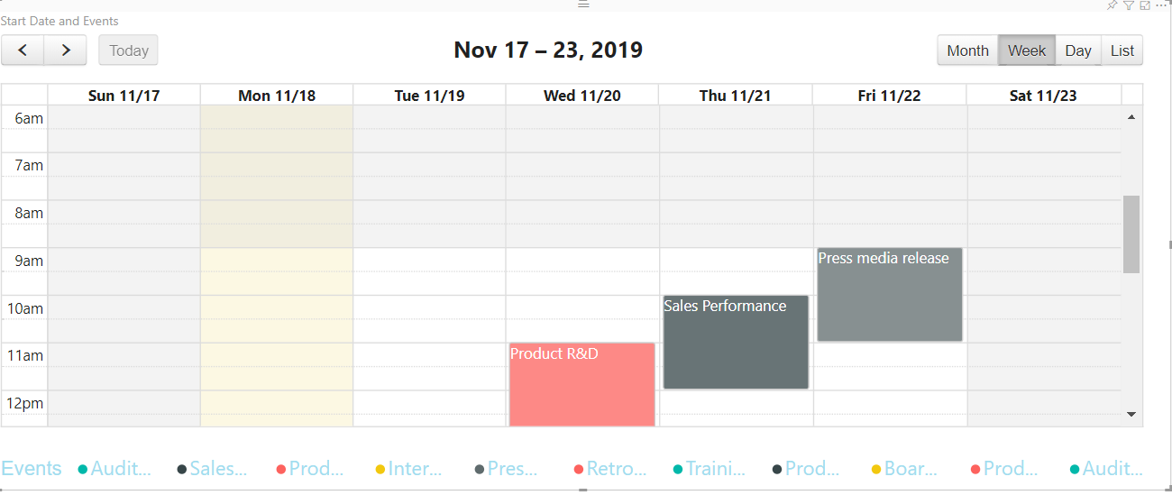
 | Check Legends rendered based on 'Event Group' | 1. Drag 'Event Groups' data into Event Groups Databag | The Legends should be rendered based on event group. The respective events and legends must have appropriate colors | 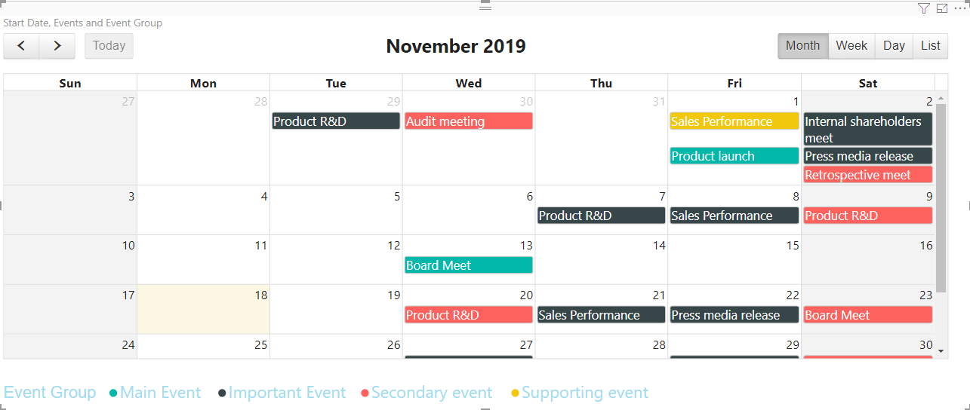 | 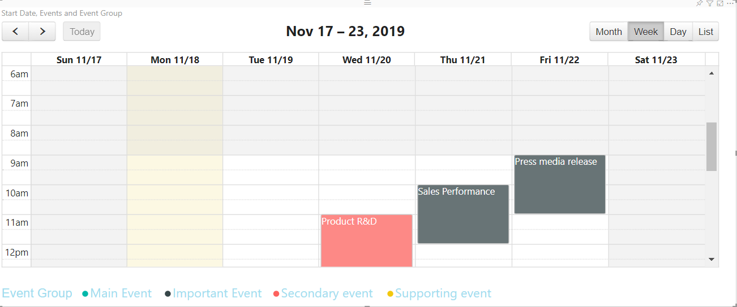

Data colors | Check whether Data colors are applied for events and legends | 1. Go to formatting pane 2. Go to 'Data colors' settings 3. Update the color of first event to 'Blue' | The color of the event on calander and legend should be updated to 'blue' color | 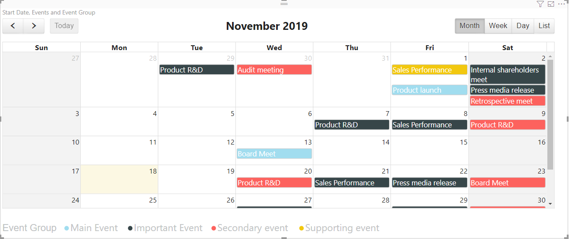 | 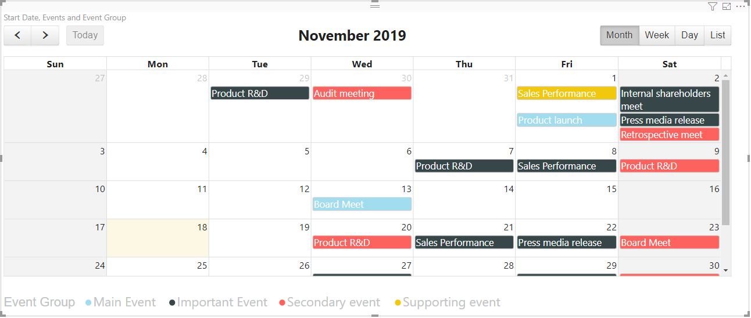

Events | Check Event Font color | 1. Click on Format Pane 2. Click on Events tab 3. Click on 'Font color' 4. Select 'Green' color | The font color of event should change to Green |  | 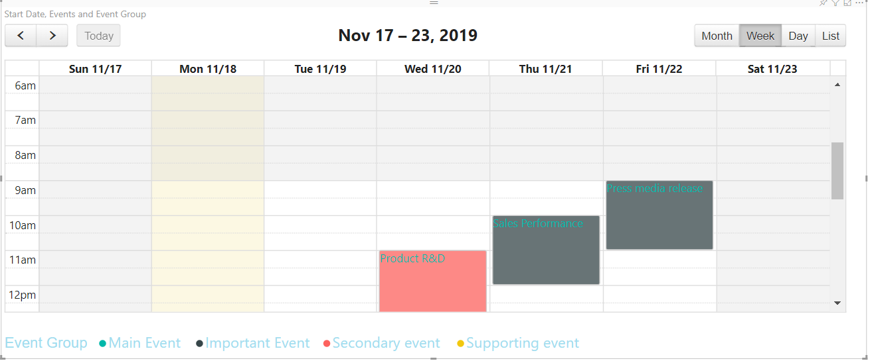
 | Check Event Border Color | 1. Click on Format Pane 2. Click on Events tab 3. Click on 'Border color' 4. Select 'Blue' color | The color of border of event changes to Blue | 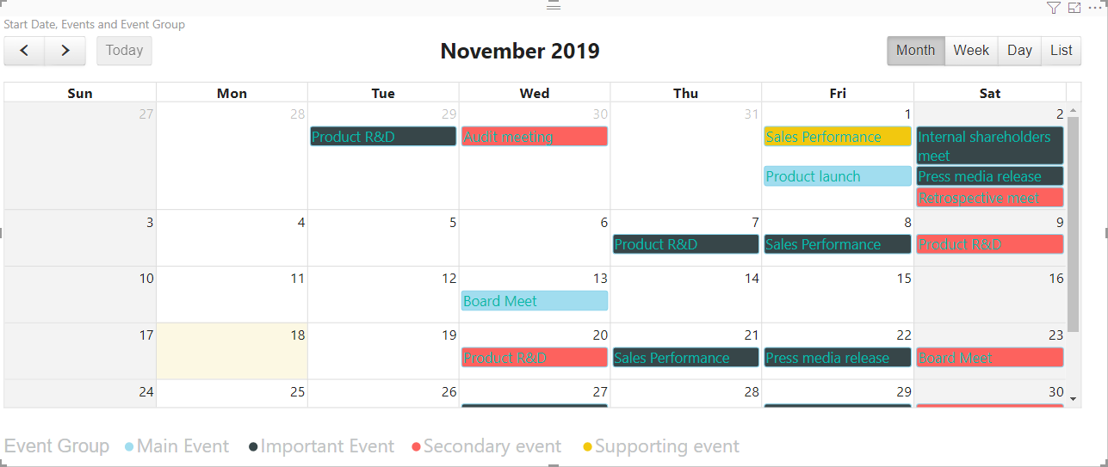 | 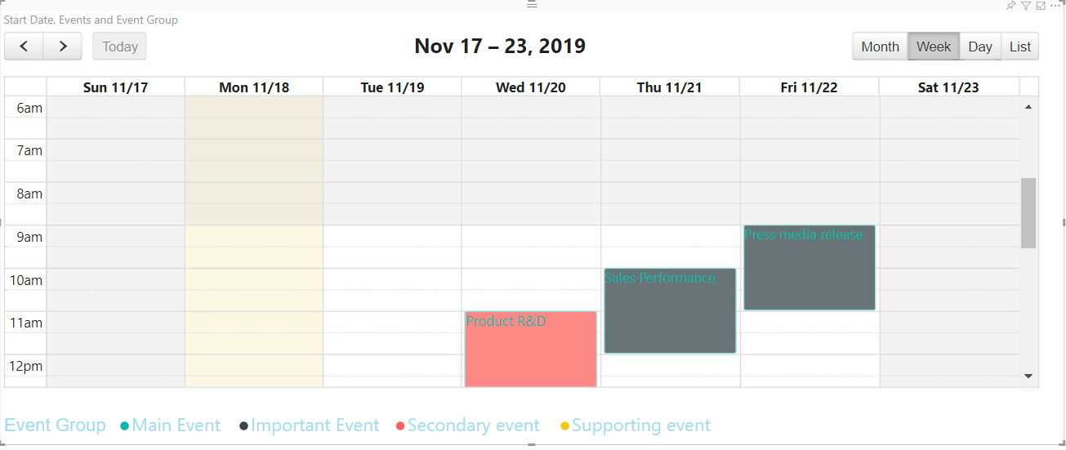

Buttons | Show Week Button | 1. Click on Format Pane 2. Click on Events tab 3. Toggle 'Week' Button | The 'Week' button should be displayed on the top right side above the table
 | Show Day Button | 1. Click on Format Pane 2. Click on Events tab 3. Toggle 'Day' Button | The 'Day' button should be displayed on the top right side above the table
 | Show List Button | 1. Click on Format Pane 2. Click on Events tab 3. Toggle 'List' Button | The 'List' button should be displayed on the top right side above the table

 | Check Month Navigation | 1. Click on 'Month' Button 2. Click on '<' or '>' | The Next or Previous 'Month' should be displayed
Navigate through Month, Week, Day | Change months using the <> keys | 1. Click on 'Month' Button 2.Click '<' or '>' several times a bit faster | The Next or Previous 'Month' should be displayed and the visual shouldn't get stuck in an infinite loop for those months | 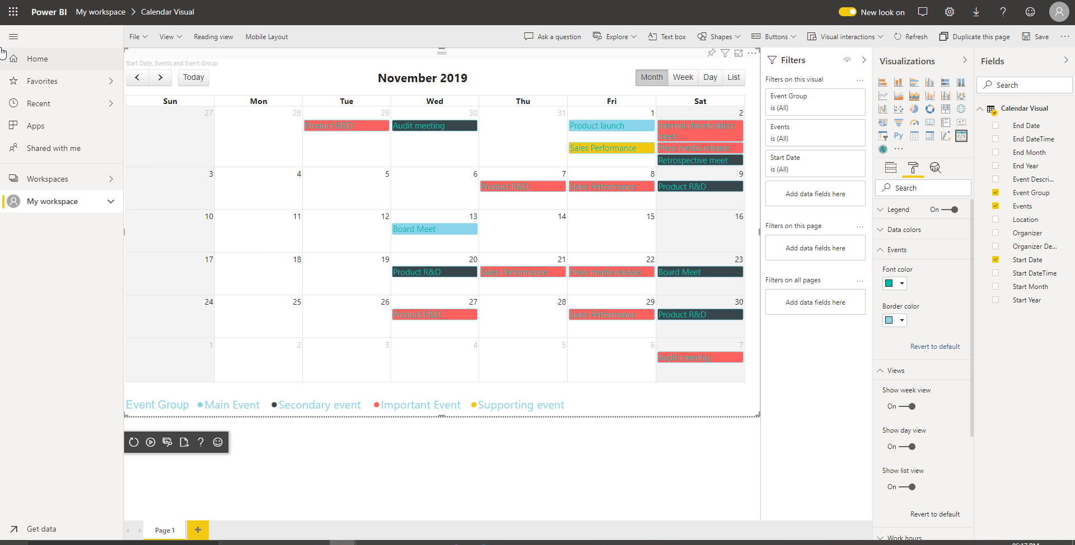 | pass | Pass | Pass
 | Check Week Navigation | 1. Click on 'Week' Button 2. Click on '<' or '>' | The Next or Previous week days should be displayed | 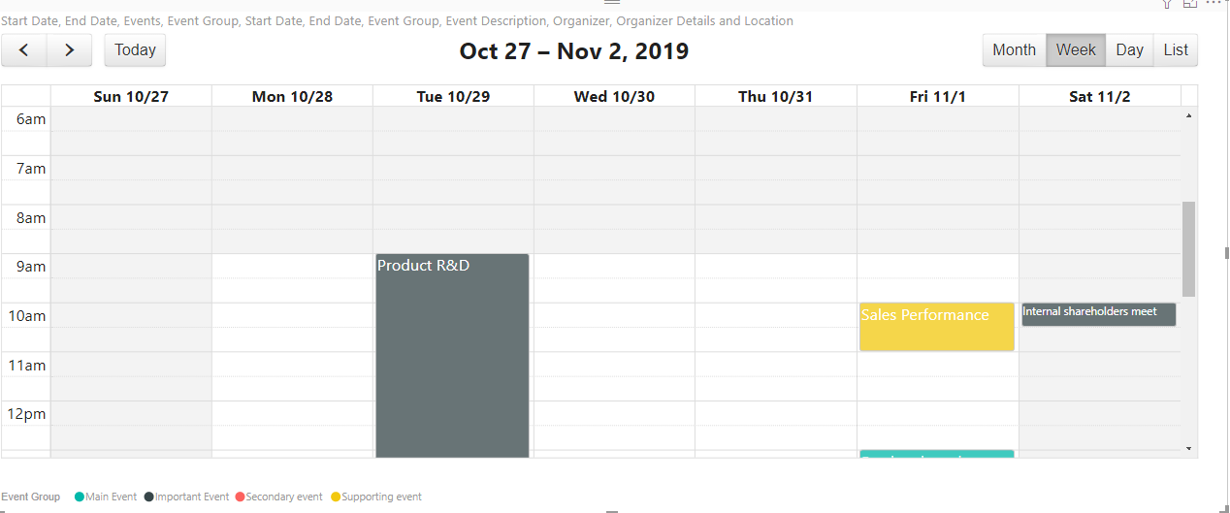 | pass | Pass | Pass
 | Check Day Navigation | 1. Click on 'Day' Button 2. Click on '<' or '>' | The Next or Previous day events should be displayed | 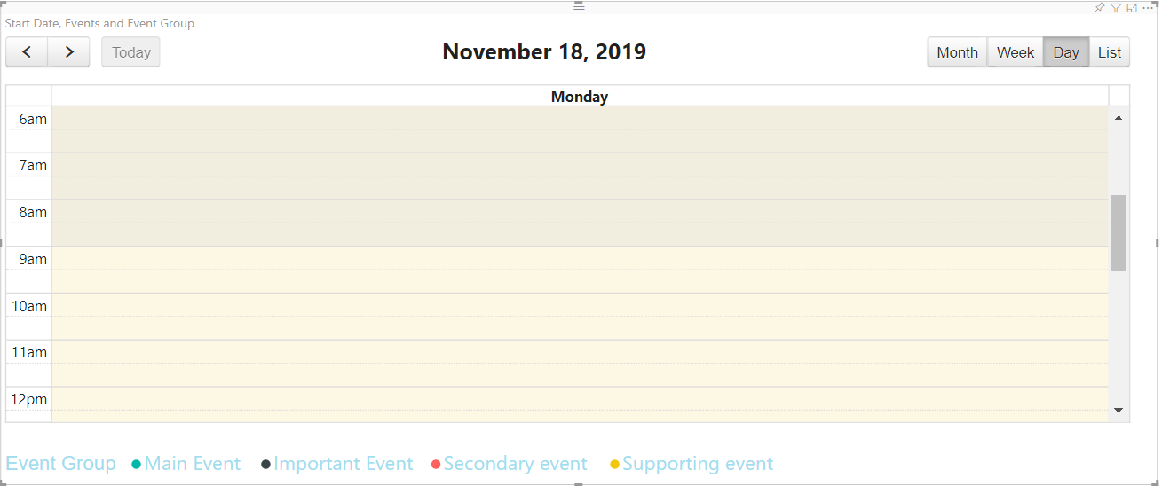 | Pass | Pass | Pass
 | Check List Navigation | 1. Click on 'List' Button 2. Click on '<' or '>' | The Next or Previous list of events for the month should be displayed | 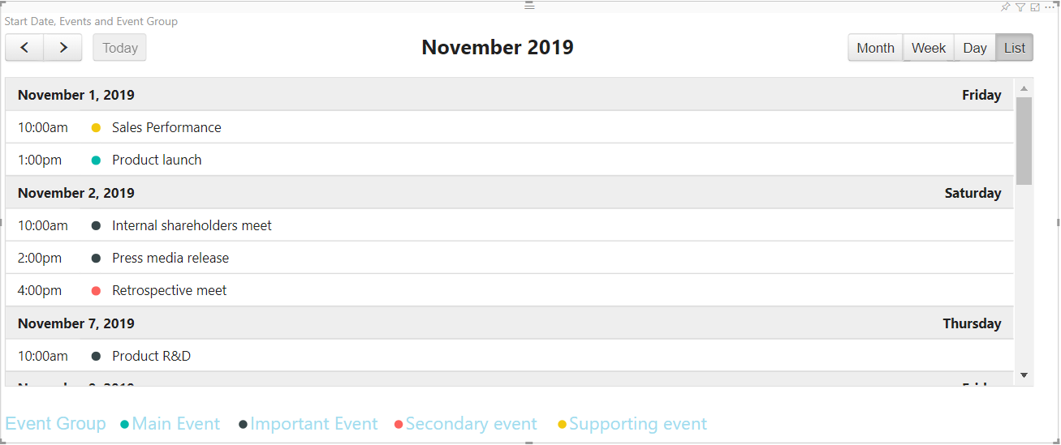 | Pass | Pass | Pass

Today Button | Click on 'Today' Button | 1. Click on '<' or '>' to navigate away from current month/week/day/ list 2. Click on 'Today' button | The appropriate month/week/day/ list as per current date should be shown in the visual | 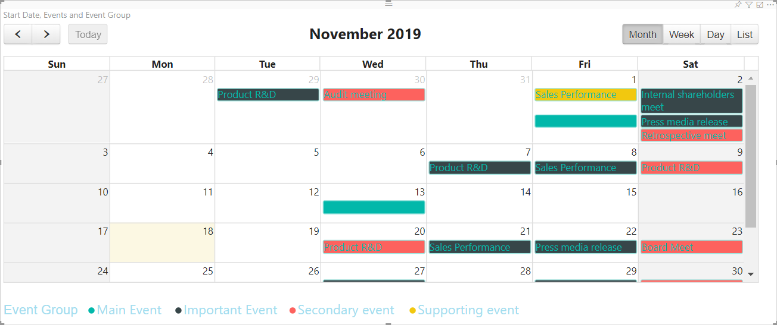 | Pass | Pass | Pass

Event pop over property | User clicks on 'more' link in the month view, on a cell with events greater than 3 | 1.Click on Month View 2. For a particular day with more than 2 events, User clicks on ' +<number> More' link | All events for that particular day is popped on the screen

Tool Tip (Using Title) | Hover the mouse over an event | 1. Hover Mouse over any event without any data in the tool tip databag | The title must display Name of the event | 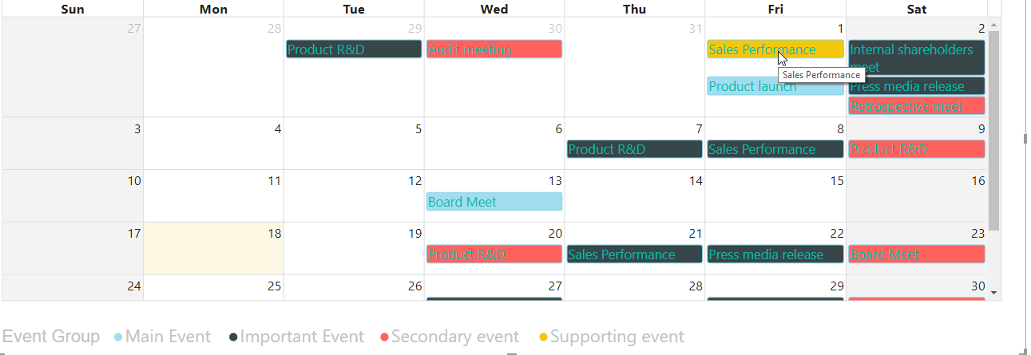
 |  | 1. Drag any data in the Tool tip databag 2. Hover mouse over any event | The title must display details of all the data dragged | 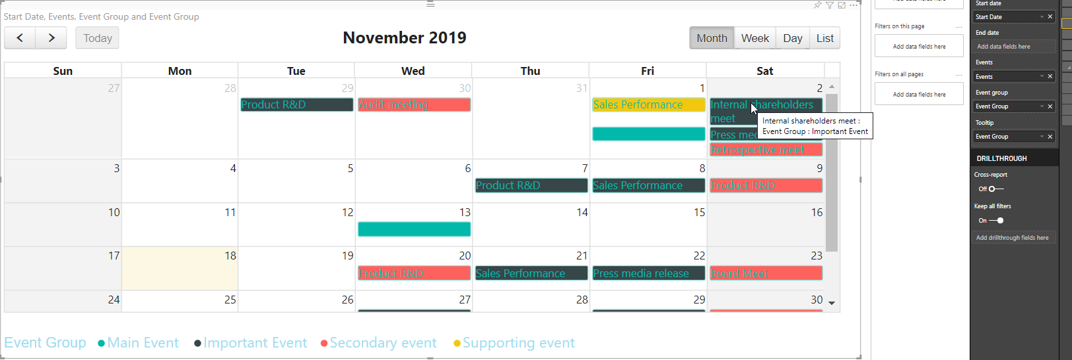

Work Hours | Check Active Start Time and End time | 1. Click the format pane 2. Click Work Hours 3. Select Start Time 4. Select End Time | The duration of time specified between start date and end date must not be gray out, other cells not in specified time slot must gray out | 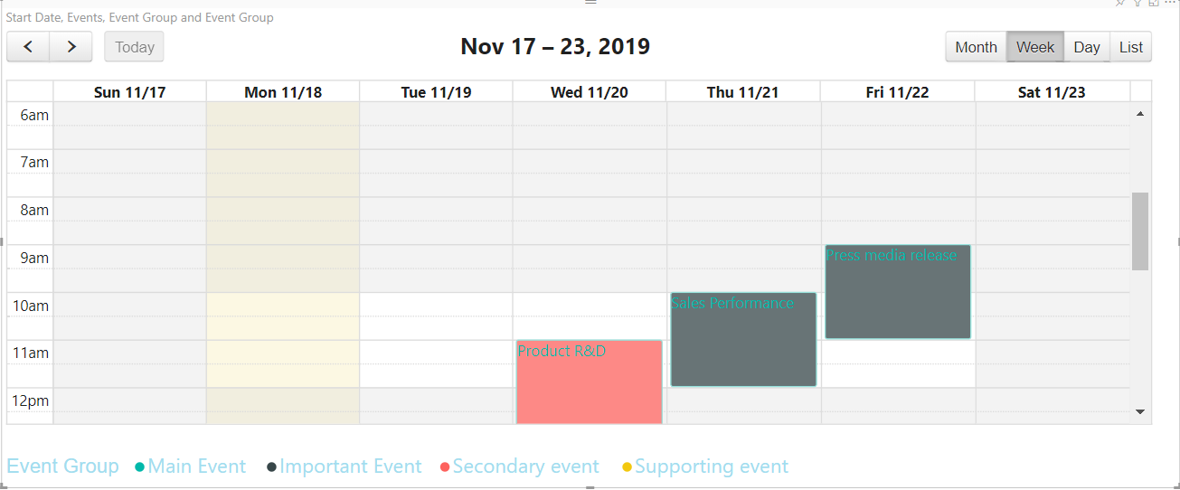

Work week | Check Active Work Days | 1. Click the format pane 2. Click Work week 3. Toggle any of the days button. | The days that are set to value 'off' must be Gray'ed out | 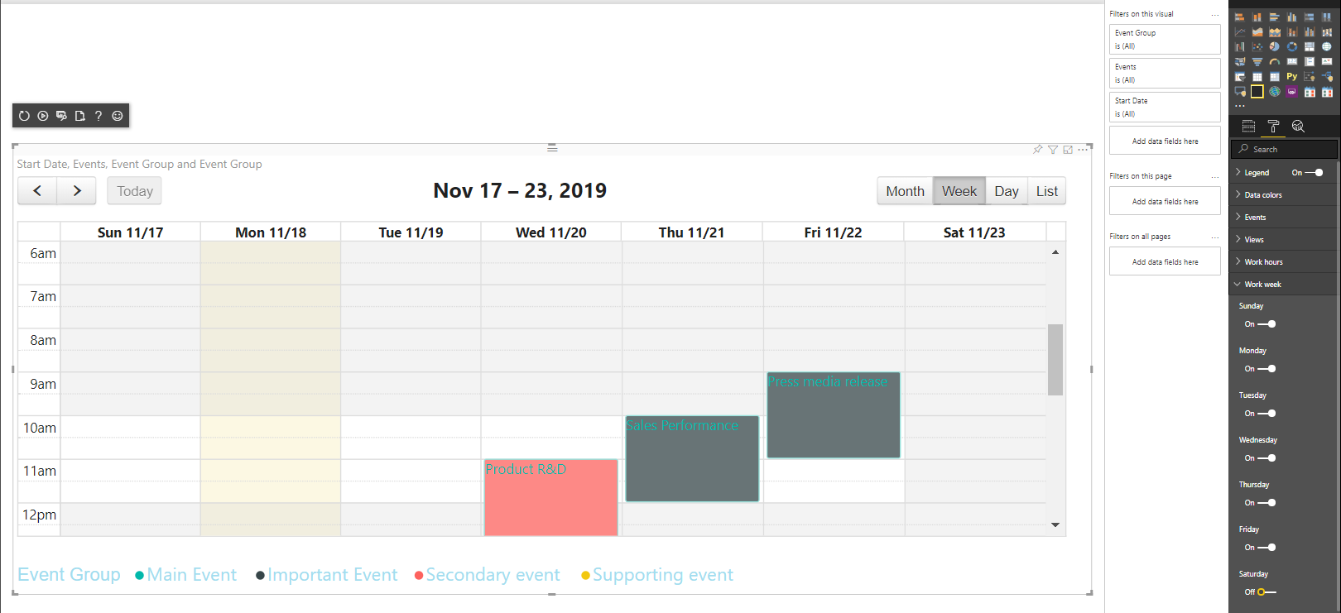

Week Start Day | Check week start Day | 1. Click on Format pane 2. Click on Calendar Settings 3. Select Week Start Day from drop down box | In the Month and the Week View, the days should start from selected day | 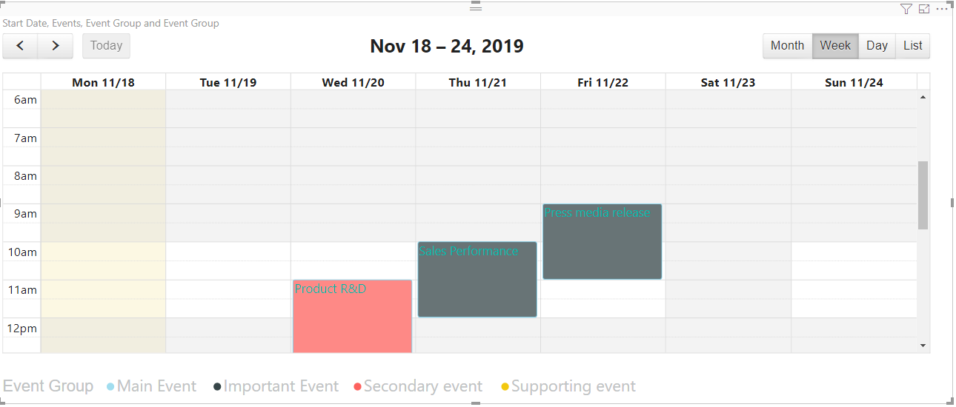

Current Time Line | Check current time line | 1. Click on Format Pane 2. Click on Calendar Settings 3. Toggle 'Current Time Line' Button | Current time line indicated in 'red' color for the 'Week' and 'Day' view must be shown at the apporpriate time slot | 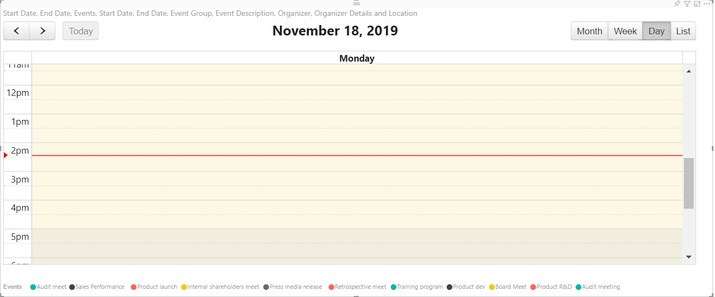

Navigation Link | Check Navigation Link | 1. Click on Format Pane 2. Click on Calendar Settings 3. Toggle 'Navigation Link' Button Toggle 'Week number' Button | The Dates in the Month View becomes clickable. The Week Number in the Month View becomes clickable. In the Month View, When user clicks on the day number in the cell , User is directed to the appropriate day view In the Month View , when the user clicks on the Week Number, User is directed to appropriate week view | 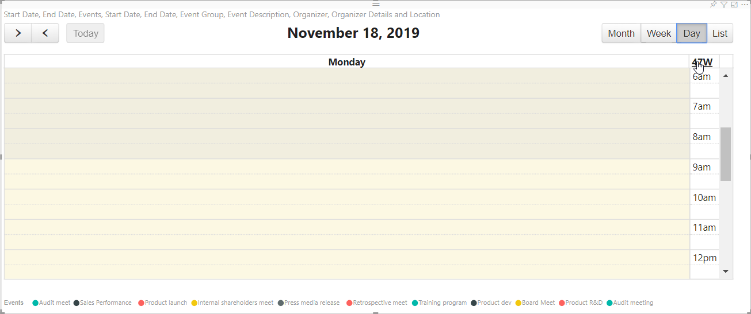
 |  |  | The Dates in the Week View becomes clickable. The Day in the Week View becomes clickable. In the Week View, When user clicks on the Day/Date in the cell , User is directed to the appropriate day view
 |  |  | The Week Number in the Day View becomes clickable. In the Day View, When user clicks on the Week Number in the cell , User is directed to the appropriate Week

Week Number | Check Week Number | 1. Click on Format Pane 2. Click on Calendar Settings 3. Toggle 'Week number' Button | Week Number column is displayed on the left side of the calendar, in the month, week and day view. | 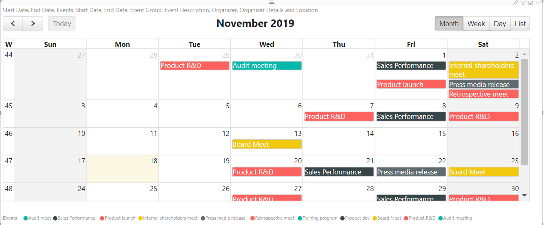

Right to Left | Check the columns re rendered from Right side to Left Side | 1. Click on Format Pane 2. Click on Calendar Settings 3. Toggle 'Right To Left' Button | The Calendar columns should be rendered from right side to left side. | 