Checklist
# | Checklist Point | Chrome | Edge | PowerBi | IE
1 | Have no console errors in IE 11, Edge, Chrome and Firefox browsers by having query string "unmin = true" in the URL? | Yes | Yes |  | Yes
2 | Does visual render properly on resizing? | Yes | Yes | Yes | yes
3 | Does visual render properly on increasing title/data labels font sizes? | 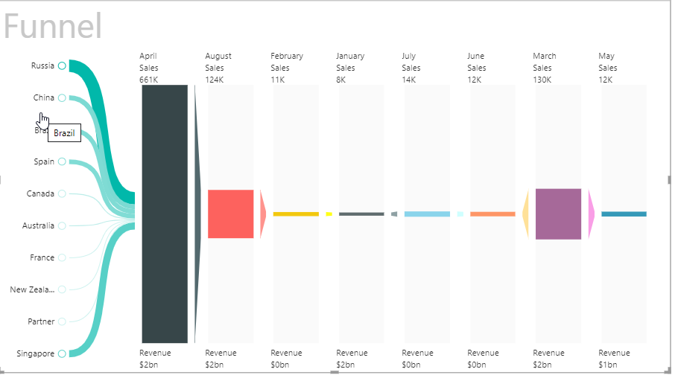 Yes | 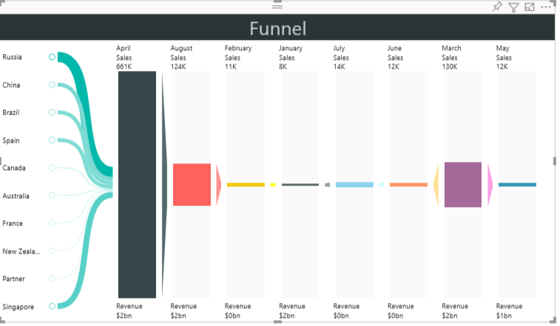 Yes | 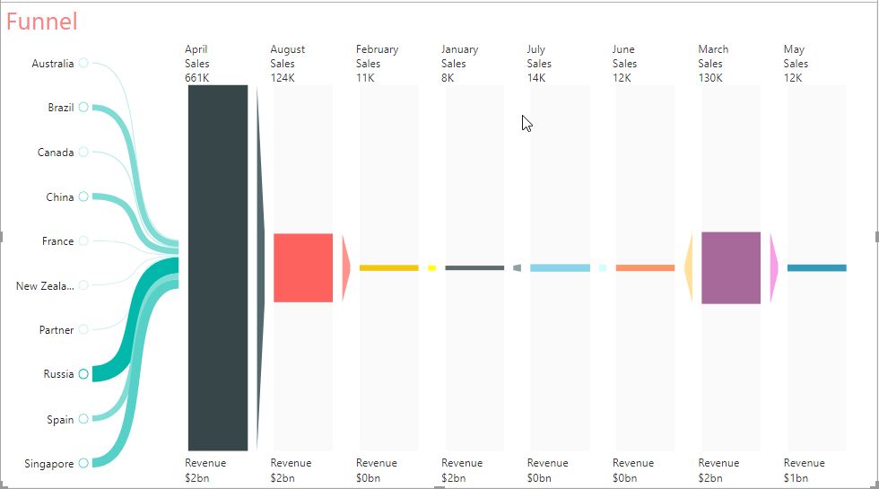 Yes | 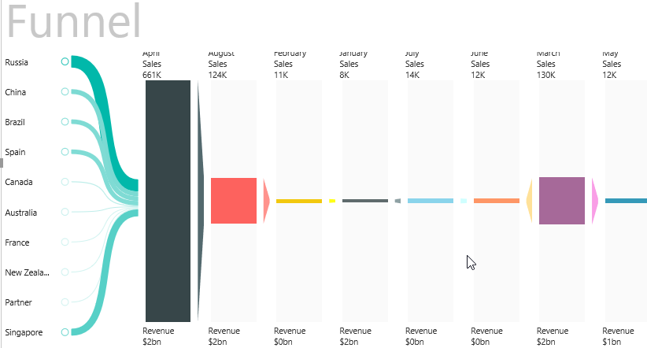 yes
4 | Does visual render properly on PBI desktop and PBI service? | NA | NA | Yes | NA
5 | Is Selection and Highlight feature working properly by selecting the slice of the visual when we have multiple other visuals along with our visual present in the report? | Yes | Yes | Yes | yes
6 | Does visual work properly on changing format in Modeling ribbon? Should match with other visuals behavior | Yes | Yes | Yes | Yes
7 | Have we handled Zero and NULL values for axis/data values and labels properly? Should match with other visuals behavior. | Yes | yes | yes | yes
8 | Have we used default PBI methods?
9 | Does visual format values by default (K, M, B)? | Yes | Yes | Yes | Yes
10 | Are visual custom properties working or not? | Yes | yes | yes | yes
11 | Are visual custom properties On/Off working or not? | Yes | yes | yes | yes
12 | Does visual render properly in Windows, Android, iPhone and iPad devices? | NA | NA | NA | NA
13 | Is sorting functionality working fine by selecting different Sort by values and Order by values in Visual? | NA | NA | NA | NA
14 | Is visual colors options working fine? | 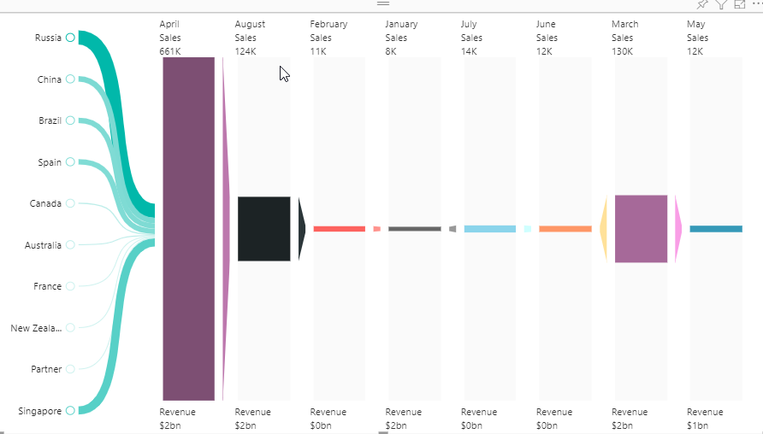 Yes | 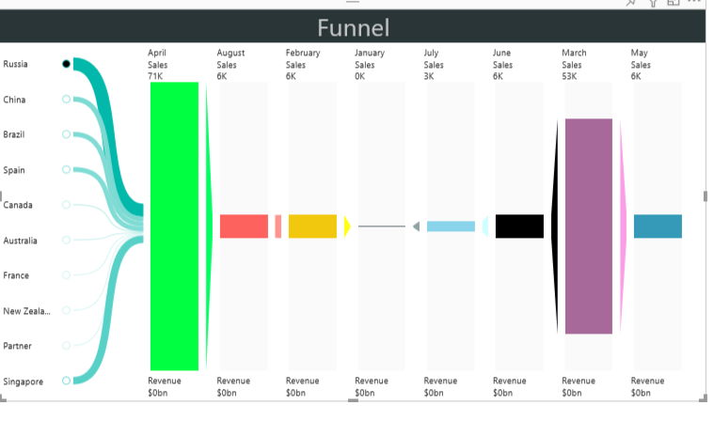 Yes | 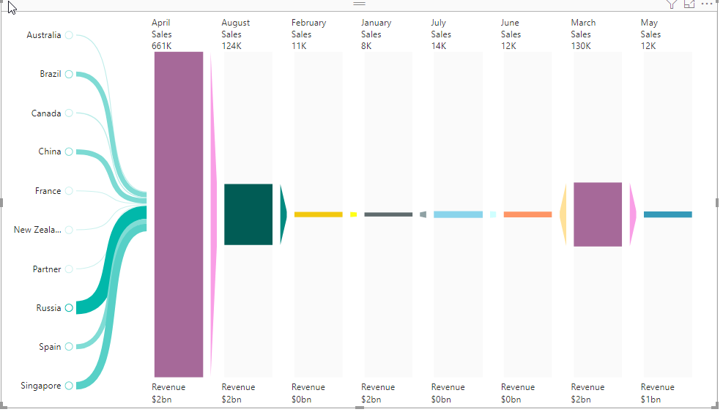 Yes | 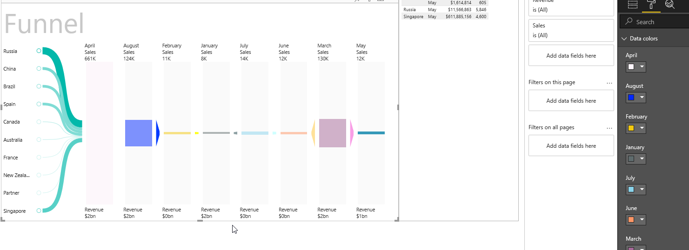 Yes
15 | Is visual tested on msit.powerbi.com, app.powerbi.com, and dxt.powerbi.com services? | Yes | Yes | Yes | Yes
16 | Is the entire functionality set executed and 0 errors reported for | Yes | YES | NA | YES
 | 1. query string parameters “unmin=true&approvedResourcesEnabled=false”
 | 2. Query string parameters "sandboxVisualsEnabled=1&approvedResourcesEnabled=false&unmin=true"
17 | Does visual work correctly after pinning visual to dashboard and pinning live report with the custom visual to the dashboard | 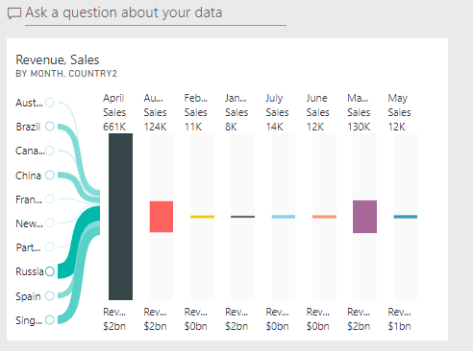 | 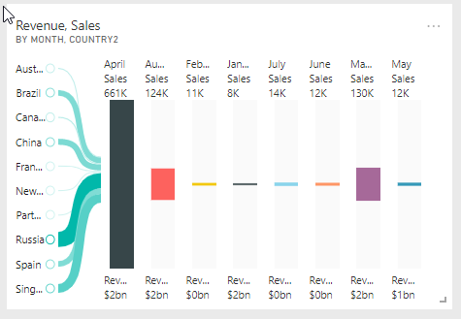 | NA | 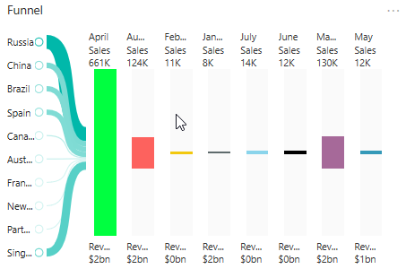
18 | Does Custom properties followed proper casing? | Yes | YES | YEs | Yes
 | e.g., Data colors - Correct
 | Data Colors - Incorrect

 | Refer built-in charts for more details.
19 | Does visual fully utilized the available chart area? | Yes | yes | yes | yes
20 | Does visual legends adjusted on resizing? | 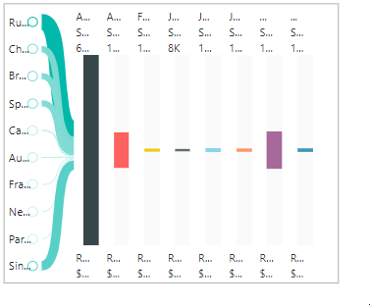 | 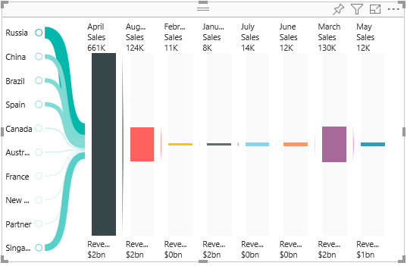 | 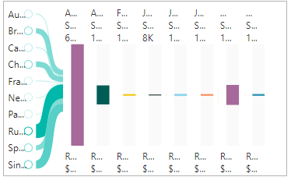 | 