BVT
S no | Feature | BVT | Steps | Output | Internet Explorer | Edge | Chrome | Desktop
1 | Basic Cylindrical Gauge | Display basic Cylindrical Gauge | 1. Drag 'Revenue' in 'Actual Value' field 2. Drag 'Target' in 'Target Value' field 3. Drag 'Min Revenue' to 'Min' field 4. Drag 'Max Revenue' to 'Max' field | Display basic Cylindrical Gauge | 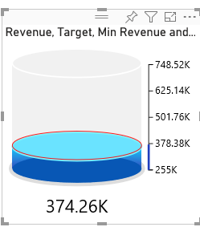 | 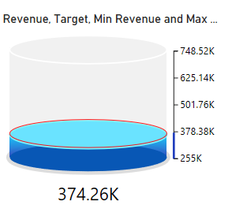 | 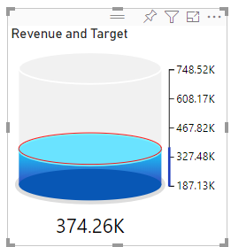 | 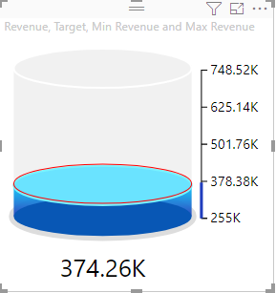
2 | Configurations | Update fill, border, max, min, target range, scale, display units and decimal value for scale | 1. Go to formatting pane 2. Go to 'Configurations' option 3. Update 'Lower Gradient fill' to 'light blue' 4. Update 'Upper Gradient fill' to 'light blue' 5. Update 'Lower Ellipse fill' to 'dark blue' 6. Update 'Upper Ellipse fill' to 'dark blue' 7. Update 'Background fill' to 'grey' 8. Update 'Animation time' to '5' | 1. Lower Gradient color will be set to 'light blue' 2. Upper Gradient color will be set to 'light blue' 3. Lower Ellipse color will be set to 'dark blue' 4. Upper Ellipse color will be set to 'dark blue' 5. Background color will be set to 'grey' |  | 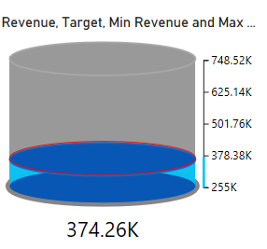 | 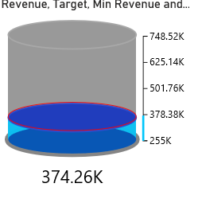 | 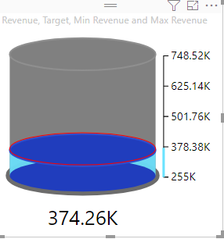
 |  |  | 1. Drag 'Revenue' in 'Actual Value' field 2. Drag 'Target' in 'Target Value' field 3. Update 'Max' to '800000' 4. Update 'Min' to '100000' 5. Update 'Target Color' to 'red' | 1. Max will be set to '800000' 2. Min will be set to '100000' 3. Target color will be set to 'Red' | 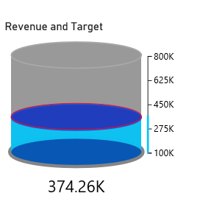 | 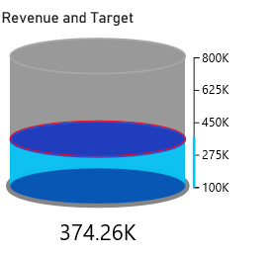 | 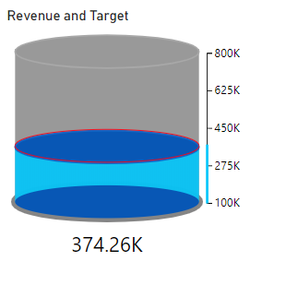 | 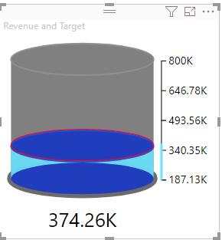
 |  |  | 1. Drag 'Revenue' in 'Actual Value' field 2. Drag 'Target' in 'Target Value' field 3. Drag 'Min Revenue' to 'Min' field 4. Drag 'Max Revenue' to 'Max' field 5. Switch toggle of 'Target Range' to 'ON' 6. Update 'Greater' to '500000' 7. Update 'Less' to '300000' 8. Update 'Greater Color' to 'brown' 9. Update 'Less Color' to 'red' | 1. Greater will be set to '500K' 2. Less will be set to '300K' 3. Greater Color will be updated to 'brown' 4. Less Color will be updated to 'red' | 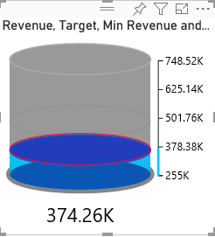 | 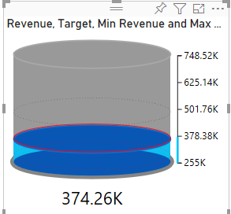 | 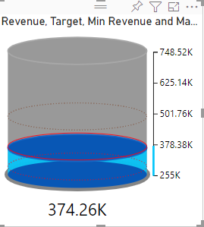 | 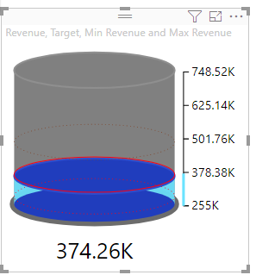
 |  |  | 1. Switch toggle of 'Scale' to 'OFF' 2. Switch toggle of 'Scale' to 'ON' 3.Update 'Scale Color' to 'blue' 4. Update 'Scale Position' to 'left' 5. Update 'Font Family' to 'Arial' 6. Update 'Font Size' to '16' 7. Update 'Display units' to 'Thousand' 8. Update 'Decimal value' to '2' | 1. Scale will get hidden 2. Scale will become visible and its color will be set to 'blue' 3. Scale will be positioned to 'left' 4. Font will be set to 'Arial' 5. Font Size will be set to '16' 6. Scale values will be represented in thousands and look like '400K' 7. Decimal places will be set to 2 and values will look like '400.00K | 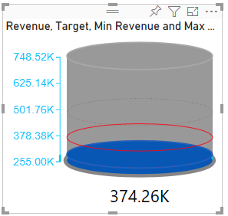 | 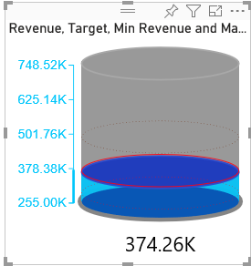 | 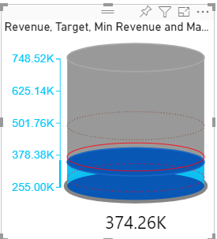 | 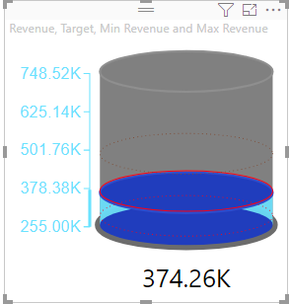
3 | Data Label | Update label position, color, display unit and decimal places for data label | 1. Go to formatting pane 2. Go to 'Data label' option 3. Update 'Label Position' to 'Within the Cylinder' 4. Update 'Font Size' to '27' 5. Update color to 'red' 6. Update display unit to 'Thousand' 7. Update decimal value to '1' | 1. Label position will be set Inside 2. Text size will be set to '27px' 3. Data label font color will be set to 'Red' 4. Text will be formatted like '374K' 5. Text will be formatted like '374.3K' | 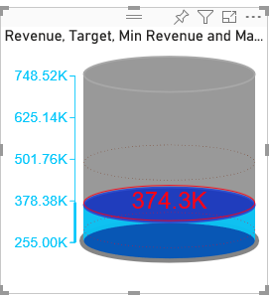 |  | 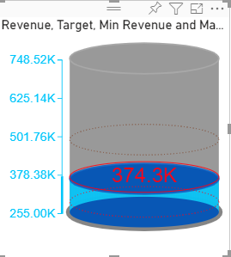 | 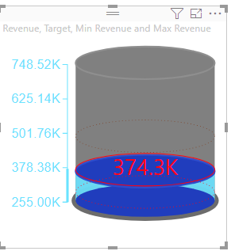
4 | Zone | Update zone 1, zone 2 , zone 3 and zone 4 values and upate their color | 1. Go to formatting pane 2. Switch the toggle of 'Zones' to 'ON' 3. Update 'Zone 1' value to '378000' 4. Update 'Zone 1' color to 'yellow' 5. Update 'Zone 2' value to '502000' 6. Update 'Zone 2' color to 'green' 7. Update 'Zone 3' value to '627000' 8. Update 'Zone 3' color to 'orange' 9. Update 'Zone 4' value to '748500' 10. Update 'Zone 4' color to 'red' | 1. Zone 1 value will be set to '378000' 2. Zone 1 color will be set to 'yellow' 3. Zone 1 value will be set to '378000' 4. Zone 1 color will be set to 'yellow' 5. Zone 1 value will be set to '378000' 6. Zone 1 color will be set to 'yellow' 7. Zone 1 value will be set to '378000' 8. Zone 1 color will be set to 'yellow' | 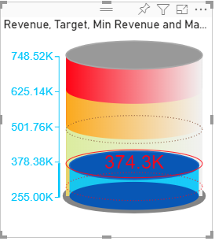 |  |  | 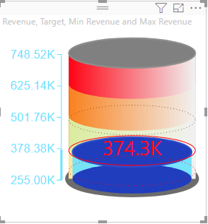
5 | Basic Chart | Display basic Cylindrical Gauge | 1. Drag 'Revenue' in 'Actual Value' field. | Visual should be rendered for Revenue value. | 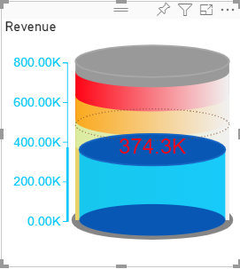 |  |  | 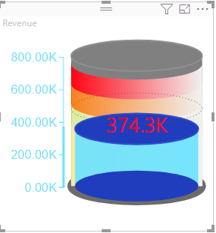
6 | Basic Chart | Display basic Cylindrical Gauge | 1. Drag same value in all field. | Visual should be rendered properly. |  |  | 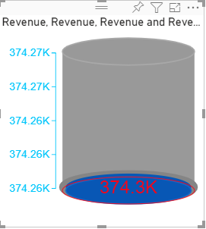 | 