BVTs
S no | Feature | BVT | Steps | Expected output | Prower BI Desktop | EDGE | CHROME
1 | Basic chart | Display basic chart | 1. Drag 'Temperature' column in 'Temperature' field | Visual should be rendered for Temperature value | 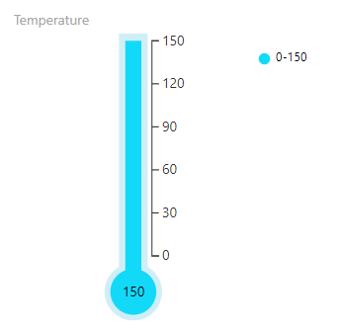 | 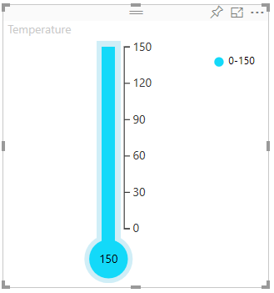 | 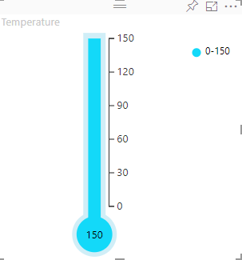
2 | Target Value | Display Target in the visual | 1. Drag 'Target' column in 'Target Value' field | Visual should be rendered with target indicator | 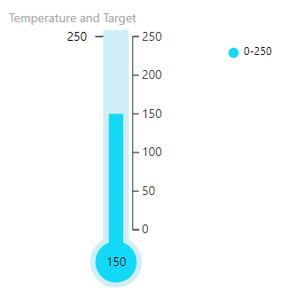 | 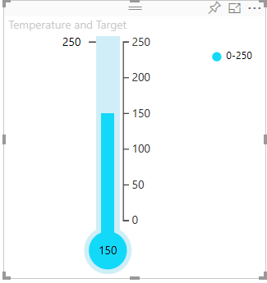 | 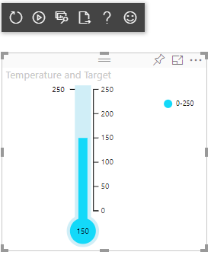
3 | Min | Update minimum value from column | 1. Drag 'Minimum' column in 'Min' field | Thermometer minimum value should be changed from 0 to the value in Min field | 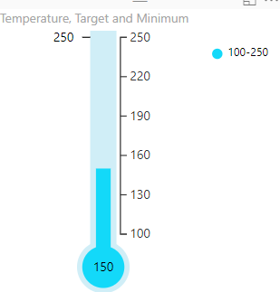 | 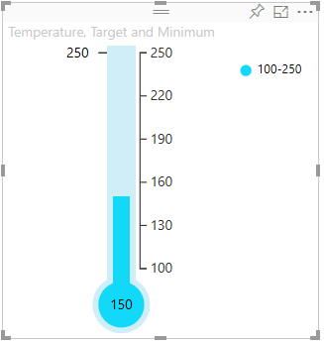 | 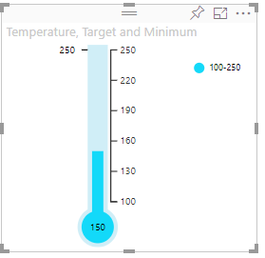
4 | Max | Update maximum value from column | 1. Drag 'Maximum' column in 'Max' field | Thermometer maximum value should be updated to the value in Min field | 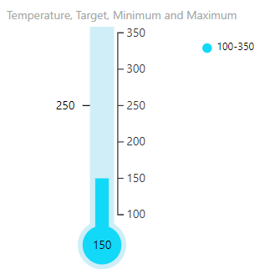 | 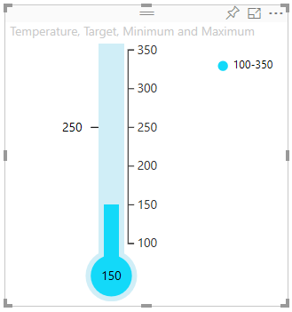 | 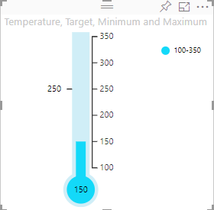
5 | Configurations | Update minimum value from configurations | 1. Remove columns from 'Min' and 'Max' data fields 2. Go to formatting pane 3. Go to Configurations 4. Update Min value to 50 | Thermometer minimum value should be updated to 50 | 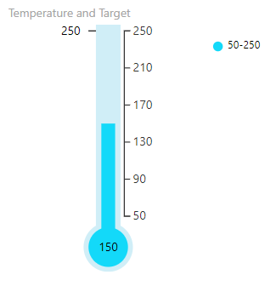 | 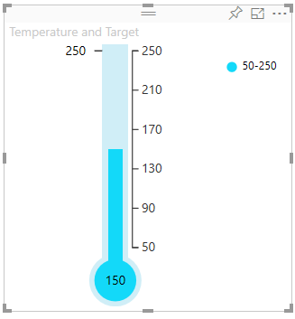 | 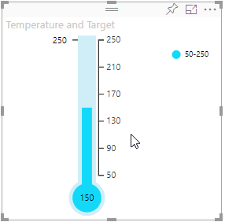
 |  | Update maximum value from configurations | 1. Remove columns from 'Min' and 'Max' data fields 2. Go to formatting pane 3. Go to Configurations 4. Update Max value to 350 | Thermometer maximum value should be updated to 350 | 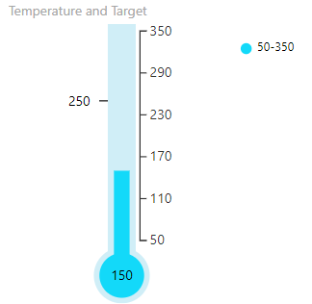 | 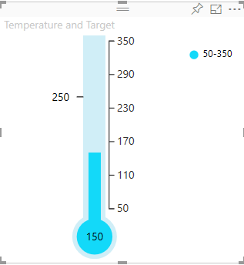 | 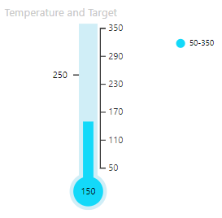
 |  | Check whether Tick bar ON/OFF button is working | 1. Go to formatting pane 2. Go to Configurations 3. Update Tick bar button to 'OFF' 4. Update Tick bar button to 'ON' | 1. Tick bar should not be displayed in the visual when the button is in 'OFF' state 2. Tick bar should be displayed in the visual when the button is in 'ON' state | 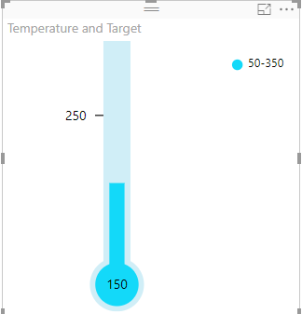 | 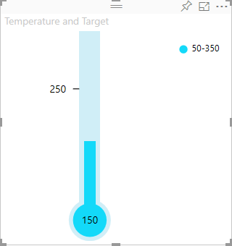 | 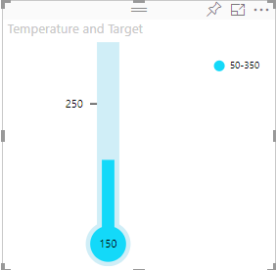
 |  | Update Actual value color | 1. Go to formatting pane 2. Go to Configurations 3. Update Actual value color to 'Red' | Actual value color should be updated to 'Red' | 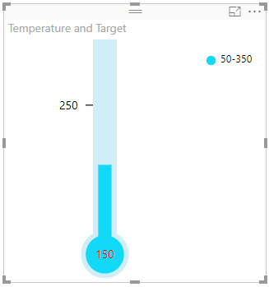 | 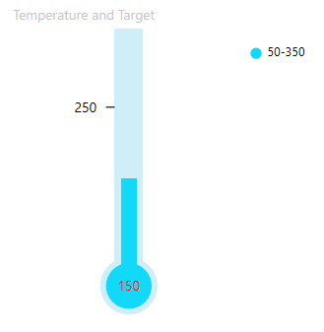 | 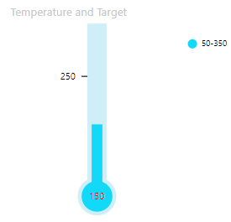
 |  | Update display unit and decimal value for actual value, target value and ticks value | 1. Go to formatting pane 2. Update display unit to 'Thousand' 3 Update decimal value to '1' | 1. Text will be formatted like '50K' 2. Text will be formatted like '50.0K' |  | 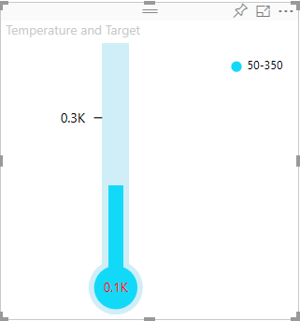 | 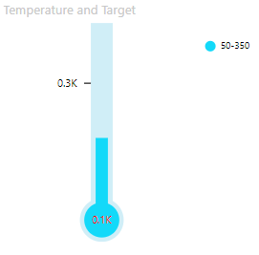
 |  | Update unit for values | 1. Go to formatting pane 2. Go to Configurations 3. Update unit to 'deg' | Unit should be updated to 'deg' | 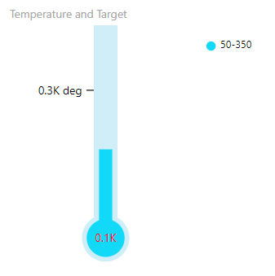 | 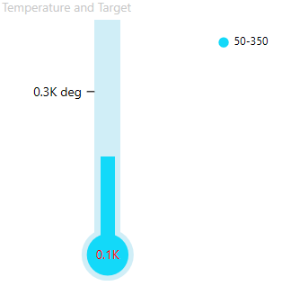 | 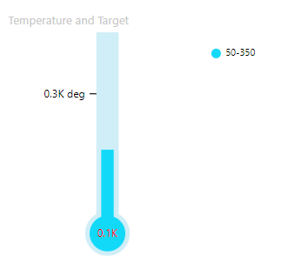
6 | Legend | Check whether Legend ON/OFF button is working | 1. Go to formatting pane 2. Go to Legend 3. Update Legend button to 'OFF' 4. Update Legend button to 'ON' | 1. Legend should not be displayed in the visual when the button is in 'OFF' state 2. Legend should be displayed in the visual when the button is in 'ON' state | 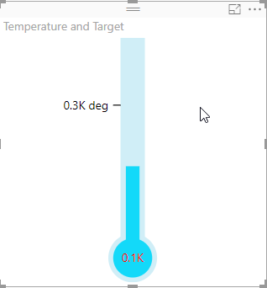 | 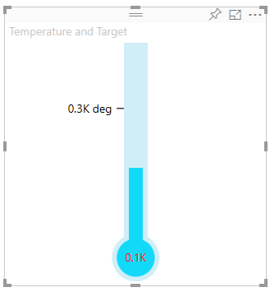 | 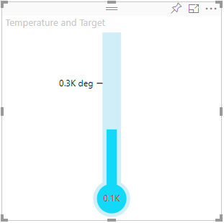
 |  | Update position of legend | 1. Go to formatting pane 2. Go to Legend 3. Update Legend position to 'Top' | Legend position should be updated to 'Top' | 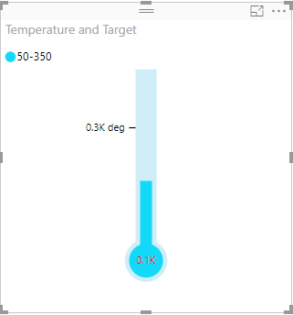 | 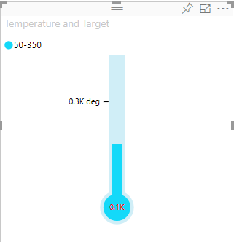 | 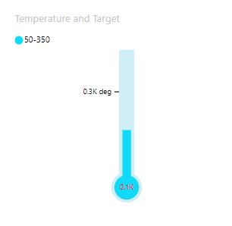
 |  | Check whether Legend Title ON/OFF button is working | 1. Go to formatting pane 2. Go to Legend 3. Update Legend Title button to 'OFF' 4. Update Legend Title button to 'ON' 5. Update Title to 'Legend' | 1. Legend Title should not be displayed in the visual when the button is in 'OFF' state 2. Legend Title should be displayed in the visual when the button is in 'ON' state 3. Legend Title should be updated to 'Legend' | 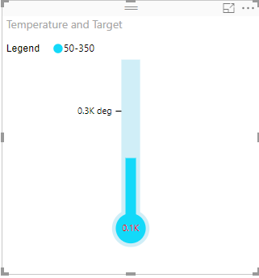 | 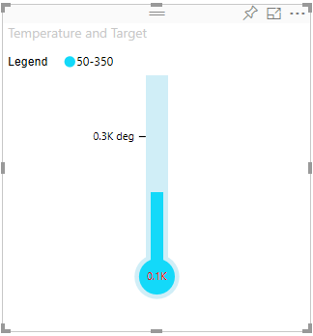 | 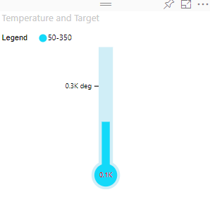
 |  | Update color of legend | 1. Go to formatting pane 2. Go to Legend 3. Update Color to 'Blue' | Legend color should be updated to 'Blue' | 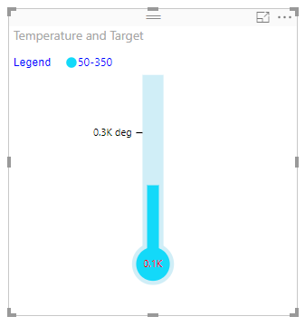 | 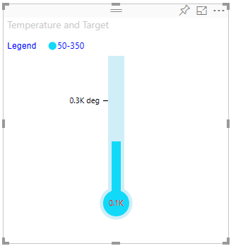 | 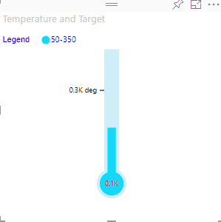
 |  | Update display unit and decimal value for legend value | 1. Go to formatting pane 2. Update display unit to 'Thousand' 3 Update decimal value to '1' | 1. Text will be formatted like '50K' 2. Text will be formatted like '50.0K' | 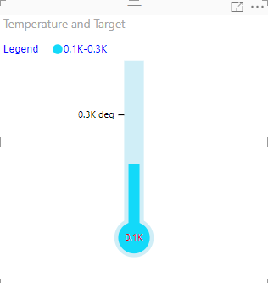 | 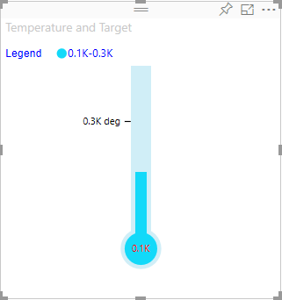 | 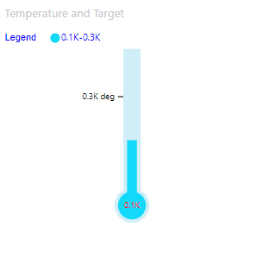
 |  | Update Value,Fill and Border color of range 1 | 1. Go to formatting pane 2. Go to Legend 3. Update Category 25 4. Update Fill to 'Blue' 5. Update Border to 'Red' | 1. Range values should be updated from 0-25 2. Range 1 fill color should be updated to 'Blue' 3.Range 1 border color should be updated to 'Red' | 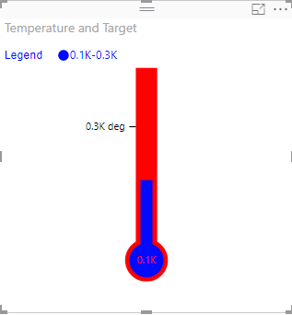 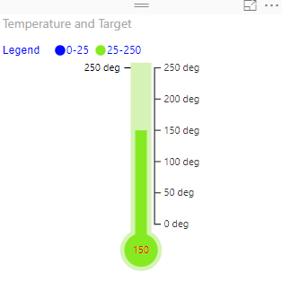 | 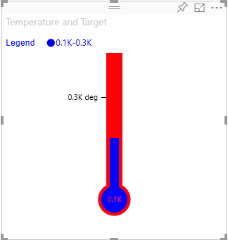 | 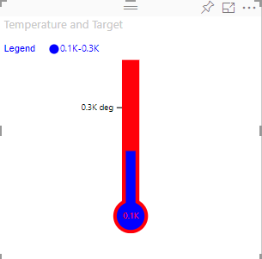
 |  | Update Value,Fill and Border color of range 2 | 1. Go to formatting pane 2. Go to Legend 3. Update Category 50 4. Update Fill to 'Green' 5. Update Border to 'Yellow' | 1. Range 2 values should be updated from 25-50 2. Range 2 fill color should be updated to 'Green' 3. Range 2 border color should be updated to 'Yellow' | 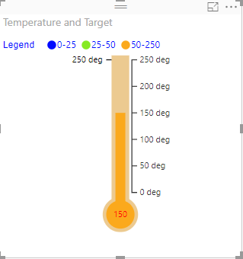 | 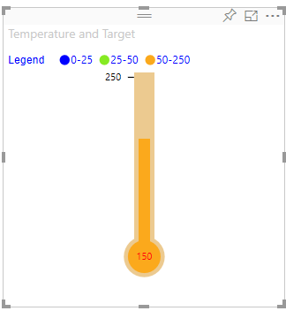 | 
 |  | Update Value,Fill and Border color of range 3 | 1. Go to formatting pane 2. Go to Legend 3. Update Category 75 4. Update Fill to 'Blue' 5. Update Border to 'Red' | 1. Range 3 values should be updated from 50-75 2. Range 3 fill color should be updated to 'Blue' 3. Range 3 border color should be updated to 'Red' |  |  | 
 |  | Update Value,Fill and Border color of range 4 | 1. Go to formatting pane 2. Go to Legend 3. Update Category data MAX 4. Update Fill to 'Green' 5. Update Border to 'Yellow' | 1. Range 4 values should be updated from 75-100 2. Range 4 fill color should be updated to 'Green' 3. Range 4 border color should be updated to 'Yellow' |  |  | 
7 | Basic chart | Display basic chart | 1. Drag same column in all field. | Visual should be rendered. |  |  | 

