Tabelle1
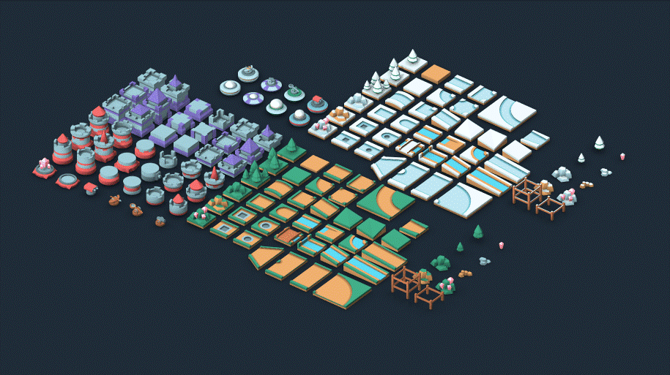
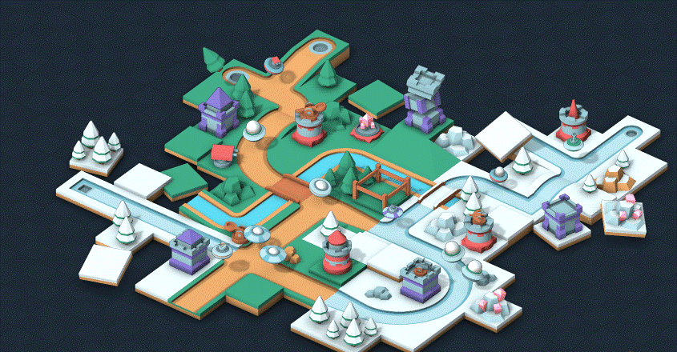
Sprint Review Protocol

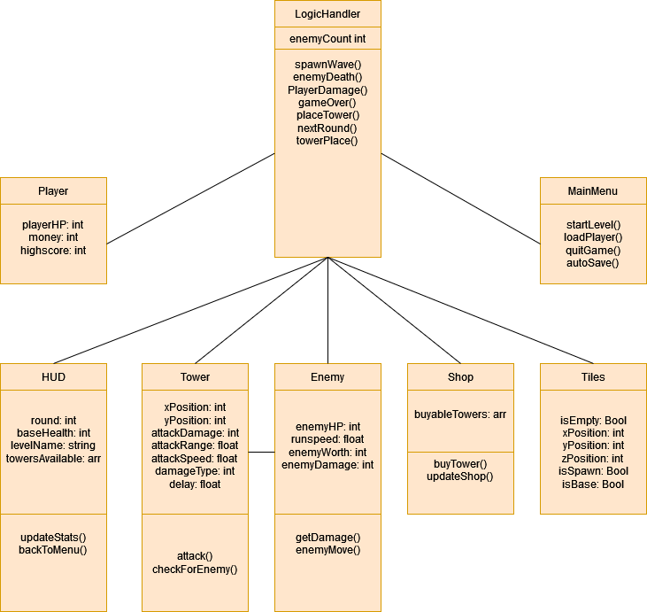
Sprint No: |  | 2
Date & Time |  | 4/26/22
Group Number |  | 2
Participant 1 |  | Schneider Brian
Participant 2 |  | Rutschka Simon
Participant 3 |  | Berg Alexander
Participant 4 |  | Hämmerle Josua
Participant 5 |  | Wunsch Lukas
Mentor |  | Parg Manuel-Christopher

List the Ids of the Requirements which are subject to the review
Req ID | short description [opt] | Estimate [h] | Real Efort [h] | Delta [h] | Passed | failed | remarks
1 | UML Diagramm | 3 | 6 | 3 | 1
2 | Meeting am 19.04 | 1.75 | 1.5 | -0.25 | 1
3 | Spieldesign besprechen | 12 | 15 | 3 | 1
4 | Asset designen/aussuchen | 15 | 5 | -10 | 1
5 | Meeting am 26.04 | 10 | 15 | 5 | 1
6 |  |  |  | 0
7 |  |  |  | 0
… |  |  |  | 0
… |  |  |  | 0
n |  |  |  | 0
7 |  |  |  | 0.75 | 5 | 0

