MCU configuration
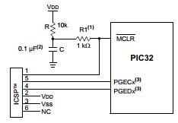
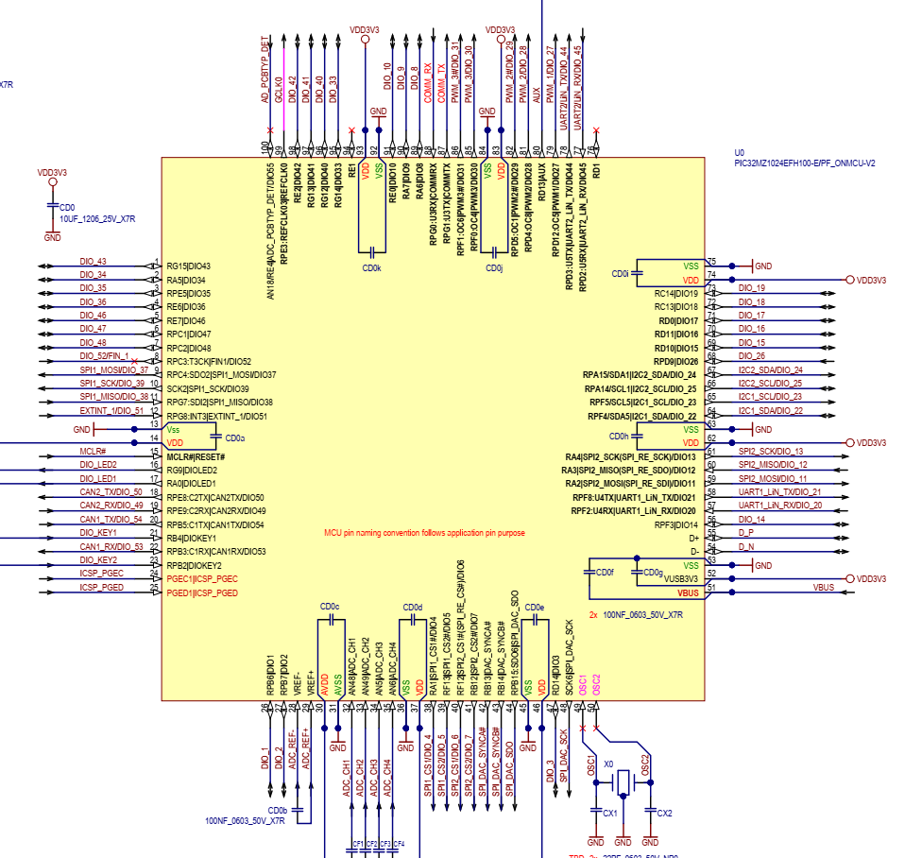
5V tolerant marked RED
MCU PIN | Use | Dir
1 | DIO43 |  | AN23/AERXERR/RG15 | ok
2 | DIO34 |  | EBIA5/AN34/PMA5/RA5 | ok
3 | DIO35 |  | EBID5/AN17/RPE5/PMD5/RE5 | ok
4 | DIO36 |  | EBID6/AN16/PMD6/RE6 | ok
5 | DIO46 |  | EBID7/AN15/PMD7/RE7 | ok
6 | DIO47 |  | EBIA6/AN22/RPC1/PMA6/RC1 | ok
7 | DIO48 |  | EBIA12/AN21/RPC2/PMA12/RC2 | ok
8 | DIO52/FIN1 |  | EBIWE/AN20/RPC3/PMWR/RC3
9 | DIO37/SPI1_MOSI |  | EBIOE/AN19/RPC4/PMRD/RC4 | ok
10 | DIO39/SPI1_SCK |  | AN14/C1IND/ECOL/RPG6/SCK2/RG6 | ok
11 | DIO38/SPI1_MISO |  | EBIA4/AN13/C1INC/ECRS/RPG7/SDA4/PMA4/RG7 | ok
12 | DIO51/EXTINT1 |  | EBIA3/AN12/C2IND/ERXDV/ECRSDV/AERXDV/ AECRSDV/RPG8/SCL4/PMA3/RG8
13 | Vss
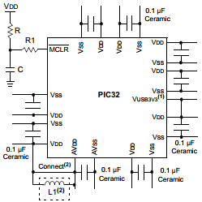
14 | VDD
15 | MCLR |  |  | ok
16 | LED2 |  | EBIA2/AN11/C2INC/ERXCLK/EREFCLK/AERXCLK/ AEREFCLK/RPG9/PMA2/RG9 | ok
17 | LED1 |  | TMS/EBIA16/AN24/RA0 | ok
18 | DIO50/CAN2_TX |  | AN25/AERXD0/RPE8/RE8 | ok
19 | DIO49/CAN2_RX |  | AN26/AERXD1/RPE9/RE9 | ok
20 | DIO54/CAN1_TX |  | AN45/C1INA/RPB5/RB5 | ok
21 | KEY1 |  | AN4/C1INB/RB4 | ok
22 | DIO53/CAN1_RX |  | AN3/C2INA/RPB3/RB3 | ok
23 | KEY2 |  | AN2/C2INB/RPB2/RB2 | ok
24 | PGEC |  | PGEC1/AN1/RPB1/RB1 | ok
25 | PGED |  | PGED1/AN0/RPB0/RB0 | ok
26 | DIO1 |  | PGEC2/AN46/RPB6/RB6 | ok
27 | DIO2 |  | PGED2/AN47/RPB7/RB7 | ok
28 | ADC_REF- |  | VREF-/CVREF-/AN27/AERXD2/RA9 | ok
29 | ADC_REF+ |  | VREF+/CVREF+/AN28/AERXD3/RA10 | ok
30 | AVDD
31 | AVSS
32 | AIN1 |  | EBIA10/AN48/RPB8/PMA10/RB8 | ok
33 | AIN2 |  | EBIA7/AN49/RPB9/PMA7/RB9 | ok
34 | AIN3 |  | EBIA13/CVREFOUT/AN5/RPB10/PMA13/RB10 | ok
35 | AIN4 |  | AN6/ERXERR/AETXERR/RB11 | ok
36 | VSS
37 | VDD
38 | DIO4/SPI1_CS1 |  | TCK/EBIA19/AN29/RA1 | ok
39 | DIO5/SPI1_CS2 |  | TDI/EBIA18/AN30/RPF13/SCK5/RF13 | ok
40 | DIO6/SPI2_CS1 |  | TDO/EBIA17/AN31/RPF12/RF12 | ok
41 | DIO7/SPI2_CS2 |  | EBIA11/AN7/ERXD0/AECRS/PMA11/RB12 | ok
42 | SPI_SYNCA(DAC) |  | AN8/ERXD1/AECOL/RB13
43 | SPI_SYNCB(DAC) |  | EBIA1/AN9/ERXD2/AETXD3/RPB14/SCK3/PMA1/RB14
44 | SPI_SDO(DAC) |  | EBIA0/AN10/ERXD3/AETXD2/RPB15/OCFB/PMA0/RB15
45 | VSS
46 | VDD
47 | DIO3 |  | AN32/AETXD0/RPD14/RD14 | ok
48 | SPI_SCK(DAC) |  | AN33/AETXD1/RPD15/SCK6/RD15
49 | CLKI |  | OSC1/CLKI/RC12
50 | CLKO |  | OSC2/CLKO/RC15
51 | VBUS
52 | VUSB3V3
53 | VSS
54 | D-
55 | D+
56 | DIO14 |  | RPF3/USBID/RF3 | ok
57 | DIO20/UART1_RX |  | EBIRDY3/RPF2/SDA3/RF2 | ok
58 | DIO21/UART1_TX |  | EBIRDY2/RPF8/SCL3/RF8 | ok
59 | DIO11/SPI2_SCK |  | EBICS0/SCL2/RA2 | ok
60 | DIO12/SPI2_MISO |  | EBIRDY1/SDA2/RA3 | ok
61 | DIO13/SPI2_MOSI |  | EBIA14/PMCS1/PMA14/RA4 | ok
62 | VDD
63 | VSS
64 | DIO22/I2C1_SDA |  | EBIA9/RPF4/SDA5/PMA9/RF4 | ok
65 | DIO23/I2C1_SCL |  | EBIA8/RPF5/SCL5/PMA8/RF5 | ok
66 | DIO25/I2C2_SCL |  | AETXCLK/RPA14/SCL1/RA14 | ok
67 | DIO24/I2C2_SDA |  | AETXEN/RPA15/SDA1/RA15 | ok
68 | DIO26 |  | EBIA15/RPD9/PMCS2/PMA15/RD9 | ok
69 | DIO15 |  | RPD10/SCK4/RD10 | ok
70 | DIO16 |  | EMDC/AEMDC/RPD11/RD11 | ok
71 | DIO17 |  | EMDIO/AEMDIO/RPD0/RTCC/INT0/RD0 | ok
72 | DIO18 |  | SOSCI/RPC13/RC13 | ok
73 | DIO19 |  | SOSCO/RPC14/T1CK/RC14 | ok
74 | VDD
75 | VSS
76 |  |  | RPD1/SCK1/RD1
77 | DIO45/UART2_RX |  | EBID14/ETXEN/RPD2/PMD14/RD2
78 | DIO44/UART2_TX |  | EBID15/ETXCLK/RPD3/PMD15/RD3 | ok
79 | DIO27/PWM1 |  | EBID12/ETXD2/RPD12/PMD12/RD12 | ok
80 | AUX? |  | EBID13/ETXD3/PMD13/RD13 | ok
81 | DIO29/PWM2 |  | SQICS0/RPD4/RD4 | ok
82 | DIO28 |  | SQICS1/RPD5/RD5 | ok
83 | VDD
84 | VSS
85 | DIO30/PWM3 |  | EBID11/ETXD1/RPF0/PMD11/RF0 | ok
86 | DIO31 |  | EBID10/ETXD0/RPF1/PMD10/RF1 | ok
87 | COM_TX |  | EBID9/ETXERR/RPG1/PMD9/RG1 | ok
88 | COM_RX |  | EBID8/RPG0/PMD8/RG0 | ok
89 | DIO8 |  | TRCLK/SQICLK/RA6 | ok
90 | DIO9 |  | TRD3/SQID3/RA7 | ok
91 | DIO10 |  | EBID0/PMD0/RE0 | ok
92 | VSS
93 | VDD
94 |  |  | EBID1/PMD1/RE1
95 | DIO33 |  | TRD2/SQID2/RG14 | ok
96 | DIO40 |  | TRD1/SQID1/RG12 | ok
97 | DIO41 |  | TRD0/SQID0/RG13 | ok
98 | DIO42 |  | EBID2/PMD2/RE2 | ok
99 | GCLK0 |  | EBID3/RPE3/PMD3/RE3 | ok
100 | AIN_PCB |  | EBID4/AN18/PMD4/RE4

