Biogas skive
Process | Electricity [MW] | Heat MT [MW 180 - 150 C] | Heat DH [MW 140-90 C] | Heat LT [MW 90 - 50 C] | pure CO2 [t/h] | H2 [MW] | Biomass [t/h] | DM digestate [t/h] | CO2e [t/h] | BioCH4 [MW] | Methanol [MW] | bus0
Biogas Skive | -1.0931 | -2.8116894977 | 0.000 | 0.07 | 2.6746048472 | 0 | -57.077625571 | 3.6767123288 | 0 | 27.245053272 | 0
specific to MW ch4 | -0.040122067039 | -0.1032 | 0 | 0.0027491620112 | 0.098168457241 | 0 | -2.094972067 | 0.13494972067 | 0 | 1 | 0
operation hour | h/y | 8760
BioCH4 prod. | Nm3/y | 24000000 |  | C-Balance (back calc. of biomass moisture) |  |  |  |  | Input from GL: SIZE
Biomethane prod | GWh/y | 239 |  | Carbon in bioCH4 | tC/h | 1.3767123288 |  |  | Input from GL
LHV methane | MJ/kg | 50 |  | Carbon in CO2 | t/h | 0.7294376856 |  |  | Assumption
LHV methane | MJ/Nm3 | 35.8 |  | Carbon in products | t/h | 2.1061500144
yield CH4 | Nm3 CH4/ton | 48 |  | C in product / Biomass | t/t | 0.036899748252
biomass | t/y | 500000
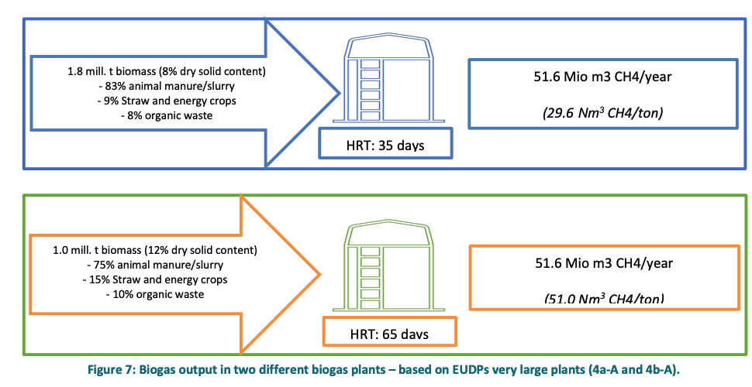
biomass | t/h | 57.077625571
max biomass | t/y | 500000
CH4 yield energy | MWh/t | 0.47733333333

Biogas production
Dry Biogas CH4% | vol % | 0.65
Dry Biogas CO2% | vol % | 0.35
Dry Biogas nominal flow | Nm3/h | 4215
CO2 density in Normal conditons | kg/Nm3 | 1.85
Ch4 density in normal conditions | kg/Nm3 | 0.67
tCO2/MWh ch4 | - | 0.098168457241

Other data: source Danish Energy Agency, data_sheets_for_renewable_fuels.xlsx
Aux electricity biogas plant | MWh/tinput | 0.01013
Aux Electicity | MW | 0.57819634703 | 0.021222067039
Heat to process at 50 C | MWh/tinput | 0.0237
Heat to process at 50 C | MW | 1.352740

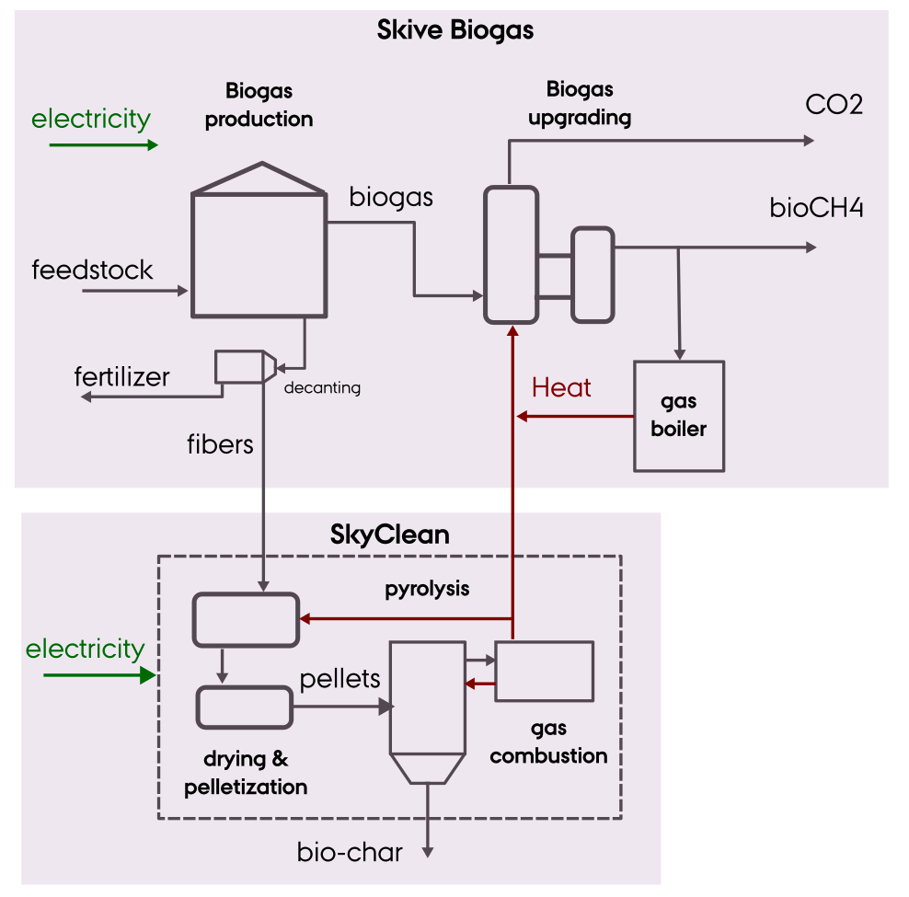
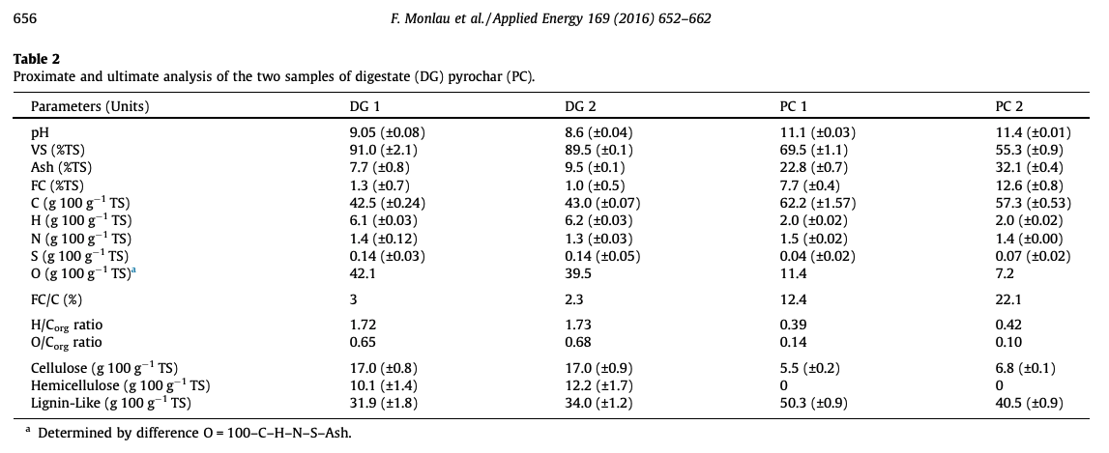
Upgrading with Amine scrubber
heat temperature | C | 140
Electricity demand inc. Comrpession 5 bar | % biogas input energy | 1.89%
Electricity demand inc. Comrpession 5 bar | MW | 0.51493150685
Heat demand scrubber | % biogas input energy | 10.32%
Heat demand scrubber | MW | 2.8116894977
Heat rejected LT | % biogas input energy | 5.24%
Heat rejected LT | MW | 1.4276407915

Compression 40bar for injection to the grid | NOTE: NOT USED
El demand upgrading | kW/kWbginput
El demand compression | kW/kWbginput | 1%
El demand upgrading | MW | 0
El demand compression | MW | 0.27245053272

---------------------------------------------------------------
Digestate output
DM in Biomass input | % | 0.12 | ASSUMPTION BASED ON DEA FIG 7 - 65 HRT
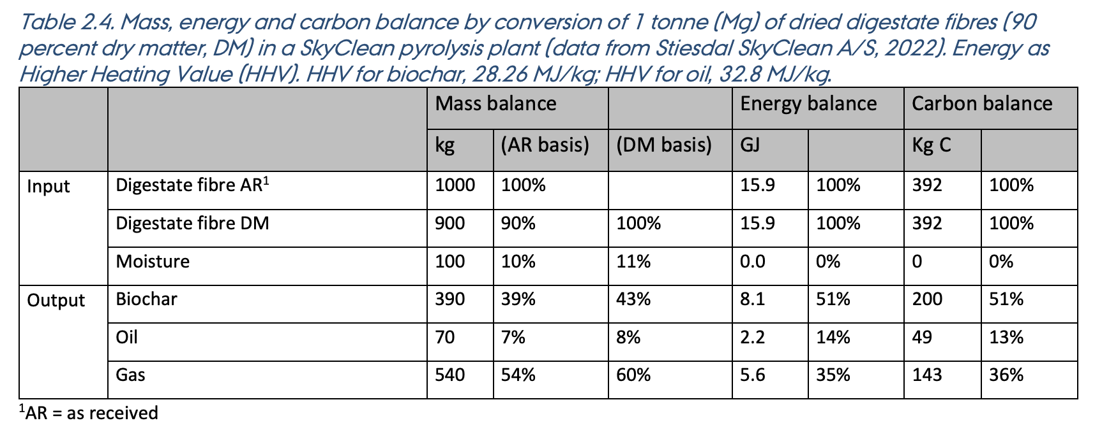
Biogas DM conversion | DMtoBiogas/Dmbiomass | 0.4632
Digestate yield | tdigestate/tbiomass inp | 0.944416 | -1.9785251397
Digestate flow | t/h digestate | 53.905022831
Digestate DM content | tDM/tdigestate | 0.068207230712
Digestate DM flow | tDM/h | 3.6767123288

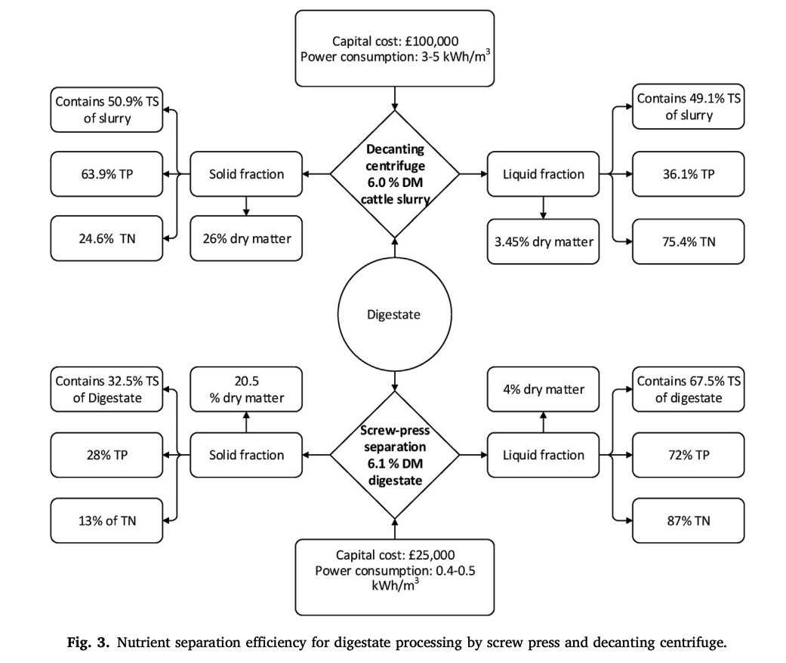
Energy DM fiber for pellets | MW/MWch4 | #REF!
DM Fibers after centrifugal decanting | tDM/tfibers | 0.74

SkyClean
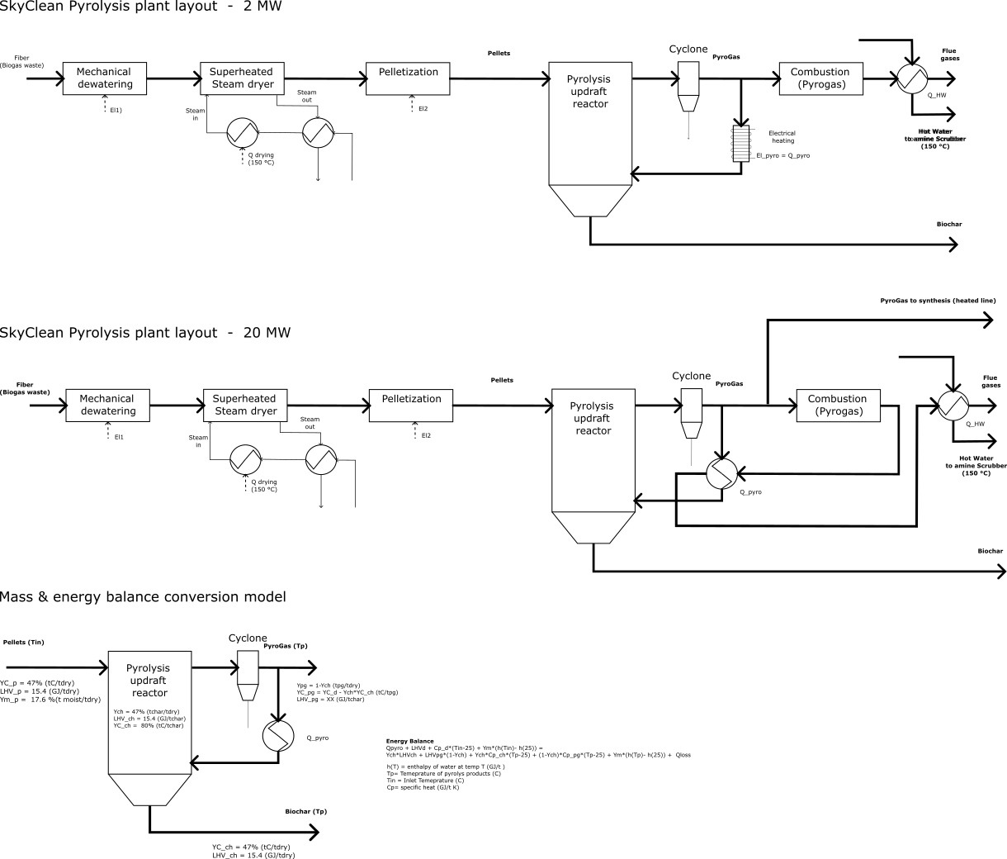
Process | Electricity [MW] | Heat MT [MW 180 - 150 C] | Heat DH [MW 140-90 C] | Heat LT [MW 90 - 50 C] | pure CO2 [t/h] | H2 [MW] | Biomass [t/h] | DM digestate [t/h] | CO2e [t/h] | BioCH4 [MW] | Methanol [MW] | bus0
SkyClean | -0.2010679517 | 1.08 | 0 | 0 | 0 | 0 | 0 | -0.553 | -0.491 | 0.00 | 0
 | -0.067022650568 | 0.36 | 0 | 0 | 0 | 0 | 0 | -0.18438777128 | -0.1637363409 | 0 | 0
Offset of CO2 tons | tCO2/ y | 5000 | Sequestred + Avoided |  |  |  |  | 20MW-> 5t/h biomass-> 4MW heat |  |  | Input from GL: SIZE
Pellets input AR LHV | MW (dry pellets) | 3 |  |  |  |  |  | Q demand for electrical pyrolysis |  |  | Input from GL
Pellets input AR LHV | tdry / h | 0.676 |  |  |  |  |  | kWh/kg pellets 10% or 20% |  |  | Assumption
Biochar | tCO2e/t dry biom | 0.8 | Sequestred emissions (will be brought back to the soil )
PyrOil + PyroGas | tCO2e/t dry biom | 0.5 | Avoided emissions (will be combusted but it Biogenic)
HHV DM fibers | 17.666666667 | MJ/kg dry
LHV DM fibers | 15.982376667 | MJ/kg dry
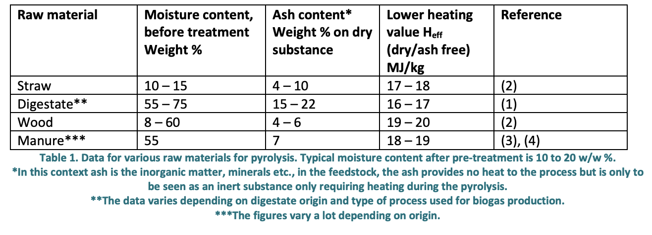
moisture pellets to pyrolysis | 20% | %W

Digestate decanting and fiber separation
DM digestate | tDM/tdigestate | 0.068207230712 | from biogas
Centrifugal decanting - DM efficiency | DMfiber/DMdigestate | 0.509 | ref
DM fibers | DMfiber/tfibers | 0.26 | ref
relative density digestate | t/m3 | 1.19 | ref
Electricity for centrifugal decanting | kWh_el/m3 | 3.5 | ref
El. for centrifugal decanting | MWhel/tDMfiber | 0.11996838331
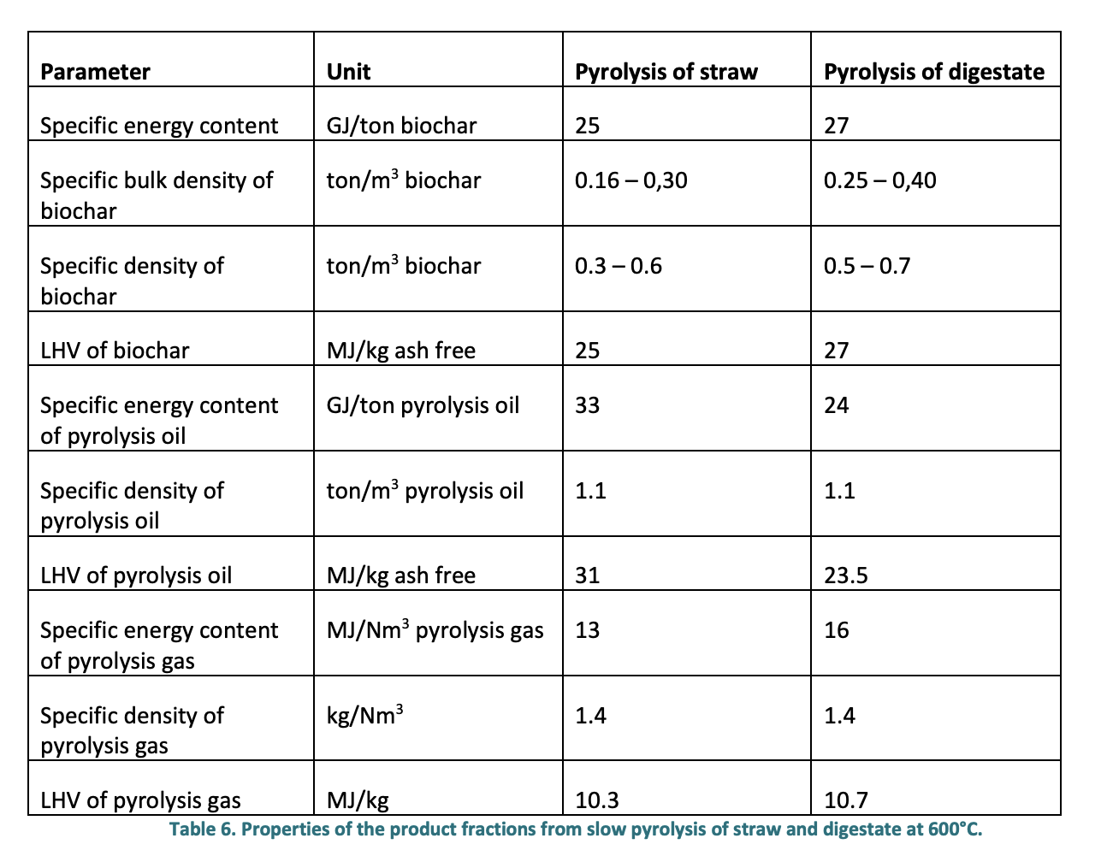
El. for centrifugal decanting | Mwel/Mwpellets | 0.027022650568

Ultimate analysis DM fibers | tentative
Ash% | 0.15
C% | 0.436
H% | 0.054
N% | 0.003
P% | 0.0006
O% delta | 0.356
H/C mol ratio | 1.5
https://www.sciencedirect.com/science/article/pii/S0306261916302240?via%3Dihub
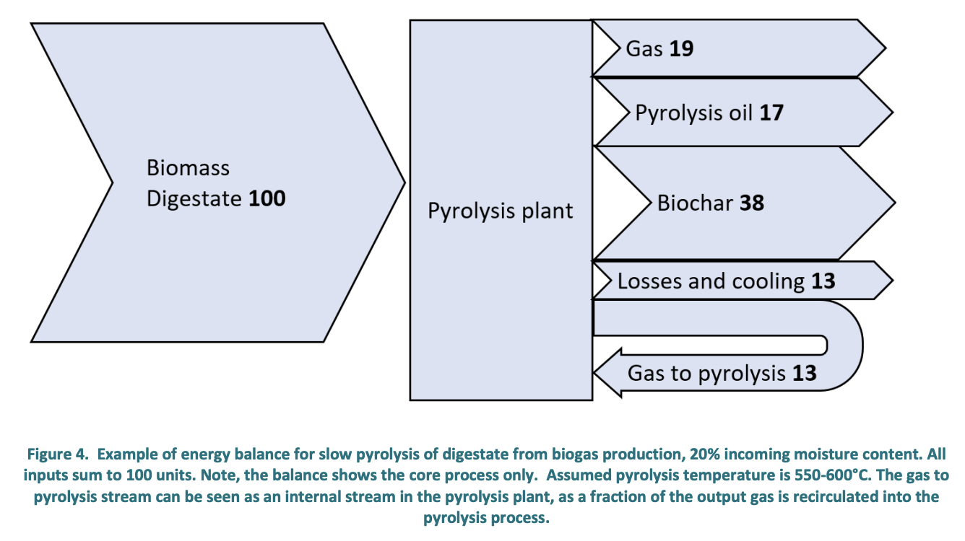
Energy demands pelletizaton
DM pellets | tDM/tpellets | 0.8
Heat drying | MWh_th/t_h2o | 1
Heat drying | MWh_th/tDM | 2.5961538462
Heat drying | MW_t/MW pellets | 1.4360970648

Inputs Digestate DM
tDMdigestet/tDMpellets | tDMdigestet/tpellets | 2.4557956778
t/hDMdigestet/MWpellets | t/hDMdigestet/MWpellets | 0.55316331385

Pyrolysis process - energy balance (LHV) - reference
Hear demand process (comb) | % energy input | 13%
Hear demand process | MWh_th/tpellets | 0.57714137963
Electrcity demand | % energy input | 4%
Electrcity demand | MWh_el/tpellets | 0.17758196296
Energy in biochar | % energy input | 38%
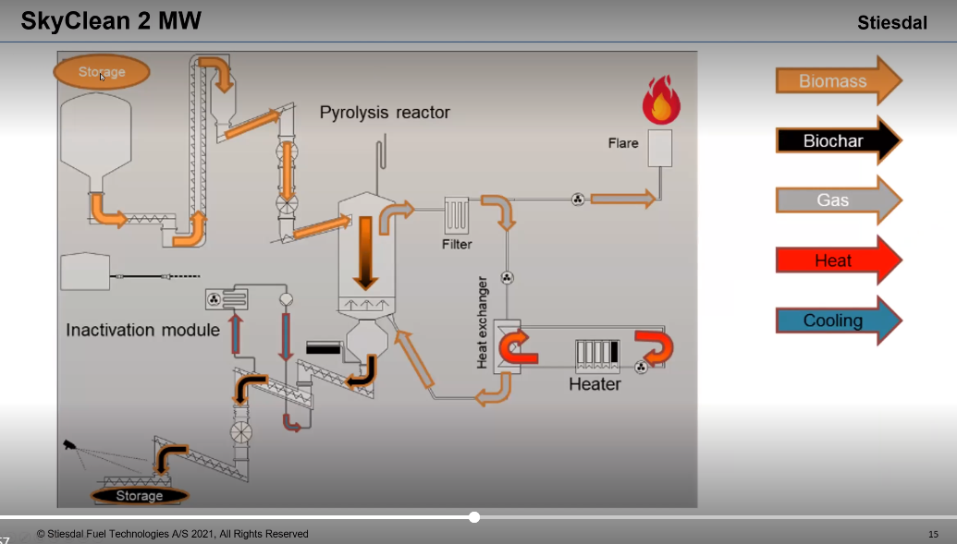
Energy in pyroOil and gas | % energy input | 36.00%
Drying demand | % energy input | 9%
Losses | % energy input | 4% | assumption

Pyrolysis process - energy balance (LHV) - GLS
Electrcity demand | MWel/MWpellets | 0.04
Energy in biochar | MWbiochar/Mwpellets | 0.38
Heat MT | MW_t/Mwpellets | 0.36
Drying | MW_t/Mwpellets | 0.09
Losses | MW_t/Mwpellets | 0.04

Carbon Balance
C yield biochar | % C DM fiber | 0.37
C biochar | t/hC / MW pellets | 0.20467042612

Coefficienct for Char stability in soil (100 yeaes) | tC stored/tC biochar | 0.8 | ref

Methanol plant
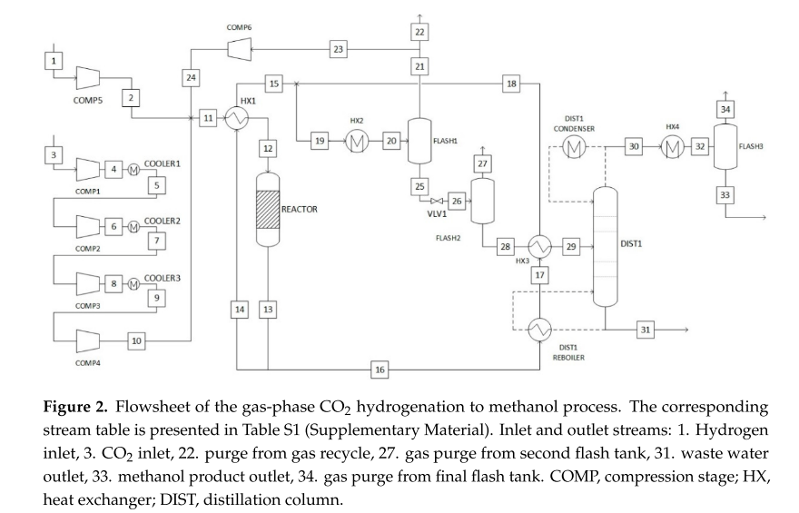
Process | Electricity [MW] | Heat MT [MW 180 - 150 C] | Heat DH [MW 140-90 C] | Heat LT [MW 90 - 50 C] | pure CO2 [t/h] | H2 [MW] | Biomass [t/h] | DM digestate [t/h] | CO2e [t/h] | BioCH4 [MW] | Methanol [MW] |  |  |  | bus0
Gas-phase Methanol | -0.1625 | -0.94223826715 | 0.26 | 0 | -2.274368231 | -10.397111913 | 0 | 0 | 0 | 0.000 | 9
xx/MWmeoh base | -0.0181 | -0.1047 | 0.0285 | 0 | -0.2527 | -1.1552 | 0.0000 | 0.0000 | 0.0000 | 0.0000 | 1.0000
SOURCE: Danish Energy Agency, data_sheets_for_renewable_fuels.xlsx

Inputs |  |  |  | mol/ t MeOH
CO2 Consumption, t/t Methanol | 1.4 |  |  | 0.031818181818
Hydrogen Consumption,MWh/t Methanol | 6.4 |  |  | 3.2
Electricity Consumption, MWh/t MeOH | 0.1 |  |  | NO compression | (with compression 0,5 MWh/ton MeOH
Heat demand 200>160C | 0.58
Outputs
heat losses | 0.02
District Heating Output, MWh/MWh Total input | 0.2
MeOH(MWh/MWh total input) | 0.78 |  |  |  |  |  |  | Cost |  |  |  |  | 0.62931034483 | inv | com/tot
 |  |  |  |  |  |  |  | MeOH | H2 | El | CO2 |  | 7.3 | M€ | com
SIZE @ GL |  |  | DAE CHECK |  |  |  |  | MW | MW | MW | t/h |  | 11.6 | M€ | tot
MeOH prod | MW | 9 |  |  |  |  |  | 1 | 1.155 | 1.70 | 0.25270758123 |  | 2.474 | t/h
LHV MeOH | MWh/t | 5.54 |  |  |  |  |  | 1552339 |  | 964645.00 |  |  | 13.70596 | MW
MeOH prod | t/h | 1.6245487365 |  |  |  |  |  | 1552339 |  | 1638810.79 | -86471.79 |  | 0.84634713657 | M€/MW
CO2 in | t/h | 2.274368231 | OK |  |  |  |  |  |  |  |  |  | 0.704056 | M€/MW
H2 in | MW | 10.397111913
El in with COMPRESSION | MW | 0.81227436823 |  | Includes ELECTROLYSIS AND COMPRESSION but it is unclear the intial pressure of H2
El in NO compression | MW | 0.16245487365
Heat in (MT) | MW | 0.94223826715
Heat out T> 150C | MW | 0
Heat out 150 C>T>80C | MW | 0.25641025641
Heat DH (T> 80) | MW | 0
OLD ASSUMPTIONS
H2/CO2 ratio | mol/mol | 3 |  | MeOH out | t/h | 1
H2 input | Nm3/h | 5000 |  | CO2 in | t/h | 1.7063736264
H2 input | MW | 15 |  | H2 in | t/h | 0.23428571429
CO2 input | Nm3/h | 1666.6666667 |  | El in | kWh/tMeOH | 624
H2 input | kg/h | 403.85 |  | Heat out | kWh/tMeOH | 2697
CO2 input | kg/h | 2955 |  | Cooling need | kWh/tMeOH | 2960
Methanol output | kg/h | 1723.75
Methanol output | MW | 9.6242708333
CO2 emissions | kg/h | 424.30769231 |  |  |  |  |  |  |  |  |  |  |  |  |  | Comparison with Technology Data Catalogue based on Topsoe
H2 STP density | NM3/kg | 11.940298507
Heat demand | MW | 0
Electricity demand | MW | 1.07562 | Initial H2 pressure: 30 bars, CO2 pressure 1 bar
Excess heat (comb waste streams) | MW | 4.64895375 |  |  |  |  |  |  |  |  |  |  |  |  |  | consumption per ton of AA grade Methanol
Cooling | MW | 5.1023 |  |  |  |  |  |  |  |  |  |  |  |  |  | El (kWh) | 500 | INC. Compressors based on partialy pressurized H2 and ambient pressure CO2
Extra compresison power | MW | 0.15705277778 | estimted 1% of HHV to comrpess form 20 bar to 30 bar |  |  |  |  |  |  |  |  |  |  |  |  | El (kWh) | 100 | NO COMP
 |  |  |  |  |  |  |  |  |  |  |  |  |  |  |  | LP steam (kg) | 1600
LHV methanol | MJ/kg | 19.09 |  |  |  |  |  |  | 13.70596 |  |  |  |  |  |  | CO2 - Nm3(kg) | 715 | 1400
LHV H2 | MJ/kg |  |  |  |  |  |  |  |  |  |  |  |  |  |  | H2 Nm3 | 2130
 |  |  |  |  |  |  |  |  |  |  |  |  |  |  |  | Production epr ton of MeOH
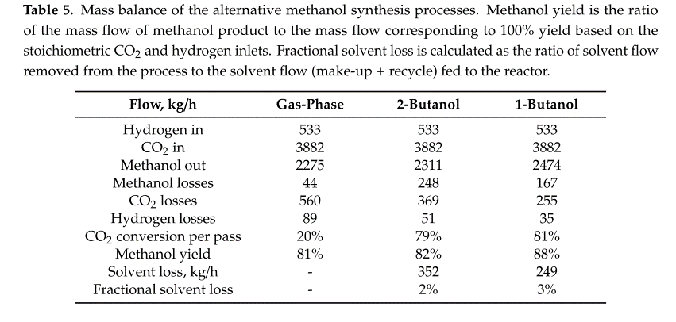
 |  |  |  |  |  |  |  |  |  |  |  |  |  |  |  | MP steam (kg ) 670

 |  |  |  |  |  |  |  |  |  |  |  |  |  | 533

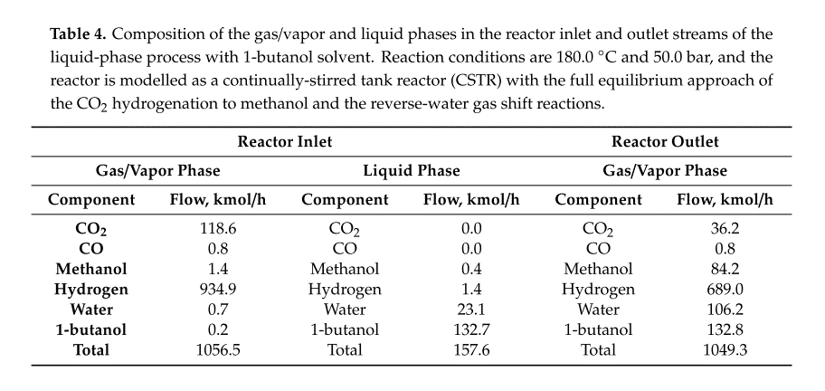

 |  |  |  |  |  |  |  |  |  |  |  | 1.54625

