Calc
 | e_0 | C_c
 | 1.000 | 0.005

Strain Incremant static
Index | total stress [kPa] sigma_0 | total strain epsilon [-] | Delta Strain Increment delta_epsilon | E_s | Additional Stress delta_sigma'
1 | 1.00 | 0 | 0.0005 | 400.00 | 0.20
2 | 1.20 | 0.0005 | 0.0005 | 480.00 | 0.24
3 | 1.44 | 0.001 | 0.0005 | 576.00 | 0.29
4 | 1.73 | 0.0015 | 0.0005 | 691.20 | 0.35
5 | 2.07 | 0.002 | 0.0005 | 829.44 | 0.41
6 | 2.49 | 0.0025 | 0.0005 | 995.33 | 0.50
7 | 2.99 | 0.003 | 0.0005 | 1194.39 | 0.60
8 | 3.58 | 0.0035 | 0.0005 | 1433.27 | 0.72
9 | 4.30 | 0.004 | 0.0005 | 1719.93 | 0.86
10 | 5.16 | 0.0045 | 0.0005 | 2063.91 | 1.03
11 | 6.19 | 0.005 | 0.0005 | 2476.69 | 1.24
12 | 7.43 | 0.0055 | 0.0005 | 2972.03 | 1.49
13 | 8.92 | 0.006 | 0.0005 | 3566.44 | 1.78
14 | 10.70 | 0.0065 | 0.0005 | 4279.73 | 2.14
15 | 12.84 | 0.007 | 0.0005 | 5135.67 | 2.57
16 | 15.41 | 0.0075 | 0.0005 | 6162.81 | 3.08
17 | 18.49 | 0.008 | 0.0005 | 7395.37 | 3.70
18 | 22.19 | 0.0085 | 0.0005 | 8874.44 | 4.44
19 | 26.62 | 0.009 | 0.0005 | 10649.33 | 5.32
20 | 31.95 | 0.0095 | 0.0005 | 12779.20 | 6.39
21 | 38.34 | 0.01 | 0.0005 | 15335.04 | 7.67
22 | 46.01 | 0.0105 | 0.0005 | 18402.05 | 9.20
23 | 55.21 | 0.011 | 0.0005 | 22082.46 | 11.04
24 | 66.25 | 0.0115 | 0.0005 | 26498.95 | 13.25
25 | 79.50 | 0.012 | 0.0005 | 31798.74 | 15.90
26 | 95.40 | 0.0125 | 0.0005 | 38158.49 | 19.08
27 | 114.48 | 0.013 | 0.0005 | 45790.18 | 22.90
28 | 137.37 | 0.0135 | 0.0005 | 54948.22 | 27.47
29 | 164.84 | 0.014 | 0.0005 | 65937.86 | 32.97
30 | 197.81 | 0.0145 | 0.0005 | 79125.44 | 39.56
31 | 237.38 | 0.015 | 0.0005 | 94950.53 | 47.48
32 | 284.85 | 0.0155 | 0.0005 | 113940.63 | 56.97
33 | 341.82 | 0.016 | 0.0005 | 136728.76 | 68.36
34 | 410.19 | 0.0165 | 0.0005 | 164074.51 | 82.04
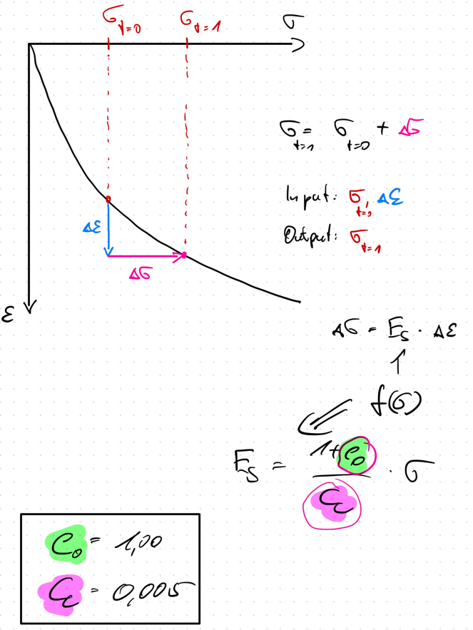
35 | 492.22 | 0.017 | 0.0005 | 196889.41 | 98.44
36 | 590.67 | 0.0175 | 0.0005 | 236267.29 | 118.13
37 | 708.80 | 0.018 | 0.0005 | 283520.75 | 141.76
38 | 850.56 | 0.0185 | 0.0005 | 340224.90 | 170.11
39 | 1020.67 | 0.019 | 0.0005 | 408269.88 | 204.13
40 | 1224.81 | 0.0195 | 0.0005 | 489923.86 | 244.96
41 | 1469.77 | 0.02 | 0.0005 | 587908.63 | 293.95
42 | 1763.73 | 0.0205 | 0.0005 | 705490.35 | 352.75
43 | 2116.47 | 0.021 | 0.0005 | 846588.42 | 423.29
44 | 2539.77 | 0.0215 | 0.0005 | 1015906.11 | 507.95
45 | 3047.72 | 0.022 | 0.0005 | 1219087.33 | 609.54
46 | 3657.26 | 0.0225 | 0.0005 | 1462904.80 | 731.45
47 | 4388.71 | 0.023 | 0.0005 | 1755485.75 | 877.74
48 | 5266.46 | 0.0235 | 0.0005 | 2106582.91 | 1053.29
49 | 6319.75 | 0.024 | 0.0005 | 2527899.49 | 1263.95
50 | 7583.70 | 0.0245 | 0.0005 | 3033479.38 | 1516.74
51 | 9100.44 | 0.025 | 0.0005 | 3640175.26 | 1820.09
52 | 10920.53 | 0.0255 | 0.0005 | 4368210.31 | 2184.11

