Calc
 | e_0 | C_c
 | 1.000 | 0.005

Strain Incremant static
Index | total stress [kPa] sigma_0 | total strain epsilon [-] | Delta Strain Increment delta_epsilon | E_s | Additional Stress delta_sigma'
1 | 5.00 | 0 | 0.0005 | 2000.00 | 1.00
2 | 6.00 | 0.0005 | 0.0005 | 2400.00 | 1.20
3 | 7.20 | 0.001 | 0.0005 | 2880.00 | 1.44
4 | 8.64 | 0.0015 | 0.0005 | 3456.00 | 1.73
5 | 10.37 | 0.002 | 0.0005 | 4147.20 | 2.07
6 | 12.44 | 0.0025 | 0.0005 | 4976.64 | 2.49
7 | 14.93 | 0.003 | 0.0005 | 5971.97 | 2.99
8 | 17.92 | 0.0035 | 0.0005 | 7166.36 | 3.58
9 | 21.50 | 0.004 | 0.0005 | 8599.63 | 4.30
10 | 25.80 | 0.0045 | 0.0005 | 10319.56 | 5.16
11 | 30.96 | 0.005 | 0.0005 | 12383.47 | 6.19
12 | 37.15 | 0.0055 | 0.0005 | 14860.17 | 7.43
13 | 44.58 | 0.006 | 0.0005 | 17832.20 | 8.92
14 | 53.50 | 0.0065 | 0.0005 | 21398.64 | 10.70
15 | 64.20 | 0.007 | 0.0005 | 25678.37 | 12.84
16 | 77.04 | 0.0075 | 0.0005 | 30814.04 | 15.41
17 | 92.44 | 0.008 | 0.0005 | 36976.85 | 18.49
18 | 110.93 | 0.0085 | 0.0005 | 44372.22 | 22.19
19 | 133.12 | 0.009 | 0.0005 | 53246.67 | 26.62
20 | 159.74 | 0.0095 | 0.0005 | 63896.00 | 31.95
21 | 191.69 | 0.01 | 0.0005 | 76675.20 | 38.34
22 | 230.03 | 0.0105 | 0.0005 | 92010.24 | 46.01
23 | 276.03 | 0.011 | 0.0005 | 110412.29 | 55.21
24 | 331.24 | 0.0115 | 0.0005 | 132494.75 | 66.25
25 | 397.48 | 0.012 | 0.0005 | 158993.69 | 79.50
26 | 476.98 | 0.0125 | 0.0005 | 190792.43 | 95.40
27 | 572.38 | 0.013 | 0.0005 | 228950.92 | 114.48
28 | 686.85 | 0.0135 | 0.0005 | 274741.10 | 137.37
29 | 824.22 | 0.014 | 0.0005 | 329689.32 | 164.84
30 | 989.07 | 0.0145 | 0.0005 | 395627.19 | 197.81
31 | 1186.88 | 0.015 | 0.0005 | 474752.63 | 237.38
32 | 1424.26 | 0.0155 | 0.0005 | 569703.15 | 284.85
33 | 1709.11 | 0.016 | 0.0005 | 683643.78 | 341.82
34 | 2050.93 | 0.0165 | 0.0005 | 820372.54 | 410.19
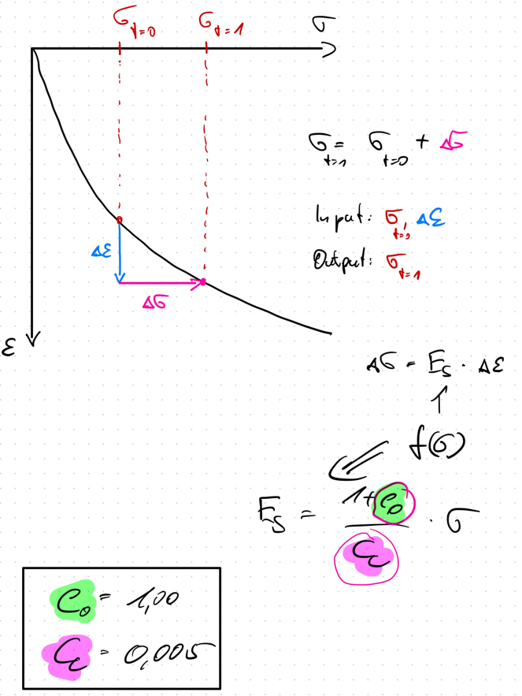
35 | 2461.12 | 0.017 | 0.0005 | 984447.05 | 492.22
36 | 2953.34 | 0.0175 | 0.0005 | 1181336.46 | 590.67
37 | 3544.01 | 0.018 | 0.0005 | 1417603.75 | 708.80
38 | 4252.81 | 0.0185 | 0.0005 | 1701124.50 | 850.56
39 | 5103.37 | 0.019 | 0.0005 | 2041349.40 | 1020.67
40 | 6124.05 | 0.0195 | 0.0005 | 2449619.28 | 1224.81
41 | 7348.86 | 0.02 | 0.0005 | 2939543.14 | 1469.77
42 | 8818.63 | 0.0205 | 0.0005 | 3527451.76 | 1763.73
43 | 10582.36 | 0.021 | 0.0005 | 4232942.12 | 2116.47
44 | 12698.83 | 0.0215 | 0.0005 | 5079530.54 | 2539.77
45 | 15238.59 | 0.022 | 0.0005 | 6095436.65 | 3047.72
46 | 18286.31 | 0.0225 | 0.0005 | 7314523.98 | 3657.26
47 | 21943.57 | 0.023 | 0.0005 | 8777428.77 | 4388.71
48 | 26332.29 | 0.0235 | 0.0005 | 10532914.53 | 5266.46
49 | 31598.74 | 0.024 | 0.0005 | 12639497.43 | 6319.75
50 | 37918.49 | 0.0245 | 0.0005 | 15167396.92 | 7583.70
51 | 45502.19 | 0.025 | 0.0005 | 18200876.30 | 9100.44
52 | 54602.63 | 0.0255 | 0.0005 | 21841051.56 | 10920.53

