Calc
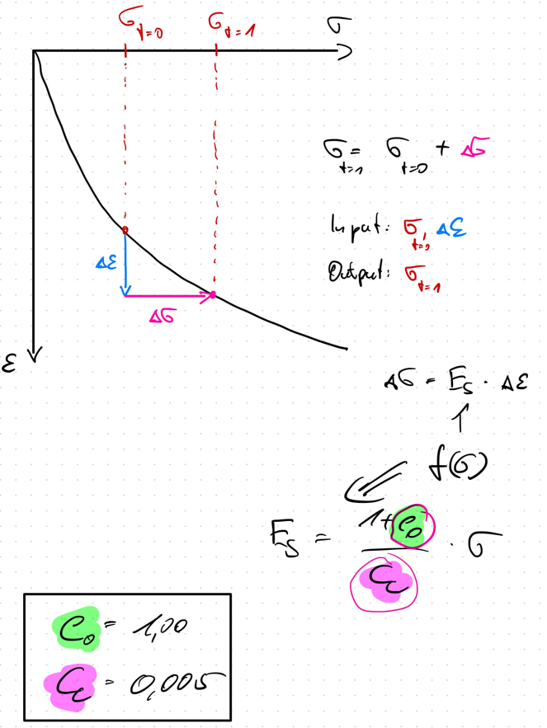
 | e_0 | C_c
 | 1.000 | 0.005

Strain Incremant static
 | total strain epsilon [-]
1500 | 0
0 | 0.0005
0 | 0.0005
0 | 0.0005
0 | 0.0005
0 | 0.0005
0 | 0.0005
0 | 0.0005
0 | 0.0005
0 | 0.0005
0 | 0.0005
0 | 0.0005
0 | 0.0005
0 | 0.0005
0 | 0.0005
0 | 0.0005
0 | 0.0005
0 | 0.0005
0 | 0.0005
0 | 0.0005
Index | total stress [kPa] sigma_0 | total strain epsilon [-] | Delta Strain Increment delta_epsilon | E_s | Additional Stress delta_sigma'
1 | 1500 | 0 | 0.0005 | 600000 | 300
2 | 0 | 0.0005 | 0 | 0 | 0
3 | 0 | 0.0005 | 0 | 0 | 0
4 | 0 | 0.0005 | 0 | 0 | 0
5 | 0 | 0.0005 | 0 | 0 | 0
6 | 0 | 0.0005 | 0 | 0 | 0
7 | 0 | 0.0005 | 0 | 0 | 0
8 | 0 | 0.0005 | 0 | 0 | 0
9 | 0 | 0.0005 | 0 | 0 | 0
10 | 0 | 0.0005 | 0 | 0 | 0
11 | 0 | 0.0005 | 0 | 0 | 0
12 | 0 | 0.0005 | 0 | 0 | 0
13 | 0 | 0.0005 | 0 | 0 | 0
14 | 0 | 0.0005 | 0 | 0 | 0
15 | 0 | 0.0005 | 0 | 0 | 0
16 | 0 | 0.0005 | 0 | 0 | 0
17 | 0 | 0.0005 | 0 | 0 | 0
18 | 0 | 0.0005 | 0 | 0 | 0
19 | 0 | 0.0005 | 0 | 0 | 0
20 | 0 | 0.0005 | 0 | 0 | 0

