Calc
 | e_0 | C_c
 | 1.000 | 0.005

Strain Incremant static
Index | total stress [kPa] sigma_0 | total strain epsilon [-] | Delta Strain Increment delta_epsilon | E_s | Additional Stress delta_sigma'
1 | 1.32 | 0 | 0.0005 | 528.00 | 0.26
2 | 1.58 | 0.0005 | 0.0005 | 633.60 | 0.32
3 | 1.90 | 0.001 | 0.0005 | 760.32 | 0.38
4 | 2.28 | 0.0015 | 0.0005 | 912.38 | 0.46
5 | 2.74 | 0.002 | 0.0005 | 1094.86 | 0.55
6 | 3.28 | 0.0025 | 0.0005 | 1313.83 | 0.66
7 | 3.94 | 0.003 | 0.0005 | 1576.60 | 0.79
8 | 4.73 | 0.0035 | 0.0005 | 1891.92 | 0.95
9 | 5.68 | 0.004 | 0.0005 | 2270.30 | 1.14
10 | 6.81 | 0.0045 | 0.0005 | 2724.36 | 1.36
11 | 8.17 | 0.005 | 0.0005 | 3269.24 | 1.63
12 | 9.81 | 0.0055 | 0.0005 | 3923.08 | 1.96
13 | 11.77 | 0.006 | 0.0005 | 4707.70 | 2.35
14 | 14.12 | 0.0065 | 0.0005 | 5649.24 | 2.82
15 | 16.95 | 0.007 | 0.0005 | 6779.09 | 3.39
16 | 20.34 | 0.0075 | 0.0005 | 8134.91 | 4.07
17 | 24.40 | 0.008 | 0.0005 | 9761.89 | 4.88
18 | 29.29 | 0.0085 | 0.0005 | 11714.27 | 5.86
19 | 35.14 | 0.009 | 0.0005 | 14057.12 | 7.03
20 | 42.17 | 0.0095 | 0.0005 | 16868.54 | 8.43
21 | 50.61 | 0.01 | 0.0005 | 20242.25 | 10.12
22 | 60.73 | 0.0105 | 0.0005 | 24290.70 | 12.15
23 | 72.87 | 0.011 | 0.0005 | 29148.84 | 14.57
24 | 87.45 | 0.0115 | 0.0005 | 34978.61 | 17.49
25 | 104.94 | 0.012 | 0.0005 | 41974.34 | 20.99
26 | 125.92 | 0.0125 | 0.0005 | 50369.20 | 25.18
27 | 151.11 | 0.013 | 0.0005 | 60443.04 | 30.22
28 | 181.33 | 0.0135 | 0.0005 | 72531.65 | 36.27
29 | 217.59 | 0.014 | 0.0005 | 87037.98 | 43.52
30 | 261.11 | 0.0145 | 0.0005 | 104445.58 | 52.22
31 | 313.34 | 0.015 | 0.0005 | 125334.69 | 62.67
32 | 376.00 | 0.0155 | 0.0005 | 150401.63 | 75.20
33 | 451.20 | 0.016 | 0.0005 | 180481.96 | 90.24
34 | 541.45 | 0.0165 | 0.0005 | 216578.35 | 108.29
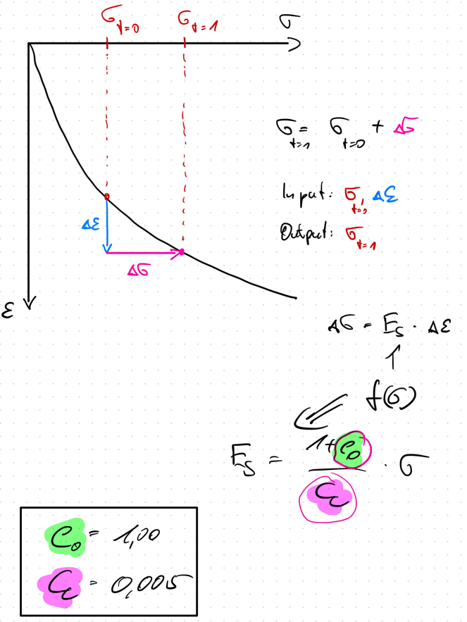
35 | 649.74 | 0.017 | 0.0005 | 259894.02 | 129.95
36 | 779.68 | 0.0175 | 0.0005 | 311872.82 | 155.94
37 | 935.62 | 0.018 | 0.0005 | 374247.39 | 187.12
38 | 1122.74 | 0.0185 | 0.0005 | 449096.87 | 224.55
39 | 1347.29 | 0.019 | 0.0005 | 538916.24 | 269.46
40 | 1616.75 | 0.0195 | 0.0005 | 646699.49 | 323.35
41 | 1940.10 | 0.02 | 0.0005 | 776039.39 | 388.02
42 | 2328.12 | 0.0205 | 0.0005 | 931247.27 | 465.62
43 | 2793.74 | 0.021 | 0.0005 | 1117496.72 | 558.75
44 | 3352.49 | 0.0215 | 0.0005 | 1340996.06 | 670.50
45 | 4022.99 | 0.022 | 0.0005 | 1609195.27 | 804.60
46 | 4827.59 | 0.0225 | 0.0005 | 1931034.33 | 965.52
47 | 5793.10 | 0.023 | 0.0005 | 2317241.20 | 1158.62
48 | 6951.72 | 0.0235 | 0.0005 | 2780689.43 | 1390.34
49 | 8342.07 | 0.024 | 0.0005 | 3336827.32 | 1668.41
50 | 10010.48 | 0.0245 | 0.0005 | 4004192.79 | 2002.10
51 | 12012.58 | 0.025 | 0.0005 | 4805031.34 | 2402.52
52 | 14415.09 | 0.0255 | 0.0005 | 5766037.61 | 2883.02

