Calc
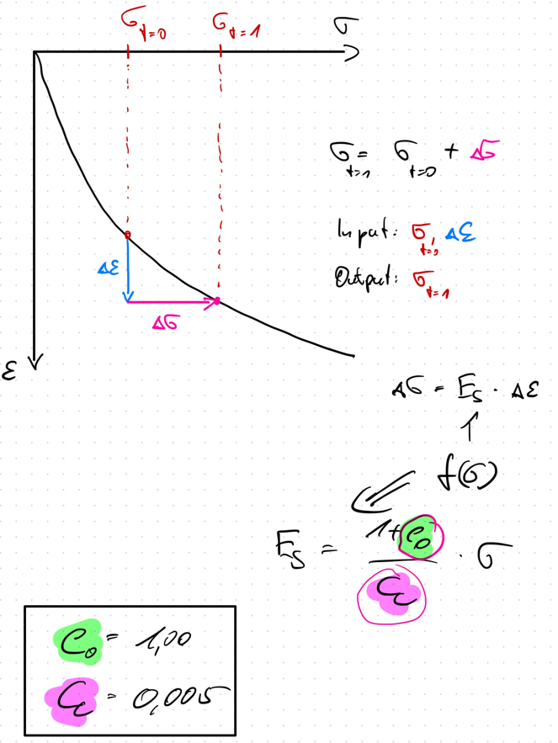
 | e_0 | C_c
 | 1.000 | 0.005

Strain Incremant static
 | total strain epsilon [-]
1 | 0
1.2 | 0.0005
1.44 | 0.001
1.728 | 0.0015
2.0736 | 0.002
2.48832 | 0.0025
2.985984 | 0.003
3.5831808 | 0.0035
4.29981696 | 0.004
5.159780352 | 0.0045
6.1917364224 | 0.005
7.4300837069 | 0.0055
8.9161004483 | 0.006
10.699320538 | 0.0065
12.839184645 | 0.007
15.407021575 | 0.0075
18.48842589 | 0.008
22.186111067 | 0.0085
26.623333281 | 0.009
31.947999937 | 0.0095
Index | total stress [kPa] sigma_0 | total strain epsilon [-] | Delta Strain Increment delta_epsilon | E_s | Additional Stress delta_sigma'
1 | 1 | 0 | 0.0005 | 400 | 0.2
2 | 1.2 | 0.0005 | 0.0005 | 480 | 0.24
3 | 1.44 | 0.001 | 0.0005 | 576 | 0.288
4 | 1.728 | 0.0015 | 0.0005 | 691.2 | 0.3456
5 | 2.0736 | 0.002 | 0.0005 | 829.44 | 0.41472
6 | 2.48832 | 0.0025 | 0.0005 | 995.328 | 0.497664
7 | 2.985984 | 0.003 | 0.0005 | 1194.3936 | 0.5971968
8 | 3.5831808 | 0.0035 | 0.0005 | 1433.27232 | 0.71663616
9 | 4.29981696 | 0.004 | 0.0005 | 1719.926784 | 0.859963392
10 | 5.159780352 | 0.0045 | 0.0005 | 2063.9121408 | 1.0319560704
11 | 6.1917364224 | 0.005 | 0.0005 | 2476.694569 | 1.2383472845
12 | 7.4300837069 | 0.0055 | 0.0005 | 2972.0334828 | 1.4860167414
13 | 8.9161004483 | 0.006 | 0.0005 | 3566.4401793 | 1.7832200897
14 | 10.699320538 | 0.0065 | 0.0005 | 4279.7282152 | 2.1398641076
15 | 12.839184645 | 0.007 | 0.0005 | 5135.6738582 | 2.5678369291
16 | 15.407021575 | 0.0075 | 0.0005 | 6162.8086298 | 3.0814043149
17 | 18.48842589 | 0.008 | 0.0005 | 7395.3703558 | 3.6976851779
18 | 22.186111067 | 0.0085 | 0.0005 | 8874.444427 | 4.4372222135
19 | 26.623333281 | 0.009 | 0.0005 | 10649.333312 | 5.3246666562
20 | 31.947999937 | 0.0095 | 0.0005 | 12779.199975 | 6.3895999874

