ORG Chart
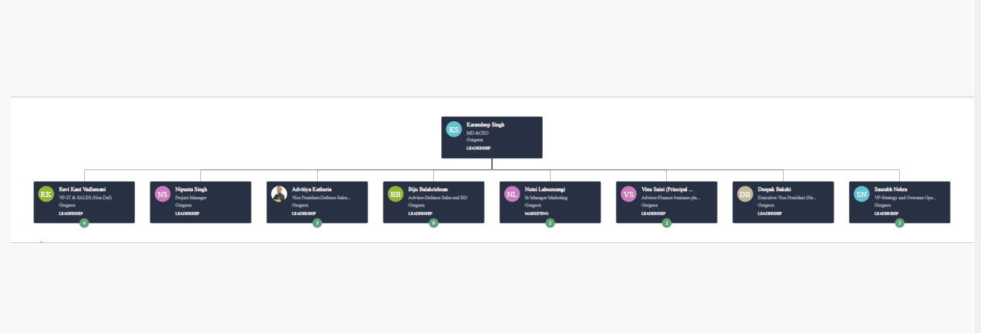
DOA / Org Structure for HR & Payroll

