Hoja1
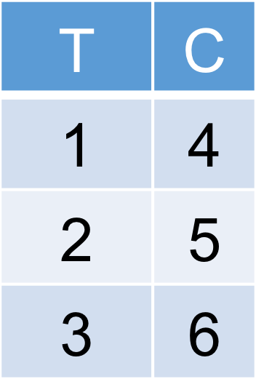
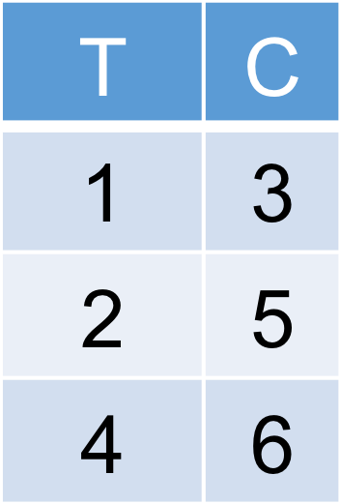
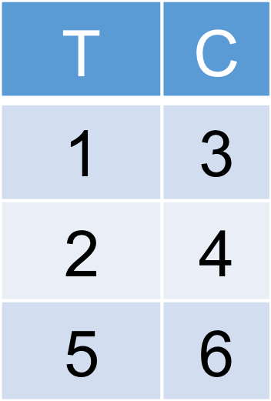

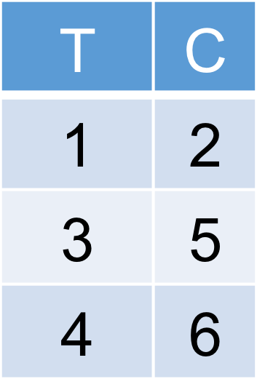



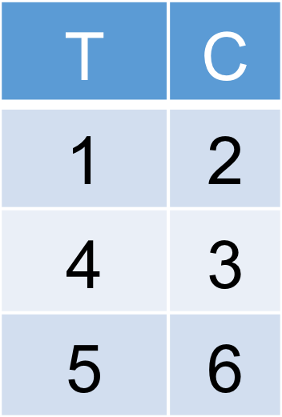

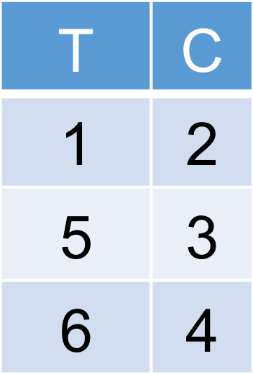
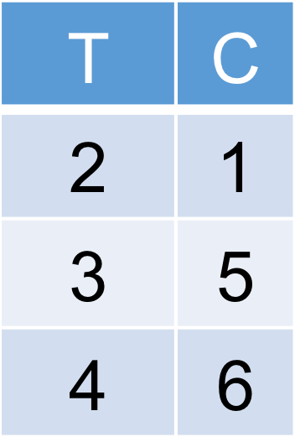
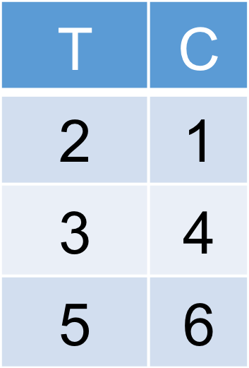
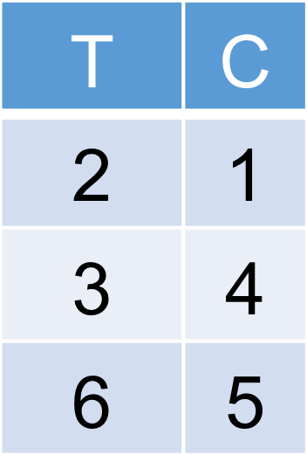
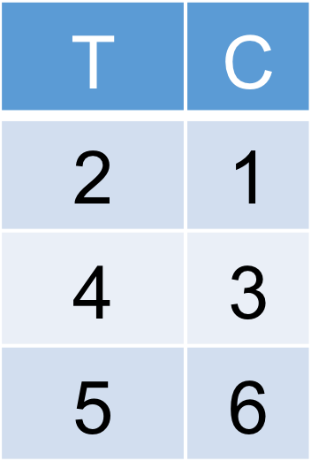

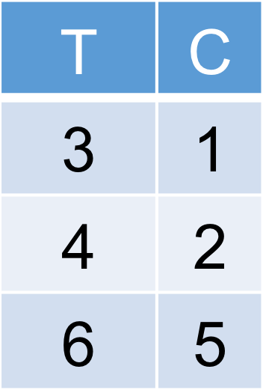
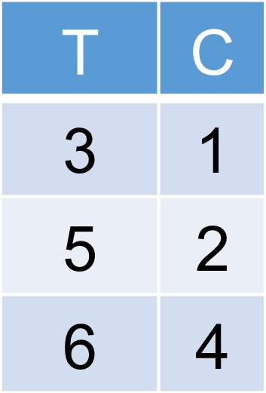
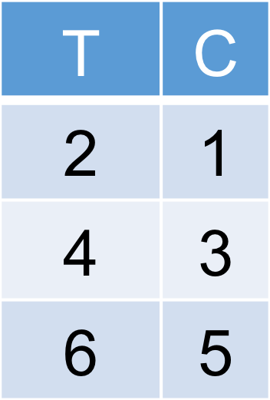
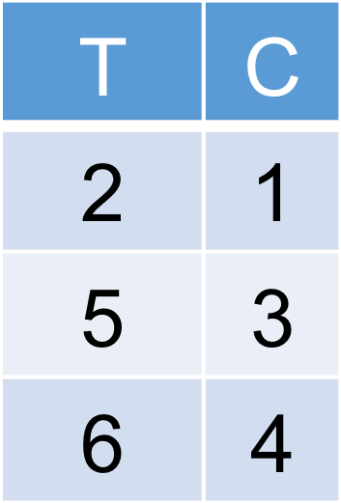
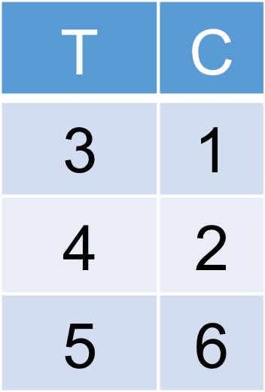
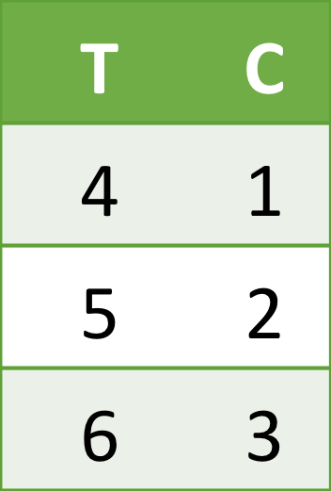

p = 1/20
p = 0.05
No rechazo

T | C | T | C | T | C | T | C | T | C | T | C | T | C | T | C | T | C | T | C
1 | 4 | 1 | 3 | 1 | 3 | 1 | 3 | 1 | 2 | 1 | 2 | 1 | 2 | 1 | 2 | 1 | 2 | 1 | 2
2 | 5 | 2 | 5 | 2 | 4 | 2 | 4 | 3 | 5 | 3 | 4 | 3 | 4 | 4 | 3 | 4 | 3 | 4 | 3
3 | 6 | 4 | 6 | 5 | 6 | 6 | 5 | 4 | 6 | 5 | 6 | 6 | 5 | 5 | 6 | 6 | 5 | 6 | 5
6 | 15 | 7 | 14 | 8 | 13 | 9 | 12 | 8 | 13 | 9 | 12 | 10 | 11 | 10 | 11 | 11 | 10 | 11 | 10
 | -9 |  | -7 |  | -5 |  | -3 |  | -5 |  | -3 |  | -1 |  | -1 |  | 1 |  | 1

T | C | T | C | T | C | T | C | T | C | T | C | T | C | T | C | T | C | T | C
1 | 2 | 2 | 1 | 2 | 1 | 2 | 1 | 2 | 1 | 2 | 1 | 2 | 1 | 3 | 1 | 3 | 1 | 3 | 1
5 | 3 | 3 | 5 | 3 | 4 | 3 | 4 | 4 | 3 | 4 | 3 | 5 | 3 | 4 | 2 | 4 | 2 | 5 | 2
6 | 4 | 4 | 6 | 5 | 6 | 6 | 5 | 5 | 6 | 6 | 5 | 6 | 4 | 5 | 6 | 6 | 5 | 6 | 4
12 | 9 | 9 | 12 | 10 | 11 | 11 | 10 | 11 | 10 | 12 | 9 | 13 | 8 | 12 | 9 | 13 | 8 | 14 | 7
 | 3 |  | -3 |  | -1 |  | 1 |  | 1 |  | 3 |  | 5 |  | 3 |  | 5 |  | 7

