Overview
TYPES OF ERROR:
Typo or Spelling (Village, Market)
Sweep1
Incorrect ward name/code
Alternative (Incorrect) Market Name
Alternative (Incorrect) Ward Name
mrkta_crossref2: cleaned mrkta names data from mrkta cleaning script (with duplicate markets - dutwa and majimoto correction).
- comprising all unique combinations of district / ward / village / market
mrktc_names: cleaned mrktc names data (i.e. basic string cleaning) from mrktc cleaning script for further cleaning steps.
- comprised of all unique combinations of district / ward / village / market.
Sweep1:
- Order both mrkta nad mrktc data by ward code for this sweep.
- using mrkta_crossref2 as the reference list compare to mrktc names and identify rows with clear and obvious spelling or typo errors. e.g. where all columns have match mrkta data but with letters missing or misspellings.
- review all unmatched names (village, market) for clear and obvious spelling errors with mrkta_crossref2 as the reference list. make these spelling corrections.
Load this sweep1 data in to r mrktc c cleaning script
join it to the mrktc data and then update the mrktc_names list with distinct ocmbinations of district / ward / village / market.
Use the new list (mrktc_names_clean2) to coduct sweep 2
- order by either ward, village or market name and then do checks e.g. number of surveys, GPS etc

mrktc_notA_names_sweep5
district.region.code | district.region.name | ward.code.2 | ward.name.2 | village.2 | market.name.2 | ward.code.3A | ward.name.3A | village.3A | market.name.3A | corrected.3A | map_check.3A
61 | katavi | 610106 | majimoto | kitupa | majimoto | 610106 | majimoto | kitupa | majimoto.a | no.error | Y
61 | katavi | 610113 | sibwesa | minyagala | sibwesa | 610113 | sibwesa | sibwesa | sibwesa | mrktA.error | Y
61 | katavi | 610113 | sibwesa | sibwesa | sibwesa | 610113 | sibwesa | sibwesa | sibwesa | mrktA.error | Y
62 | simiyu | 620117 | dutwa | igaganulwa | dutwa | 620117 | dutwa | igaganulwa | igaganulwa | mrkt.error | Y
63 | mbeya | 630111 | madibila | mkonywa | 4 | 630111 | madibila | chalisuka | madibira | village.mrkt.error | Y
64 | mtwara | 640104 | chanikanguo | chanikanguo | chanikanguo | 640104 | chanikanguo | chanikanguo | chanikanguo | unknown | N
64 | mtwara | 640111 | mbuyuni | mbuyuni | mbuyuni | 640111 | mbuyuni | mbuyuni | mbuyuni | unknown | N
64 | mtwara | 640122 | ndomoni | mbaju | ndomoni | 640122 | ndomoni | mbaju | ndomoni | unknown | N
68 | mwanza | 680101 | ngudu | kakola | ngudu | 680101 | ngudu | kakola | kakola | mrkt.name.error | Y

Market names data which appear in the cleaned market C dataframe but not in the market A dataframe, compare names listed above with cleaned market A data

Market A names not in Market C data for quick crossref |  |  |  |  |  | Check location data:
district.region.code | district.region.name | ward.code | ward.name | village | market.name |  | map_check
61 | katavi | 610106 | majimoto | kitupa | majimoto.a | mrktc_matched | Y
61 | katavi | 610106 | majimoto | kitupa | majimoto.b | mrktc_unmatched | Y
61 | katavi | 610109 | chamalendi | sibwesa | sibwesa | mrtka_ward.error | Y
62 | simiyu | 620117 | dutwa | igaganulwa | igaganulwa | mrkta_village.error | Y
64 | mtwara | 640106 | mwengemtapika | nangaya | nangaya | mrktc_unmatched | Y
64 | mtwara | 640113 | mtandi | madeco | madeco | mrktc_unmatched
64 | mtwara | 640115 | mwenge.mtapika | mwenge | mwenge | mrktc_unmatched
68 | mwanza | 680101 | ngudu | kakola | kakola | mrktc_mrkt.name.error | Y

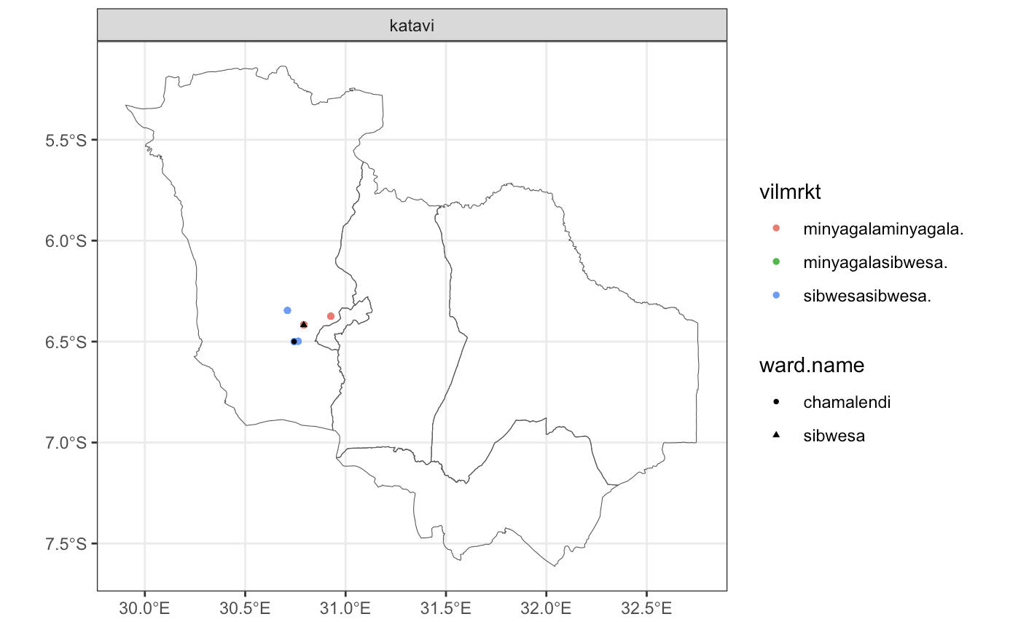
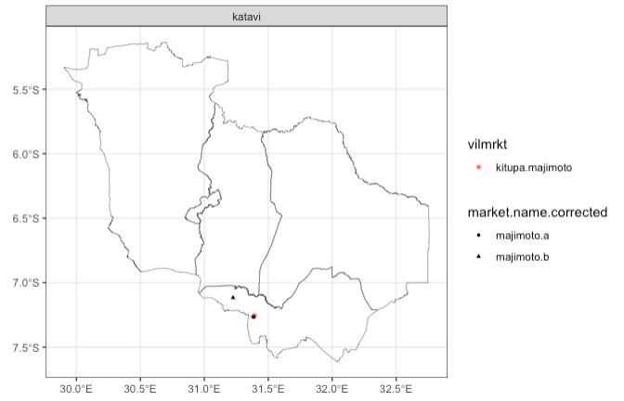
 | SIBWESA |  |  |  |  |  |  |  |  |  |  | MAJIMOTO
 | black = mrkta |  |  |  |  |  |  |  |  |  |  | black = mrkta
 | colours=mrktc |  |  |  |  |  |  |  |  |  |  | colour = mrktc

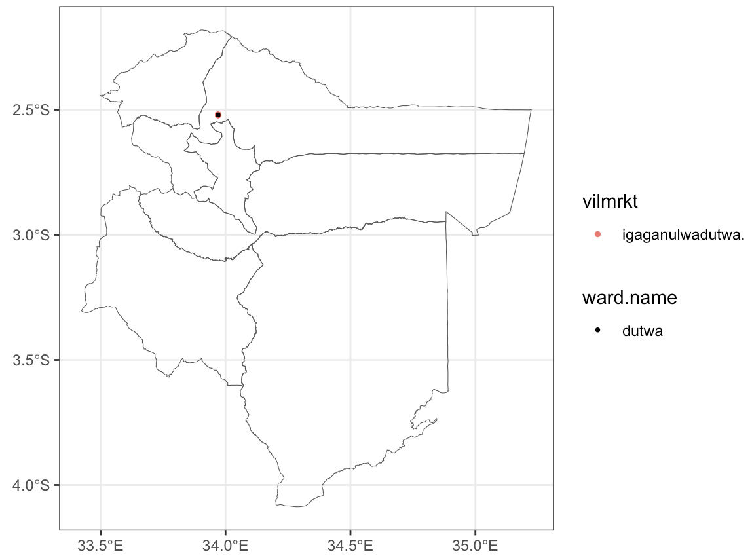
 | DUTWA-IGAGANULWA
 | black=mrkta
 | colour=mrktc

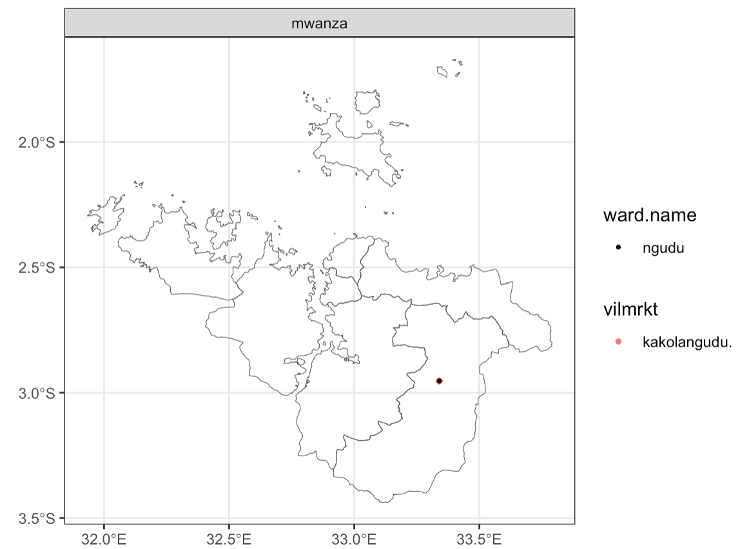
 | MWANZA-NGUDU
 | black = mrkta
 | colours = mrktc

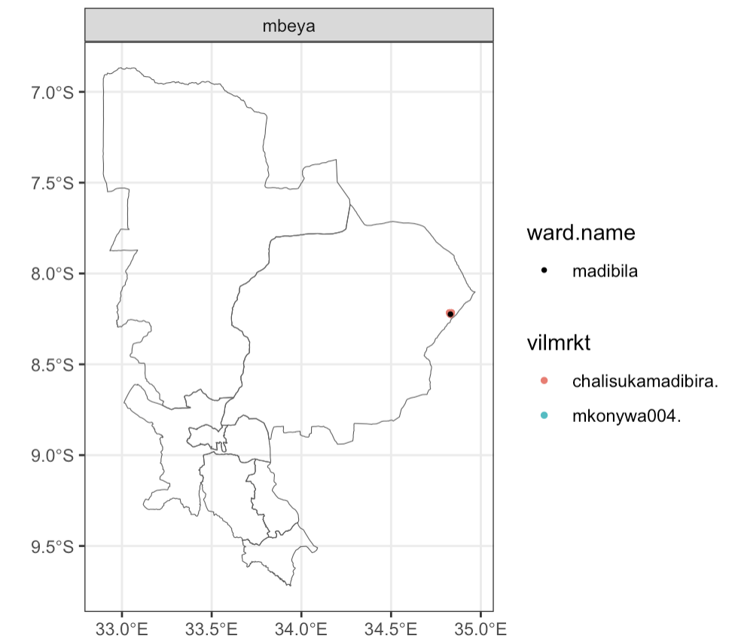
 | MBEYA - MADIBILA
 | blac = mrkta
 | colour = mrktc

