About
Notes on this data set:
This data set provides inputs for a unit commitment and/or economic dispatch study considering the existing generation in the Western Interconnection (Western Electricity Coordinating Council or WECC)
Existing geneators are clustered at varying levels of resolution (in the Large, Medium, and Small versions) based on heat rate and fixed O&M cost.
There are 12 regions (see zonal ID map below) and time series data provided for several levels of temporal resolution (10 days, 4 weeks, 8 weeks, 16 weeks, and 52 weeks). Each representative period represents 1 or more other weeks throughout the time series. The number of hours represented by each 168 hour 7 day period is given by the Representative_Period_Weight input column in the Inputs_data.csv file. Representative weeks and weights are determined via K-means clustering to minimize error in wind, solar, hydropower and demand time series within each cluster as per Mallapragada et al. (2018), Impact of model resolution on scenario outcomes for electricity sector system expansion, Energy 163 (DOI: https://doi.org/10.1016/j.energy.2018.08.015) and always include the peak demand week.
Demand follows EIA Annual Energy Outlook 2020 projected growth rates for load through 2040 (note: there is no modification of load profiles due to EV or heat pump electrification)
Renewables data profiles are from Vibrant Clean Energy, 13-km continental United States data set and are for weather year 2012
Technology costs are from NREL Annual Technology Baseline 2019 edition.
Transmission transfer limits from EPA IPM model.
All inputs generated by PowerGenome data platform, see https://github.com/gschivley/PowerGenome

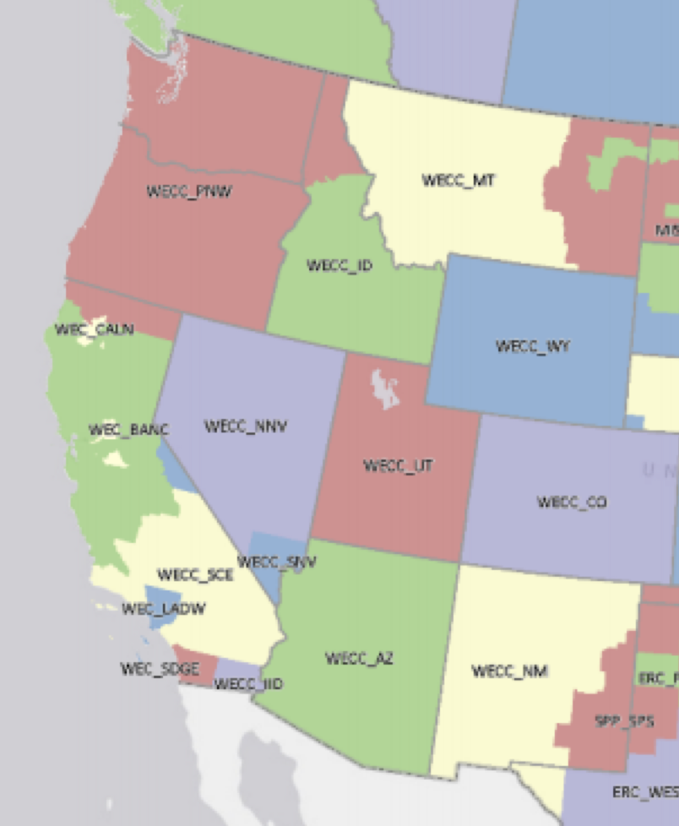
Zones:
1. NorCal = WEC_CALN and WEC_BANC (PG&E and Balancing Area of Northern California)
2. SoCal = WECC_SCE and WEC_LADW (Southern California Edison and LA Dept of Water & Power)
3. SD_IID = WECC_SDGE and WECC_IID (San Diego Gas and Electric and Imperial Irrigation District)
4. PNW = WECC_PNW (Oregon and Washington)
5. ID = WECC_ID (Idaho)
6. MT = WECC_MT (Montana)
7. NV = WECC_NNV and WECC_SNV (Nevada)
8. AZ = WECC_AZ (Arizona)
9. NM = WECC_NM (New Mexico)
10. WY = WECC_WY (Wyoming)
11. UT = WECC_UT (Utah)
12. CO = WECC_CO (Colorado)

