Practical Sales Dashboard
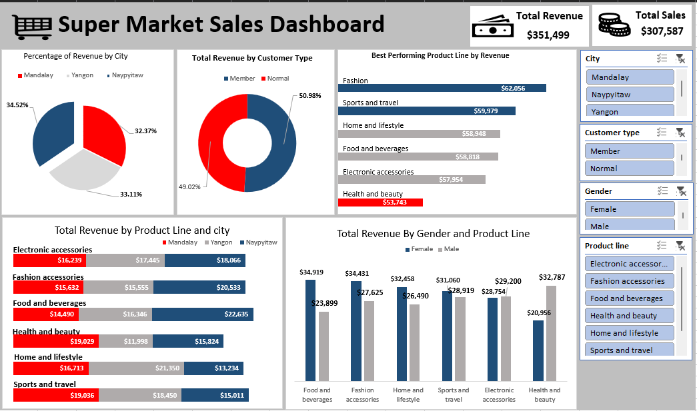

My Sales Dasboard
Total Revenue
$351,499
Total Sales
$307,587
Supermarket Sales Dashboard

Percentage of Customer Type
 | Total
Member | 50.98%
Normal | 49.02%
 | Total
Fashion accessories | 62,056
Sports and travel | 59,979
Home and lifestyle | 58,948
Food and beverages | 58,818
Electronic accessories | 57,954
Health and beauty | 53,743
Percentage Of Revenue by City
 | Total
Naypyitaw | 32.20%
Mandalay | 33.42%
Yangon | 34.38%

 | Naypyitaw | Yangon | Mandalay
Fashion accessories | 25,202 | 18,973 | 17,880
Sports and travel | 17,263 | 21,886 | 20,830
Home and lifestyle | 15,436 | 25,018 | 18,494
Food and beverages | 24,751 | 17,973 | 16,094
Electronic accessories | 20,685 | 18,794 | 18,475
Health and beauty | 18,013 | 13,724 | 22,007
 | Female | Male
Food and beverages | $34,919 | $23,899
Home and lifestyle | $32,458 | $26,490
Fashion accessories | $34,431 | $27,625
Sports and travel | $31,060 | $28,919
Electronic accessories | $28,754 | $29,200
Health and beauty | $20,956 | $32,787

