Arkusz1
 |  |  |  | Factory (indywidual test) |  |  |  |  |  |  |  |  |  |  |  |  |  |  |  |  |  |  |  |  |  |  |  |  | 112% |  | 100% |  |  |  | 100%
 |  |  |  | 10 | Start value base effeciency for 1 factory in 1 day if 100% Cap |  |  |  |  |  |  |  |  |  |  |  |  |  |  |  |  |  |  | 00_defines.lua |  |  |  |  | BICE |  | Lalak |  |  |  | Lalak
 |  |  |  | 17.00% | enter actual Efficiency Cap |  |  |  |  |  |  |  |  |  |  |  |  |  |  |  |  |  |  | BASE_FACTORY_MAX_EFFICIENCY_FACTOR = |  |  |  |  | 29% |  | 6% |  |  |  | 6%
START BASE EFFECIENCY |  |  |  | 1 | enter the number of factories |  |  |  |  |  |  |  |  |  |  |  |  | ~Output |  |  |  |  |  | USA | Indiv | Consumer Econnomy |  |  | 2% |  |  |  | 10 | 10
00_defines.lua |  |  |  | 1.70 | Value |  |  |  |  |  |  |  |  |  |  |  |  | Focus | Industrial | Resource | Other | Sum |  |  | Policies | Education Policy (-3% to +5%) |  |  | 3% |  | 3% |  | industry.txt |  | 3%
BASE_FACTORY_START_EFFICIENCY_FACTOR |  |  |  | 43.0% | Add % output production (Value from Cap) |  |  |  |  |  |  |  |  |  |  |  |  |  |  | START | 13% | 13% |  | 1930 | Research | Basic Machine Tools |  |  | 4% |  | 3% |  |  |  | 3% |  | production_factory_max_efficiency_factor
and |  |  |  | 0.731 | Add Value |  |  |  |  |  |  |  |  |  |  |  |  | 3.0% | 10% |  |  | 26% |  | 1936 |  | Fluorescent Lighting |  |  | 4% | 0.42 | 4% | 16% | 2.02 | 2.02 | 4% | 16% | 26% |  | Dispresed Industry I
BI_scripted_gui_l_english.yml |  |  |  | 2.43 | SUM | (Production value 1 factory for1 day |  |  |  |  |  |  |  |  |  |  |  | 4.0% |  |  |  | 30% |  | 1937 |  | Improwed Machine Tools |  |  | 8% |  | 5% | 21% | 2.73 | 2.73 | 5% | 21% | 30%
\n§YStarting Production Efficiency§!\nBase: §Y7.00%§!\ |  |  |  |  |  |  |  |  |  |  |  |  |  |  |  |  |  | -1% | 13% |  | 6.4% | 48% |  | 1937 |  | Tool Maintenance |  |  | 6% |  | 3% | 24% | 3.56 | 3.44 | 3% | 24% | 43% | -5% | Dispresed Industry II
 |  |  |  | TEST CALC |  |  |  |  |  |  |  |  |  |  |  |  |  |  |  | 6.0% |  | 54% |  | 1938 |  | Skills and Training |  |  | 10% | 0.66 | 2% | 26% | 4.01 | 3.88 | 2% | 26% | 49%
00_defines.lua |  |  |  | 0.47 | enter the weapon cost |  |  |  |  |  |  |  |  |  |  |  |  |  | 16% |  | -2% | 68% |  | 1939 |  | Advanced Machine Tools |  |  | 8% | 0.74 |  | 26% | 4.38 |  |  |  | 54% | -9% | Dispresed Industry III
BASE_FACTORY_SPEED_NAV = 4.2 |  |  |  | 21.28 | pcs per day if 100% efficiency production |  |  |  |  |  |  |  |  |  |  |  |  | -5% | 5% |  |  | 68% |  | 1940 |  | Advanced Machine Tools |  |  |  |  | 3% |  |  | 4.79 | 5% | 31% | 54%
BASE_FACTORY_SPEED = 3.2 |  |  |  | 5.17 | pcs per day for actual effeciency CAP |  |  |  |  |  |  |  |  |  |  |  |  | -2% | 19% | 3% |  | 88% |  | 1941 |  | Assembly Line Production |  |  | 15% | 0.89 | 4% | 33% | 6.22 | 7.15 | 10% | 41% | 74%
 |  |  |  |  |  |  |  |  |  |  |  |  |  |  |  |  |  | 1% |  |  |  | 89% |  | 1941 |  | Heliarc Welding |  |  | 2% | 0.91 | 2% | 35% | 6.63 | 7.54 | 2% | 43% | 75% |  | Dispresed Industry IV
 |  |  |  |  |  |  |  |  |  |  |  |  |  |  |  |  |  | 12% |  | 4% |  | 105% |  | 1942 |  |  |  |  |  |  |  |  |  | 6.70 |  | 35% | 91%
Wartość produkcyjna |  |  |  | Base | E. Cap | F. Output | SUM |  |  |  |  |  |  |  |  |  |  | -2% | 32% | 8% |  | 143% |  | 1943 |  | Streamlined Line |  |  | 7% | 0.98 | 26% | 61% | 14.85 | 14.45 | 20% | 63% | 129% |  | Dispresed Industry V
BASE_FACTORY_SPEED_MIL = |  |  |  | 10 | 63% | 129% | 14.427 |  |  |  |  |  |  |  |  |  |  |  | 7.5% |  |  | 151% |  | 1944 |  | Modern Machine Tools |  |  | 5% | 1.03 | 32% | 93% | 23.33 | 22.03 | 30% | 93% | 137%
 |  |  |  | Fabryk |  |  |  |  |  |  |  |  |  |  |  |  |  |  |  | 5% |  | 156% |  | 1945 |  | Automated Assembly Lines |  |  | 0% |  |  |  |  |  |  |  | 142%
 |  |  |  | dla 1/dzień | Pcs/year | Days/1 f | Need F. | Factors | Days |  | rbh |  |  |  |  |  |  |  |  |  |  | 156% |  | 1945 |  | Chemical Industry IV |  |  | 3% |  | 3% | 96% | 24.57 | 23.22 | 3% | 96% | 142%
Kr43 | 0.60 |  |  | 0.04 | 100,000 | 4,159 | 12 | 39 | 106.64 |  |  |  |  |  |  |  |  |  |  |  |  | 156% |  | 1945 |  | Industrial Grid Expansion |  |  | 6% |  | 4% | 100% | 25.59 | 24.19 | 4% | 100% | 142%
Truck | 5.00 |  |  | 0.35 | 17,605 | 6,101 | 17 | 51 | 119.64
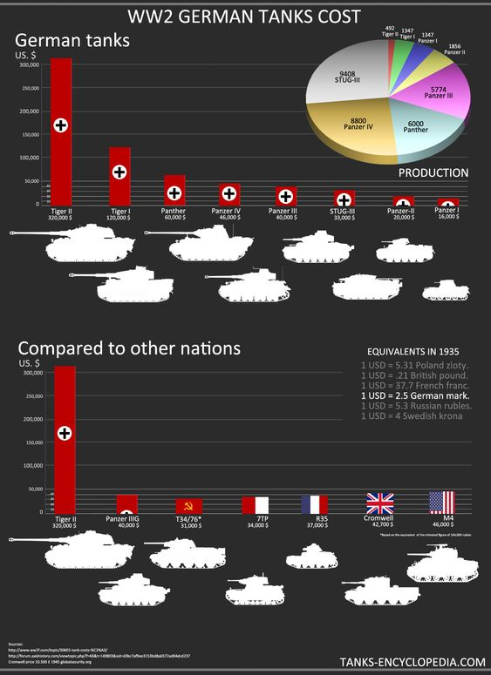
StuG III | 26.82 |  |  | 1.86 | 30 | 56 | 1 | 5 | 11.15 |  |  |  |  |  |  |  | L. Tank
Pz 38 G | 25.72 |  |  | 1.78 | 2,356 | 4,200 | 12 | 39 | 107.70 |  |  |  |  |  |  |  | M. Tank |  | 4000 | 1 | 35.0
Pz III M | 34.42 |  |  | 2.39 | 4,752 | 11,337 | 32 | 105 | 107.97 |  | 2000 |  |  |  |  |  | H. Tank |  | 7200 | 1.8 | 63.0
Pz IV F | 43.04 |  |  | 2.98 | 6,625 | 19,764 | 55 | 183 | 108.00 |  |  |  |  |  |  |  | Plane 1 eng |  | 5900 | 1.475 | 51.6
Panther | 42.87 |  |  | 2.97 | 4,003 | 11,895 | 33 | 110 | 108.14 |  | 2000 |  |  |  |  |  | Plane 2 eng |  | 13200 | 3.3 | 115.5
Tiger | 57.75 |  |  | 4.00 | 641 | 2,566 | 8 | 24 | 106.91 |  |  |  |  |  |  |  | Gun 75 |  | 800 | 0.2 | 7.0 |  |  |  |  |  | Base | 5 | Prod 1/f | 7.42
Tiger II | 70 |  |  | 4.85 | 428 | 2,077 | 6 | 20 | 103.83 |  |  |  |  |  |  |  | Gun 150 |  | 2400 | 0.6 | 21.0 |  |  |  |  |  |  | 2024 | 2025 | ! Day | 1 Year
 |  |  |  |  |  |  |  |  |  |  |  |  |  |  |  |  | Rifle |  | 9 | 0.00225 | 0.1 |  |  |  | 1943 factory distrubuted: |  |  | 367 | 432
1943 | Game |  |  | Factory | History |  | Game |  |  |  |  |  |  |  |  |  | MG |  | 329 | 0.08225 | 2.9 |  |  |  | Infantry |  |  | 195 | 256 | 1899.52 | 693,324.8
 | Price | pcs/day | pcs/year | dla 1/dzień | Pcs/year | Pcs/day | Days/1 f | Need IC | Need F. | Days | Overall pcs |  |  |  |  |  |  |  |  |  |  |  |  |  | Armoured |  |  | 73 | 77 | 571.34 | 208,539.1
Pz II | 27.34 | 0.528 | 192.61 | 1.90 | 77 | 0.21 | 146 | 2,105 | 1 | 145.92 | 803 |  |  |  |  |  | L. Tank |  |  |  |  |  |  |  | Aircraft |  |  | 98 | 101 | 749.42 | 273,538.3
Pz II [Wespe] | 24.64 | 0.586 | 641.135 | 1.71 | 514 | 1.41 | 878 | 12,665 | 3 | 292.62 |  |  |  |  |  |  | M. Tank |  | 8000 | 1 | 35.0
Pz II [Marder II] | 19.88 | 0.726 | 264.882 | 1.38 | 212 | 0.58 | 292 | 4,215 | 1 | 292.13 |  |  |  |  |  |  | H. Tank |  | 14600 | 3.65 | 127.8
Pz 38(t) [Marder III] | 26 | 0.555 | 810.132 | 1.80 | 783 | 2.15 | 1,411 | 20,358 | 4 | 352.78 | 1,008 |  |  |  |  |  | Plane 1 eng |  | 9500 | 2.375 | 83.1 |  |  |  |  |  | Base | 10 | NEW | 14.45
Pz 38(t) [Grille] | 24.64 | 0.586 | 427.423 | 1.71 | 225 | 0.62 | 384 | 5,544 | 2 | 192.14 |  |  |  |  |  |  | Plane 2 eng |  | 25300 | 6.325 | 221.4 |  |  |  | 1943 factory distrubuted: |  |  |  | 376 | ! Day | 1 Year
Pz III M | 26.82 | 0.538 | 196.341 | 1.86 | 64 | 0.18 | 119 | 1,716 | 1 | 118.98 | 3,629 |  |  |  |  |  | Gun 75 |  | 1200 | 0.3 | 10.5 |  |  |  | Infantry |  |  |  | 170 | 2456.874 | 896,759.0 | 131
Pz III N | 32 | 0.451 | 329.116 | 2.22 | 250 | 0.68 | 555 | 8,000 | 2 | 277.26 |  |  |  |  |  |  | Gun 150 |  | 4500 | 1.125 | 39.4 |  |  |  | Armoured |  |  |  | 91 | 1315.1502 | 480,029.8 | 40
Pz III Flame | 33 | 0.437 | 159.571 | 2.29 | 100 | 0.27 | 229 | 3,300 | 1 | 228.74 |  |  |  |  |  |  | Rifle |  | 12 | 0.003 | 0.11 |  |  |  | Aircraft |  |  |  | 115 | 1662.003 | 606,631.1 | 52
Pz III [StuG III] | 34.39 | 0.420 | 3062.434 | 2.38 | 3,011 | 8.25 | 7,177 | 103,548 | 20 | 358.87 |  |  |  |  |  |  | MG |  | 642 | 0.1605 | 5.6 |  |  |  |  |  |  |  | NEW | 22.03
Pz III [StuH 42] | 36.49 | 0.395 | 288.619 | 2.53 | 204 | 0.56 | 516 | 7,444 | 2 | 257.99 |  |  |  |  |  |  |  |  |  |  |  |  |  |  | 1944 factory distrubuted: |  |  |  | 417 | ! Day | 1 Year
Pz IV [Pz IV F] | 43.04 | 0.335 | 3058.698 | 2.98 | 3,013 | 8.25 | 8,989 | 129,680 | 25 | 359.55 | 3,822 |  |  |  |  |  |  |  |  |  |  |  |  |  | Infantry |  |  |  | 177 | 3899.6109 | 1,423,358.0
Pz IV [StuG IV] | 32.46 | 0.444 | 162.226 | 2.25 | 30 | 0.08 | 67 | 974 | 1 | 67.50 |  |  |  |  |  |  |  |  |  |  |  |  |  |  | Armoured |  |  |  | 96 | 2115.0432 | 771,990.8
Pz IV [Brumbar] | 45 | 0.321 | 117.019 | 3.12 | 66 | 0.18 | 206 | 2,970 | 1 | 205.86 |  |  |  |  |  |  |  |  |  |  |  |  |  |  | Aircraft |  |  |  | 144 | 3172.5648 | 1,157,986.2
Pz IV [Nashorn] | 37.62 | 0.383 | 419.925 | 2.61 | 345 | 0.95 | 900 | 12,979 | 3 | 299.88 |  |  |  |  |  |  |  |  |  |  |  |  | After in add speed
Pz IV [Hummel] | 34.96 | 0.413 | 451.875 | 2.42 | 368 | 1.01 | 892 | 12,865 | 3 | 297.25 |  |  |  |  |  |  | Cost |  | Used F. | Ov. Output | Bonus | Infrastr. | C. Speed | Days |  |  |  | Days
Panther | 46.47 | 0.310 | 1926.394 | 3.22 | 1,848 | 5.06 | 5,952 | 85,877 | 17 | 350.15 | 1,849 |  |  |  |  | Factory | 8,000 | 3.2 | 12 | 38.4 | 62.50% | 1.50 | 93.60 | 85 |  | 1936-01-01 | 1936-03-28 | 87
Jgdpanther | 39 | 0.370 | 135.022 | 2.70 | 1 | 0.00 | 3 | 39 | 1 | 2.70 |  |  |  |  |  | Synthetic | 20,000 | 3.2 | 12 | 38.4 |  |  | 58.40 | 342
Tiger | 57.75 | 0.250 | 729.469 | 4.00 | 649 | 1.78 | 2,598 | 37,480 | 8 | 324.74 | 649 |  |  |  |  | Supply | 1,500 | 3.2 | 12 | 38.4 |  |  | 58.40 | 26
Ferdinand | 60 | 0.240 | 175.528 | 4.16 | 90 | 0.25 | 374 | 5,400 | 2 | 187.15 | 90
Tiger II | 100 | 0.144 | 52.659 | 6.93 | 1 | 0.00 | 7 | 100 | 1 | 6.93 | 1 |  |  |  |  | Factory | 8,000 | 4.6 | 12 | 55.2 | 62.50% | 1.50 | 134.55 | 59 |  | 1936-01-01 | 1936-02-29 10:58:43 | 59
 |  |  | 13601.1 |  | 11,774 | 32.3 |  | 455,153 | 88 |  |  |  |  |  |  | Factory | 8,000 | 3.6 | 12 | 43.2 | 62.50% | 1.50 | 105.30 | 76 |  | 1936-01-01 | 1936-03-16 23:21:42 | 76
 |  |  |  |  |  |  |  |  |  |  |  |  |  |  |  | Factory | 8,000 | 4 | 12 | 48 | 62.50% | 1.50 | 117.00 | 68 |  | 1936-01-01 | 1936-03-09 09:01:32 | 68
1944 | Game |  |  | Factory | History |  | Game |  |  |  |  |  |  |  |  | Factory | 8,000 | 4.2 | 12 | 50.4 | 62.50% | 1.50 | 122.85 | 65 |  | 1936-01-01 | 1936-03-06 02:52:53 | 65
 | Price | pcs/day | pcs/year | dla 1/dzień | Pcs/year | Pcs/day | Days/1 f | Need IC | Need F. | Days | Overall pcs
Pz II [Wespe] | 24.64 | 0.586 | 213.7 | 1.71 | 144 | 0.39 | 246 | 3,548 | 1 | 245.94 | 144
Pz 38(t) [Hetzer] | 30 | 0.481 | 1755.3 | 2.08 | 1,687 | 4.62 | 3,508 | 50,610 | 10 | 350.80 | 2,356 |  |  |  |  | 00_defines.lua
Pz 38(t) [Marder III] | 26 | 0.555 | 405.1 | 1.80 | 323 | 0.88 | 582 | 8,398 | 2 | 291.05 |  |  |  |  |  | BASE_FACTORY_SPEED = |  |  | 2.5 |  |  | 3.2 |  |  | 3.2
Pz 38(t) [Grille] | 24.64 | 0.586 | 427.4 | 1.71 | 346 | 0.95 | 591 | 8,525 | 2 | 295.47 |  |  |  |  |  |  |  |  | Ablaze |  |  | BlackICE |  |  | Me (NEW)
Pz III [StuG III] | 34.39 | 0.420 | 3981.2 | 2.38 | 3,849 | 10.55 | 9,175 | 132,367 | 26 | 352.88 | 4,752 |  |  |  |  |  |  |  | Baze | add lvl |  | Baze | add lvl |  | Baze | add lvl | Convert
Pz III [StuH 42] | 36.49 | 0.395 | 1010.2 | 2.53 | 903 | 2.47 | 2,284 | 32,950 | 7 | 326.28 |  |  |  |  |  | infrastructure |  |  | 3,000 | 100 |  | 4,000 | 1,000 |  | 4,000 | 1,000
Pz IV [Pz IV F] | 36.22 | 0.398 | 3198.5 | 2.51 | 3,126 | 8.56 | 7,848 | 113,224 | 22 | 356.73 | 6,625 |  |  |  |  | supply_node |  |  | 10,000 |  |  | 32,000 |  |  | 32,000
Pz IV [StuG IV] | 38 | 0.380 | 1108.6 | 2.63 | 1,006 | 2.76 | 2,650 | 38,228 | 8 | 331.22 |  |  |  |  |  | rail_way |  |  | 800 | 0 |  | 2,000 | 400 |  | 1,000 | 200
Pz IV [Jgdpz IV] | 32.46 | 0.444 | 811.1 | 2.25 | 769 | 2.11 | 1,730 | 24,962 | 5 | 346.04 |  |  |  |  |  | air_base |  |  | 500 | 300 |  | 600 | 300 |  | 600 | 300
Pz IV [Jgdpz IV/70] | 38 | 0.380 | 831.5 | 2.63 | 767 | 2.10 | 2,020 | 29,146 | 6 | 336.71 |  |  |  |  |  | anti_air_building |  |  | 1,200 |  |  | 3,500 | 1,000 |  | 3,500 | 1,000
Pz IV [Brumbar] | 45 | 0.321 | 234.0 | 3.12 | 215 | 0.59 | 671 | 9,675 | 2 | 335.31 |  |  |  |  |  | radar_station |  |  | 2,000 | 2,500 |  | 4,000 | 3,000 |  | 4,000 | 3,000 |  |  | common\scripted_effects\resources_scripted_effects.txt
Pz IV [Nashorn] | 37.62 | 0.383 | 140.0 | 2.61 | 133 | 0.36 | 347 | 5,003 | 1 | 346.81 |  |  |  |  |  | arms_factory |  |  | 7,500 |  |  | 8,000 |  | 4,800 | 8,000 |  | 4,800 |  | @FUEL_OUTPUT = 60 |  |  | #Zawsze musi być równe fuel_gain_from_states (w buildings dla value synthetic_refinery) razy 24.
Pz IV [Hummel] | 34.96 | 0.413 | 301.3 | 2.42 | 289 | 0.79 | 700 | 10,103 | 2 | 350.16 |  |  |  |  |  | industrial_complex |  |  | 10,000 |  |  | 8,000 |  | 4,800 | 8,000 |  | 4,800
Pz IV [Mobelwagen] | 30 | 0.481 | 351.1 | 2.08 | 205 | 0.56 | 426 | 6,150 | 2 | 213.14 |  |  |  |  |  | dockyard |  |  | 10,000 |  |  | 24,000 |  |  | 24,000 |  |  |  | fuel_gain_from_states
PZ IV [Wirbelwind] | 30 | 0.481 | 175.5 | 2.08 | 100 | 0.27 | 208 | 3,000 | 1 | 207.94 |  |  |  |  |  | shipyard |  |  |  |  |  | 12,500 |  |  | 12,500
Pz IV [Ostwind] | 30 | 0.481 | 175.5 | 2.08 | 15 | 0.04 | 31 | 450 | 1 | 31.19 |  |  |  |  |  | subyard |  |  |  |  |  | 7,500 |  |  | 7,500
Panther | 46.47 | 0.310 | 3852.8 | 3.22 | 3,777 | 10.35 | 12,166 | 175,517 | 34 | 357.82 | 4,546 |  |  |  |  | fuel_silo |  |  | 8,000 |  | 75.0 | 14,400 |  |  | 8,000
Jgdpanther | 43 | 0.336 | 857.2 | 2.98 | 769 | 2.11 | 2,292 | 33,067 | 7 | 327.43 |  |  |  |  |  | synthetic_refinery |  |  | 18,000 |  | 2.0 | 25,000 |  | 2.5 | 18,000
Tiger | 55.61 | 0.259 | 662.8 | 3.85 | 641 | 1.76 | 2,471 | 35,646 | 7 | 352.97 | 641 |  |  |  |  | synthetic_rubber_refinery |  |  |  |  |  | 30,000 |  |  | 18,000
Tiger II | 100 | 0.144 | 421.3 | 6.93 | 377 | 1.03 | 2,613 | 37,700 | 8 | 326.64 | 428 |  |  |  |  | rocket_site |  |  | 6,400 |  |  | 12,800 |  |  | 6,400
Jagdtiger | 100 | 0.144 | 52.7 | 6.93 | 51 | 0.14 | 354 | 5,100 | 1 | 353.50 |  |  |  |  |  | steel_refinery |  |  | 10,000 |  |  | 4,400 |  |  | 10,000
 |  |  | 20966.6 |  | 19,492 | 53.4 |  | 763,371 | 155 |  |  |  |  |  |  | hydro_steel_refinery |  |  | 12,500
 |  |  |  |  |  |  |  |  |  |  |  |  |  |  |  | aluminium_refinery |  |  | 10,000 |  |  | 4,400 |  |  | 10,000
1943 |  |  |  | dla 1/dzień | Pcs/year | Pcs/day | Days/1 f |  | Need F. | Days |  |  |  |  |  | hydro_aluminium_refinery |  |  | 12,500
Bf 109 | 26.1 | 0.553 | 6052.7 | 1.81 | 6,013 | 16.47 | 10,878 | 156,939 | 30 | 362.61 | 10,059 |  |  |  |  | naval_base |  |  | 10,000 | -556 |  | 10,000 | -250 |  | 10,000 | -250
Fw 190 | 28.3 | 0.510 | 2232.9 | 1.96 | 2,171 | 5.95 | 4,259 | 61,439 | 12 | 354.89 |  |  |  |  |  | bunker |  |  | 1,500 | 1,500 |  | 8,000 | 2,000 |  | 2,500 | 1,500
Do 217 | 47.78 | 0.302 | 220.4 | 3.31 | 157 | 0.43 | 520 | 7,501 | 2 | 259.98 |  |  |  |  |  | pillbox |  |  |  |  |  | 5,000 |  |  | 1,500
He 219 | 51.2 | 0.282 | 102.8 | 3.55 | 11 | 0.03 | 39 | 563 | 1 | 39.04 |  |  |  |  |  | coastal_bunker |  |  | 1,000 | 1,000 |  | 10,000 | 3,000 |  | 4,000 | 2,500
Ju 88 | 47.97 | 0.301 | 768.4 | 3.33 | 706 | 1.93 | 2,347 | 33,867 | 7 | 335.35 |  |  |  |  |  | stronghold_network |  |  | 20,000 |  |  | 25,000 |  |  | 25,000
Bf 110 | 42.37 | 0.341 | 745.7 | 2.94 | 641 | 1.76 | 1,883 | 27,159 | 6 | 313.75 |  |  |  |  |  | nuclear_reactor |  |  | 100,000 |  |  | 100,000 |  |  | 100,000
Me 210 | 44.65 | 0.323 | 117.9 | 3.09 | 89 | 0.24 | 275 | 3,974 | 1 | 275.45 |  |  |  |  |  | nuclear_reactor_heavy_water |  |  |  |  |  | 80,000 |  |  | 80,000
Me 410 | 46.45 | 0.311 | 340.1 | 3.22 | 271 | 0.74 | 873 | 12,588 | 3 | 290.84 |  |  |  |  |  | mines (all types) |  |  |  |  |  | 6,000 |  |  | 6,000
Fw 190 | 28.10 | 0.513 | 1311.8 | 1.95 | 1,183 | 3.24 | 2,304 | 33,242 | 7 | 329.17 | 3,266 |  |  |  |  | research_centre |  |  |  |  |  | 500,000
Hs 129 | 30.60 | 0.471 | 516.3 | 2.12 | 411 | 1.13 | 872 | 12,577 | 3 | 290.58 |  |  |  |  |  | artillery_assembly |  |  |  |  |  | 5,000 |  |  | 5,000
Ju 87 | 26.50 | 0.544 | 1788.4 | 1.84 | 1,672 | 4.58 | 3,071 | 44,308 | 9 | 341.24 |  |  |  |  |  | engine_assembly |  |  |  |  |  | 7,500 |  |  | 7,500
He 111 | 46.83 | 0.308 | 1461.8 | 3.25 | 1,405 | 3.85 | 4,561 | 65,796 | 13 | 350.82 | 4,649 |  |  |  |  | tank_assembly |  |  |  |  |  | 10,000 |  |  | 10,000
Do 217 | 90.63 | 0.159 | 522.9 | 6.28 | 504 | 1.38 | 3,166 | 45,678 | 9 | 351.79 |  |  |  |  |  | air_assembly |  |  |  |  |  | 10,000 |  |  | 10,000
He 177 | 90.63 | 0.159 | 464.8 | 6.28 | 415 | 1.14 | 2,607 | 37,611 | 8 | 325.88 |  |  |  |  |  | farm |  |  |  |  |  | 12,800 |  |  | 8,000
Ju 88 | 54.00 | 0.267 | 2242.9 | 3.74 | 2,160 | 5.92 | 8,085 | 116,640 | 23 | 351.51 |  |  |  |  |  | power_plant |  |  |  |  |  | 12,000 |  |  | 8,000
Ju 188 | 55.40 | 0.260 | 190.1 | 3.84 | 165 | 0.45 | 634 | 9,141 | 2 | 316.80 |  |  |  |  |  | hydro_power |  |  |  |  |  | 7,000 |  |  | 16,000
Rec Short | 27.9 | 0.517 | 377.5 | 1.93 | 284 | 0.78 | 549 | 7,924 | 2 | 274.61 | 1,447 |  |  |  |  | storage |  |  |  |  |  | 10,000 |  |  | 5,000
Rec Long | 48.5 | 0.297 | 868.6 | 3.36 | 833 | 2.28 | 2,800 | 40,401 | 8 | 350.04 |  |  |  |  |  | food_storage |  |  |  |  |  | 10,000 |  |  | 5,000
Seaplanes | 70 | 0.206 | 376.1 | 4.85 | 330 | 0.90 | 1,601 | 23,100 | 5 | 320.23 |  |  |  |  |  | recruitment_building |  |  |  |  |  | 10,000 |  |  | 10,000
Transport | 52.2 | 0.276 | 1109.7 | 3.62 | 1,028 | 2.82 | 3,720 | 53,662 | 11 | 338.14 | 1,028 |  |  |  |  | police_station |  |  |  |  |  | 7,600 |  |  | 7,600
 |  |  |  |  | 20,449 | 9.50 |  | 575,731 | 120 |  |  |  |  |  |  | nuclear_facility |  |  |  |  |  | 40,000 | 20,000 |  | 40,000 | 20,000
 |  |  |  |  |  |  |  |  |  |  |  |  |  |  |  | electronics_facility |  |  |  |  |  | 25,000 | 12,500 |  | 25,000 | 12,500
 |  |  |  |  |  |  |  |  |  |  |  |  |  |  |  | air_facility |  |  |  |  |  | 30,000 | 15,000 |  | 30,000 | 15,000
1944 |  |  |  | dla 1/dzień | Pcs/year | Pcs/day | Days/1 f |  | Need F. | Days |  |  |  |  |  | land_facility |  |  |  |  |  | 30,000 | 15,000 |  | 30,000 | 15,000
Bf 109K | 26.1 | 0.553 | 12912.4 | 1.81 | 12,807 | 35.09 | 23,169 | 334,263 | 64 | 362.02 | 24,932 |  |  |  |  | naval_facility |  |  |  |  |  | 30,000 | 15,000 |  | 30,000 | 15,000
Fw 190 | 28.3 | 0.510 | 7629.0 | 1.96 | 7,488 | 20.52 | 14,688 | 211,910 | 41 | 358.26 |  |  |  |  |  | mega_gun_emplacement |  |  |  |  |  | 60,000 |  |  | 60,000
Do 217 | 47.78 | 0.302 | 220.4 | 3.31 | 207 | 0.57 | 686 | 9,890 | 2 | 342.78
He 219 | 51.2 | 0.282 | 205.7 | 3.55 | 195 | 0.53 | 692 | 9,984 | 2 | 346.02
Ju 88 | 47.97 | 0.301 | 2524.8 | 3.33 | 2,513 | 6.88 | 8,356 | 120,549 | 23 | 363.29
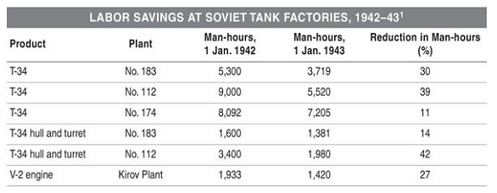
Bf 110 | 42.37 | 0.341 | 248.6 | 2.94 | 128 | 0.35 | 376 | 5,423 | 2 | 187.96
Me 163 | 30.97 | 0.466 | 340.1 | 2.15 | 327 | 0.90 | 702 | 10,127 | 2 | 350.98
Me 210 | 44.65 | 0.323 | 117.9 | 3.09 | 74 | 0.20 | 229 | 3,304 | 1 | 229.02
Me 262 | 40.75 | 0.354 | 646.1 | 2.82 | 564 | 1.55 | 1,593 | 22,983 | 5 | 318.61
Me 410 | 46.45 | 0.311 | 680.2 | 3.22 | 629 | 1.72 | 2,025 | 29,217 | 6 | 337.53
Fw 190 | 28.10 | 0.513 | 4310.1 | 1.95 | 4,279 | 11.72 | 8,334 | 120,240 | 23 | 362.36 | 5,593
Hs 129 | 30.60 | 0.471 | 344.2 | 2.12 | 302 | 0.83 | 641 | 9,241 | 2 | 320.27
Ju 87 | 26.50 | 0.544 | 1192.3 | 1.84 | 1,012 | 2.77 | 1,859 | 26,818 | 6 | 309.81
He 111 | 46.83 | 0.308 | 787.1 | 3.25 | 756 | 2.07 | 2,454 | 35,403 | 7 | 350.57 | 2,283
He 177 | 90.63 | 0.159 | 581.0 | 6.28 | 565 | 1.55 | 3,549 | 51,206 | 10 | 354.93
Ju 88 | 54.00 | 0.267 | 682.6 | 3.74 | 661 | 1.81 | 2,474 | 35,694 | 7 | 353.44
Ju 188 | 55.40 | 0.260 | 380.2 | 3.84 | 301 | 0.82 | 1,156 | 16,675 | 4 | 288.96
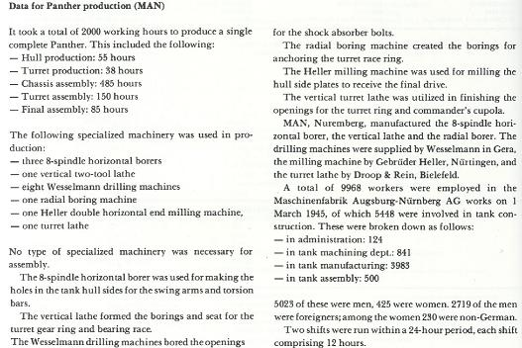
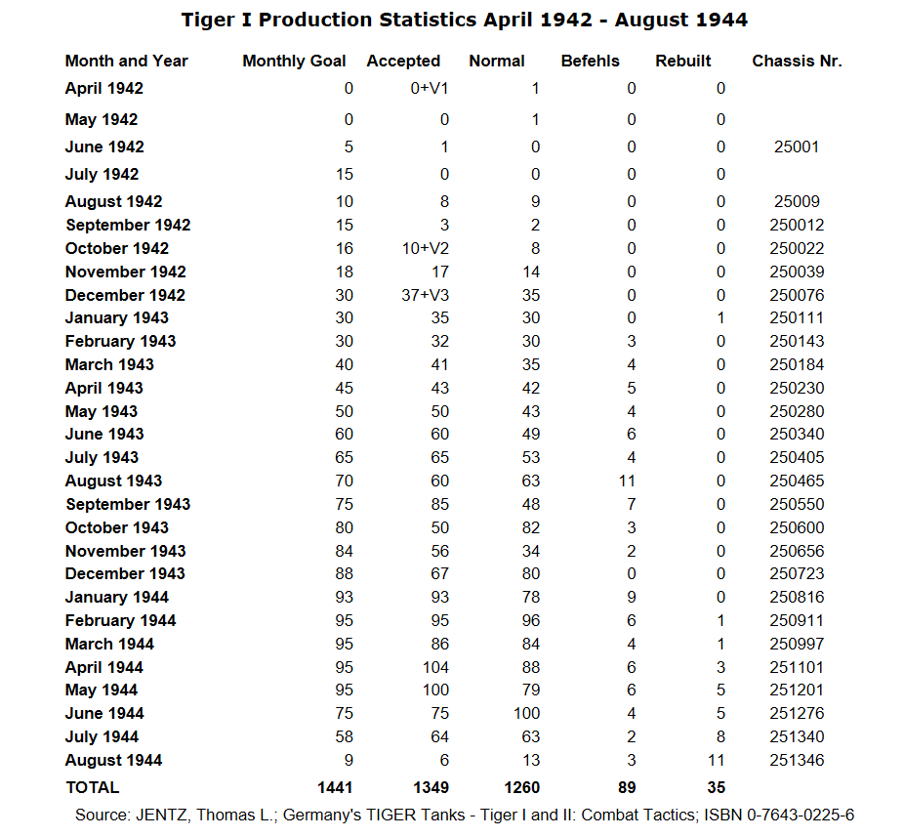
Rec Short | 27.9 | 0.517 | 1132.4 | 1.93 | 979 | 2.68 | 1,893 | 27,314 | 6 | 315.54 | 2,148
Rec Long | 48.5 | 0.297 | 760.0 | 3.36 | 707 | 1.94 | 2,377 | 34,290 | 7 | 339.54
Transport | 52.2 | 0.276 | 504.4 | 3.62 | 462 | 1.27 | 1,672 | 24,116 | 5 | 334.32
 |  |  |  |  | 34,956 | 68.31 |  | 1,138,649 | 225

1.08.1941 w mod ABLAZE posiadam 456 fabryk (produkcja jest jak w realu) przy takiej samej wartości podstawowej produkcyjnej = 2,5
Sprzęt | 77% |  |  | efeltywności
Czołgi lekkie | 66%
Czołgi średnie | 54%
Samoloty | 54%

01.01.1939 = | 121
BLACKICE
18.05.1939 = | 251
24.06.1940 = | 294 |  |  | fabryki wojskowe
20.09.1943 = | 367 |  |  | fabryki wojskowe |  |  |  |  |  |  |  |  |  |  |  |  |  |  |  |  | 6.70 | 22.03
 |  |  |  |  |  |  |  |  |  |  |  |  |  |  |  |  | In GAME IC |  |  |  | month stuck
ABLAZE |  |  |  |  |  |  |  |  |  |  |  |  |  |  |  |  |  | MIN | MAX |  | Aug-42 | Aug-44
02.06.1940 = | 334 |  |  | fabryki wojskowe (przy znacznie mniejszej ilości wyposażenia pozostałego) |  |  |  |  |  |  |  |  |  |  |  | Pz IV |  | 103462 | 1115963 | RM
01.08.1941 = | 456 |  |  |  |  |  |  |  |  |  |  |  |  |  |  | Panther | 46.47 |  |  | RM |  | 350
 |  |  |  |  |  |  |  |  |  |  |  |  |  |  |  |  |  |  |  |  |  | 16264.5
LALAK |  | Oct-25 |  |  |  |  |  |  |  |  |  |  |  |  |  |  |  |  |  |  | 0.00 | 24.61
30.01.1938 = | 202 |  |  | 7.5 |  |  |  |  |  |  |  |  |  |  |  | Tiger I | 57.75 | 399800 |  | RM | 25 | 104
30.01.1938 = | 213 |  |  | 5 |  |  |  |  |  |  |  |  |  |  |  |  |  |  |  |  | 1443.75 | 6006
20.02.1940 = | 312 |  |  | 5 |  |  |  |  |  |  |  |  |  |  |  |  |  |  |  | Need fabric | 7.18 | 9.09
01.01.1941 = | 385 |  |  |  |  |  |  |  |  |  |  |  |  |  |  | Need IC | 73 | 15.25 | 0.36342465753 |  | 1825 | 7592
17.03.1941 = | 331 | 367 |  | 3.2 |  |  |  |  |  |  |  |  |  |  |  |  |  |  |  |  | 9.08 | 11.49
 |  |  |  |  |  |  |  |  |  |  |  |  |  |  |  | Tiger II | 75.5 |  |  |  |  | 94
21.08.1939 = | 275 |  |  | 4.6 |  |  |  |  |  |  |  |  |  |  |  |  |  |  |  |  |  | 7097
01.04.1940 = | 296 |  |  | 4.6 |  |  |  |  |  |  |  |  |  |  |  |  |  |  |  |  |  | 10.74
09.04.1942 = | 378 |  |  | 4.6 |  |  |  |  |  |  |  |  |  |  |  | Need IC | 91 | 15.5 | 0.1978021978 |  | 2275 | 9464
24.05.1943 = | 431 |  |  | 4.6 |  |  |  |  |  |  |  |  |  |  |  |  |  |  |  |  | 11.32 | 14.32

1 Tiger = 2 Panther or 3 Bf 109
If Tiger 300.000 rb, to T-34 35.000-50.000 and Sherman 10.000.
author Steven Zaloga in “Armored Champion: The Top Tanks of World War II”, the number of man-hours required to produce a T-34 was never more than 10,000 and declined significantly over time. In early 1943, Plant No. 183 at Nizhni-Tagil needed as few as 3,719 man-hours to make a T-34.

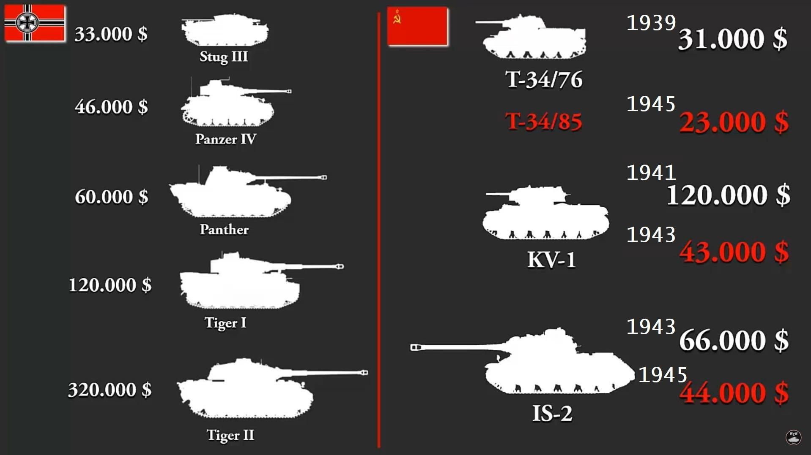

Shermann
T-34 | 3 |  | 8
Tiger | 30 |  | 80
Panther | 15 |  | 40
Bf 109 | 10 |  | 27

Figures taken from Table E5, Harrison, Accounting for War, Cambridge University Press, 2002.

Year/hours worked per unit of output

Pe-2 bomber: 41/25300, 43/13200
Il-4 bomber: 41/20000, 43/12500
Il-2 fighter-bomber: 41/9500, 43/5900
KV heavy tank: 41/14600, 43/7200
T-34: 41/8000, 43/3700
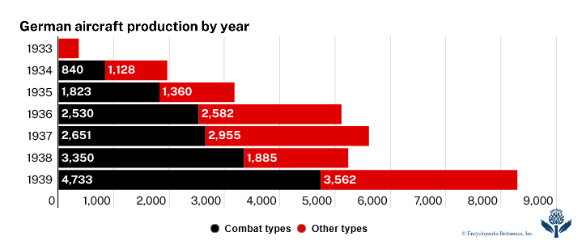
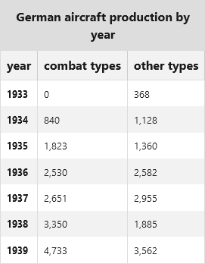
152mm howitzer: 41/4500, 43/2400 or alternatively 41/4370, 44/3170, 45/3128
divisional gun [unspecified]: 41/2200, 43/600
76mm regimental gun: 41/1200, 43/800
large-calibre machine gun [unspecified]: 41/642, 43/329
rifle [unspecified]: 41/12, 43/9
TT cartridge (per 1000): 41/13, 43/10.8 or alternatively 41/11.4, 42/11.5, 44/10.6, 45/9.7

1 Fabryka = 5000 ludzi | 2 zmiany po 2500 ludzi przez 12 godzin = 60.000 rbg
Nocna zmiana była niemal o połowę mniej wydajna, co daje 45.000 rbg

Przyjąć więc można, że: | 60.000 rbb = BASE_FACTORY_SPEED_MIL = 6 (przy 100% wydajności)
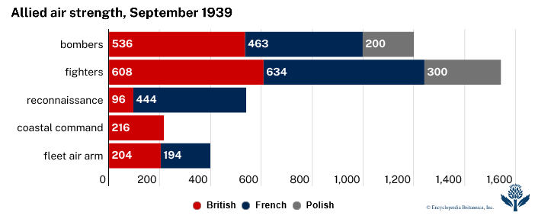

 | Typ |  |  |  | Price RM | Rbg | koszt za tonę |  | Waga (t) |  | Steel in game
80 cm Dora |  |  |  |  | 7,000,000 |  | 5185 |  | 1350
Tiger II |  |  |  |  | 321,500 |  | 4606 |  | 69.8 |  | 7+1
Tiger I |  |  |  | 250000 | 250,700 | 30,000 | 4398 |  | 57 |  | 7+1
Panther |  |  |  | 117000 | 143,912 | 2000 (17000) |  |  | 44.8 |  | 6+1
Pz IV |  |  |  |  | 115,900 |  | 4636 |  | 25 |  | 6+1
Pz III |  |  |  |  | 103,163 | 2,000 | 4485 |  | 23 |  | 6+1
Pz 38(t) |  |  |  |  |  |  |  |  | 9.7 |  | 5
Pz II |  |  |  |  | 52,640 |  | 5915 |  | 8.9 |  | 5
Pz I |  |  |  |  | 32,000 |  | 5926 |  | 5.4 |  | 4
StuG III |  |  |  |  | 82,000 |  | 3431 |  | 23.9 |  | 6
StuG IV
Maus |  |  |  |  | ? |  |  |  | 188
Pz 35
 |  |  |  |  |  |  |  |  | Engine (steel) |  | 1 | 1
T-34 |  |  |  |  |  | 9000-3700 |  |  | Turret (steel) |  | 1 | 1
 |  |  |  |  |  |  |  |  | All type Hull (steel) |  |  | 1
 |  |  |  |  |  |  |  |  | Armour (steel) |  |  | 1 | For all 10 mm

 |  |  |  |  |  |  |  |  |  | BICE |  |  |  |  | Korekta do uwzględnienia wzrostu po latach
T-60 |  |  |  | 2500 | 4700 |  |  |  | 2,500 |  |  |  |  |  |  | 18500
T-34 |  |  |  | 5000 | 9000 |  |  |  | 5,000 |  |  |  |  |  | 1938 |  | 35% | 12000
Pz III A | 1937 |  |  | 4000 |  |  |  |  | 4,000 | 21.25 | 0.68 | 18.54 |  |  | 1939 | 32% | 68% | 6000
Pz III E | 1938 |  |  | 4000 |  |  |  |  | 4,000 | 25.53 | 0.89 | 24.27 |  |  | 1940 | 43% | 78% | 4000
Pz III F | 1940 |  |  | 4000 |  |  |  |  | 4,000 | 27.27 | 1 |  |  |  | 1943 | 54% | 89% | 2000
Pz III J | 1941 |  |  | 4000 |  |  |  |  | 4,000 | 33.30 | 1.11 | 30.27
Pz III L-M | 1942 |  |  | 2000 |  |  |  |  | 2,000 | 34.42 | 1.04 | 28.36

http://www.stardestroyer.net/Armour/ShepStuff/Website/EconomicStats.htm

Fighters |  |  |  | Min | Max | Averag
Spitfire | 1938 |  |  |  | 15,200 |  |  |  | 15,200 | 25.00 | 1.27 | 30.65
Hurricane | 1940 |  |  |  | 10,300 |  |  |  | 10,300 | 24.00 | 0.86 | 20.77
Whirlwind (2 engin) | 1940 |  |  |  | 26,600 |  |  |  | 26,600 | 30.00 | 2.22 | 53.64
Tornado |  |  |  |  | 15,500 |  |  |  | 15,500
Bombers
Battle | 1937 |  |  |  | 24,000 |  |  |  | 24,000 | 26.00 | 1.37 | 33.15
Whitley | 1937 |  |  |  | 52,000 |  |  |  | 52,000 | 77.50 | 3.70 | 89.62
Wellington | 1938 |  |  |  | 38,000 |  |  |  | 38,000 | 56.10 | 2.85 | 68.89
Manchester | 1940 |  |  |  | 52,100 |  |  |  | 52,100 | 93.80 | 4.67 | 112.92
Hallifax | 1941 |  |  |  | 76,000 |  |  |  | 76,000 | 101.30 | 6.77 | 163.73
Stirling | 1940 |  |  |  | 75,000 |  |  |  | 75,000 | 103.10 | 6.68 | 161.71
Avro Lancaster | 1942 |  |  | 20,000 | 51,000 |  |  |  | 51,000 | 102.60 | 4.68 | 113.31

Fighters
Me-109 C | 1937 |  |  |  | 12,000 |  |  |  | 12,000 | 22.50
Me-109 D | 1938 |  |  |  | 12,000 |  |  |  | 12,000 | 23.40
Me-109 E | 1939 |  |  | 6,000 | 12,000 |  |  |  | 12,000 | 24.20 | 1 | 24.20
Me 109 F | 1940 |  |  | 4,000 | 7,800 |  |  |  | 7,800 | 24.40 | 0.97 | 23.58
Me 109 G | 1942 |  |  |  | 4,000 |  |  |  | 4,000 | 25.20 | 0.77 | 18.53
Me 109 G-14 | 1943 |  |  | 2,000 |  |  |  |  | 2,000 | 25.60 | 0.71 | 17.11
He-219 | 1943 |  |  |  | 9,000 |  |  |  | 9,000 | 53.90 | 1.29 | 31.23
P-38 |  |  |  | 3,800 | 17,000 |  |  |  | 17,000 | 42.00 | 1.42 | 34.28
Ił-2 Sturmovik | 1941 |  |  | 5,900 | 9,500 |  |  |  | 9,500 | 26.90 | 1.22 | 29.62
B-17 | 1939 |  |  | 18,600 | 54,800 |  |  |  | 54,800 | 95.60 | 4.89 | 118.36
B-24 | 1940 |  |  | 14,500 | 24,800 |  |  |  | 24,800 | 97.50 | 2.50 | 60.48
B-25 | 1941 |  |  | 10,700 | 14,800 |  |  |  | 14,800 | 52.50 | 1.67 | 40.31
C-46 Curtiss |  |  |  | 49,500 | 113,000 |  |  |  | 113,000
C-54 Douglas |  |  |  | 62,600 | 142,100 |  |  |  | 142,100
P-38 Lockheed [2] | 1941 |  |  | 9,600 | 14,800 |  |  |  | 12,200 | 45.40 | 1.45 | 35.07
P-47 [1] | 1941 |  |  | 9,100 | 9,600 |  |  |  | 9,600 | 30.10 | 1.23 | 29.82

M1 Grand (1939) |  |  |  |  |  | 23 |  |  | 228 |  | 0.02 | 0.46
M1 Grand (1941) |  |  |  |  |  | 12
M1 Grand (1943) |  |  |  |  |  | 5
MG-34 |  |  |  |  |  | 150
MG-42 |  |  |  |  |  | 75

Soviet 152 mm Howitzer (1941) |  |  |  |  |  | 4,500
Soviet 152 mm Howitzer (1943) |  |  |  |  |  | 2,400

Destroyer (German) |  |  |  |  |  | 1,780,000
U-boot |  |  |  |  |  | 320,000 |  |  | 320,000 | 950.00 | 26.67 | 645.33

USA
BB |  |  |  |  |  | 7,360,000
CV |  |  |  |  |  | 4,978,400

 |  |  |  | Base | E. Cap | F. Output | SUM |  |  |  |  |  | TEST GAME
 |  |  |  | 10 | 27% | 58% | 4.266 |  |  |  |  | Factory | 252

 | Game |  |  | Factory | History |  | Game
1939 | Price | pcs/day | pcs/year | for 1/day | Pcs/year | Pcs/day | Days/1 f | Need IC | Need F. | Days |  | Need F. | In Game | IC
Bf 109 | 25.16 | 0.170 | 1547.2 | 1.74 | 1,540 | 4.22 | 2,686 | 38,746 | 25 | 363.30 | 1,705 | 25 | 33 | 51383.97
Do 17 | 44.9 | 0.095 | 34.7 | 3.11 | 9 | 0.02 | 28 | 404 | 1 | 94.73 |  | 0 |  | 0
Bf 110 | 41.7 | 0.102 | 186.7 | 2.89 | 156 | 0.43 | 451 | 6,505 | 5 | 304.98 |  | 4 |  | 0
Ju 87 | 25.90 | 0.165 | 180.4 | 1.80 | 134 | 0.37 | 241 | 3,471 | 3 | 271.18 | 134 | 2 | 9 | 14013.81
He 111 | 48.6 | 0.088 | 480.6 | 3.37 | 452 | 1.24 | 1,523 | 21,967 | 15 | 343.29 | 737 | 14 | 15 | 23356.35
Do 17 | 90.63 | 0.047 | 223.3 | 6.28 | 215 | 0.59 | 1,351 | 19,485 | 13 | 351.36 |  | 13 |  | 0
Do 17 | 90.63 | 0.047 | 17.2 | 6.28 | 1 | 0.00 | 6 | 91 | 1 | 21.24 |  | 0 |  | 0
Ju 88 | 52.60 | 0.081 | 88.8 | 3.65 | 69 | 0.19 | 252 | 3,629 | 3 | 283.59 |  | 2 | 1 | 1557.09
Rec Short | 27.9 | 0.153 | 167.4 | 1.93 | 137 | 0.38 | 265 | 3,822 | 3 | 298.66 | 298 | 2 | 1 | 1557.09
Rec Long | 38.3 | 0.111 | 40.7 | 2.65 | 26 | 0.07 | 69 | 996 | 1 | 233.43 |  | 1 |  | 0
Do 18 | 36.1 | 0.118 | 86.3 | 2.50 | 61 | 0.17 | 153 | 2,202 | 2 | 258.10 |  |  |  | 0
He 115 | 35.1 | 0.122 | 88.7 | 2.43 | 74 | 0.20 | 180 | 2,597 | 2 | 304.43 |  | 2 | 1 | 1557.09
Transport | 52.2 | 0.082 | 149.1 | 3.62 | 145 | 0.40 | 525 | 7,569 | 5 | 354.85 | 145 | 5 | 1 | 1557.09
 |  |  | 3291.1 |  | 3,019 | 8.27 |  | 111,486 | 79 |  |  | 70 | 61 | 94,982

1939 | Price | pcs/day | pcs/year | for 1/day | Pcs/year | Pcs/day | Days/1 f | Need IC | Need F. | Days |  | Need F. | In Game | IC
Pz II | 18.36 | 0.232 | 84.8 | 1.27 | 15 | 0.04 | 19 | 275 | 1 | 64.56 |  | 0 | 11 | 17127.99
Pz 38 (t) | 22.10 | 0.193 | 211.4 | 1.53 | 153 | 0.42 | 234 | 3,381 | 3 | 264.21 | 153 | 2 | 8 | 12456.72
Pz III | 24.89 | 0.171 | 187.7 | 1.73 | 157 | 0.43 | 271 | 3,908 | 3 | 305.34 | 157 | 3 | 9 | 14013.81
Pz IV | 28.79 | 0.148 | 54.1 | 2.00 | 45 | 0.12 | 90 | 1,296 | 1 | 303.69 | 45 | 1 | 3 | 4671.27
 |  |  | 537.9 |  | 370 | 1.01 |  | 8,860 | 8 |  |  | 6 | 31 | 48,270

 |  |  |  |  |  |  |  |  |  |  |  |  | 160

 |  |  |  | Base | E. Cap | F. Output | SUM |  |  |  |  |  | TEST GAME
 |  |  |  | 10 | 17% | 40% | 2.38 |  |  |  | START | Factory | 125 |  |  |  | v.8 |  | START |  |  |  | v.7 |  | v.8 |  | v.8
 |  |  |  |  |  |  |  |  |  |  |  |  |  |  |  |  |  |  | 1936-01-01 | 1936-12-31 |  |  | 1938-06-02 |  | 1938-01-01 |  | 1938-06-02
1936-1938 | Price | pcs/day | pcs/3 year | for 1/day | Pcs/3 year | Pcs/day | Days/1 f | Need IC | Need F. | Days |  | Need F. | In Game | IC |  | IN GAME | 1939-01-01
Pz I | 15.2 | 0.157 | 1200.2 | 6.39 | 1,153 | 1.05 | 7,364 | 17,526 | 7 | 1051.96 |  | 7 | 10 | 46712.7 | START | Pz I | 1303 | 19,806 | 716 | 1146 | 0.29 | /Mouth | 1081 | 16,431 | 1261 | 19,167 | 1510 | 22,952
Pz II | 18.36 | 0.130 | 1277.5 | 7.71 | 1,223 | 1.12 | 9,435 | 22,454 | 9 | 1048.29 |  | 9 | 6 | 28027.62 |  | Pz II | 1661 | 30,496 |  | 155 | 1.46 | /Day | 1107 | 20,325 | 624 | 11,457 | 781 | 14,339
Pz III | 24.89 | 0.096 | 104.7 | 10.46 | 98 | 0.09 | 1,025 | 2,439 | 1 | 1024.88 |  | 1 | 6 | 28027.62 |  | Pz III | 349 | 8,687 |  |  | 4.03 | /Mouth | 120 | 2,987 | 75 | 1,867 | 168 | 4,182
Pz IV | 25.62 | 0.093 | 305.2 | 10.76 | 210 | 0.19 | 2,261 | 5,380 | 3 | 753.53 |  | 2 | 3 | 14013.81 |  | Pz IV | 112 | 2,869 |  |  | 2.01 | /Week | 63 | 1,614 | 21 | 538 | 51 | 1,307
 |  |  |  |  | 2,684 | 2.45 |  | 47,799 | 20 |  |  | 18 | 25 | 116,782 |  |  | 3425 | 61,858 |  |  |  |  | 2371 | 41,357 | 1981 | 33,029 | 2510 | 42,779

 |  |  |  |  | Ilość pomniejszona o 600 Pz I w 3 dywizjach i 140 na magazynie
 | 1937 | 1937 | 1937/38 | 1938 | 1939 | 1939/40 | 1940/41 | 1941/42 | 1941/42 | 1941/42 | 1942/43 | 1942/43
 | A | B | C | D | E | F | G | H | J | L | M | N
Pz III | 10 | 10 | 15 | 25 | 96 | 450 | 594 | 286 | 1521 | 1470 | 517 | 614
 | 1937 | 1938 | 1938/39 | 1940/41 | 1941/42 | 1942/43 | 1943/44 | 1944/45
 | A | B | C | D/E | F | F2/G | H | J
Pz IV | 35 | 42 | 140 | 454 | 471 | 1927 | 2324 | 3160

1936-1938 | Price | pcs/day | pcs/3 year | for 1/day | Pcs/3 year | Pcs/day | Days/1 f | Need IC | Need F. | Days |  | Need F. | In Game | IC |  | IN GAME | 1939-01-01
He 51B | 20.4 | 0.117 | 127.8 | 8.57 | 118 | 0.11 | 1,011 | 2,407 | 1 | 1011.43 |  | 1 | 4 | 18685.08 | START | He 51B/C |  | 0
Bf 109 | 25.16 | 0.095 | 1139.4 | 10.57 | 1,075 | 0.98 | 11,364 | 27,047 | 11 | 1033.12 |  | 10 |  | 0 |  | Bf 109 | 1575 | 39627 |  | 114 | 1.32 | /Day | 858 | 21,587 | 540 | 13,586 | 793 | 19,952
Bf 110 | 25.9 | 0.092 | 100.6 | 10.88 | 88 | 0.08 | 958 | 2,279 | 1 | 957.65 |  | 1 | 2 | 9342.54 |  | Bf 110 | 0 |  |  |  | 3.62 | /Mouth |  |  | 0
Ju 87 | 25.9 | 0.092 | 402.5 | 10.88 | 350 | 0.32 | 3,809 | 9,065 | 4 | 952.21 |  | 3 | 2 | 9342.54 |  | Ju 87 | 494 | 12794.6 |  | 4 | 3.32 | /Week | 325 | 8,418 | 207 | 5,361 | 320 | 8,288
Do 17 | 46.30 | 0.051 | 788.0 | 19.45 | 777 | 0.71 | 15,116 | 35,975 | 14 | 1079.68 |  | 14 |  | 0 |  | Do 17 | 344 | 15927.2 |  |  | 1.06 | /Day | 193 | 8,936 | 94 | 4,352 | 192 | 8,890
He 111 | 48.60 | 0.049 | 750.7 | 20.42 | 724 | 0.66 | 14,784 | 35,186 | 14 | 1056.01 |  |  |  |  |  | He 111 | 537 | 26098.2 |  | 49 | 6.47 | /Week | 277 | 13,462 | 233 | 11,324 | 338 | 16,427
He 59 | 33.30 | 0.071 | 156.5 | 13.99 | 142 | 0.13 | 1,987 | 4,729 | 2 | 993.40 |  | 2 |  | 0 |  | He 59/Do 22 | 115 | 3829.5 |  |  | 1.36 | /Week | 48 | 1,598 | 70 | 2,331 | 48 | 1,598
Do 16 | 30.80 | 0.077 | 84.6 | 12.94 | 14 | 0.01 | 181 | 431 | 1 | 181.18 |  | 0 |  | 0 |  | Do 24 | 4 | 123.2 |  |  | 0.58 | /Mouth
Transport | 52.20 | 0.046 | 0.0 | 21.93 |  | 0.00 | 0 | 0 | 0 | #DIV/0! |  | #DIV/0! |  | 0 |  | Ju 52 |  | 0
 |  |  |  |  | 3,288 | 3.00 |  | 117,120 | 48 |  |  | #DIV/0! | 8 | 37,370 |  |  | 3069 | 98,400 |  |  |  |  | 1701 | 54,001 | 1144 | 36,955 | 1691 | 55,155
 |  |  |  |  |  |  |  | 164,919 |  |  |  |  |  |  |  |  |  | 160,257
 |  |  |  |  | Ilość pomniejszona o 342 He 51B w 7 skrzydłach
 | 1937 | 1937/38 | 1938 | 1938/39 | 1938/41 | 1940/42 | 1942/45 | 1945
 | A | B | C | D | E | F | G | K
Bf 109 | 20 | 350 | 58 | 647 | 3707 | 3278 | 20847 | 532
 |  |  |  | 1075

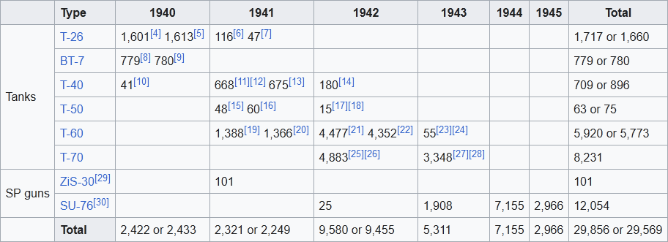
Real 1939 | Planes
Germany | ~4500 | samolotów bojowych
Real 1940 | Planes
Germany | 3270

Francja | 4360
Myśliwce | 2001
Bombowce | 564
Rozpoznawcze | 1063
Pozostałe | 732

W.Brytania | ~3700

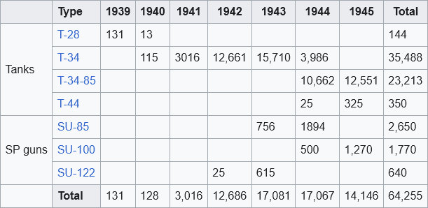

 |  |  |  | Base | E. Cap | F. Output | SUM
 |  |  |  | 10 | 17% | 40% | 2.38

1936-1938 | Price | pcs/day | pcs/3 year | for 1/day | Pcs/3 year | Pcs/day | Days/1 f | Need IC | Need F. | Days
T-26 | 14.27 | 0.167 | 2739.4 | 6.00 | 2,596 | 2.37 | 15,565 | 37,045 | 15 | 1037.67
BT-7 | 19.29 | 0.123 | 2972.2 | 8.11 | 2,884 | 2.63 | 23,375 | 55,632 | 22 | 1062.50
T-37A | 10.1 | 0.236 | 1548.2 | 4.24 | 1,382 | 1.26 | 5,865 | 13,958 | 6 | 977.46
T-28 | 26.18 | 0.091 | 298.6 | 11.00 | 247 | 0.23 | 2,717 | 6,466 | 3 | 905.67
T-35 | 48.09 | 0.049 | 54.2 | 20.21 | 36 | 0.03 | 727 | 1,731 | 1 | 727.41
 |  |  |  |  | 7,145 | 6.53 |  | 114,833 | 47
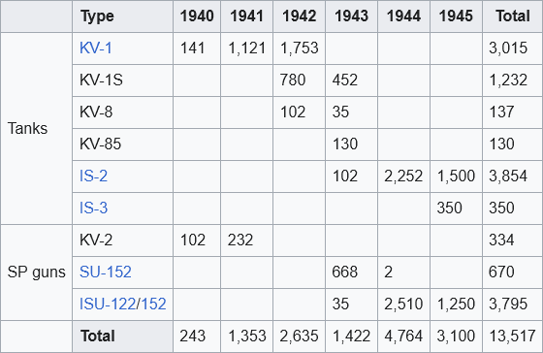
<1936 |  |  |  |  | Real |  | All | Army | Stock
BT-2 (Gun) |  |  |  |  | 190 |  |  |  | 25 |  |  |  |  | 190
BT-2 (2xMG) |  |  |  |  | 427 |  |  |  | 65 |  |  |  |  | 427
BT-2 (Gun/MG) |  |  |  |  | 10 |  | 35 |  | 35 |  |  |  |  | 10
BT-5 Early |  |  |  |  | 1251 |  |  |  | 250 |  |  |  |  | 1251
BT-5 |  |  |  |  | 422 |  | 154 |  | 154 |  | 154 |  |  | 422
BT-7 |  |  |  |  | 500 |  | 90 |  | 90 |  |  |  |  | 500
T-26 Mod 1931 |  |  |  |  | 1051 |  | 1301 | 844 | 457 |  |  |  |  | 207
T-26 Mod 1933 |  |  |  |  | 3615 |  | 3531 | 1931 | 1600 |  |  |  |  | 1684
T-27 |  |  |  |  | 3328 |  | 2434 | 2213 | 221 |  |  |  |  | 1115
T-37A |  |  |  |  | 2627 |  | 2200 | 1248 | 952 |  |  |  |  | 1379
T-28 |  |  |  |  | 124 |  |  |  |  |  |  |  |  | 124
T-35 |  |  |  |  | 17 |  |  |  |  |  |  |  |  | 17
T-18 |  |  |  |  | 934 |  | 480 |  | 480 |  |  |  |  | 934
 |  |  |  |  | 14496 |  | 10225

I-16 Type 4 |  |  |  |  | 400 |  | 752 | 576 | 176 |  | Można przyjąć, że suma z Type 5 |  |  | -352 |  | i_16_equipment_1
I-15 (M-25) | 1938-39 |  |  |  | 0 |  | 60 | 60 |  |  |  |  |  | -60 |  | i_15_equipment_2
I-15 |  |  |  |  | 382 |  | 396 | 384 | 12 |  |  |  |  | -14 |  | i_15_equipment_1
I-7 |  |  |  |  |  |  | 40 |  | 40 |  |  |  |  | 0
I-5 |  |  |  |  | 815 |  | 827 | 528 | 299 |  |  |  |  | -12 | X | i_5_equipment_1
TB-3 4M-34 |  |  |  |  | 150 |  | 114 | 108 | 6 |  |  |  |  | 36 | X | tb_3_bomber_equipment_3
TB-3 4M-34RN |  |  |  |  | 114 |  | 114 | 114 |  |  |  |  |  | 0 |  | tb_3_bomber_equipment_2
TB-3 4M-17F |  |  |  |  | 405 |  | 424 | 333 | 91 |  |  |  |  | -19 | X | tb_3_bomber_equipment_1
TB-1 |  |  |  |  | 215 |  | 203 | 21 | 182 |  |  |  |  | 12 | X | tb_1_bomber_equipment_1
R-Z Sh |  |  |  |  | 11 |  | 12 | 11 | 1 |  |  |  |  | 0 | X | r_5_scout_equipment_2
R-5 SSS Sh |  |  |  |  | 221 |  | 181 | 181 |  |  |  |  |  | 40 | X | r_5_bomber_equipment_2
R-5 CAS = R-5 Sh |  |  |  |  | 4987 |  | 4969 | 1968 | 3001 |  |  |  |  | 18 | X | r_5_bomber_equipment_1
I-Z |  |  |  |  | 73 |  | 91 | 91 |  |  |  |  |  | -18 | X | i_z_equipment_1
KR-6 |  |  |  |  | 270 |  | 294 | 161 | 133 |  |  |  |  | -24 | X | r_6_fighter_equipment_1
R-5T |  |  |  |  | 51 |  | 41 | 41 |  |  |  |  |  | 10 |  | r_5_scout_equipment_1
R-6P (MR-6) |  |  |  |  | 71 |  | 71 | 71 |  |  |  |  |  | 0 |  | r_6_naval_bomber_equipment_1
TB-1P |  |  |  |  |  |  | 70 | 65 | 5 |  |  |  |  | -70 | X | tb_1_naval_bomber_equipment_1
R-6 |  |  |  |  | 45 |  | 141 | 141 |  |  |  |  |  | -96 |  | r_6_scout_equipment_1
MBR-2 |  |  |  |  | 288 |  | 352 | 240 | 112 |  |  |  |  | -64 | X
U-2 |  |  |  |  | 4150 |  | 4150 |  | 4150 |  |  |  |  | 0 | X
 |  |  |  |  | 12648 |  | 13302 |  |  |  |  |  |  |  |  |  |  |  | Def | Priec
 |  |  |  |  |  |  |  |  |  |  |  |  |  |  |  |  |  |  | 35.1 | 15.5 | 44.16% |  | 30%
 |  |  |  |  |  |  |  |  |  |  |  |  |  |  |  |  |  |  | 61.4 | 58 | 94.46% |  | 80%
 |  |  |  |  |  |  |  |  |  |  |  |  |  |  |  |  |  |  | 35.1 | 40.6 | 115.67% |  | 100%
 |  |  |  |  |  |  |  |  |  |  |  |  |  |  |  |  |  |  | 61.4 | 50.7 | 82.57% |  | 70%

1942 |  | Factory |  |  |  |  |  |  |  |  |  |  |  |  |  |  |  |  | 11.1 | 6.4 | 57.66% |  | 40%
Tiger | 1.00 | 13 |  |  |  |  |  |  |  |  |  |  |  |  |  |  |  |  | 11.1 | 6.9 | 62.16% |  | 50%
Pz IV | 1.03 | 8
Pz III | 1.19 | 6 |  |  |  |  |  |  |  |  |  |  |  |  |  |  |  |  | 38.4 | 12.8 | 33.33% |  | 20%
Pz 38 | 1.04 | 5
Pz II | 1.07 | 5
StuG III | 1.18 | 5

 |  |  |  |  |  |  |  |  |  |  |  |  |  |  |  |  |  |  | 41.3 | 47 | 113.80% |  | 90%
 |  |  |  |  |  |  |  |  |  |  |  |  |  |  |  |  |  |  | 41.4 | 6.9 | 16.67% |  | 20%

