IsBlank
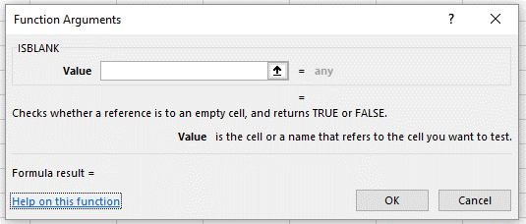
A cell that appears blank may contain data.
Use the isblank() function to determine which cells in the range A5:A11 are truly blank.

Data | IsBlank()?
 | TRUE
0 | FALSE
 | FALSE
1 | FALSE
~ | FALSE
| | FALSE
 | FALSE

Codes
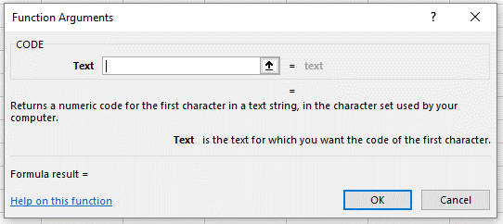
A cell that appears blank may contain data.
Use the Code() function to determine the ASCII Code of the data in each cell in the range A5:A11.

Data | IsBlank()? | Code()?
 | TRUE | #VALUE!
0 | FALSE | 48
 | FALSE | 32
1 | FALSE | 49
~ | FALSE | 126
| | FALSE | 124
 | FALSE | 32

