Help Features
Training Room 1: Introduction to Spreadsheets

Using the Help Features
There will be times when you need to access the help features in the program you are using. Microsoft® Excel® has a help feature built in that is very easy to use. Choosing help brings up the Help window, and allows you to search by entering a topic you need help with.
The help button is found in the top-right corner in version 2007. When the help button is clicked, the following window appears:

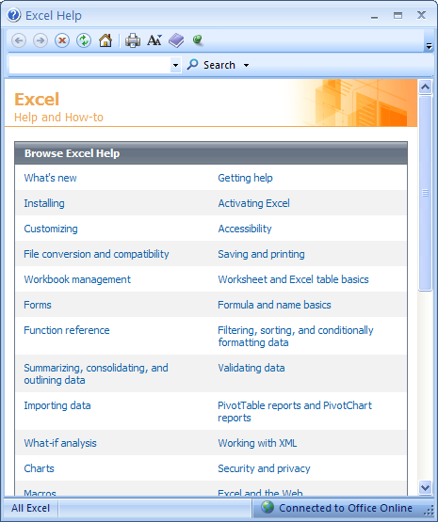
There are also built-in topics you can use to find the answers you need. The Help feature is a very useful tool.
You can use the Search box to find information on the commands or features you need help with. Excel® will match your search word with suggestions that may help you.

Take some time now to practise using the built-in Help features. For example, search for information regarding formatting charts or saving and printing a spreadsheet.
Now, continue your work in this training room by going to the next worksheet, Opening and Saving. This can be done by clicking on the tab at the bottom or by clicking on the hyperlink in cell A49.

Go to Opening & Saving.

Opening & Saving
Opening and Saving a Workbook

Opening a Workbook

When you open Excel®, a workbook automatically opens. A workbook can consist of many worksheets. Each worksheet is like a page in a book. The different worksheets are labelled at the bottom, in tab form, where it says Sheet1, Sheet2, Sheet3. Each tab is a worksheet, or sometimes referred to as a spreadsheet.
Workbook = File = Book
Worksheet = Tab = Page= Spreadsheet
Take some time now to click on the tabs at the bottom of this spreadsheet to view each worksheet. When you click on a different tab, this worksheet will disappear and the worksheet of the tab you clicked on will appear. Don't worry, simply click on the Opening and Saving tab to return this worksheet.

For more information, go to the Project 3 Instructional Videos in the Toolkit and watch the following demonstrations:
• "Looking at Microsoft® Office 2007 for the First Time"
• "Opening an Existing Workbook"
• "Opening a New Workbook"

Saving a Workbook

Saving a workbook is no different than saving any file in any program. Go to the Project 3 Instructional Videos in the Toolkit and watch the demonstration "Saving a Workbook."

Take a minute now to save this workbook in your INF1060 folder. Giving your file relevant names is very important when you need to re-open or submit files. Save this file as "Training Room 1."

Go to Inserting Worksheets.

Inserting Worksheets
Inserting Worksheets
Sometimes, you might need to add a worksheet (page or tab) to your workbook. In a workbook, the worksheets are shown at the very bottom by the tabs Sheet1, Sheet2, and Sheet3. Excel® inserts three blank worksheets automatically. You can add or delete worksheets as your workbook develops. If you add another worksheet, it will become Sheet4 and so on as you add more sheets.
There are a few different ways to insert worksheets:
• Click the Insert Worksheet tab at the bottom of the screen. This will insert a blank worksheet at the end of the
existing worksheets. This tab is always present at the end of all the worksheets in your workbook.

Insert Worksheet Tab

• Click the Home tab at the top of the screen, and find the Cells group. Click Insert and select Insert Sheet.
This will insert a blank worksheet in front of the active worksheet.

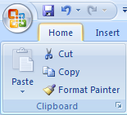
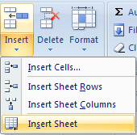

• Right-click one of the worksheet tabs on the bottom, and select Insert. Under the General tab, choose Worksheet and click OK.

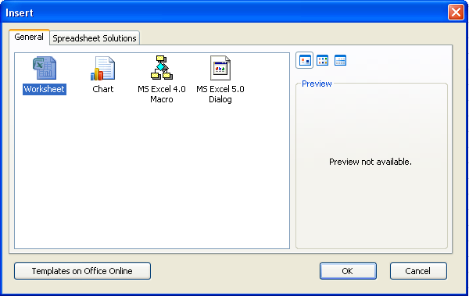
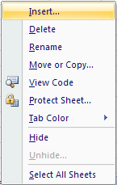

Take some time now to practise inserting worksheets all three different ways. You will have to open a new workbook to do this. Which method did you prefer?

For a review, go to the Project 3 Instructional Videos in the Toolkit and watch the demonstration "Inserting Worksheets."

Go to Deleting Worksheets.

Deleting Worksheets
Deleting One or More Worksheets

Sometimes you will need to delete one or more worksheets in your workbook. There are two ways to do this:
• Right-click the worksheet tab you wish to delete and select Delete.

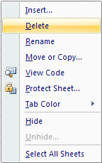

• Click on the Home tab at the top and find the Cells group. Click the Delete button and select Delete Sheet.

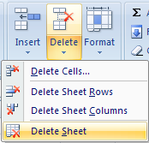

Practise deleting worksheets both ways. Use a blank workbook to do this. If needed, go to the Project 3 Instructional Videos in the Toolkit and watch the demonstration "Deleting Worksheets."

Now that you have made changes to your workbook, resave your Training Room 1 file.

Go to Moving Worksheets.

Moving Worksheets
Moving Worksheets

There may be a time when you wish to switch the order of your worksheets. There are two ways you can do this.
First, you can click and hold the tab of the worksheet you wish to move, and drag it to the new position. The tab colour of the worksheet you are moving turns white, indicating that this is the worksheet being moved. When you release the mouse button, the spreadsheet will be in its new location.
Second, you can right-click the worksheet you wish to copy and select Move or Copy. In the Move or Copy dialogue box, select the location and click OK.

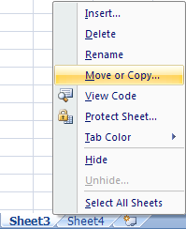
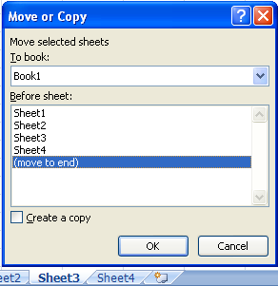

If you need, go to the Project 3 Instructional Vidoes in the Toolkit and watch the demonstration "Moving Worksheets."

Go to Copying Worksheets.

Copying Worksheets
Copying Worksheets

You might find you need to copy a worksheet exactly as is. Right-click the worksheet you wish to copy and select Move or Copy. In the Move or Copy dialogue box, select the location and click in the Create a copy box. Then click OK.

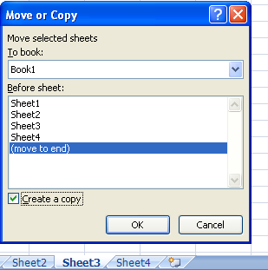

Once the copy is made, it displays as version 2 of the original worksheet in the tabs at the bottom.

If needed, go to the Project 3 Instructional Videos in the Toolkit and watch the demonstration "Copying Worksheets."

Go to Renaming Worksheets.

Renaming Worksheets
Renaming Worksheets
Leaving the worksheets labelled Sheet1, Sheet2, etc. may not be helpful. Giving each worksheet a meaningful name will make them more useful to you and and easier to find certain information. It is recommended that you keep the names short and descriptive.
You can rename a worksheet in two ways.
• Right-click the tab of the worksheet you wish to rename and select Rename. The title will appear in editing mode (highlighted). Then enter a name that accurately describes the information on the worksheet.

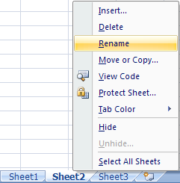

• Double-click the worksheet tab you wish to rename to set the title in editing mode (highlighted). Then enter a
name that accurately describes the information on the worksheet.

If needed, go to the Project 3 Instructional Videos in the Toolkit and watch the demonstration "Renaming Worksheets."

Go to Tab Window Size.

Tab Window Size
Adjusting the Tab Window Size

The Tab Window Size tool allows you to adjust the number of worksheets tabs that are visible at the bottom of the workbook.
Place your cursor over the bar that separates the worksheet tabs and the scroll bar. The cursor will become a double arrow.

Simply click and drag the double arrow left or right to decrease or increase the number of worksheet tabs visible on the screen. Note that the size of the scroll bar expands or retracts depending on the number of worksheet visible.

If needed, go to the Project 3 Instructional Videos in the Toolkit and watch the demonstration "Adjusting the Tab Window Size."

Go to Hyperlinks.

Hyperlinks
Hyperlinks

Whether you are aware of it or not, you encounter hyperlinks every time you use the Internet. Hyperlinks are images or text that links you from one location to another. Hyperlinks can also be used in Excel®. As you have seen in this training room, hyperlinks were used to go from tab to tab. Even the tabs themselves are hyperlinks—an image that links you to a certain location. You can use hyperlinks to link you to existing files (e.g., Word® files and Excel® files), to websites, to e-mail addresses, and to different locations within the current document.
Read through the following instructions to discover how to create a hyperlink.
First, select the cell in which you wish to create a hyperlink. Then click on the Insert tab and, in the Links group, click the Hyperlink button.

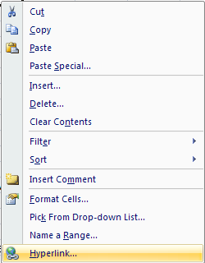
Tip: You can also simply right-click the cell and select Hyperlink.

The Insert Hyperlink dialogue box appears. In it you are given four categories from which to choose. You can link to an existing file or website, another place within the document, a new file in which you create, or an e-mail address.

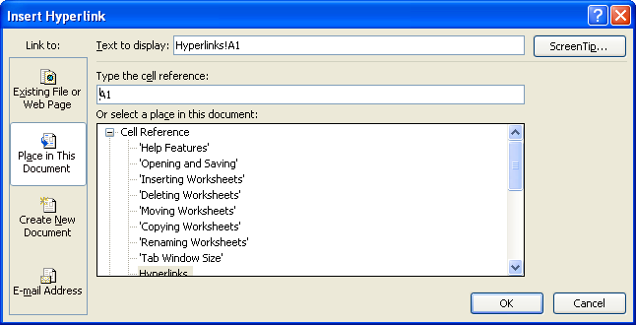

Once you have chosen the category, fill in the information needed for the hyperlink to work and click OK.

Now, go to the Project 3 Instructional Videos in the Toolkit and watch the demonstration "Hyperlinking." You will see how a hyperlink to a website and a hyperlink to another place in the document are created.

Practise creating some hyperlinks yourself. Try linking to another document currently on your desktop, and/or try linking to a website.
This concludes Training Room 1. Save your Training Room 1 file in your INF1060 SS1 folder, and close the file. Then move on to Time to Practise 1 to test your knowledge and skills of the concepts covered in this training room.

