Changing Views
Training Room 2: The Basics of Spreadsheets

Changing Worksheet Views
Each time you open a workbook, you are opening a new window. Sometimes, though, depending on the size of the worksheet, you can't see all the information. Excel® 2007 has a number of tools to facilitate different views. These tools—workbook views, zoom features, etc.—are found on the View tab.
Click on the View tab in this training room and note all of the functions and features available to you. The group most often used in the View tab is the Workbook Views group. For example, worksheets often default to the Normal view.

The page layout view shows you what the document would look like on paper, allowing you to scroll through multiple pages.
The page break preview allows you to adjust the page breaks in order to get the information you want on each page.
Normal view shows a grid of cells. It is the default view.
Custom views allows you to customize the view of the worksheet using displays and print settings.
Full screen displays the worksheet without the Ribbon. Press Escape to return to normal view.

Go to the Project 3 Instructional Videos in the Toolkit and watch the demonstration "Changing Worksheet Views."

Go to Hiding & Unhiding.

Hiding & Unhiding
Hiding or Unhiding Worksheets

Large worksheets can be difficult to work with. Sometimes, it is necessary for you to hide a worksheet so you can focus on certain parts of the workbook. The key word is hide. The worksheet will disappear, but it is still there.

The Hide feature is found on the Home Tab, in the Cells Group, under Format, in the Visibility category.
If you want to hide a worksheet, first select the worksheet you want to hide by clicking on the tab at the bottom. Then on the Home Tab, click the Format button in the Cells group. Then in the Visibility category, choose Hide & Unhide and select Hide Sheet. The worksheet you selected is now hidden.
If you want to display the worksheet you just hid, or any other worksheet that is hidden, follow the same path you used for hiding a worksheet. Only this time select Unhide Sheet instead of Hide Sheet. The following dialogue box will appear.

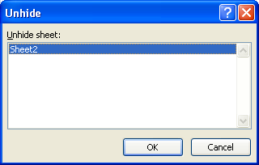

Now, in the Unhide sheet box, select the hidden worksheet sheet you want to display and click OK.

Tip: You can also simply double-click the name of the worksheet you want to display.

Now, it's your turn. Open a new workbook and practise hiding and unhiding Sheet1, Sheet2, and/or Sheet3. If needed, go to the Project 3 Instructional Videos in the Toolkit and watch the demonstration "Hiding and Unhiding Worksheets."

Go to Zooming.

Zooming
Zooming In or Out

To quickly zoom in or out of a worksheet, use the Zoom Slider tool in the bottom-right corner.

When the slider is in the middle, your worksheet is at 100%. When you move the slider to the left, the percentage decreases and the worksheet gets smaller. When you move the slider to the right, the percentage increases and the worksheet gets larger.
To zoom in or out using preset percentages, click on the 100% (or other percentage) that appears to the left of the Zoom Slider tool. When the Zoom dialogue box appears, choose a preset magnification or create a custom magnification. Then click OK.

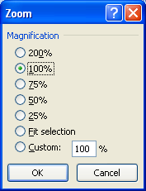

You can also zoom in and out by using the Zoom group on the View Tab.

Zoom allows you to choose a zoom percentage to view the worksheet.
Zoom to Selection zooms in on the selected cells in the worksheet.
100% changes the magnification of the worksheet to 100%.

Experiment with all the different ways to zoom in and zoom out, noting the differences. Do this in a new workbook. If needed, go to the Project 3 Instruction Videos in the Toolkit and watch the demonstration "Zooming."

Go to Navigating.

Navigating
Navigating Around a Worksheet
You can move around the cells of a worksheet very quickly by either using your keyboard or your mouse. Use one of the following methods to move around the worksheet:
Use the scroll bars. Click the arrow buttons at either end of the scroll bars to move the worksheet one row or column at a time. Click and drag the elevators (or scroll bars) to display another location in the worksheet.

Use the arrow keys. This will move the cursor one cell at a time in any direction.

Press the Home key. This will move the cursor to the cell in column A of the same row.

Press the Ctrl + Home keys. This will select cell A1.

Press the Ctrl + End keys. This will select the last cell in the worksheet.

OR
Press the Ctrl + G keys or the F5 Key. This will display the
Go To dialogue box so you can move quickly to a cell reference or range name.

Use the Name Box. Click on the Name Box in the top-left corner of the worksheet (left of the Formula Bar). Click in the Name Box, enter another cell address, and press Enter.

Name Box

Try navigating around this worksheet using the different methods presented. If needed, go to the Project 3 Instructional Videos in the Toolkit and watch the demonstration "Navigating Around a Worksheet" for a review.

Go to Entering Data.

Entering Data
Entering Data into Cells
There are three types of entries you can make when entering data into worksheet cells: labels, values, and formulas.

label: a text entry that consists of alphabetic and numeric characters and most symbols
This type of entry defaults to align left in the cell.
value: a numeric entry that is part of a calculation; a date or time entry
This data can be used in calculations and align to the right.
formula: an entry made up of values, cell references, arithmetic operators, or special functions

There are two ways to enter data into cells:
Use the arrow keys. Navigate to any cell. Once the cell is selected (highlighted), any information you enter will appear in that cell. When you are done entering your information, use the arrow keys to move to another cell.
Use the enter key. Point at any cell and click. Once you have entered your information, press the Enter key.

Go to the Practice 1 tab and practise entering text.

Entering Numbers

Numbers are constant values, such as dollars and percentages. They do not change. These numbers are usually used in calculations. Excel® usually aligns numbers on the right side of the cell. If you want the numbers to appear with the appropriate symbol (e.g., dollar sign), you will have to format the cell accordingly. You will be shown how to do this later.

Go to the Practice 1 tab and practise entering numbers.

Entering Dates
Excel also handles date and time values.
If you enter a full date that includes the month, day, and year, the date will display as dd-mmm-yy by default. You don't even have to enter the full date. You could just enter the day and month or the month and year. If you enter only the month, Excel® will treat it as text. If you enter only the day or the year, Excel® will treat it as a number.
Excel® interprets dates according to the Regional Language Settings. To check these settings, click the start menu at the bottom left and go to Control Panel; then select Date, Time, Language, and Regional Options. The window that appears should look similar to the following:

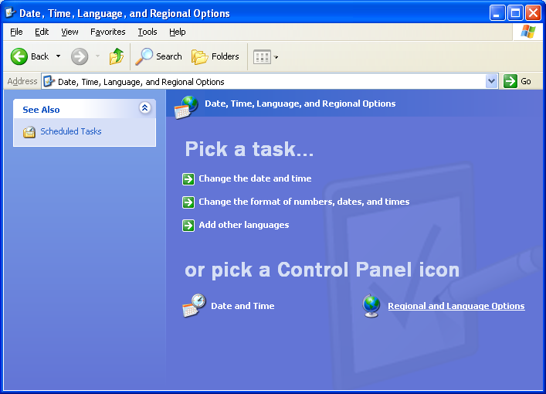

Select Regional Language Settings, and the dialogue box on the right will appear. If the location shows the United States, you can leave it as is or you can change it to Canada.
Click OK once you have set your regional and language options.
Here are some acceptable date formats:
• September 1, 2009
• Sep-09
• 1-Sep-09
• 9/1/2009
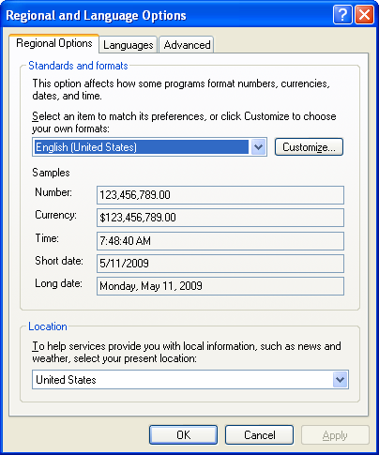

Go to the Practice 1 tab and practise entering dates.

Entering Time

When entering time, it must consist of hours and minutes in the format of hh:mm. You can also enter seconds and the AM/PM indicator. The alternative is to use the 24-hour clock format.
Here are some acceptable date formats:
• 1:15 PM • 13:15
• 13:15:01 • 1:15:01 PM
• 1:15

Go to the Practice 1 tab and practise entering times.

Formatting

Dates and times can be formatted in Excel®. Right-click in a cell, and choose Format Cells. In the Format Cells dialogue box, choose the Date category and format the dates to your liking. Then do the same in the Time category.

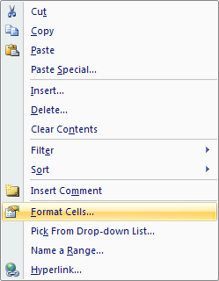
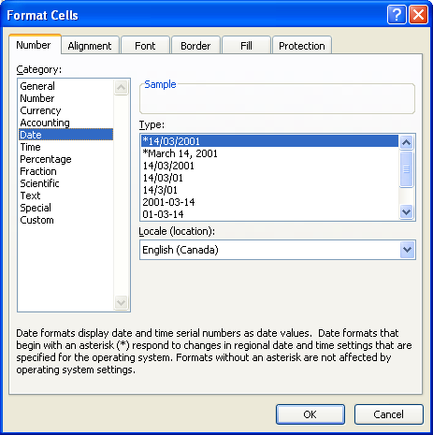

If needed, go to the Project 3 Instructional Videos in the Toolkit and watch the demonstration "Entering Data into Cells."

Go to Finding & Replacing.

Practice 1
Practice 1

Entering Text
In cell A3, enter your first name. If your name is long enough, you will notice that it has spilled over into the next cell(s). That is okay. Press Enter or the down arrow key to enter your text. If you need to edit your information, click in the original cell you typed your name in—cell A3. If you click in cell B3, for example, nothing will appear in the formula bar.
Starting in cell A4, enter four more first names. Press Enter or the down arrow key after each name is entered. You should end with five first names in cells A4 to A7.
Go back to Entering Data into Cells to read about entering numbers.

Entering Numbers
In cell B3, enter your age. Then press Enter or the down arrow key. For the other four names you entered, assign them each an age. In cells B3 to B7 you now have a number in each. Note how Excel® right aligns them.
Go back to Entering Data into Cells to read about entering dates.

Entering Dates
In cell C3, enter your birthdate. Try entering it a few different ways, so that you can see how Excel® handles the information. Then enter dates in cells C4 to C7 information.
Note: If you see a cell full of number signs (####), that means there is not enough room in the cell to display the information. To quickly fix this, place your cursor on the right side of the column tab. When the cursor changes to a left and right arrow, drag the column to the right until you can see the date displayed.
Go back to Entering Data into Cells to read about entering time.

Entering Time
In cell D3, enter a time. Note how Excel® right aligns the time in the cell. Do this for cells D4 to D7 as well. Try using a variety of formats. If you end up with a cell full of number signs, again, that means there is not enough room in the cell to display the information. Simply resize the column as you did when entering dates until you can see the time displayed.
Go back to Entering Data into Cells to read more about formatting dates and time.

Finding & Replacing
Finding and Replacing Cell Contents
There may be times when you want to find all the cells that contain a certain piece of information and maybe even replace that information with other information. You can do this cell by cell; but there is a faster and easier way.
The Find and Replace feature allows you to search through all the cells for particular content and replace it with other content. For example, you might want to find all the cells that have the word costs and replace them with the word expenses.
Click on the Home tab and over to the far right, in the Editing Group, click on Find & Select button. In the drop-down menu, select either Find or Replace to get the Find and Replace dialogue box. If you selected Find, simply click on the Replace tab in the Find and Replace dialogue box.

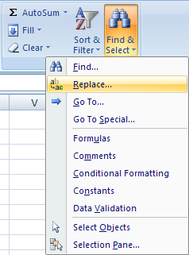
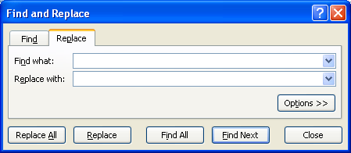

In the "Find what" box, enter the word, phrase, number, etc., you wish to find. In the "Replace with" box, enter the new content. So, in the example given earlier, you would enter the word costs in the "Find what" box and the word expenses in the "Replace with" box. If you click on Replace All, Excel® will search out all occurrences of the word costs and will replace each occurrence with the word expenses. You could also do each replacement one by one by clicking on Replace each time.

Go to the Project 3 Instructional Videos in the Toolkit and watch the demonstration "Finding and Replacing Information."

Go to Selecting.

Selecting
Selecting Cells
The ability to select individual or multiple cells is an important skill in Excel®. Excel® keeps the cell highlighted until you change or move the selection. Clicking another cell or using the arrow keys will deselect the cell.
In a worksheet, you can select
• a single cell
• a range of cells
• multiple ranges of cells
The following instructions show you how to select cells in various ways:
Selecting a single cell. To select a single cell, point and click on the cell. To deselect the cell, click somewhere else.
Selecting a range of cells. To select a range of cells, point at your starting cell and click and drag to your end cell. Notice that Excel® shades in all of the cells within the selected cell range except for one - the active cell.

Selecting multiple cells. To select multiple cells that are not adjacent (do not touch), hold down the Control key and click on the other cells.

Selecting all cells in a worksheet. To select all cells in a worksheet, press Control + A on the keyboard.

Selecting entire columns. To select an entire column, click on the column heading at the top. To select more than one column, hold down the Control key as you click on other column headings.
Selecting entire rows. To select an entire row, click on the row header. To select more than one row, hold the Control key as you click on other row headings.

Take some time now to practise selecting cells in this worksheet. Then, if needed, go to the Project 3 Instructional Videos in the Toolkit and watch the demonstration "Selecting Cells."

Go to Cell Ranges.

Cell Ranges
Cell Ranges

A range is a rectangular group of connected cells. Each colour in the data table on the right represents a range of cells. Ranges are written as follows: I5:K7.
 |  |  |  | First | Second | Third | Fourth
 |  |  |  | Power | Power | Power | Power
 |  |  |  | 1 | 1 | 1 | 1
 |  |  |  | 2 | 4 | 8 | 256
 |  |  |  | 3 | 9 | 27 | 6561
Orange Selection
I5:K7
Address of Bottom-Right Cell
Address of Top-Left Cell
Colon
 |  |  |  | 4 | 16 | 64 | 65536
 |  |  |  | 5 | 25 | 125 | 390625
 |  |  |  | 6 | 36 | 216 | 1679616
 |  |  |  | 7 | 49 | 343 | 5764801
 |  |  |  | 8 | 64 | 512 | 16777216
 |  |  |  | 9 | 81 | 729 | 43046721
 |  |  |  | 10 | 100 | 1000 | 100000000
 |  |  |  | 11 | 121 | 1331 | 214358881
 |  |  |  | 12 | 144 | 1728 | 429981696
 |  |  |  | 13 | 169 | 2197 | 815730721
 |  |  |  | 14 | 196 | 2744 | 1475789056
Indicate the range of coloured cells in the following chart:
 |  |  |  | 15 | 225 | 3375 | 2562890625
 |  |  |  | 16 | 256 | 4096 | 4294967296
 |  |  |  | 17 | 289 | 4913 | 6975757441
 |  |  |  | 18 | 324 | 5832 | 11019960576
 | Orange | I5:K7 | correct | 19 | 361 | 6859 | 16983563041
 | Green |  |  | 20 | 400 | 8000 | 25600000000
 | Purple
 | Pink
 | Yellow
 | Blue

This concludes Training Room 2. Save your Training Room 2 file in your INF1060 SS1 folder, and close the file. Then move on to Time to Practise 2 to test your knowledge and skills of the concepts covered in this training room.

