Editing
Training Room 3: Managing Spreadsheets

Editing Cell Information
To edit the cell contents, double-click the desired cell. An I-beam curser will appear in the cell. You can then use the arrow keys to position the cursor where the edit will be made. Now you can either begin entering text or begin deleting text with the Backspace key or Delete key.

Look at the information in the cell range J10:K18. Make the following changes to these cells:
• Change Karin to Karen
• Change Philip to Phillip
• Change Emmet To Emory
• Change Kyel to Kyle
• Change 778 to 77
 | Calleigh | 78
 | McKenna | 56
 | Maliha | 90
 | Jason | 75
 | Lincoln | 66
 | Kyel | 59
 | Emmet | 778
 | Karin | 92
 | Philip | 78
 | Amed | 87
To overwrite the cell contents, click on the desired cell. Enter the data or text you want. As you enter the information, notice that what was previously in the cell is now gone. Only the new data/text you entered is there.
Go back to cells J10:K18 you edited earlier. This time, change the names in column J to names of your family members and change the numbers in column K to their respective ages.

Undo Function

Excel® has an Undo function that enables you to undo commands you have executed in your workbook. You can undo a maximum of 100 most recently used commands (e.g., deletions, copy and pastes, and drag and drops).
There are two ways to undo a command:
Using the Quick Access Toolbar. Click the Undo button to reverse the last command. Alternatively, click the arrow next to the Undo button to display the history of the most recently used commands.

Undo Button
Redo Button

Pressing Control + Z. Pressing the Control and Z keys together will reverse (undo) the last command. Each time you press Control + Z, you will undo a previous command. So, if you press Control + Z three consecutive times, you will undo the three previous commands.

Note: There are some commands you cannot undo. They include Save, Open, and Print.

Redo Function

Excel® has a Redo function that enables you to immediately redo any of the commands you reversed using the Undo function. This function only becomes available once an Undo command has been executed. That means if you were to do any work to your worksheet (e.g., add/delete text or format a cell) after you executed an undo command, you will not be able to redo that particular undo command. The Redo button will no longer be active.
Like the Undo function, there are two ways to redo a command:
Using the Quick Access Toolbar. Click the Redo button (as shown above) to reverse the last undo command. Alternatively, click the arrow next to the Redo button to display the undo commands available to be "redone."
Pressing Control + Y. Pressing the Control and Y keys together will redo the last undo command. Each time you press Control + Y, you will redo consecutive undo commands.

Go to the Project 3 Instructional Videos in the Toolkit and watch the demonstration "Editing Cell Information."

Go to Clearing Data.

Clearing Data
Clearing Data
OR
To clear data from one cell, select the cell and hit the Delete or Backspace key. Clearing a cell means removing the cell contents but that the cell remains in place.

To clear data from multiple cells, select the cells—either by clicking and dragging a range of cells or by holding down the Control key as you click non-adjacent cells. In the Editing group within the Home tab, click the Clear button and select one of the options.

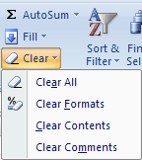
Clears contents, formats, and comments
Clears only formats that are applied to the cells
Clears the contents, but leaves all formats and comments
Clears any comments that are attached to the cells

Tip: Rather than go to the ribbon to clear content, you can simply hit the Delete or Backspace key to clear all the content in a group of selected cells.

To review ways to clear information from selected cells, go to the Project 3 Instructional Videos in the Toolkit and watch the demonstration "Clearing Data."

Go to Deleting Rows & Colulmns.

Deleting Rows & Columns
Deleting Rows and Columns
There are two ways to delete rows and columns:
Using the Ribbon. Select the row(s) or column(s) you wish to delete by clicking on their respective headings. Recall that clicking on a row or column heading will highlight the entire row or column.

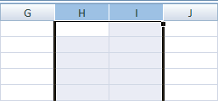

Under the Home Tab and in the Cells Group, click on the Delete button. You will then be given four options. Select the function you want to use.

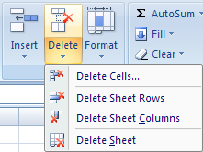
Deletes selected cells
Deletes selected rows
Deletes selected columns
Deletes the entire worksheet

Using your mouse. Once you have selected the rows or columns you wish to delete, simply right-click over the selection and choose Delete.

Practise deleting rows and columns in this worksheet. Caution: Avoid deleting rows and columns containing instructions.

For a review, go to the Project 3 Instructional Videos in the Toolkit and watch the demonstration "Deleting Rows and Columns."

Go to Inserting Rows & Columns.

Inserting Rows & Columns
Inserting Rows and Columns

There are two ways to insert rows and columns:
Using the ribbon. Select the row or column—or even a cell within the row or column—before which you want to insert a row or column. Recall that clicking on a row or column heading will highlight the entire row or column.

On the Home Tab in the Cells group, click Insert and then click Insert Sheet Rows

Under the Home Tab and in the Cells Group, click on the Insert button. You will then be given four options. Select the function you want to use.

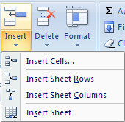
Inserts selected number of cells
Inserts selected number of rows
Inserts selected number of columns
Inserts an entire worksheet

You can insert any number of rows or columns at the same time. For example, to add two columns before column H, highlight columns H and I before clicking on the Insert button.
You can also insert non-adjacent rows or columns at the same time. For example, to insert a row before row 10 and before row 12 at the same time, click on the rows while holding down Control key and click on the Insert button. Excel® will insert a row before each selection.

Using your mouse. Once you have selected the row(s) or column(s) before which you wish to insert, simply right-click over the selection and choose Insert. Excel® will automatically insert a row or column before your selection.
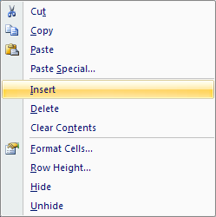

Practise inserting rows and columns in this worksheet. For a review, go to the Project 3 Instructional Videos in the Toolkit and watch the demonstration "Inserting Rows and Columns."

Go to Inserting & Deleting Cells.

Inserting & Deleting Cells
Inserting and Deleting Cells

Excel® also allows you to insert and delete individual cells or a group of cells. If you do insert or delete cells, make sure your information still lines up as inserting or deleting cells will cause your data to shift. The method is similar to inserting or deleting rows or columns, except this time you are inserting or deleting individual cells.

Inserting Cells
Similar to inserting rows, there are two ways to insert cells:
Using the ribbon. Select the cell (or group of cells) in the general area where you want to insert more cells. Under the Home Tab in the Cells group, click the Insert button, and select Insert Cells. The Insert dialogue box will appear and provide you with four options. Choose the option that makes sense for your worksheet and click OK.

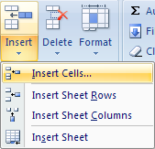
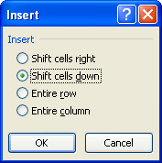

Note: You are still able to insert an entire row or column through this dialogue box.

Using your mouse. Right-click the cell (or group of cells) and choose Insert. The Insert dialogue box will appear.

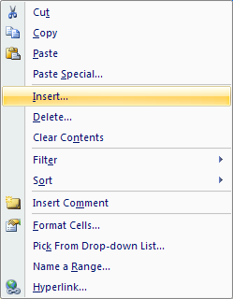

Deleting Cells
Like inserting cells, there are two ways to delete cells:
Using the ribbon. Select the cell (or group of cells) you want to delete. Under the Home Tab in the Cells group, click the Delete button, and select Delete Cells. The Delete dialogue box will appear and provide you with four options. Again, choose the option that makes sense for your worksheet and click OK.

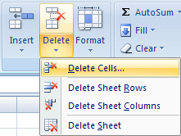
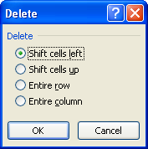

Note: You are still able to delete an entire row or column through this dialogue box.

Using your mouse. Right-click the cell (or group of cells) and choose Delete. The Delete dialogue box will appear.

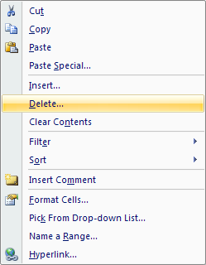

For a review, go to the Project 3 Instructional Videos in the Toolkit and watch the demonstration "Inserting and Deleting Cells."

Go to Column Width.

Column Width
Adjusting a Column Width
Sometimes, columns are not wide enough to properly show information. If this is the case, information will spill over into the next cells if those cells are empty. If a string of number signs (####) appear, that is a good indication that the cell is not large enough to properly display the information. Therefore, an adjustment needs to be made.
Columns can be set between 0 and 255 characters (based on the default font). The default column width is 8.43 characters. If a column has a width of 0 (zero), the column is hidden. Excel® will automatically adjust the column width if there is a numeric entry slightly larger than the cell size. If there is a number that is much larger than the cell size, Excel® changes that number to scientific notation (e.g., 1.2468E+15).
The easiest way to adjust a column width is by using your cursor. Place your cursor on the right side of the column heading. Notice that your cursor changes shape. Click and drag to either increase or decrease the column width. Excel® will display the width for quick reference.

You can also adjust the width of a column by first selecting a cell in the column or by clicking the column heading. Then, under the Home Tab in the Cells Group, click the Format button and select Column Width.
The Column Width dialogue box will appear. Enter any numeric value, and click OK. The width of the column will be adjusted.
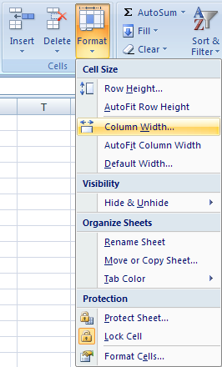

Note: If numeric information within the column changes to a string of number signs (####), you still need to increase the size of the column to display the information.
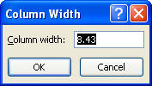

Tip: A quicker way to obtain the Column Width dialogue box is to right-click the column heading and select Column Width from the list.

You can also adjust a column width so that the contents of every cell in that column are visible. Do this by selecting AutoFit Column Width rather than Column Width in the Format menu.

Tip: To quickly AutoFit a column, double-click the right side of the column heading. Excel® will automatically adjust the column to the minimum width required to display all the information in the column properly.

For a review, go to the Project 3 Instructional Videos in the Toolkit and watch the demonstration "Adjusting Column Widths."

Go to Row Height.

Row Height
Adjusting a Row Height

Adjusting row heights is very similar to adjusting column widths.
Row heights can be set between 0 (zero) and 409. This value represents the height measurement in points (1 point is approximately 0.035 cm or 1/72 of an inch). The default row height is 12.75 points (approximately 0.4 cm or 1/6 of an inch). If a row has a height of 0 (zero), the row is hidden.
Again, the easiest way to adjust a row height is by using your cursor. Place your cursor on the bottom side of the row heading. Then click and drag to either increase or decrease the row height. Excel® will display the height for quick reference.

You can also adjust row heights by using the ribbon. As in adjusting column widths, first select a cell in the row or click the row heading. Then, under the Home Tab in the Cells Group, click the Format button, and select Row Height.
The Row Height dialogue box will appear. Enter any numeric value, and click OK. The height of the column will be adjusted.
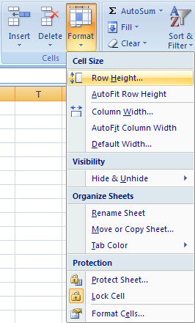

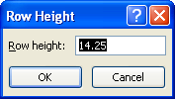

You can also adjust a row height so that the contents of every cell in that row are visible. Do this by selecting AutoFit Row Height rather than Row Height in the Format menu.

Tip: Just as with column widths, right-click the row heading and select Row Height from the list to obtain the Row Height dialogue box and double-click the bottom of the row heading to quickly AutoFit a row.

You can select the entire worksheet at once and make your row height and/or column width adjustments all at once. To select the entire worksheet, click on the top-left corner of the worksheet where the row and column headings meet.

Clicking here selects all the cells in the worksheet.

Then you can right-click the row or column headings and set the heights or widths for the entire worksheet at once.

For a review, go to the Project 3 Instructional Videos in the Toolkit and watch the demonstration "Adjusting Row Heights."

Go to Cutting, Copying, & Moving.

Cutting, Copying, & Moving
Cutting, Copying, and Moving Cells

If you need to move information from one part of the worksheet to another part, or if you have repeated information, it is much easier and quicker to cut/copy and paste the information or physically move the cell, rather than re-enter it.

Cutting and Copying Cells

When you cut or copy a cell, Excel® copies the entire cell including formulas and their values, cell formats, comments, etc. There is a difference between cutting and copying cells. When you use the Cut function, you are removing all of the information from the cells (text, formatting, etc.) and copy it to the clipboard. When you use the Copy function, you are copying all of the cell information to the clipboard.
There are two ways to cut or copy a cell or group of cells:
Using the ribbon. Select cells F20:H22 below. Then directly under the Home tab in the Clipboard group, select either Copy. Notice that the selection is bordered with a marquis. Select cell F24, and click the Paste button in the Clipboard group.

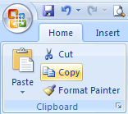
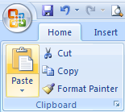
 |  |  |  | 16 | 256 | 4096
 |  |  |  | 17 | 289 | 4913
 |  |  |  | 18 | 324 | 5832

Did you notice that the cells fill in from the top left cell of the selection to the bottom right cell? Now, with the cells you just copied to, practise using the Cut function.

Tip: Use the quick key commands for cut, copy, and paste as much as possible:
Cut: Control+X Copy: Control+C Paste: Control+V

Using your mouse. This time, right-click cells F20:H22 and select Copy. Then right-click cell F42, and select Paste.

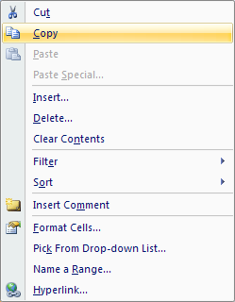
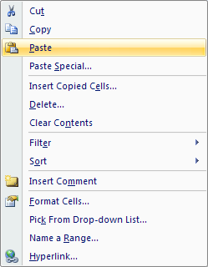

Again, practise cutting and pasting in this worksheet using your mouse.
You can also use the Fill Handle to insert the information into cells. It is the tiny black square in the bottom-right corner of the cell or group of cells. The Fill Handle will copy data from cell to cell in any direction and adjust formulas and other formats. For example, the Fill Handle will insert months or days in succession for you without you having to type them.
Select cell B70, where it states 9:00. Then click on the bottom-right corner of the cell, and drag across to cell I68. What do you notice?

Fill Handle

 | 9:00:00

This time, select cells B75:C76 and use the Fill Handle to copy information to column M. What do you notice?

 | Mary | Tim
 | Jan-09 | Feb-09

The Fill Handle can be a handy tool to save you time.

Moving Cells

You can physically move a cell (or group of cells) simply by using your mouse. When moving cells, essentially you are performing a cut and paste. The only difference is that you are not copying anything to the clipboard.

Point your cursor to the border of the selected cell or group of cells. When the cursor becomes a move pointer, click and drag the cell or group of cells to the desired location.
Now, you try. Select cells B94:D96, and move it elsewhere in this worksheet.

 | 16 | 256 | 4096
 | 17 | 289 | 4913
 | 18 | 324 | 5832

For a review, go to the Project 3 Instructional Videos in the Toolkit and watch the demonstration "Cutting, Copying, and Moving Cells."

Go to Converting Text to Columns.

Converting Text to Columns
Converting Text to Columns

There is an easy way to split information that appears in the same cell, such as first and last names or cities and provinces, in a spreadsheet. It may be useful to split first and last names, for example, so you can sort and/or filter the information presented.
Excel® has a Convert to Text Wizard to do just this. It makes use of a delimiter (or divider) to separate the text. The following list of names will be used to demonstrate how to split the first and last names into separate columns.

 | Alfonzo, Joseph
 | Berube, Curtis
 | Mulhollen, Lenny
 | Cruz, Ryley
 | Barks, Mack
 | Bingham, Janet
 | Boiler, Hudson
 | Cafferine, Robert
 | Castine, Debra
 | Carter, Charles
 | Collins, Leonard
 | Cooper, Abbie
 | Entrup, BJ
 | Wicks, Skylar
 | Bishop, Bruce

First, select the cells containing first and last names: cells B11:B25. Then under the Data tab in the Data Tools group, click on the Text to Columns button. The Convert Text to Columns Wizard dialogue box will appear.

In Step 1 of the Convert Text to Columns Wizard dialogue box, make sure Delimited is selected. Then click Next.
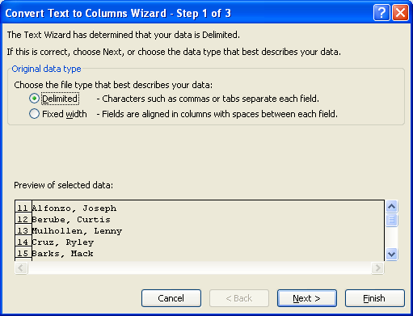

In Step 2 of the dialogue box, deselect Tab and select Comma in the Delimiters list. Then click Next.
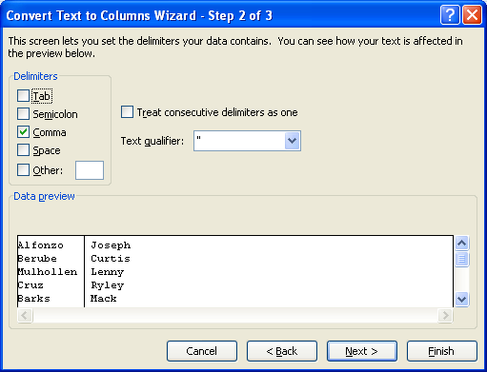

In Step 3 of the dialogue box, choose General as the column data format. Then select Finish.
Now your names have been split into two columns: cells B11:C25
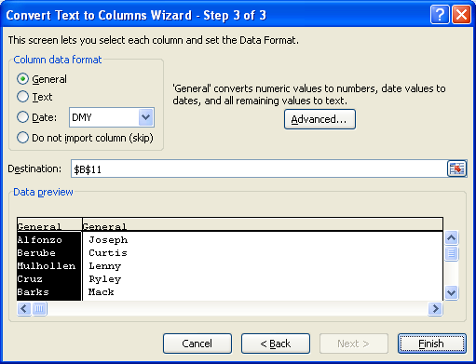

For a review, go to the Project 3 Instructional Videos in the Toolkit and watch the demonstration "Converting Text to Columns."

This concludes Training Room 3. Save your Training Room 3 file in your INF1060 SS1 folder, and close the file. Then move on to Time to Practise 3 to test your knowledge and skills of the concepts covered in this training room.

