Formatting Data
Training Room 4: Formatting Spreadsheets

Formatting Data

If you've used Microsoft® Office products before, you may already be familiar with some of the formatting options. Formatting is all about the appearance of the data contained in the workbook. Sometimes how the information is presented is almost as important as the data itself.
Formatting can be done before or after the data is entered. A cell remains formatted even after you clear the contents of the cell, unless you also clear the format or reformat the cell. When you paste a cell from another cell, you copy the format and the contents of the original cell.
Some of the features you can use to format data are: fonts, font sizes, font colors, font styles (e.g., bold, underline, and italics), borders, cell colors, and cell alignments.

Changing Fonts and Sizes

A font is an overall design of a set of characters, in this case text and numbers. You can apply font changes to any type of data in the worksheet. A good rule of thumb is to try not to use more than three types of fonts in a worksheet.
To select a font, simply go to the Font group under the Home tab. You can also select a font in the Format Cells: Font dialogue box by clicking on the button in the bottom-right corner of the Font group.

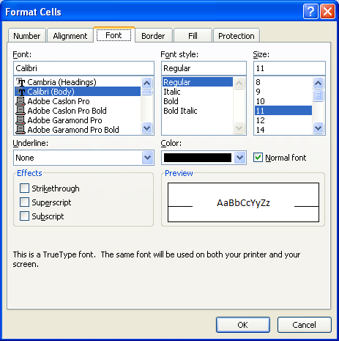

Dialogue Box Launcher

When you open the Format Cells: Font dialogue box, you get many options to choose from. As you select different options—font, font style, size, color, effects, etc.—you can view a sample of what your text will look like in the Preview box.
The more common font options are found as buttons on the ribbon in the Font group under the Home tab. They include the following:

Font
Font Size
Increase/Decrease Font Size
Font Styles: Bold, Italics, Underline
Cell Borders
Fill Color
Text Color

Recall in Training Room 2 that you can quickly get the Format Cells dialogue box to appear by simply right-clicking in the cell(s) you wish to format and selecting Format Cells. However, when you use this method, the dialogue box opens to the tab that was last used.
For example, if you last used the Format Cells dialogue box to format numbers, like dates or currency, the dialogue box will open with the Number tab in view. If this occurs, simply click on the Font tab to see the window shown above.
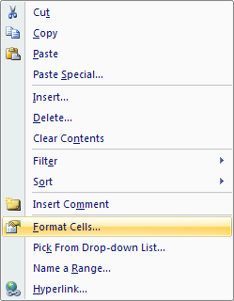

For a review, go to the Project 3 Instructional Videos in the Toolkit and watch the demonstration "Formatting Data."

Go to Cell Alignments.

Cell Alignments
Changing Cell Alignments
Alignment refers to the placement and position of data. Excel® automatically aligns numbers, like percentages and times, to the right and aligns text labels to the left. Vertically, Excel® aligns all data along the bottom of the cell.
You can change the alignment of cell contents horizontally and vertically. Under the Home tab, go to the Alignment group. There you will see the most often used alignment tools. To see more alignment options, simply click the button in the bottom-right corner of the Alignment group to launch the Format Cells: Alignment dialogue box.

Vertical and Horizontal Alignment Tools
Dialogue Box
Launcher
Middle
Bottom
Top
Left
Center
Right

Tip: You can roll your mouse over any button in the ribbon to see a brief description of that button.

The Format Cells: Alignment dialogue box provides you with most of the same choices as the ribbon, but there are a few different options. Justifying text is one of the options provided in this dialogue box. Notice that the Orientation option is also provided. This option allows you to manipulate your text in the cell and turn it up to 90 degrees up or down. Orientation gives you the chance to enhance your spreadsheet.
Definitely try using some of these alignment features in any spreadsheet you create.

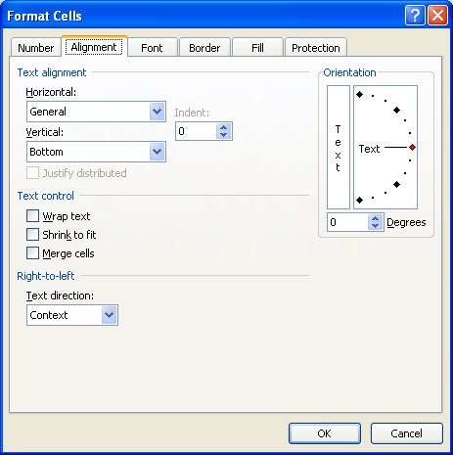
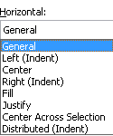
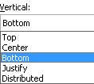
Horizontal and Vertical Alignment Choices

To review cell alignments, go to the Project 3 Instructional Videos in the Toolkit and watch the demonstration "Aligning Data in Cells."

Go to Cell Borders.

Cell Borders
Cell Borders

Applying borders to your spreadsheet is one way that not only helps separate data, but helps make your presentation more appealing to the eye. The Border feature enables you to draw lines around any or all of the four edges of a cell or range of cells. There are plenty of options to change the thickness, color, and style of the lines.
Before you apply any borders, first select the cell or range of cells. Then, under the Home tab in the Font group, click on the small arrow on the right side of the Borders button. In the drop-down menu that appears, you are provided with many options to apply and format borders to the selected cell or range of cells.
If the option you are looking for does not appear in the list, select More Borders at the bottom of the list for the Format Cells: Border dialogue box to appear.

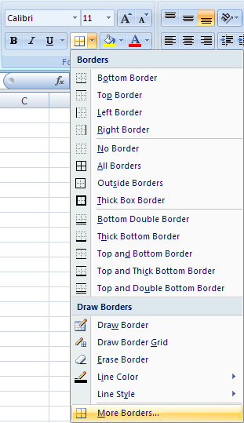
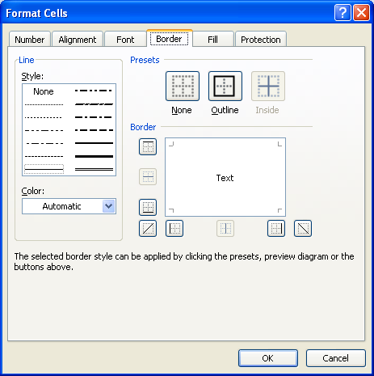

You can also have the Format Cells dialogue box appear two other ways: by right-clicking in the selected cell(s) or by using the Format button in the Cells group. When you use these methods, the dialogue box may not open to the Border tab. If this is the case, simply click on the Border tab to view all of the border options.

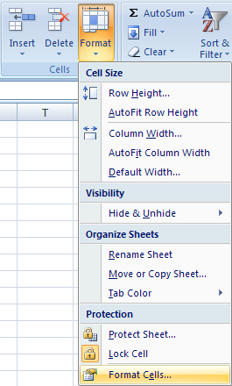

Go to the Project 3 Instructional Videos in the Toolkit and watch the demonstration "Borders."

Go to Colors & Patterns.

Colors & Patterns
Colors and Patterns

Color can provide a more visual appeal to a worksheet. The use of color and patterns draws the reader's attention to detail and information, or it can create divisions or breaks in the information so it doesn't seem so daunting.
Patterns and colors have different meanings in Excel®. Colors refers to the solid color that can fill the cell (or cells). Patterns are textures. You can choose a color and then apply a texture. The cell (or cells) will fill with that color and that texture.
If you plan to print on a black and white printer, stick to grey colors or use patterns. If you send colors to a black and white printer, the printer will apply a grey shade to each color. The results may not be satisfactory.
Avoid using dark colors or dense patterns with dark text, as it may make the text very hard to read. Use colors and patterns wisely. The use of too many colours may distract and take the reader away from the information you are trying to convey.
Applying a fill color and/or pattern can be achieved through the Format Cells dialogue box. Recall that there are two ways to have this dialogue box appear: by right-clicking in the selected cell(s) or by using the Format button in the Cells group. As before, when you use these methods, the dialogue box may not open to the Fill tab. If this is the case, simply click the Fill tab to view all of the color and pattern options.

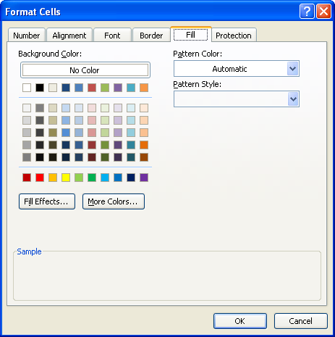

Color
There are three categories of color altogether in Excel®: theme colors, standard colors, and custom colors.
Other than in the Format Cells: Fill dialogue box, theme colors and some standard colors can quickly be chosen in the Font group under the Home tab by clicking on the small arrow on the right side on the Fill Color button. Theme colors offer a range of tones of a particular color, and standard colors are those that are used most frequently. To see more standard colors, select More Colors in the drop-down menu for the Colors dialogue box to appear. (This option is also provided in the Format Cells: Fill dialogue box.)
The third category of color resides in the Colors dialogue box. Simply click the Custom tab to see how you can create your own custom colors.
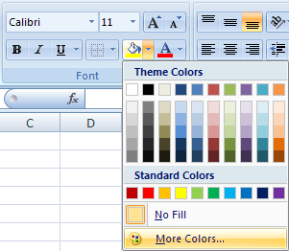

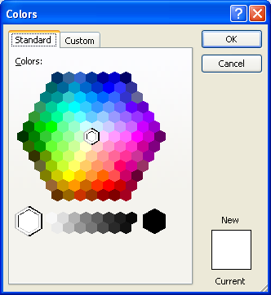
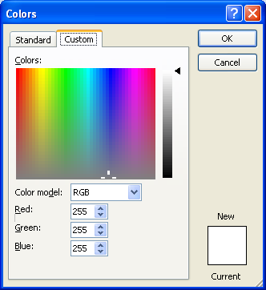

Take some time now to practise using colors and creating colors in a spreadsheet.

Patterns
To fill cells in with a colored pattern, the method is similar to that of applying fill colors, except you can only apply patterns through the Format Cells: Fill dialogue box. Once the dialogue box is open, focus your attention on the Pattern Color and Pattern Style drop-down menus. From there, you will be able to apply many different patterns.

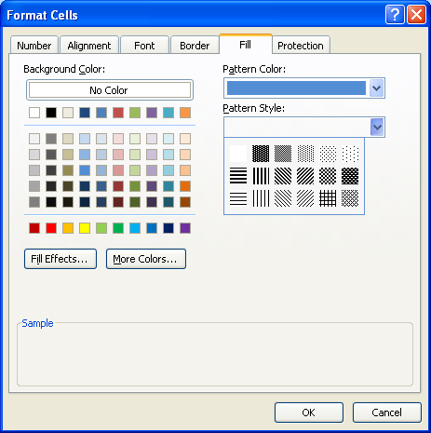
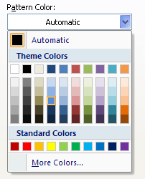

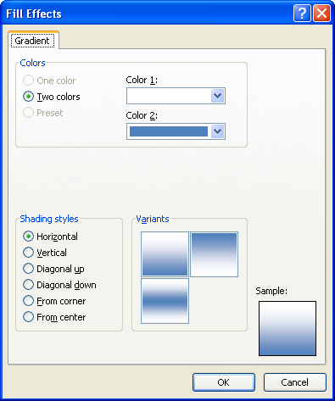
Fill Effects

Taking colors and patterns one step further, you can also apply gradients to your selected cells. This is done by clicking on the Fill Effects button in the Format Cells: Fill dialogue box.
A variety of choices as to how you want to apply your gradient is given in the Fill Effects dialogue box. Choose your colors and choose your shading style; then click OK to see how the fill effects look in your worksheet.

Take some time now to practise using colors and patterns in a spreadsheet. Then go to the Project 3 Instructional Videos in the Toolkit and watch the demonstration "Colors and Patterns."

Go to Adding Tab Colors.

Adding Tab Colors
Adding Tab Colors
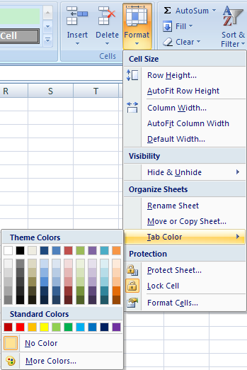
As well as adding color to cells or a range of cells, you can also add color to the worksheet tabs at the bottom. This would be similar to using different colored tabs in a binder.
To apply a tab color to a worksheet, you must first click on the worksheet tab to make it active. Then, under the Home Tab and in the Cells group, click on the Format button and select Tab Color.
You will see the theme colors and standard colors appear once again. As you move the pointer over the color swatches, Excel® provides a preview of the colored tab. Once you have chosen a color, click on the swatch to apply the color to the tab.

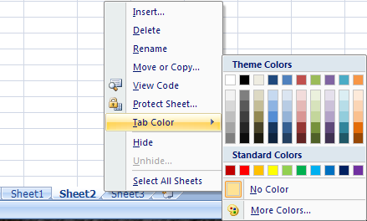
You can also add a tab color by right-clicking on the tab itself. Again, choose Tab Color and the swatches of theme colors and standard colors appears.

The color will appear as a line below the worksheet name when it is the active worksheet. When the worksheet is not active, the color will appear in the background.

Active Sheet
Inactive Sheet
Inactive Sheet
Active Sheet

Take some time now to practise coloring the tabs in this spreadsheet. Then go to the Project 3 Instructional Videos in the Toolkit and watch the demonstration "Adding Tab Colors."

Go to Backgrounds.

Backgrounds
Adding a Worksheet Background

Excel® also allows you to apply a background to a worksheet. It can be color, an image, or a combination of both. This allows businesses, for example, to incorporate their logo in the background of a presentation or students to personalize their worksheet assignments. There is one catch, however. Backgrounds only show on a computer screen; they will not appear if you print the document .
If you want the entire worksheet to have a color background, you need to first select the entire worksheet. Recall that you can do this by clicking in the top-left corner where the row and column headings meet.

Clicking here selects all the cells in the worksheet.

Inserting a Background Color
The quickest way to change the color of all the cells is to choose a color from the Fill Color button in the Font group. Recall that when you click the Fill Color button, you will be able to choose from a list of theme colors and standard colors or you can create your own color. Your entire worksheet will then fill with the color you have chosen.

Tip: Use a background color that does not interfere with your font color. The information in your spreadsheet should be easily read.

Inserting a Background Image
To use an image or picture as a background, you need to have one stored on your computer. The picture needs to be in jpg, gif, png, bmp, or wmf format. When you add a background, it is only applied to the current worksheet. The picture does not appear in every worksheet in the workbook. So, if you want to copy the worksheet elsewhere, you need to copy the picture as well.
Under the Page Layout Tab in the Page Setup group, click the Background button. The Background Sheet dialogue box will appear for you to find the picture you wish to use.

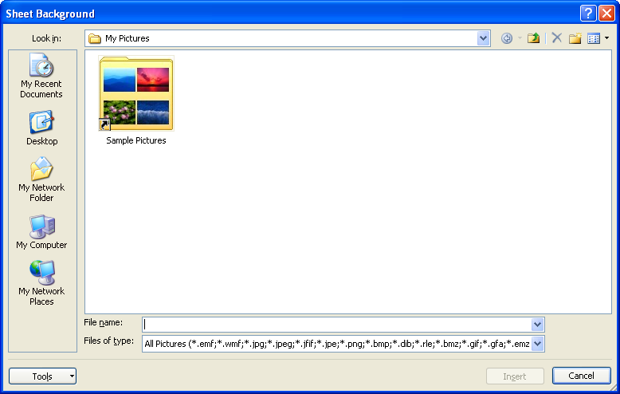

Navigate through your computer to find the picture you wish to use. If you don't have a picture on your computer, contact your teacher for one. Once inserted, the picture is tiled and repeats throughout the worksheet. Make sure your background picture does not interfere with the readability of your data. Either adjust the picture or the data.
Your screen could look something like the following.

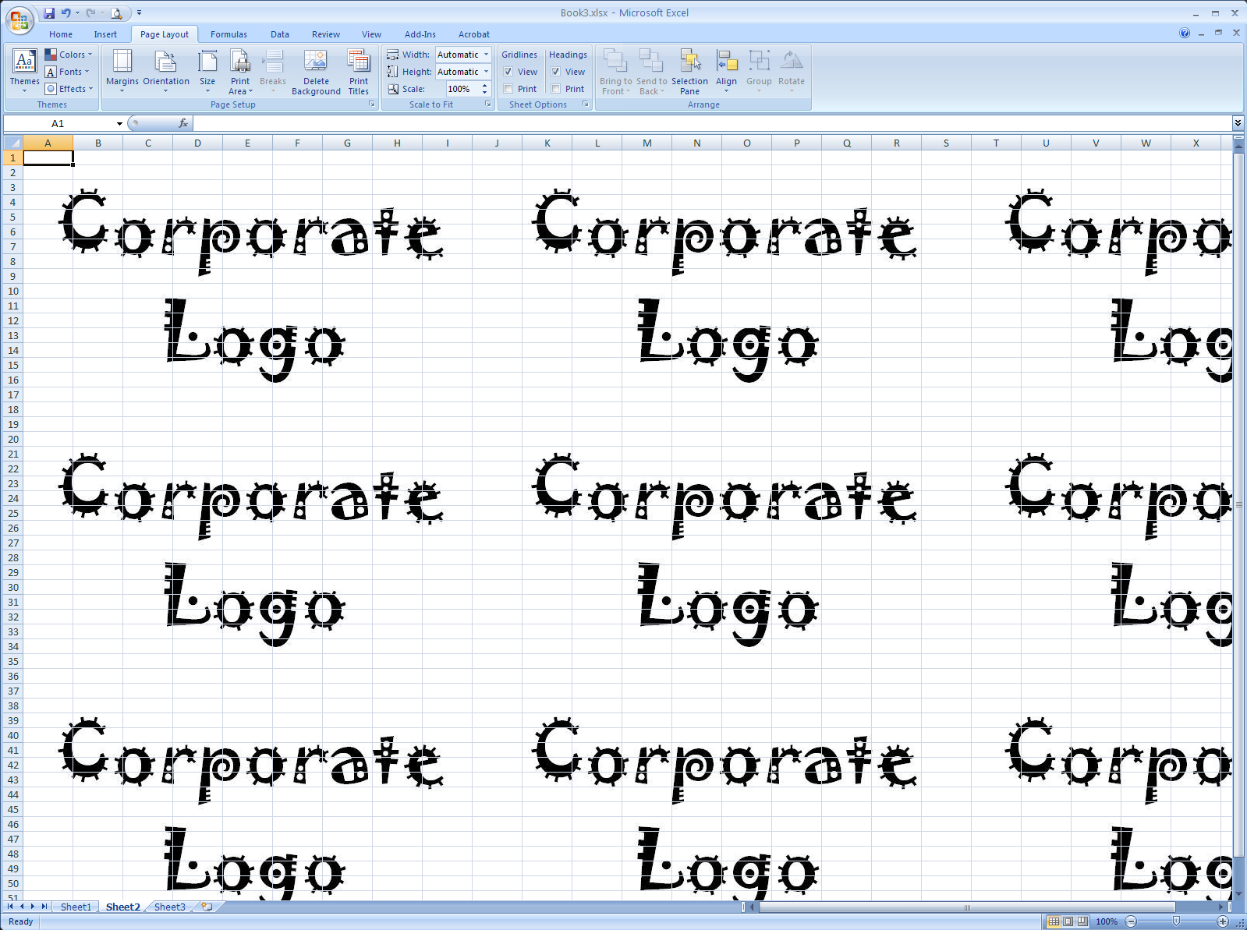

Tip: Again, make sure the background image you use does not interfere with the font color in your worksheet. You need the data to be visible and not washed out.

If your background image is too repetitive and/or too distracting, open the image file in a graphic editor to enlarge it or add some more white space so that the image appears fewer times. You will then have to delete the original background and replace it with the revised background image.
To delete the background, notice that the Background button has changed to a Delete Background button. Simply press this button to delete the background.

Take some time now to practise adding a background color or image. Then go to the Instructional Videos in the Toolkit and watch the demonstration "Backgrounds."

Go to Gridlines & Headings.

Gridlines & Headings
Displaying Gridlines and Headings

All worksheets have two sets of headings: column headings, starting with column A, and row headings, starting with row 1. Recall that cell addresses represent the intersection of the column and the row. For example, cell A1 is at the intersection of column A and row 1. Gridlines mark the edges around each cell. When you are working with spreadsheets, gridlines are critical for ensuring that you are pointing to the correct cell. However, when you are finished working on your spreadsheet and would like to present it, you may want to turn off the gridlines and headings.

Under the Page Layout Tab and in the Sheet options group, deselect the View box under Gridlines. Notice that all of the gridlines have disappeared. Now, in the Sheet Options group, deselect the View box under Headings. Notice now the row and column headings have disappeared.

Hiding headings and gridlines, especially, will provide you and your readers with a good sense of your presentation's look and feel. If you want to see the gridlines and headings, simply go back to the Sheet Options group and select the View boxes.

Go to the Project 3 Instructional Videos in the Toolkit and watch the demonstration "Gridlines."

Go to Themes.

Themes
Themes
Themes simplify the process of creating matching, professional-looking documents. They, in essence, AutoFormat your document for you. Themes include complimentary colors, fonts, and effects that can be applied to your Microsoft® Office 2007 document.

Take some time now to see the effects of themes on this worksheet.
Step 1: Under the Page Layout tab and in the Themes group, click on the Themes button. A list of built-in themes will appear.
 | Product | Sales | % of Total Sales
 | Pencils | 212.58 | 8%
 | Pens | 351.28 | 14%
 | Paper | 658.24 | 26%
 | Folders | 106.32 | 4%
 | Markers | 405.98 | 16%
 | Highlighters | 85.21 | 3%
 | Post it Notes | 759.65 | 29%
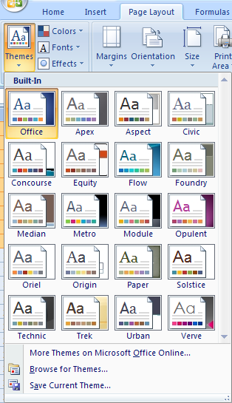
 | Totals | 2579.26

As you place the pointer over each theme, Excel® will provide a preview to see how the theme will affect your worksheet.
There are many other options under Themes you can use to change your table formatting.
Step 2: Under the Table Tools: Design tab and in the Table Style Options group, practise checking and unchecking the boxes.

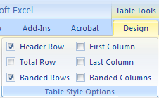

Note the effects each box has on your table.

Theme Colors and Fonts
You can modify your theme further by making color changes and/or font changes.
When you click on the Colors button, you will find a list of theme colors. Every set of theme colors, such as Concourse, consists of one dark color, one light color, and six accent colors. If you change the theme colors, the gallery of colors changes as well as the content, tables, etc. that uses the theme colors.
When you click on the Fonts button, you will see a list of theme fonts. Every theme font, such as Office, has two fonts: one for headings and one for body text. They may be the same font, or they may be two different fonts.
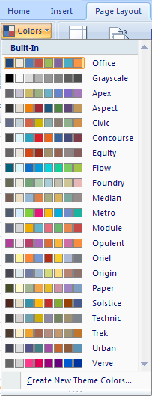

Tip: You should never use more than two fonts in any document you create.

Go to the Project 3 Instructional Videos in the Toolkit and watch the demonstration "Table Themes."

Go to Table Styles.

Table Styles
Applying Table Styles
When a table is created, Excel® applies the table style that complements the current theme that is in effect. The default options are to highlight the table header and total row and highlight every second row in the table.
Highlighting every other row helps improve the readability of large tables of data. With table styles, these highlights are applied or changed quickly. Table styles will change with the changing of themes.
Table styles are found under the Home Tab and in the Styles group.

Perform the following steps to see how you can turn a range of information into an eye-catching table that effectively displays the information.
Step 1: Select cells H13:J21.
Step 2: Under the Home Tab and in the Styles Group, click the Format as Table button.
 | Product | Sales | % of Total Sales
 | Pencils | 212.58 | 8%
 | Pens | 351.28 | 14%
 | Paper | 658.24 | 26%
 | Folders | 106.32 | 4%
 | Markers | 405.98 | 16%
 | Highlighters | 85.21 | 3%
 | Post it Notes | 759.65 | 29%
 | Totals | 2579.26
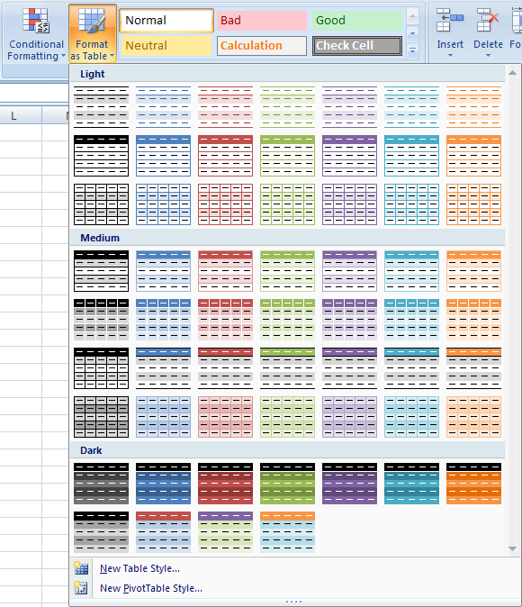

Step 3: From the huge group of preset formats, choose a style you like.
Step 4: Double-check the range of the table in the Format As Table dialogue box, and click OK.
Your table may look something like the table on the right. Notice the highlighting of every other row.
 | Product | Sales | % of Total Sales
 | Pencils | 212.58 | 8%
 | Pens | 351.28 | 14%
 | Paper | 658.24 | 26%
 | Folders | 106.32 | 4%
 | Markers | 405.98 | 16%
 | Highlighters | 85.21 | 3%
 | Post it Notes | 759.65 | 29%
 | Totals | 2579.26

What if you want to change the style after the fact? No problem. Simply perform the following steps:
Step 1: Either select the table you formatted earlier (cells H13:J21) or select the table in cells H59:J67.
Step 2: Under the Table Tools: Design tab and in the Table Styles group, choose from the scrolling list of styles. The scrolling list goes through the entire list of light, medium, and dark styles listed above.

Notice that as you move your pointer over each style, Excel® allows you to preview what your table will look like. To see the entire list of table styles, click the More button (below the down scrolling arrow).

Go to the Project 3 Instructional Videos in the Toolkit and watch the demonstration "Table Styles."

This concludes Training Room 4. Save your Training Room 4 file in your INF1060 SS1 folder, and close the file. Then move on to Time to Practise 4 to test your knowledge and skills of the concepts covered in this training room.

