Preview
Training Room 5: Layout and Printing

Previewing Worksheets
In today's electronic world, it is good practice to preview your work before printing. You should be conscious of being wasteful. So, you need to ensure that all work is done before you go ahead and print.
Printing and previewing options are found in the Microsoft Office menu. Simply click on the Office button in the top-left corner and roll your pointer over Print; then select Print Preview. You will be shown exactly how your worksheet will print.
The print preview screen contains the following ribbon consisting of three groups: Print, Zoom, and Preview.
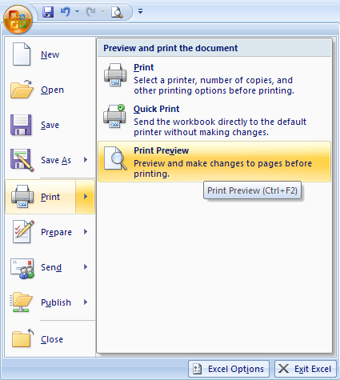

In the Print group you will find the Print and page Setup buttons. The Print button opens the Print dialogue box so you can set your printer options and send the document to print. The Page Setup button opens the Page Setup dialogue box so you can set options for margins, paper, orientation (portrait or landscape), headers and footers, etc.
In the Zoom group, there is only one button—the Zoom button. It allows you to zoom in or out of an area of the worksheet to get a closer look before printing. You can zoom by clicking anywhere on the document. The first click zooms in, and a second click zooms back out.
In the Preview group there are a number of buttons. The Next Page button shows you the next page to check if there is more than one page in the worksheet. The Previous Page button takes you back one page. The Show Margins button changes the display so that you can see the page margins. You can click and drag the margins to change them here as well. Finally, the Close Print Preview button closes the preview screen and returns you to the worksheet.

Go to the Project 3 Instructional Videos in the Toolkit and watch the demonstration "Print Previewing."

Go to Print Options.

Print Options
Customizing the Printout

Changing the Orientation

If you want to customize your printout, you need to go in and make some changes. Excel® has default options and will print your document in portrait view or landscape view if need be. Additional settings can be changed under the Page Layout tab in the Page Setup group.

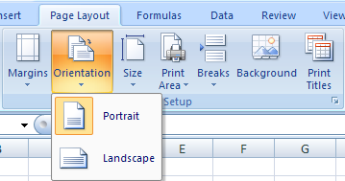

Portrait is the default setting for Excel®.
Landscape turns your worksheet 90 degrees so you can fit more data from side to side.

Setting the Print Area

You can also set a print area, instead of printing the entire worksheet. When you set the print area, only that set range of cells will print. Even when you close the worksheet and open it at a later date, the print area will still be set. You will have to clear the print area if you want to print the entire worksheet.
To set the print area, highlight the cells you wish to print. Then, under the Page Layout tab and in the Page Setup group, click on the Print Area button and select Set Print Area. The area you have highlighted will have a dotted border indicating what information will be printed. If your settings are acceptable, then proceed to print.

Tip: You can also set the print area by highlighting the cells you want to print, clicking on the Office button, and selecting Print. When the Print dialogue box appears, choose Selection in the Print What section of the window. Then click OK.

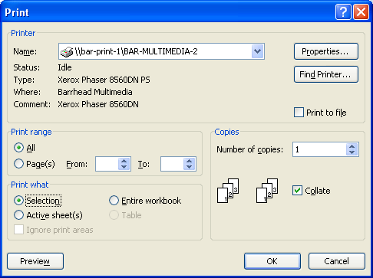

Go to the Project 3 Instructional Videos in the Toolkit and watch the demonstration "Customizing the Printout."

Go to Margins.

Margins
Adjusting Margins

Sometimes, in order to squeeze a bit more information on your page, you will need to adjust the margins. Under the Page Layout tab and in the Page Setup group, there is a Margins button.
When you click the margins button, there are preset choices for you: Last Custom Setting, Normal, Wide, and Narrow. The Normal margin setting is the default setting in Excel®. Most likely though, you'll need to choose Custom Margins to ensure that everything you want to show will fit on the page.
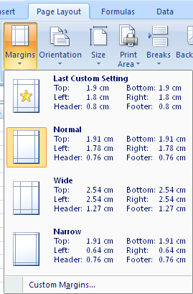
Click here to set your own margins.

When you select Custom Margins, the Page Setup dialogue box appears. You can adjust all the margins and then go into print preview screen—by clicking the Print Preview button—to further adjust margins accordingly.

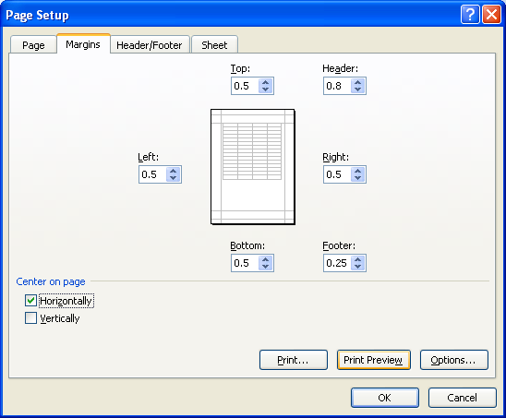
Print Preview Screen

All the dotted lines in the print preview screen can be adjusted so that you can fit your information on the page. The advantage of changing the margins in the print preview screen is that you can immediately see how the changes affect your information.

Go to the Project 3 Instructional Videos in the Toolkit and watch the demonstration "Margins."

Go to Header & Footer.

Header & Footer
Adding a Header and Footer
A header is text that is printed at the head (or top) of every page in your document. A footer is text that is printed at the foot (or bottom) of every page in the document. Excel® has preset header and footer options, or you can make your own custom header and footer. Headers and footers will only be set for the active worksheet. That means you need to go into every worksheet of the workbook to set headers and footers.
Headers and footers are used to identify the purpose or title of your document, indicate page numbers, or identify the author of the document to make the document look more professional.
To add a header and footer to a worksheet, go to the Insert tab and click on the Header & Footer button in the Text group.

When you click the Header & Footer button, your page will switch to the page layout view and the following ribbon will appear.

As you can see, there are a number of options available to format your header and footer. For example, you can insert page numbers, the current date and time, pictures, and so on.
There is also another way to set Headers and Footers. Go to the Page Layout tab and click on the dialog box launcher in the Page Setup group. You will see a familiar dialogue box appear—the Page Setup dialogue box. This time, you need to choose the Header/Footer tab.

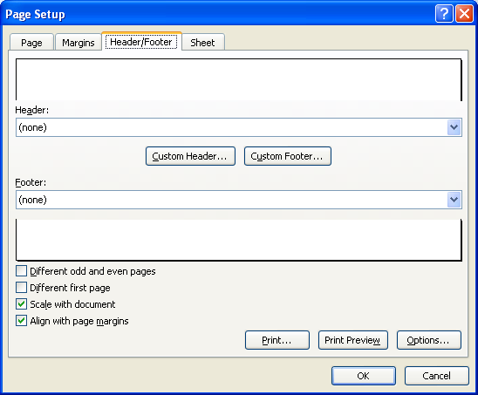
Dialogue Box Launcher

Tip: Headers and Footers usually contain data such as your name, the date, the name of your school, the topic or assignment, and the page number.

Go to the Project 3 Instructional Videos in the Toolkit and watch the demonstration "Headers and Footers."

Go to Modyfying the Sheet.

Modifying the Sheet
Modifying the Sheet

The last of the tabs in the Page Setup dialogue box is the Sheet Tab. It allows you to make changes to how the worksheet will be printed.

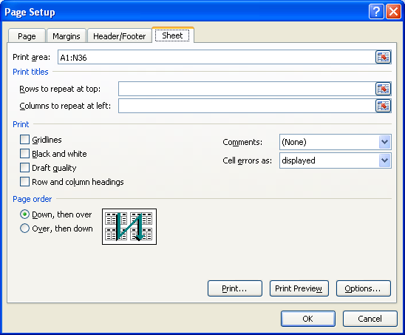

The Print area specifies what will be printed—half the page, certain columns, etc.
The Print titles section is used when you want to repeat the column(s) or row(s) on each printed page.
The Print section controls whether or not to print gridlines, row and column headings, and so on.
The Page order section is used to change the order in which multiple pages will be printed.

Go to the Project 3 Instructional Videos in the Toolkit and watch the demonstration "Modifying the Sheet."

Go to Printing.

Printing
Printing the Worksheet

Once you have previewed the worksheet and made sure it is ready to print, you can select the Print option from any one of the menus you've already seen. Excel® only prints the active worksheet of the workbook. If you want to print the entire workbook or other pages in the workbook, you must make those choices in the Print menu.
Click on the Office button and select Print. (Note: You can either click on the initial Print button or you can select the print option in the menu.)
The Print dialogue box appears.
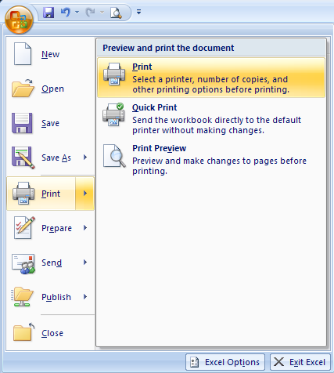

Choose this to print the entire workbook.
Choose this to print only the selected cells.
Choose this to print only the active worksheet(s).
Click this button to preview the worksheet before printing.

Go to the Project 3 Instructional Videos in the Toolkit and watch the demonstration "Printing."

This concludes Training Room 5. Save your Training Room 5 file in your INF1060 SS1 folder, and close the file. Then move on to Time to Practise 5 to test your knowledge and skills of the concepts covered in this training room.

