Common Functions
Training Room 7: More Formulas

Common Functions
Typing cell addresses and plus signs will work when you are adding a few cells; but if you are adding a column of 50 numbers, this method will be too time consuming and is more prone to typing errors. Excel® has built-in functions that make this kind of calculation very easy to complete.
Functions accept numbers, values, or cell references that follow this format:
=FUNCTION(numbers or values or cell references)
Here are two of the basic functions you will find in Excel®:
• SUM (adds a range of selected cells)
• AVERAGE (averages a range of selected cells).

Average is the sum of the cells divided by the number of cells.

The SUM Function

There are a couple of ways to add a series of numbers. You can simply start typing the SUM function. Excel® will recognize that you are using a built-in function and prompt you with possible matches to the formula you are typing.

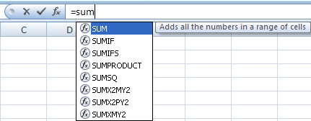
From the choices given you will select SUM, type an open bracket, highlight the cells you wish to add, and finish the formulas with a closing bracket. Then press Enter to perform the function.

The second way to perform the SUM function is to use the AutoSum button. This button is found under the Formulas tab and in the Function Library group. Do you recognize some of the functions?

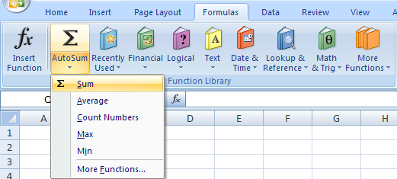

Excel® will automatically place the cell range required in the formula. Ensure you check that the range is correct and make any necessary changes.

The third way to perform the SUM function is to use the Insert Function feature. You can access this feature by clicking on the Insert Function button in the Function Library group or by clicking on the Insert Fuction quick button to the left of the formula bar. The Insert Function dialogue box will appear to allow you to search for any function found in Excel®. Start typing the letters for the function you wish to find, and Excel® will find the best match.

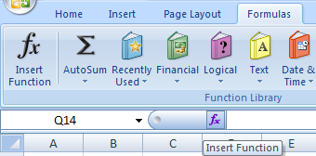
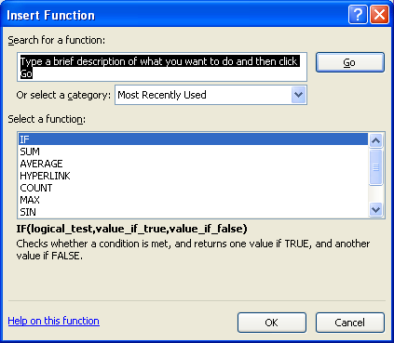

In the following table, use formulas to calculate the total of each row and column. When doing this, try creating SUM functions using all three methods. Remember to use the fill handle to speed up your work.

 | Part | Bin 1 | Bin 2 | Bin 3 | Bin 4 | Bin 5 | Total
 | widgits | 60 | 61 | 57 | 71 | 64
 | gadgets | 91 | 64 | 89 | 58 | 91
 | nuts | 52 | 55 | 98 | 83 | 64
 | bolts | 90 | 53 | 88 | 83 | 62
 | screws | 62 | 52 | 56 | 87 | 54
 | nails | 85 | 69 | 74 | 55 | 93
 | Total

Check your formulas with those in the sample table on the Appendix worksheet in this training room.

Go to the Project 3 Instructional Videos in the Toolkit and watch the demonstration "AutoSum."

Go to Subtotals.

Subtotals
Using the Subtotal Function

The Subtotal function is a Math and Trig formula in Excel®. It can be used to calculate a number of functions, such as Average, Count, and Sum. The advantage of using the Subtotal function over the Sum function is that it will not include any other subtotal calculations in the range. This function is found in the list that appears when you click on the Math & Trig button in the Function Library group under the Formulas tab.

Tip: Remember, you can also use the Insert Function button in the Function Library group or the Insert Function quick button to the left of the formula bar to search for the Subtotal function.

The following steps will show you how to use the Subtotal function to find the total number of parts in each Bin in the table on the right.
Step 1: In cell I30, type "=sub" to start entering the formula. Excel® will recognize that you are using a function and, thus, provide possible matches of the function you are looking for.
Step 2: Double-click SUBTOTAL to activate the function.
Step 3: In the drop-down list, double-click the SUM function and type in a comma.
Step 4: Select the range of cells I23:I28. Notice that the cell containing the average of Bin 1 has been included.
 | Part | Bin 1 | Bin 2 | Bin 3 | Bin 4 | Bin 5 | Total
 | widgits | 60 | 61 | 57 | 71 | 64
 | gadgets | 91 | 64 | 89 | 58 | 91
 | nuts | 52 | 55 | 98 | 83 | 64
 | bolts | 90 | 53 | 88 | 83 | 62
 | screws | 62 | 52 | 56 | 87 | 54
 | nails | 85 | 69 | 74 | 55 | 93
 | Average | 73 | 59 | 77 | 73 | 71
 | Total

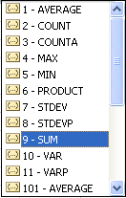

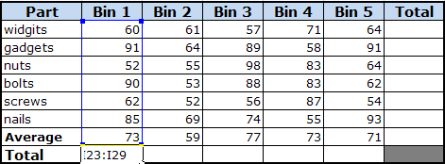

Step 6: Type in a closing bracket and press Enter. Your formula should read "=SUBTOTAL(9,I23:I29), and you should get 440 as the total for Bin 1.
Even though cell I28 was included in the formula, the Subtotal function did not include it in the calculation of Bin 1. This is because the Subtotal function ignores other Subtotal functions to avoid double counting. (The Average row was calculated using the Subtotal-Average function.) If the SUM function was used to do the same calculation, the function would have added the average into the answer. This is the advantage of using the SUBTOTAL function in more complicated spreadsheets.
Step 7: Use the Subtotal function to create a formula in cell J30 to calculate the total number of parts in Bin 2. Then use the fill handle to copy the formula for Bins 3 to 5.

Check your formulas with those in the sample table on the Appendix worksheet in this training room.

When you choose the Subtotal function through the Insert Function button or the Math & Trig button, the Function Arguments dialogue box will appear.

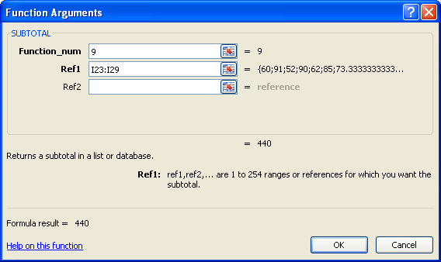
Select the range of cells for the Sum function.
Enter 9 to use the Sum function.

Go to Selecting.

Selecting
Selecting the Correct Information

In some instances you may need to total a set of information from a different location in a spreadsheet. If you were to use the AutoSum function, for example, it would select incorrect cell references. When you are in a situation such as this, you must manually select the cells you need to accurately perform a calculation.

Name | January | February | March | April | May | June | July | August
McCullen, Tim | $120.00 | $175.00 | $140.00 | $145.00 | $140.00 | $160.00 | $140.00 | $150.00
Braten, Caesar | $201.00 | $250.00 | $210.00 | $230.00 | $230.00 | $260.00 | $255.00 | $220.00
Denham, Rrieda | $350.00 | $180.00 | $295.00 | $245.00 | $300.00 | $230.00 | $295.00 | $270.00
Marishka, Nicola | $220.00 | $195.00 | $185.00 | $185.00 | $160.00 | $175.00 | $185.00 | $190.00
Average | $222.75 | $200.00 | $207.50 | $201.25 | $207.50 | $206.25 | $218.75 | $207.50
High | $350.00 | $250.00 | $295.00 | $245.00 | $300.00 | $260.00 | $295.00 | $270.00
Total

In the table above, click in cell B15 and create an AutoSum in this cell for January. If you need to review, go back to the Common Functions worksheet in this workbook.
Once you have inserted the AutoSum and then the Sum Function, look at the cells Excel® has chosen to include. You will need to change the cell references to only B9:B12. To do this, simply click on the AutoSum button and click and drag cells B9:B12. The AutoSum formula changes, and the correct total is displayed.
Click on the Average and High rows of January and note the formulas displayed.
Complete the rest of the table. Did you use the fill handle?

Check your formulas with those in the sample table on the Appendix worksheet in this training room.

If needed, go to the Project 3 Instructional Videos in the Toolkit and watch the demonstration "Selecting Cells."

Go to Printing Formulas.

Printing Formulas
Printing Formulas

To show evidence of the use of formulas, you may be required to print a copy of a spreadsheet showing all of the formulas used. So, instead of seeing the calculated values in the cells, you will see the formulas displayed. In most cases you may have to resize the column widths so the entire formula is visible.
To do this, go to the Formulas tab and click on Show Formulas in the Formula Auditing group.

Your spreadsheet will change and show all of the formulas you have used. Now, you can follow the print procedures to print a copy of the spreadsheet with the formulas displayed.

If needed, go to the Project 3 Instructional Videos in the Toolkit and watch the demonstration "Showing and Printing Formulas."

Go to Cell References.

Cell References
Using Absolute, Relative, and Mixed Cell References

Most formulas entered into an Excel® worksheet are relative. If you copy a formula with a relative cell address like C1, it will automatically adjust for the new location. There are times when you need the cell address to stay constant. Excel® allows you to make cell references absolute or fixed. An absolute cell address refers to an exact location on the worksheet.
To change a relative cell address to an absolute (or fixed) cell address in a formula, enter a dollar sign before the row number and the column letter. For example, entering $C$1 into a formula will ensure that when you copy the formula, the $C$1 reference will not change. It will remain in the formula.
relative reference: a reference that adjusts when the formula is copied to a new location
absolute (or fixed) reference: a reference that does not adjust when a formula is copied to a new location
mixed reference: a reference that includes one absolute and one relative reference

There is a quick way to make a cell address absolute. Once you have entered the cell address, press the F4 key. This makes that cell reference absolute and inserts the dollar signs for you. If you press F4 again, it will remove the absolute reference and make the cell address a relative reference again.
An example of a mixed reference is $E5. When this formula is copied, only the column reference ($E) will remain constant; the row reference (5) will adjust. If the reference is E$5, the column reference will adjust and the row reference will remain the same.

 | Computer Costs

Select cell D26 and enter =C26*D24. This formula calculates the tax paid on the motherboard. Now, copy the formula for the remaining items using the fill handle.
 | Tax Rate |  | 5%
 | Item | Cost | Tax
 | motherboard | $205.00
 | video card | $100.00
 | case | $70.00
 | hard drive | $250.00
 | memory | $140.00

Your tax calculations and their formulas should look like the following:

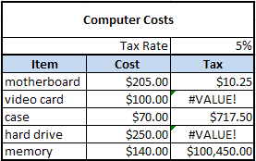
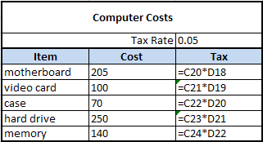

As you can see, these values are not correct. Take a close look at the formulas:
• D27 contains =C27*D25, yielding a value error because the formula references a label (the word Tax).
• D28 contains =C28*D26, yielding a value of $717.50, which is the cost of the case multiplied by the $10.25.
• D29 contains =C29*D27, yielding a value error because of the value error in cell D21.
• D30 contains =C30*D28, yielding a value of $100,450.00 due to the multiplication of $140.00 and $717.50.
The reason these incorrect values appear is because Excel® adjusts both cell addresses to the new location. To fix the problem, you need to change the original formula in D20 to reflect cell reference D18 as a fixed reference .
To do this, click on cell D20 and change D18 to $D$18. Then fill down through the rest of the cells. Your new spreadsheet should look like the following:

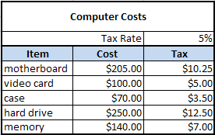
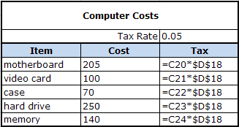

Tip: Remember, you can change a cell reference from relative to absolute by placing the cursor in the cell reference and pressing the F4 key.

Mixed References

You will now work through an example that shows when you might use a mixed reference. In this example, the formula for the New Tax can be modified. If you modify the Tax values in column D to use mixed and absolute references, you can copy the formula to calculate the new tax. Because the tax rates are in D84 and E84, only the row number has to be absolute. Try this now.

 | Computer Costs

 | Tax Rate |  | 5% | 6%
 | Item | Cost | Tax | New Tax
 | motherboard | $205.00 | $10.25 | $0.62
 | video card | $100.00 | $5.00 | $0.30
 | case | $70.00 | $3.50 | $0.21
 | hard drive | $250.00 | $12.50 | $0.75
 | memory | $140.00 | $7.00 | $0.42

Your new spreadsheet should show the following answers. Note the changes in the formulas as well.

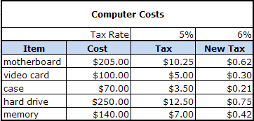
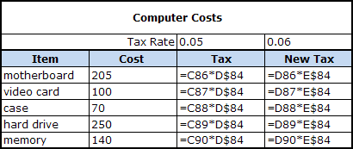

If needed, go to the Project 3 Instructional Videos in the Toolkit and watch the demonstration "Absolute References."

Go to Sorting.

Sorting
Sorting Information
Excel® provides a sorting tool that helps you organize or sort the data in a worksheet. If you need to sort the spreadsheet by names in alphabetical order, or by numbers from least to greatest (or vice versa), Excel® has a simple command that will do this for you.
The Sorting commands are found by clicking on the Sort & Filter button in the Editing group under the Home Tab.

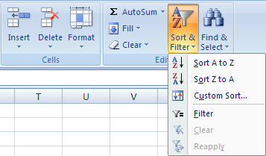
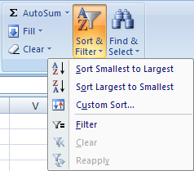

Sorting Options for Numeric Information

Sorting Options for Alphabetical Information

Excel® recognizes the cell content, whether it be a label or a number, and provides you with the sorting commands that would apply to that content.
You can also find the Sorting commands in the Sort & Filter group under the Data tab.

Tip: You can also reach the Sorting commands by right-clicking in the cell. The Sorting commands will be appropriate for the content of that cell, whether it be a label or a number.

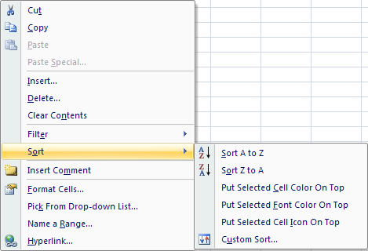

Now, go to the Project 3 Instructional Videos in the Toolkit and watch the demonstration "Sorting."

So, to sort information, click on any cell in the column you wish to sort; then use the buttons in the menu to sort the information. You will practise sorting information on the next worksheet.

Go to Sorting Practice.

Sorting Practice
Sorting Practice

Tip: When making a data table, do not use any blank rows.
Last Name | First Name | Quiz 1 | Quiz 2 | Quiz 3 | Quiz 4 | Quiz 5
Denham | Frieda | 85 | 69 | 74 | 55 | 93
McCullen | Timothy | 85 | 68 | 70 | 94 | 69
Zhahid | Ahmed | 57 | 68 | 72 | 99 | 62
Braten | Caesar | 62 | 52 | 56 | 87 | 54
Charlton | Kim | 91 | 64 | 89 | 58 | 91
Davies | Melanie | 52 | 55 | 98 | 83 | 64
Friede | Jane | 60 | 61 | 57 | 71 | 64
Gwynn | Eric | 90 | 53 | 88 | 83 | 62
Marishka | Nicola | 84 | 83 | 94 | 77 | 99
Belcourt | Avery | 57 | 78 | 51 | 87 | 93
Lysborne | Danika | 67 | 51 | 62 | 76 | 75
Brown | William | 62 | 91 | 78 | 63 | 61

Use the data table in cells A3:G15 to perform the following steps. Once you have completed the step compare your table to the one provided.
Step 1: Sort the data table by Last Name, from A to Z. Your data table should look like the following.

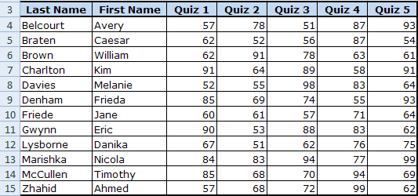

Step 2: Now, sort the information so that the Quiz 5 marks are sorted from highest to lowest. You'll notice that your data has changed again, this time sorted numerically from largest to smallest in the Quiz 5 column. Your data table should look like the following.

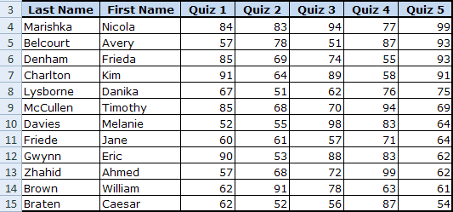

 | Going Beyond

What do you do when two entries are the same, such as those with the same last name? When you sort by last name alphabetically only, those with the same last name will remain in the same order. Excel® will not go to the next column to place the first names in alphabetical order unless it is instructed to. Therefore, you need to instruct Excel® to sort by the last name and then by the first name.
To do this, you must click on the Sort & Filter button and select Custom Sort. When the Sort dialogue box appears, sort by Last Name first and the order in which to sort the last names. Next, click the Add Level button to then sort by First Name.

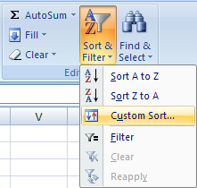
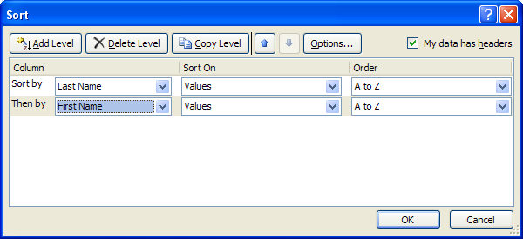

Sorting more than one column at the same time is covered more extensively in INF2080: Spreadsheet 2. If you want, practise sorting the data of either quiz from largest to smallest first and then by last name in alphabetical order from A to Z. Note: Quizzes 1, 2, 4, and 5 have entries that are the same.

Go to Filtering.

Filtering
Filtering Data

Finding information in your spreadsheet takes effort, especially if it is a large spreadsheet with lots of information. You just discovered how to sort information, which helped organize your information; but you still need to look through all the information.
You will now focus on how to filter the data. Filtering information hides the information you don't need to see and displays only the information you want to see. The information is still there; you just don't see it.
The quickest way to filter data is to use the AutoFilter tool. This tool is found on the Home Tab, Editing Group. When you activate this tool, Excel® inserts drop-down boxes to the right of the table headings. You can use the drop-down boxes to define your criteria.
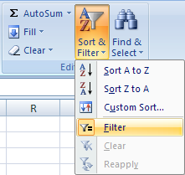

Tip: You can also reach the filtering commands by right-clicking in a cell. The filtering commands will be appropriate for the content of that cell in terms of whether it be text, numbers, or dates.

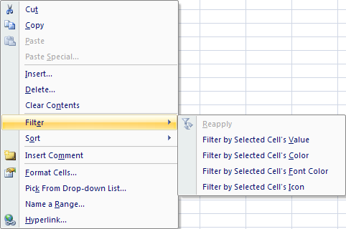

There are text, number, and date Filters. The following shows the various text and number filters that allow you to filter out information you don't need to see.

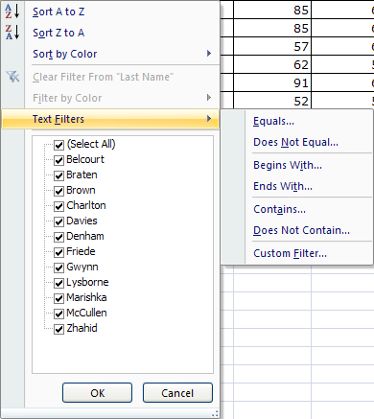
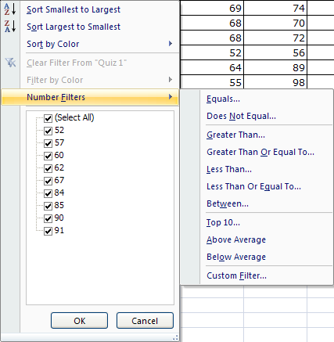

Filtering is useful, for example, when finding only the information for a particular city. Simply select the desired city in the data and use the Filter function to hide all the information that does not apply to the city. There are many different ways you could filter information, it just depends on what you are being asked to accomplish.
You will practise filtering information on the next worksheet.

Now, go to the Project 3 Instructional Videos in the Toolkit and watch the demonstration "Filtering."

Go to Filtering Practice.

Filtering Practice
Filtering Practice

Last Name | First Name | Quiz 1 | Quiz 2 | Quiz 3 | Quiz 4 | Quiz 5
Denham | Frieda | 85 | 69 | 74 | 55 | 93
McCullen | Timothy | 85 | 68 | 70 | 94 | 69
Zhahid | Ahmed | 57 | 68 | 72 | 99 | 62
Braten | Caesar | 62 | 52 | 56 | 87 | 54
Charlton | Kim | 91 | 64 | 89 | 58 | 91
Davies | Melanie | 52 | 55 | 98 | 83 | 64
Friede | Jane | 60 | 61 | 57 | 71 | 64
Gwynn | Eric | 90 | 53 | 88 | 83 | 62
Marishka | Nicola | 84 | 83 | 94 | 77 | 99
Belcourt | Avery | 57 | 78 | 51 | 87 | 93
Lysborne | Danika | 67 | 51 | 62 | 76 | 75
Brown | William | 62 | 91 | 78 | 63 | 61

Use the data table in cells A3:G15 to practise using the Filter function. Perform the following steps to filter Quiz 5 so that only the marks between 60 and 70 are visible.
Step 1: Click anywhere in the table.
Step 2: Under the Home Tab in the Editing group, click the Sort & Filter button and select Filter.
Notice that drop-down boxes appear beside each column heading.
Step 3: Click on the drop-down box beside Quiz 5; select Number Filters; then select Between.

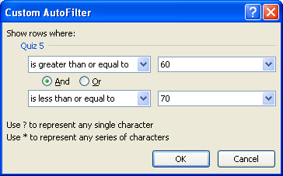
The Custom AutoFilter dialogue box appears.
Step 4: Enter 60 in the greater than or equal to criteria.
Step 5: Enter 70 in the less than or equal to criteria.
Step 6: Click OK.
Your data table should look like the following.

This icon shows that a filter is set for this column.

You now see only the students who had a mark between a 60 and 70 on Quiz 5. You will also notice that the row headings are blue, indicating that there are some hidden rows. You can now make a separate chart, or you can print this information.
To get back to your original information, simply pull down the drop-down box and choose Clear Filter From "Quiz 5."
Take some time now to practise filtering other information in the data table provided in cells A3:G15.

 | Going Beyond

Just as you can sort more than one column, you can also filter information in more than one column. To do this, you need to set filtering criteria in additional columns as needed.
Filtering information in more than one column at the same time is covered more extensively in INF2080: Spreadsheet 2. If you want, practise filtering the data in the table above in multiple columns.
This concludes Training Room 7. Save your Training Room 7 file in your INF1060 SS1 folder, and close the file. Then move on to Time to Practise 7 to test your knowledge and skills of the concepts covered in this training room.

