Introduction
Training Room 8: Charts

Introduction to Charts
A chart is a pictorial representation of the data in a table or worksheet. Charts in Excel® appear in the form of pie charts, bar graphs, scatterplots, and so on. People viewing your spreadsheets may find it easier to examine and understand your information when it is in chart form.
Excel® can display information in a variety of ways. Excel® can incorporate fonts, colors, patterns, symbols, graphics, and three-dimensional effects to charts. Keep in mind, though, that the colorful charts you create may be wonderful to look at, but printing them may cause problems. So, for example, if you know your information will be printed in black and white, you should create your charts using grey shades, not colors.
Each set of data in a chart is called a series. The chart's horizontal axis is located at the bottom of the chart, and the vertical axis is located on the left side of the chart. Excel® automatically creates a legend with the chart explaining the meaning of each line in a line chart or each bar in a bar chart.
To create a chart, simply select the cells that contain the data you want to chart and choose the chart type. Once the chart appears in the worksheet, you will see three tabs of chart tools you can use to create or modify the elements of the chart.
Chart commands are found under the Insert Tab in the Charts Group. Once you choose a chart type, three additional tabs of Chart Tools will appear: a Design tab, a Layout tab, and a Format tab.

Certain types of charts should be used to represent certain information. The most commonly used charts are
• columnar charts—can be used to compare values or categories (vertical)
• line charts—can be used to show trends
• pie charts—can be used to represent data as a part of the whole
• bar charts—can be used to compare values over time or categories (horizontal)
• area charts—can be used to show a change in volume
• doughnut charts—can be used to compare more than one series of information
There are other types of charts available in Excel®. Take some time to look at the various types Excel® has to offer.

Go to Updating Charts.

Updating Charts
Updating Charts

Charts created from data within the worksheet are linked to the data. As a result of this link, any changes you make as you work within your data table will automatically change in your chart as well.

Perform the following steps:
Step 1: Change cell H12 to 50000, and press Enter. Note the change in total sales for Year 1 in the data table as well as in the chart.
Step 2: Change cell G13 to Baseball. Note the change to the legend.
Step 3: Change cell K15 to 100000. Note the change in total sales for Year 4 in the data table as well as in the chart.
 | EDMONTON SPORTS OUTLET
 | Sales by Department
 | Department | Year
 |  | 1 | 2 | 3 | 4
 | Tennis | $110,960 | $104,590 | $89,000 | $77,380
 | Golf | $156,000 | $159,000 | $170,000 | $174,000
 | Camping | $180,000 | $220,000 | $234,000 | $240,650
 | Fitness | $200,000 | $236,000 | $268,000 | $290,175
 | Total Sales | $646,960 | $719,590 | $761,000 | $782,205
Edmonton Sports Outlet

If needed, go to the Project 3 Instructional Videos in the Toolkit and watch the demonstration "Charts."

Go to Moving Charts.

Moving Charts
Moving Charts
You can move charts to any location on the worksheet. Typically, a chart is placed next to the data. To move a chart, simply click on the chart and drag it to it's new location. Be careful, it is possible to accidentally move parts of the chart. Make sure you are clicking on a blank area within the chart to move the entire chart.
In this example, the chart is covering the data. You will need to move the chart to a new position. Remember, click in a blank area of the chart to move it.
Take time now to practise moving the chart around this worksheet. When you are done, place the chart to the right of table.

Edmonton Sports Outlet
 | EDMONTON SPORTS OUTLET
 | Sales by Department
 | Department | Year
 |  | 1 | 2 | 3 | 4
 | Tennis | $110,960 | $104,590 | $89,000 | $77,380
 | Golf | $156,000 | $159,000 | $170,000 | $174,000
 | Camping | $180,000 | $220,000 | $234,000 | $240,650
 | Fitness | $200,000 | $236,000 | $268,000 | $290,175
 | Total | $646,960 | $719,590 | $761,000 | $782,205

If needed, go to the Project 3 Instructional Videos in the Toolkit and watch the demonstration "Moving Charts."

Go to Resizing Charts.

Resizing Charts
Resizing Charts

Sometimes a chart is created and it is out of proportion. It can be made to look much better simply by resizing it. Charts can also be made larger, smaller, or reshaped.
To resize a chart, simply click and drag on any of the handles around the chart. Every chart has 8 of these handles—four in the corners and four centered on the chart outline.
The following chart is an example of a chart that is out of proportion and needs to be resized. Take some time now to practise resizing this chart in the space provided so that it looks more appealing.

Edmonton Sports Outlet
 |  | Tennis | Golf | Camping
 | 1 | $110,960 | $156,000 | $180,000
 | 2 | $104,590 | $159,000 | $220,000
 | 3 | $89,000 | $170,000 | $234,000
 | 4 | $77,380 | $174,000 | $240,650

If needed, go to the Project 3 Instructional Videos in the Toolkit and watch the demonstration "Moving Charts."

Go to Creating Pie Charts.

Creating Pie Charts
Creating Simple Pie Charts

A pie chart is commonly used in business to display various information that is part of a whole. Pie charts are not like other kinds of charts because they only allow you to show one data series, meaning only one row or one column of information. You can, however, enhance the look of your pie chart by using the chart options to make it 3-D or to use an exploding pie chart.

Using the information about specific Oilers' salaries from the table on the right, you will create a simple pie chart. Follow these steps:
Step 1: Select cells J10:K16.
Step 2: Under the Insert tab in the Charts group, click on the Pie button.
 | Edmonton Oilers Player Salaries
 | Brodziak | $500,000
 | Cogliano | $850,000
 | Gagner | $875,000
 | Horcoff | $3,600,000
 | Nilsson | $1,500,000
 | Pouliot | $725,000
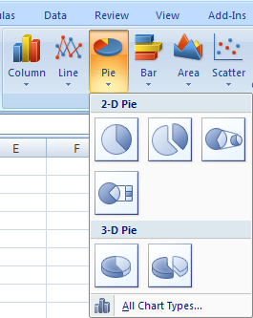
 | O'Sullivan | $4,000,000

Step 3: From the images given, select the type of pie chart you want.
Step 4: Move the chart to an empty area on your worksheet.
You might get a Pie Chart that looks like the following. Remember, your chart may need some resizing and reshaping.

Go to the Project 3 Instructional Videos in the Toolkit and watch the demonstration "Pie Charts and Formats."

Go to Chart Layouts.

Chart Layouts
Changing the Chart Layout

With one click, you can create a chart. Afterward, you will probably need to make changes to your chart so it looks exactly how you want. There are three tabs on the ribbon that appear once you create a chart that allow you to make more changes to the chart. They are the Design tab, the Layout tab, and the Format tab; and they are found under Chart Tools.
The Design tab allows you to change the look or design of your chart. It includes features such as chart layouts and colors. You can even change the chart type.

The Layout tab allows you to add titles and labels and to manipulate your chart.

The Format tab allows you to enhance the formatting by adding or adjusting backgrounds and fill colors, by adding text effects, and so on.

The following components are most typically changed to enhace the look of the chart:
• chart titles—need titles so the viewer knows what the charts represent
• axis titles—need to label the horizontal and vertical axes
• legend—need to include a legend and position it within the chart
• gridlines—may need to add gridlines to the chart for clarity
Use the following data table to create a chart and modify it using some of the above chart options. Follow the steps provided.

Step 1: Highlight cells A55:A61 and cells C55:C61. (Recall that you need to press and hold the Control key to select these cells at the same time.) In this chart, the players' first names are not needed.
Step 2: Under the Insert Tab and in the Charts group, click the Column button and select the first option in 2-D Column.
Edmonton Oilers Player Salaries
Last | First | Salary
Brodziak | Kyle | $500,000
Cogliano | Andrew | $850,000
Gagner | Sam | $875,000
Horcoff | Shawn | $3,600,000
Nilsson | Robert | $1,500,000
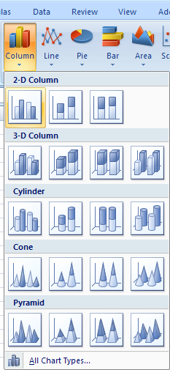
Pouliot | Marc-Antoine | $725,000
O'Sullivan | Patrick | $4,000,000

You will get a chart that looks like this:

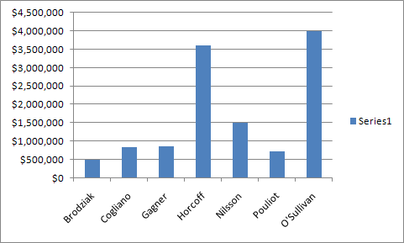

You may need to move the chart to the right side of this worksheet as you change the layout options. This chart now needs some formatting. To add a title, go to the Layout tab. In the Labels group, click on the Chart Title button. Select Above Chart to display the title at the top. Note the other options provided as well.
A box containing "Chart Title" will appear at the top of the chart.

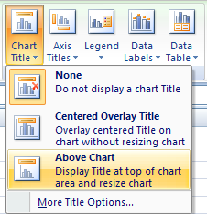
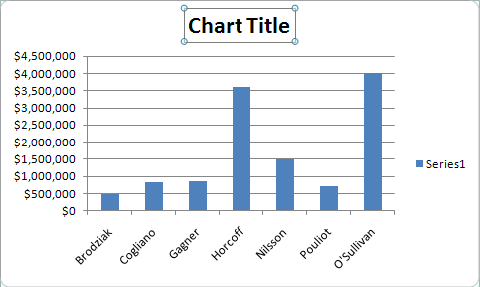

Title the chart "Edmonton Oilers Player Salaries." You may have to adjust the font size.
Now, label the horizontal and vertical axes. Click on the horizontal axis, which contains the last names, and click on the Axis Titles button in the Labels group. Choose Primary Horizontal Axis Title and then Title Below Axis.

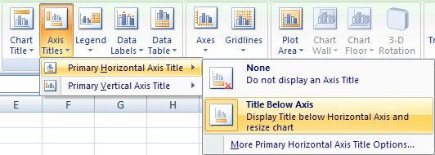

Label the horizontal axis "Players."
Do the same for the salary amounts on the vertical axis. Choose Primary Vertical Axis Title and then Vertical Title. Label the verical axis "Salary."

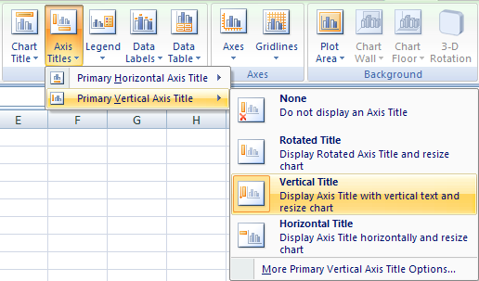

Your chart should look similar to the following.

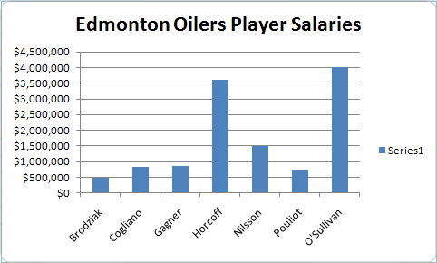
To remove this series box, click on it and click on the Legend button in the Layout group. Then choose None to turn off the legend. In this case, a legend is not needed as the player's names are on the horizontal axis.

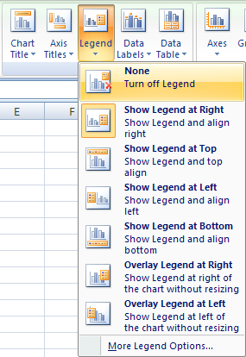

Finally, add gridlines. Under the Layout Tab, click on the Gridlines button. You can choose to insert horizontal and/or vertical gridlines. Practise inserting gridlines and watch the effect they have on your chart.

Take some time to play with the other features found in Chart Tools. You can also experiment making different types of charts.

Go to the Project 3 Instructional Videos in the Toolkit and watch the demonstration "Pie Charts and Formats."

Go to More Formatting.

More Formatting
More Formatting Practice

Edmonton Oilers Player Salaries
Last | First | Salary
Brodziak | Kyle | $500,000
Cogliano | Andrew | $850,000
Gagner | Sam | $875,000
Horcoff | Shawn | $3,600,000
Nilsson | Robert | $1,500,000
Pouliot | Marc-Antoine | $725,000
O'Sullivan | Patrick | $4,000,000

Create a columnar chart using the information in the preceding table. (Use only last names and salary amounts.) Your chart will look like the one you created on the Chart layouts worksheet. This time, you are going to play around with some more formatting. So, move your chart to an empty place on this worksheet.
Remember, when you create a chart using non-adjacent columns, you must first click and drag to select the first column of information you wish to use. Then once that information is selected, hold down the Control key and click and drag the next column of information you wish to include. Once all your information is selected, create your columnar chart.
The third tab under Chart Tools—the Format tab—allows you to change the format of your chart. You can change text effects, fill the background with a color or pattern, or add WordArt.

Step 1: Select your chart, and click the Shape Fill button in the Shape Styles group. Choose a light color for the background.
Step 2: Select the player's names. Choose a WordArt Style you like.
Step 3: Select the player's salaries. Again, choose a WordArt option for the dollar amounts.
Your chart may look similar to the following, depending on the options you chose.

Go to Chart Practice.

Chart Practice
Chart Practice
Selecting the correct data is vital to creating charts. Use the data from Tamyra's Novelties to create the following three charts.
Remember to resize your charts and move them where indicated. Format each chart differently. Practise some of the formatting options. Remember to title your charts and label the axes. Also, determine whether your charts need a legend.
Compare your charts with those provided on the Appendix worksheet.
Tamyra's Novelties Expenses

Expense | Jan | Feb | Mar | Total
Rent | $1,500 | $1,500 | $1,500 | $4,500
Printing | $852 | $901 | $658 | $2,412
Postage | $251 | $201 | $198 | $650
Delivery | $750 | $680 | $820 | $2,250
Other | $448 | $725 | $850 | $2,023
Total | $3,801 | $4,007 | $4,026 | $11,835

Create a pie chart depicting January expenses (B6:B10). Try exploding one segment. To do this, select one of the pie pieces once you have created the chart and drag it so it separates from the rest of the pie.
Format appropriately.
Place January Expenses chart here.

 |  |  |  |  | Go to Appendix.

Create a chart of your choice that depicts the February expenses. You will have to select non-adjacent columns. Refer to previous training room if you need review how to do this.
Format appropriately.
Place February Expenses chart here.

 |  |  |  |  | Go to Appendix.

Create a pie chart depicting total expenses for the three months .
Format appropriately.
Place Total Expenses chart here.

 |  |  |  |  | Go to Appendix.

Go to Adding Graphics.

Adding Graphics
Inserting Graphics

Your goal is to always make your spreadsheet as visually appealing and as professional looking as possible. That might mean placing illustrations or graphics on your worksheet or your chart. Illustrations or graphics can come from a variety of places. You can add pictures saved on your computer; you can add clip art images; or you can add the built-in shapes or SmartArt graphics in Excel®. Adding an image to your worksheet is similar to adding a background. For this example, an Oilers logo will be used.

Inserting a Picture from Your Computer

Under the Insert tab in the Illustrations group, click on the Picture button. The Insert Picture dialogue box will appear. Locate a picture on your computer, and click Insert.

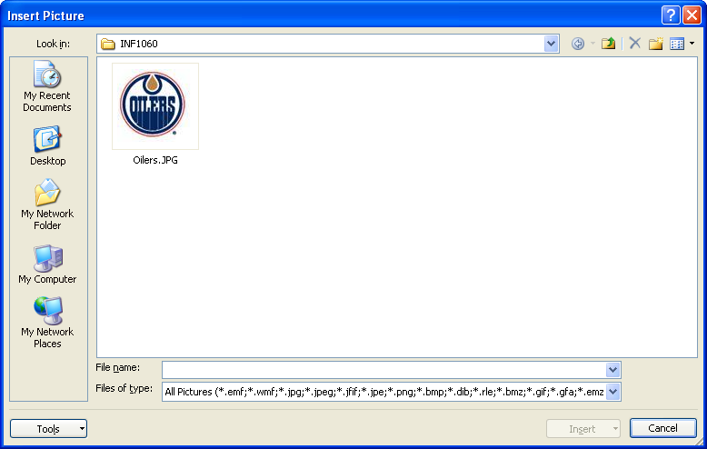

The picture will be added to your spreadsheet. You can click or drag the picture anywhere you wish. You can even place it on your chart. Look at the following example of a graphic placed within a chart.

Brodziak | $500,000
Cogliano | $850,000
Gagner | $875,000
Horcoff | $3,600,000
Nilsson | $1,500,000
Pouliot | $725,000
O'Sullivan | $4,000,000

Inserting a Picture from Clip Art

Excel® provides a huge library of clip art graphics. This library is found under the Insert tab in the Illustrations group. Click the Clip Art button, and the Clip Art task pane appears on the right. Enter your search term and click Go. Click on the image you want for it to appear in your worksheet.

Inserting a Shape

Excel® also provides a huge library of shapes (arrows, squares, stars, etc.). You can also find this library under the Insert tab in Illustrations group. Click the Shapes button, and choose a shape. Once you have chosen a shape, your cursor will change so you can draw the shape on your worksheet.

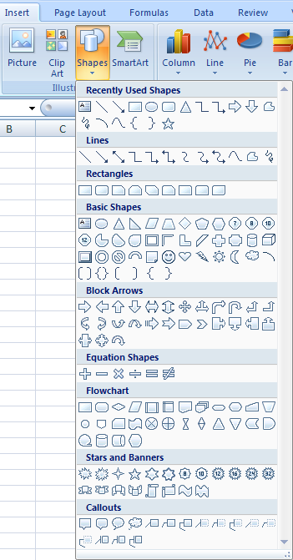

Take some time now to practise inserting pictures, clip art, and shapes onto this worksheet. Practise formatting them as well, adjusting colors, borders, etc. Remember, formatting tools are found under the Format tab.

Go to Modifying Graphics.

Modifying Graphics
Modifying Graphics

Once you have inserted a picture from your computer, a graphic from the Clip Art library, or a shape of some sort from the Shape library, your next task will be to move it to its desired location and to most likely resize it.
When you insert a graphic or illustration into Excel®, it is placed on the worksheet with a selection box around it. Look at the following examples to examine the elements of a selection box.

Rotation Circle
Selection Box

Resize Handles

Picture from Computer

Shape from
Stars and Banners

Clip Art

The instructional video will provide you with a demonstration on how to select, resize, and rotate an image.

Go to the Project 3 Instructional Videos in the Toolkit and watch the demonstration "Resizing Graphics."

Go to Printing Charts.

Printing Charts
Printing Charts

Charts can be printed either as part of the worksheet or on their own. When printed with the worksheet, you are able to see the data as well as the chart. If you only want to print the chart, you will not see the data; however, the chart may be all that you need to present your information.

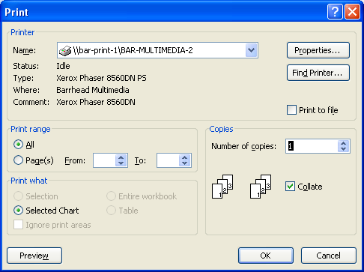
If you want to print just the chart, follow these steps:
Step 1: Select the chart. (Click on the chart.)
Step 2: Click the Office button and select Print.
Step 3: In the Print dialogue box, ensure that Selected Chart is chosen in the Print What section.
Step 4: Click Preview to preview your document before printing. Once you are satisfied with your chart, go ahead and print it.

Go to the Project 3 Instructional Videos in the Toolkit and watch the demonstration "Printing Charts."

This concludes Training Room 8. Save your Training Room 8 file in your INF1060 SS1 folder, and close the file. Then move on to Time to Practise 8 to test your knowledge and skills of the concepts covered in this training room.

Appendix
Appendix

January Expenses
Rent | $1,500
Printing | $852
Postage | $251
Delivery | $750
Other | $448

February Expenses
Rent | $1,500
Printing | $901
Postage | $201
Delivery | $680
Other | $725

Total Expenses
Rent | $4,500
Printing | $2,412
Postage | $650
Delivery | $2,250
Other | $2,023

Go to Chart Practice.

