Help Features
Training Room 1: Creating and Manipulating Data

Using the Help Features
There will be times when you need to access the help features in the program you are using. Microsoft Excel has a help feature built in that is very easy to use. Choosing help brings up the Help window, and allows you to search by entering a topic you need help with.
The help button is found in the top-right corner in version 2007. When the help button is clicked, the following window appears:

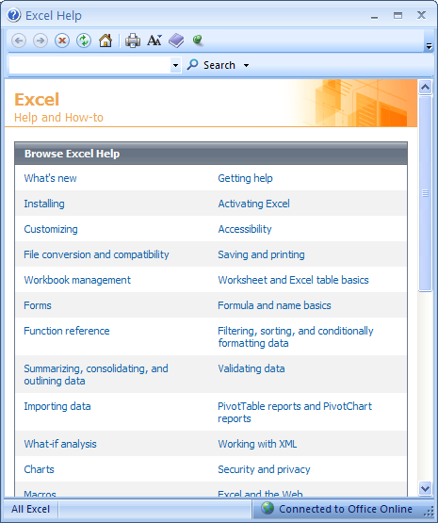
There are also built-in topics you can use to find the answers you need. The Help feature is a very useful tool.
You can use the Search box to find information on the commands or features you need help with. Excel will match your search word with suggestions that may help you.

Take some time now to practise using the built-in Help features. For example, search for information regarding formatting charts or saving and printing a spreadsheet.
Now, continue your work in this training room by going to the next worksheet, Fill Handle. This can be done by clicking on the tab at the bottom or by clicking on the hyperlink in cell A49.

Go to Fill Handle.

Fill Handle
Using the Fill Handle

When you have repeated information in a worksheet, it is easier and quicker to copy that information to the desired cells than it is to re-enter the information. The fill handle in Excel will fill in days of the week, incremental numbers, dates, and so on simply by clicking and dragging. The fill handle also allows you to copy and adjust formulas, saving you time and increasing accuracy.
The fill handle is the black square on the bottom-right corner of the selected cell (or group of cells). The fill handle allows you to copy cell contents, copy formulas, of fill with preset information such as dates, months, and numbers.

Fill Handle
Fill Handle

To copy cell contents, first select the cell you wish to copy; then click the fill handle and drag to the right, left, up, or down. Excel will copy that information to the new location.
To copy formulas, use the same technique. Click the cell that contains the formula you wish to copy; then click and hold the fill handle and drag in the direction you wish to fill the formula. Excel will adjust the relative cell references.
To use the fill handle to insert consecutive months of the year, start by entering the month—for example, January; then select that cell and drag across. Excel will insert the months for you. Try this. Click on cell B31 (April), and use the fill handle to enter the next three months in cells C31:E31.

 | April

Did you get April, May, June , and July in cells B31 to E31, respectively? This also works for days of the week (Friday, Saturday, etc.), dates (July 1, July 2, etc.), time of day (8:00, 9:00, etc.), and so on. Practise using the fill handle to copy information to adjacent cells.

If needed, go to the Project 3 Instructional Videos in the Toolkit and watch the demonstration "Using the Fill Handle."

Go to Formatting Data.

Formatting Data
Formatting Data

If you've used Microsoft Office products before, you may already be familiar with some of the formatting options. Formatting is all about the appearance of the data contained in the workbook. Sometimes how the information is presented is almost as important as the data itself.
Formatting can be done before or after the data is entered. A cell remains formatted even after you clear the contents of the cell, unless you also clear the format or reformat the cell. When you paste a cell from another cell, you copy the format and the contents of the original cell.
Some of the features you can use to format data are fonts, font sizes, font colors, font styles (e.g., bold, underline, and italics), borders, cell colors, and cell alignments.

Changing Fonts and Sizes

A font is an overall design of a set of characters, in this case text and numbers. You can apply font changes to any type of data in the worksheet. A good rule of thumb is to try not to use more than three types of fonts in a worksheet.
To select a font, simply go to the Font group under the Home tab. You can also select a font in the Format Cells: Font dialogue box by clicking on the button in the bottom-right corner of the Font group.

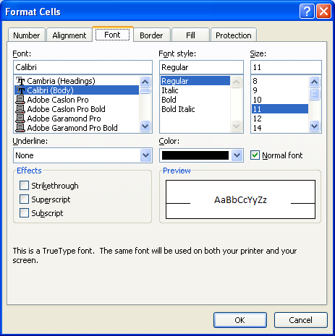

Dialogue Box Launcher

When you open the Format Cells: Font dialogue box, you get many options to choose from. As you select different options—font, font style, size, color, effects, etc.—you can view a sample of what your text will look like in the Preview box.
The more common font options are found as buttons on the ribbon in the Font group under the Home tab. They include the following:

Font
Font Size
Increase/Decrease Font Size
Font Styles: Bold, Italics, Underline
Cell Borders
Fill Colour
Text Colour

You can quickly get the Format Cells dialogue box to appear by simply right-clicking in the cell(s) you wish to format and selecting Format Cells. However, when you use this method, the dialogue box opens to the tab that was last used.
For example, if you last used the Format Cells dialogue box to format numbers, like dates or currency, the dialogue box will open with the Number tab in view. If this occurs, simply click on the Font tab to see the window shown above.
Take some time to practise changing font colors.
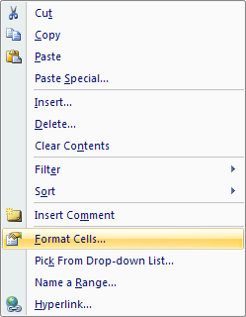

Go to the Project 3 Instructional Videos in the Toolkit and watch the demonstrations "Formatting Data" and "Font Color."

Go to Splitting & Freezing Panes.

Splitting & Freezing Panes
Splitting and Freezing Panes

Splitting Panes

The Split feature allows you to slice a worksheet into two or four smaller views of the same worksheet. You can move around each pane to view different, or even the same, parts of the worsheet. It's like seeing four different camera shots of the worksheet and being able to move them around to different places without affecting any of the others.
The Split button is found under the View tab in the Windows group.

The screen will split at the top-left corner of the selected cell or group of cells. You can alter the position of the split by using your mouse. Do this by moving your pointer over the bar and, when the double arrow appears, click and hold and make your adjustments. If you want to remove the split, simply press the Split button again.

Tip: You can also remove the split by simply double-clicking the split bars.

You can also activate split mode by dragging the horizontal split bar from its position above the vertical scroll bar or by dragging the vertical split bar from the far right of the horizontal scroll bar.

Split Bar

Freezing Panes

Some worksheets are very large. So large, in fact, that it is hard to view all the data or enter data in the correct row or column, especially if the headings are no longer in view. Freezing panes allows you to keep certain rows and/or columns visible as you scroll through the rest of the worksheet.
The Freeze Panes button is found under the View tab in the Window group.

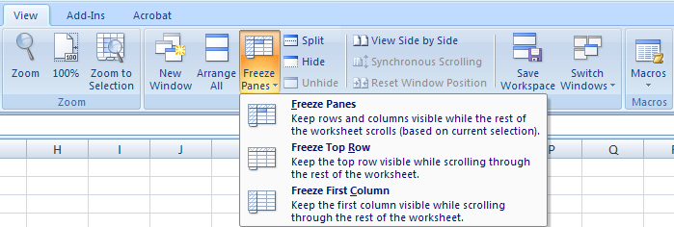

The Freeze Panes option uses the active cell as an anchor to freeze all rows above it and all columns to the left of it.
The Freeze Top Row option freezes only the top row of the worksheet. This is usually where the headings appear.
The Freeze First Column option freezes only the first column of the worksheet.

Note: You cannot freeze and split panes at the same time.

For a review, go to the Project 3 Instructional Videos in the Toolkit and watch the demonstrations "Splitting Panes" and "Freezing Panes."

Go to Hiding & Unhiding.

Hiding & Unhiding
Hiding or Unhiding Worksheets

Large worksheets can be difficult to work with. Sometimes, it is necessary for you to hide a worksheet so you can focus on certain parts of the workbook. The key word is hide. The worksheet will disappear, but it is still there.

The Hide feature is found on the Home Tab, in the Cells Group, under Format, in the Visibility category.
If you want to hide a worksheet, first select the worksheet you want to hide by clicking on the tab at the bottom. Then on the Home Tab, click the Format button in the Cells group. Then in the Visibility category, choose Hide & Unhide and select Hide Sheet. The worksheet you selected is now hidden.
If you want to display the worksheet you just hid, or any other worksheet that is hidden, follow the same path you used for hiding a worksheet. Only this time select Unhide Sheet instead of Hide Sheet. The following dialogue box will appear.

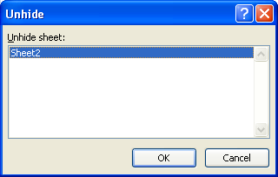

Now, in the Unhide sheet box, select the hidden worksheet sheet you want to display and click OK.

Tip: You can also simply double-click the name of the worksheet you want to display.

Now, it's your turn. Open a new workbook and practise hiding and unhiding Sheet1, Sheet2, and/or Sheet3. If needed, go to the Project 3 Instructional Videos in the Toolkit and watch the demonstration "Hiding and Unhiding Worksheets."

Go to Changing Views.

Changing Views
Changing Worksheet Views
Each time you open a workbook, you are opening a new window. Sometimes, though, depending on the size of the worksheet, you can't see all the information. Excel 2007 has a number of tools to facilitate different views. These tools—workbook views, zoom features, etc.—are found on the View tab.
Click on the View tab in this training room and note all of the functions and features available to you. The group most often used in the View tab is the Workbook Views group. For example, worksheets often default to the Normal view.

The page layout view shows you what the document would look like on paper, allowing you to scroll through multiple pages.
The page break preview allows you to adjust the page breaks in order to get the information you want on each page.
Normal view shows a grid of cells. It is the default view.
Custom views allows you to customize the view of the worksheet using displays and print settings.
Full screen displays the worksheet without the Ribbon. Press Escape to return to normal view.

Go to the Project 3 Instructional Videos in the Toolkit and watch the demonstration "Changing Worksheet Views."

Go to Inserting Worksheets.

Inserting Worksheets
Inserting Worksheets
Sometimes, you might need to add a worksheet (page or tab) to your workbook. In a workbook, the worksheets are shown at the very bottom by the tabs Sheet1, Sheet2, and Sheet3. Excel inserts three blank worksheets automatically. You can add or delete worksheets as your workbook develops. If you add another worksheet, it will become Sheet4 and so on as you add more sheets.
There are a few different ways to insert worksheets:
• Click the Insert Worksheet tab at the bottom of the screen. This will insert a blank worksheet at the end of the
existing worksheets. This tab is always present at the end of all the worksheets in your workbook.

Insert Worksheet Tab

• Click the Home tab at the top of the screen, and find the Cells group. Click Insert and select Insert Sheet.
This will insert a blank worksheet in front of the active worksheet.

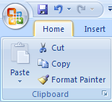
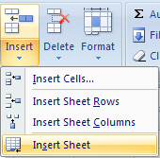

• Right-click one of the worksheet tabs on the bottom, and select Insert. Under the General tab, choose Worksheet and click OK.

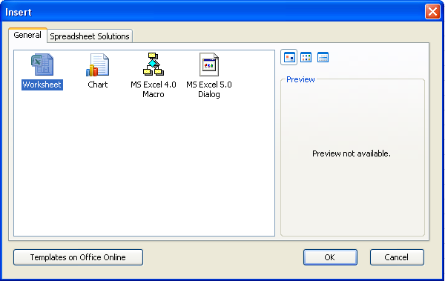
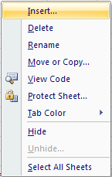

Take some time now to practise inserting worksheets all three different ways. You will have to open a new workbook to do this. Which method did you prefer?

For a review, go to the Project 3 Instructional Videos in the Toolkit and watch the demonstration "Inserting Worksheets."

Go to Deleting Worksheets.

Deleting Worksheets
Deleting One or More Worksheets

Sometimes you will need to delete one or more worksheets in your workbook. There are two ways to do this:
• Right-click the worksheet tab you wish to delete and select Delete.

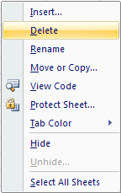

• Click on the Home tab at the top and find the Cells group. Click the Delete button and select Delete Sheet.

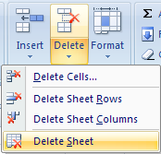

Practise deleting worksheets both ways. Use a blank workbook to do this. If needed, go to the Project 3 Instructional Videos in the Toolkit and watch the demonstration "Deleting Worksheets."

Go to Moving Worksheets.

Moving Worksheets
Moving Worksheets

There may be a time when you wish to switch the order of your worksheets. There are two ways you can do this.
First, you can click and hold the tab of the worksheet you wish to move, and drag it to the new position. The tab colour of the worksheet you are moving turns white, indicating that this is the worksheet being moved. When you release the mouse button, the spreadsheet will be in its new location.
Second, you can right-click the tab of the worksheet you wish to move and select Move or Copy. In the Move or Copy dialogue box, select the location and click OK.

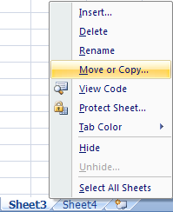
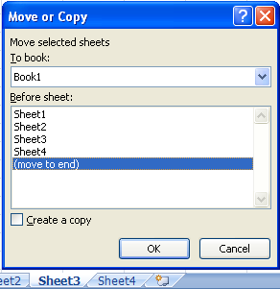

If you need, go to the Project 3 Instructional Vidoes in the Toolkit and watch the demonstration "Moving Worksheets."

Go to Copying Worksheets.

Copying Worksheets
Copying Worksheets

You might find you need to copy a worksheet exactly as is. Right-click the tab of the worksheet you wish to copy and select Move or Copy. In the Move or Copy dialogue box, select the location and click in the Create a copy box. Then click OK.

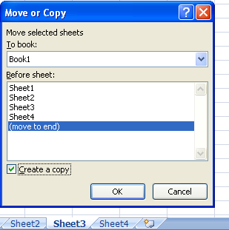

Once the copy is made, it displays as version 2 of the original worksheet in the tabs at the bottom.

If needed, go to the Project 3 Instructional Videos in the Toolkit and watch the demonstration "Copying Worksheets."

Go to Templates.

Templates
Creating a Workbook Using a Template

Microsoft Excel 2007 has built-in templates to help you create workbooks that complete specific tasks. Some examples of these templates are sales reports, time sheets, and balance sheets. When you use a template, the workbook will open in a certain format with formulas already created for you. These templates are there to help save you time, allowing you to edit and add your own information.
To obtain a template, click the Office button and select New. When the New Workbook dialogue box appears choose a template that suits your needs. You can choose a template from your recently used templates or from the installed templates.

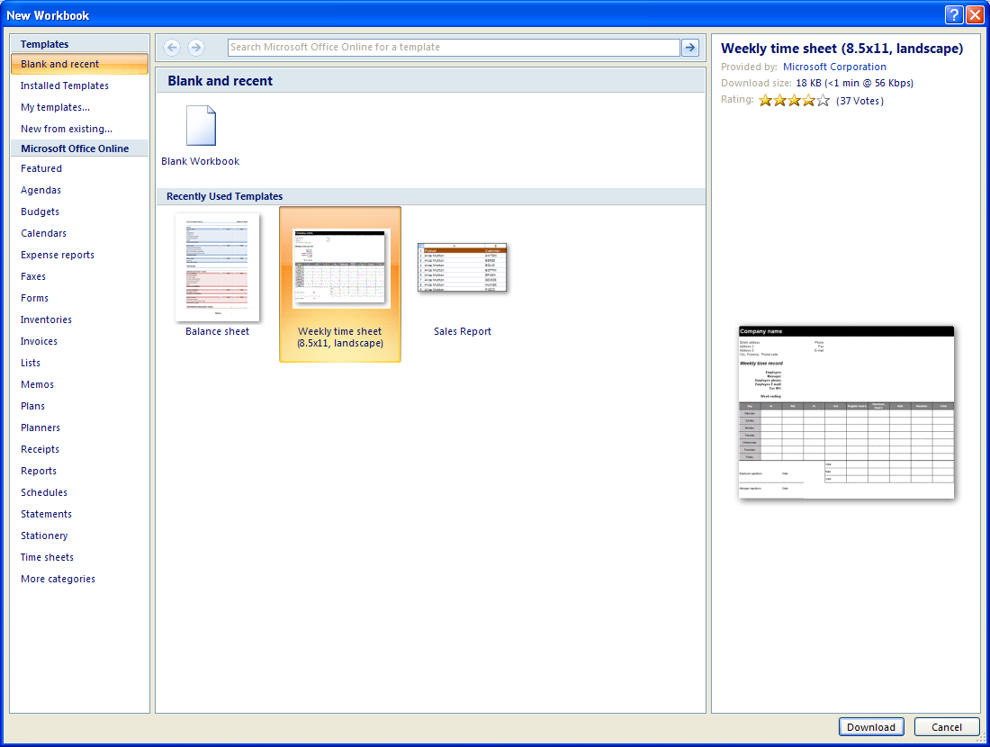

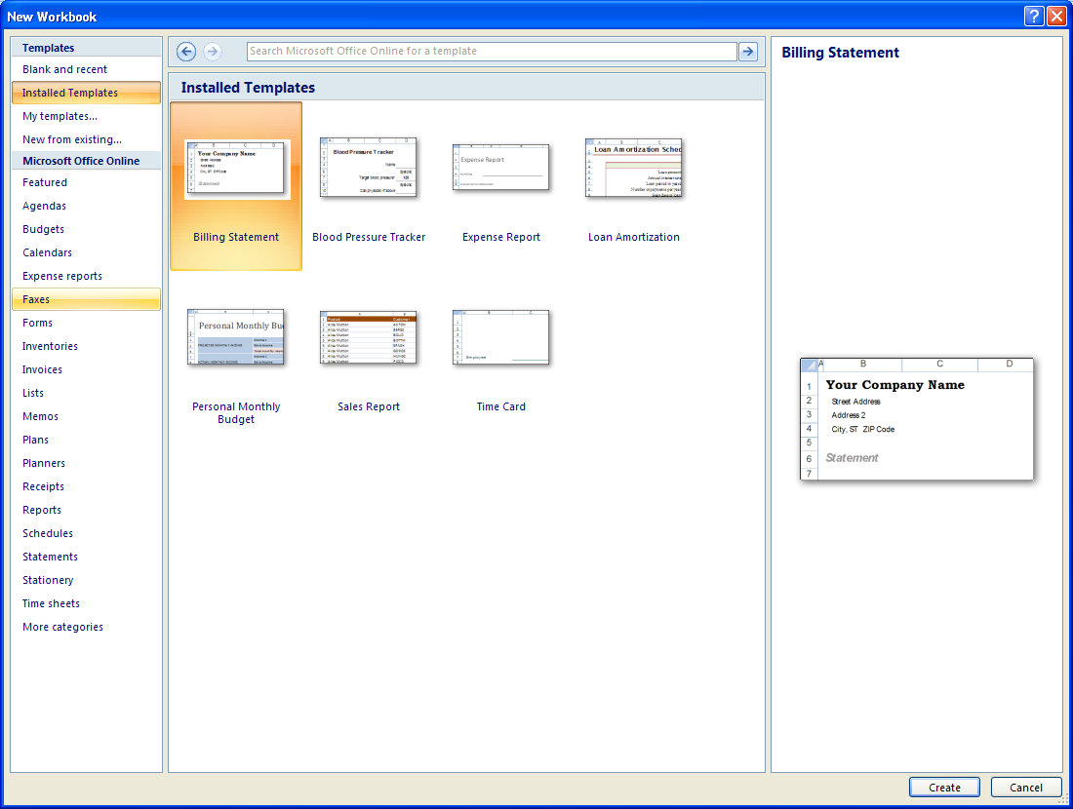

If you have access to the Internet, you can download more templates from Microsoft Office Online. Take some time now to open (and download) some of the different templates available to you.

If needed, go to the Project 3 Instructional Videos in the Toolkit and watch the demonstration "Templates."

This concludes Training Room 1. Save your Training Room 1 file in your INF2080 SS2 folder, and close the file. Then move on to Time to Practice 1 to test your knowledge and skills of the concepts covered in this training room.

