Deleting Rows & Columns
Training Room 2: Formatting Data and Content

Deleting Rows and Columns
There are two ways to delete rows and columns:
Using the Ribbon. Select the row(s) or column(s) you wish to delete by clicking on their respective headings. Recall that clicking on a row or column heading will highlight the entire row or column.

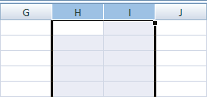

Under the Home Tab and in the Cells Group, click on the Delete button. You will then be given four options. Select the function you want to use.

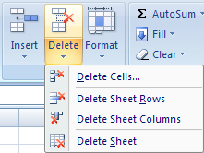
Deletes selected cells
Deletes selected rows
Deletes selected columns
Deletes the entire worksheet

Using your mouse. Once you have selected the rows or columns you wish to delete, simply right-click over the selection and choose Delete.

Practise deleting rows and columns in this worksheet. Caution: Avoid deleting rows and columns containing instructions.

For a review, go to the Project 3 Instructional Videos in the Toolkit and watch the demonstration "Deleting Rows and Columns."

Go to Inserting Rows & Columns.

Inserting Rows & Columns
Inserting Rows and Columns

There are two ways to insert rows and columns:
Using the ribbon. Select the row or column—or even a cell within the row or column—before which you want to insert a row or column. Recall that clicking on a row or column heading will highlight the entire row or column.

On the Home Tab in the Cells group, click Insert and then click Insert Sheet Rows

Under the Home Tab and in the Cells Group, click on the Insert button. You will then be given four options. Select the function you want to use.

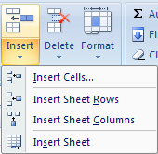
Inserts selected number of cells
Inserts selected number of rows
Inserts selected number of columns
Inserts an entire worksheet

You can insert any number of rows or columns at the same time. For example, to add two columns before column H, highlight columns H and I before clicking on the Insert button.
You can also insert non-adjacent rows or columns at the same time. For example, to insert a row before row 10 and before row 12 at the same time, click on the rows while holding down Control key and click on the Insert button. Excel will insert a row before each selection.

Using your mouse. Once you have selected the row(s) or column(s) before which you wish to insert, simply right-click over the selection and choose Insert. Excel will autimatically insert a row or column before your selection.
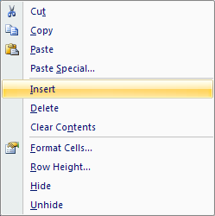

Practise inserting rows and columns in this worksheet. For a review, go to the Project 3 Instructional Videos in the Toolkit and watch the demonstration "Inserting Rows and Columns."

Go to Converting Text to Columns.

Converting Text to Columns
Converting Text to Columns

There is an easy way to split information that appears in the same cell, such as first and last names or cities and provinces, in a spreadsheet. It may be useful to split first and last names, for example, so you can sort and/or filter the information presented.
Excel has a Convert to Text Wizard to do just this. It makes use of a delimiter (or divider) to separate the text. The following list of names will be used to demonstrate how to split the first and last names into separate columns.

 | Alfonzo, Joseph
 | Berube, Curtis
 | Mulhollen, Lenny
 | Cruz, Ryley
 | Barks, Mack
 | Bingham, Janet
 | Boiler, Hudson
 | Cafferine, Robert
 | Castine, Debra
 | Carter, Charles
 | Collins, Leonard
 | Cooper, Abbie
 | Entrup, BJ
 | Wicks, Skylar
 | Bishop, Bruce

First, select the cells containing first and last names: cells B11:B25. Then under the Data tab in the Data Tools group, click on the Text to Columns button. The Convert Text to Columns Wizard dialogue box will appear.

In Step 1 of the Convert Text to Columns Wizard dialogue box, make sure Delimited is selected. Then click Next.
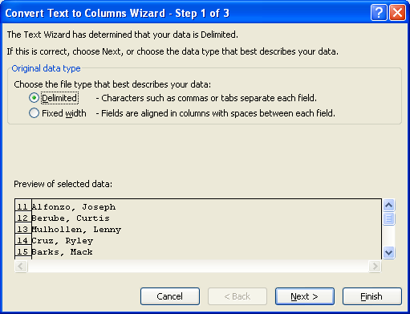

In Step 2 of the dialogue box, deselect Tab and select Comma in the Delimiters list. Then click Next.
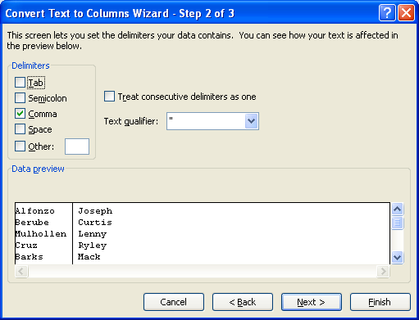

In Step 3 of the dialogue box, choose General as the column data format. Then select Finish.
Now your names have been split into two columns: cells B11:C25
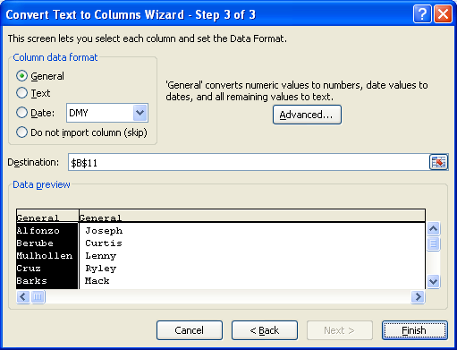

For a review, go to the Project 3 Instructional Videos in the Toolkit and watch the demonstration "Converting Text to Columns."

Save your Training Room 2 file in your INF2080 SS2 folder.

Go to Column Width.

Column Width
Adjusting a Column Width
Sometimes, columns are not wide enough to properly show information. If this is the case, information will spill over into the next cells if those cells are empty. If a string of number signs (####) appear, that is a good indication that the cell is not large enough to properly display the information. Therefore, an adjustment needs to be made.
Columns can be set between 0 and 255 characters (based on the default font). The default column width is 8.43 characters. If a column has a width of 0 (zero), the column is hidden. Excel® will automatically adjust the column width if there is a numeric entry slightly larger than the cell size. If there is a number that is much larger than the cell size, Excel changes that number to scientific notation (e.g., 1.2468E+15).
The easiest way to adjust a column width is by using your cursor. Place your cursor on the right side of the column heading. Notice that your cursor changes shape. Click and drag to either increase or decrease the column width. Excel will display the width for quick reference.

You can also adjust the width of a column by first selecting a cell in the column or by clicking the column heading. Then, under the Home Tab in the Cells Group, click the Format button and select Column Width.
The Column Width dialogue box will appear. Enter any numeric value, and click OK. The width of the column will be adjusted.
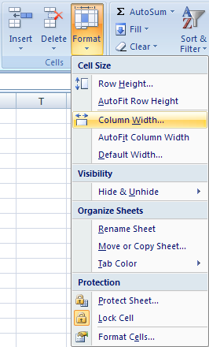

Note: If numeric information within the column changes to a string of number signs (####), you still need to increase the size of the column to display the information.
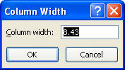

Tip: A quicker way to obtain the Column Width dialogue box is to right-click the column heading and select Column Width from the list.

You can also adjust a column width so that the contents of every cell in that column are visible. Do this by selecting AutoFit Column Width rather than Column Width in the Format menu.

Tip: To quickly AutoFit a column, double-click the right side of the column heading. Excel will automatically adjust the column to the minimum width required to display all the information in the column properly.

For a review, go to the Project 3 Instructional Videos in the Toolkit and watch the demonstration "Adjusting Column Widths."

Go to Row Height.

Row Height
Adjusting a Row Height

Adjusting row heights is very similar to adjusting column widths.
Row heights can be set between 0 (zero) and 409. This value represents the height measurement in points (1 point is approximately 0.035 cm or 1/72 of an inch). The default row height is 12.75 points (approximately 0.4 cm or 1/6 of an inch). If a row has a height of 0 (zero), the row is hidden.
Again, the easiest way to adjust a row height is by using your cursor. Place your cursor on the bottom side of the row heading. Then click and drag to either increase or decrease the row height. Excel will display the height for quick reference.

You can also adjust row heights by using the ribbon. As in adjusting column widths, first select a cell in the row or click the row heading. Then, under the Home Tab in the Cells Group, click the Format button, and select Row Height.
The Row Height dialogue box will appear. Enter any numeric value, and click OK. The height of the column will be adjusted.
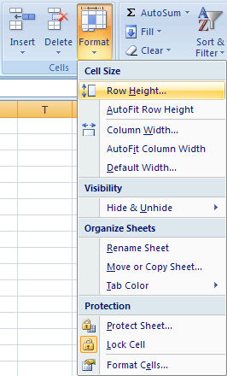

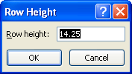

You can also adjust a row height so that the contents of every cell in that row are visible. Do this by selecting AutoFit Row Height rather than Row Height in the Format menu.

Tip: Just as with column widths, right-click the row heading and select Row Height from the list to obtain the Row Height dialogue box and double-click the bottom of the row heading to quickly AutoFit a row.

You can select the entire worksheet at once and make your row height and/or column width adjustments all at once. To select the entire worksheet, click on the top-left corner of the worksheet where the row and column headings meet.

Clicking here selects all the cells in the worksheet.

Then you can right-click the row or column headings and set the heights or widths for the entire worksheet at once.

For a review, go to the Project 3 Instructional Videos in the Toolkit and watch the demonstration "Adjusting Row Heights."

Go to Hiding Columns & Rows.

Hiding Columns & Rows
Hiding and Unhiding Columns and Rows
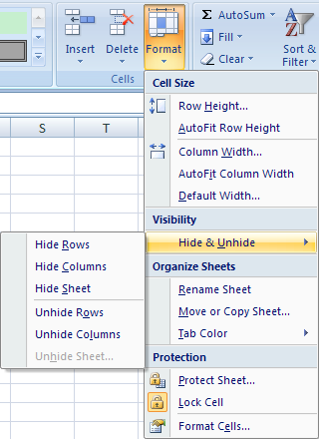
To make hidden rows or columns reappear
To hide a row or column
Hiding columns and rows can help make your spreadsheet easier to read. Hiding a column, for instance, can make it easier to compare data side by side. Hiding a row, for instance, can help you to focus on certain data.
To hide and unhide selected rows and columns, go to the Cells group under the Home tab and click the Format button. Then, under the Visibility category in the drop-down menu, select Hide & Unhide to find the hide and unhide options.

Tip: You can also find the Hide and Unhide features by selecting either a column or multiple columns (or a row or multiple rows) and right-clicking. You'll find the Hide and Unhide options at the bottom of the list.

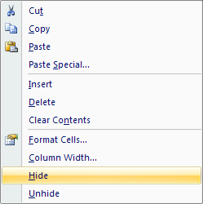

For a review, go to the Project 3 Instructional Videos in the Toolkit and watch the demonstration
"Hide and Unhide Rows and Columns."

Go to Cell Alignments.

Cell Alignments
Changing Cell Alignments
Alignment refers to the placement and position of data. Excel automatically aligns numbers, like percentages and times, to the right and aligns text labels to the left. Vertically, Excel aligns all data along the bottom of the cell.
You can change the alignment of cell contents horizontally and vertically. Under the Home tab, go to the Alignment group. There you will see the most often used alignment tools. To see more alignment options, simply click the button in the bottom-right corner of the Alignment group to launch the Format Cells: Alignment dialogue box.

Vertical and Horizontal Alignment Tools
Dialogue Box
Launcher
Middle
Bottom
Top
Left
Center
Right

Tip: You can roll your mouse over any button in the ribbon to see a brief description of that button.

The Format Cells: Alignment dialogue box provides you with most of the same choices as the ribbon, but there are a few different options. Justifying text is one of the options provided in this dialogue box. Notice that the Orientation option is also provided. This option allows you to manipulate your text in the cell and turn it up to 90 degrees up or down. Orientation gives you the chance to enhance your spreadsheet.
Definitely try using some of these alignment features in any spreadsheet you create.

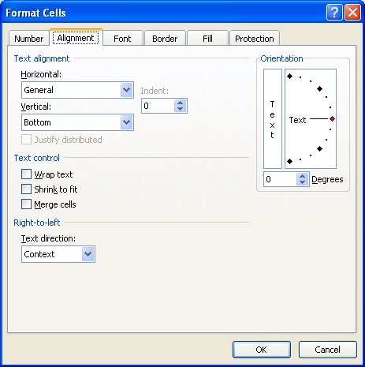
Horizontal and Vertical Alignment Choices

To review cell alignments, go to the Project 3 Instructional Videos in the Toolkit and watch the demonstration "Aligning Data in Cells."

Go to Centering Across Cells.

Centering Across Cells
Centering Text Across Cells

Presentation is key to a good worksheet. By using appropriate, simple formatting techniques, the information in a worksheet can be presented in a way that makes it easier for the reader to analyze the information and to find certain information. One simple technique is to center text across a group of cells.
Centering text across cells is commonly used when inserting titles and table headings. Excel 2007 provides a couple of different ways for you to perform this task.

The Center Across Selection feature merges individual cells together and centers the information in the merged cell. To activate this feature, you must first highlight the cells you are centering the information across. Once you have selected the cells, go to the Alignment group under the Home tab; then click on the Merge & Center button and select Merge & Center. Even though the information appears to be in the center cell of the group, it is actually in the first cell of the group.
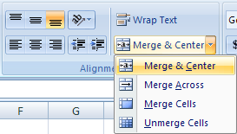

You can also find this feature by right-clicking your selected cells and choosing Format Cells. In the Format Cells dialogue box , click on the Alignment tab and select Center Across Selection in the Horizontal drop-down menu.

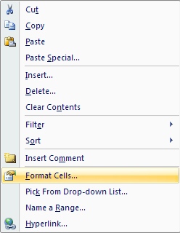
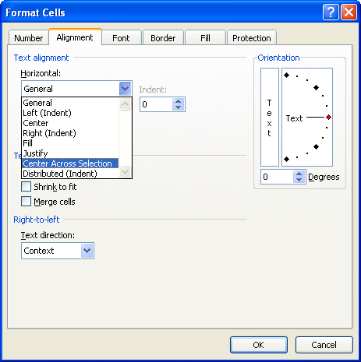

For a review, go to the Project 3 Instructional Videos in the Toolkit and watch the demonstration "Centering Text Across a Selection of Cells."

Merging Cells

Merging cells takes selected cells that are adjacent to each other and combines them into one complete cell. Under the Home Tab in the Alignment group, click on the Merge & Center button and select Merge Cells. You can also merge cells in the Format Cells dialogue box. Once the highlighted cells are merged into one cell, you can then center your text.

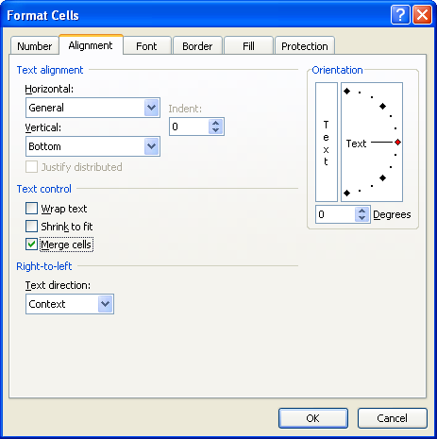

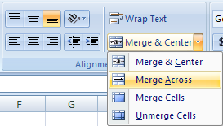

Tip: If you want to merge cells but not center the text, click on the Merge & Center button and select Merge Across.

For a review, go to the Project 3 Instructional Videos in the Toolkit and watch the demonstration
"Merge Cells."

Go to Themes.

Themes
Themes
Themes simplify the process of creating matching, professional-looking documents. They, in essence, AutoFormat your document for you. Themes include complimentary colors, fonts, and effects that can be applied to your Microsoft Office 2007 document.

Take some time now to see the effects of themes on this worksheet.
Step 1: Under the Page Layout tab and in the Themes group, click on the Themes button. A list of built-in themes will appear.
 | Product | Sales | % of Total Sales
 | Pencils | 212.58 | 8%
 | Pens | 351.28 | 14%
 | Paper | 658.24 | 26%
 | Folders | 106.32 | 4%
 | Markers | 405.98 | 16%
 | Highlighters | 85.21 | 3%
 | Post it Notes | 759.65 | 29%
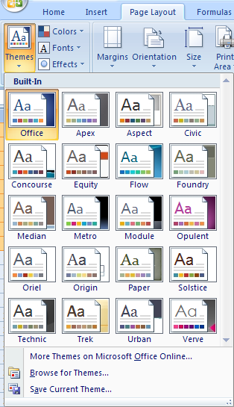
 | Totals | 2579.26

As you place the pointer over each theme, Excel will provide a preview to see how the theme will affect your worksheet.
There are many other options under Themes you can use to change your table formatting.
Step 2: Under the Table Tools: Design tab and in the Table Style Options group, practise checking and unchecking the boxes.

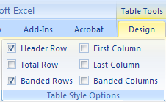

Note the affects each box has on your table.

Theme Colors and Fonts
You can modify your theme further by making color changes and/or font changes.
When you click on the Colors button, you will find a list of theme colors. Every set of theme colors, such as Concourse, consists of one dark color, one light color, and six accent colors. If you change the theme colors, the gallery of colors changes as well as the content, tables, etc. that uses the theme colors.
When you click on the Fonts button, you will see a list of theme fonts. Every theme font, such as Office, has two fonts: one for headings and one for body text. They may be the same font, or they may be two different fonts.
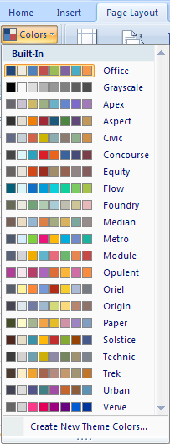

Tip: You should never use more than two fonts in any document you create.

Go to the Project 3 Instructional Videos in the Toolkit and watch the demonstration "Table Themes."

Go to Table Styles.

Table Styles
Applying Table Styles
When a table is created, Excel applies the table style that complements the current theme that is in effect. The default options are to highlight the table header and total row and highlight every second row in the table.
Highlighting every other row helps improve the readability of large tables of data. With table styles, these highlights are applied or changed quickly. Table styles will change with the changing of themes.
Table styles are found under the Home Tab and in the Styles group.

Perform the following steps to see how you can turn a range of information into an eye-catching table that effectively displays the information.
Step 1: Select cells H12:J20.
Step 2: Under the Home Tab and in the Styles Group, click the Format as Table button.
 | Product | Sales | % of Total Sales
 | Pencils | 212.58 | 8%
 | Pens | 351.28 | 14%
 | Paper | 658.24 | 26%
 | Folders | 106.32 | 4%
 | Markers | 405.98 | 16%
 | Highlighters | 85.21 | 3%
 | Post it Notes | 759.65 | 29%
 | Totals | 2579.26
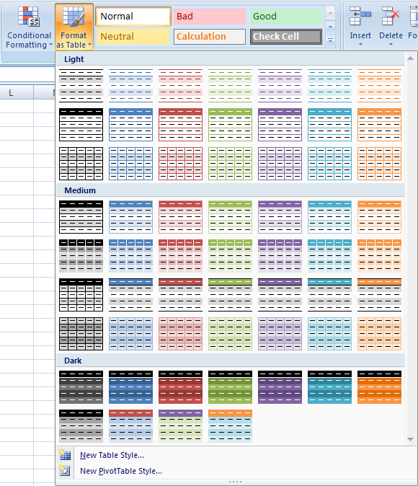

Step 3: From the huge group of preset formats, choose a style you like.
Step 4: Double-check the range of the table in the Format As Table dialogue box, and click OK.
Your table may look something like the table on the right. Notice the highlighting of every other row.
 | Product | Sales | % of Total Sales
 | Pencils | 212.58 | 8%
 | Pens | 351.28 | 14%
 | Paper | 658.24 | 26%
 | Folders | 106.32 | 4%
 | Markers | 405.98 | 16%
 | Highlighters | 85.21 | 3%
 | Post it Notes | 759.65 | 29%
 | Totals | 2579.26

What if you want to change the style after the fact? No problem. Simply perform the following steps:
Step 1: Either select the table you formatted earlier (cells H12:J20) or select the table in cells H58:J66.
Step 2: Under the Table Tools: Design tab and in the Table Styles group, choose from the scrolling list of styles. The scrolling list goes through the entire list of light, medium, and dark styles listed above.

Notice that as you move your pointer over each style, Excel allows you to preview what your table will look like. To see the entire list of table styles, click the More button (below the down scrolling arrow).

Go to the Project 3 Instructional Videos in the Toolkit and watch the demonstration "Table Styles."

Go to Cell Styles.

Cell Styles
Applying Cell Styles

Cell styles are predefined traits set up in Excel 2007 for you to use for quick formatting. They have defined sets of fonts, font sizes, number formats, cell borders, and cell shading. Cell styles are based on the theme chosen for the workbook. If you change the theme, the cell styles will change to match.
To apply cell styles, you must first select the cells you want to format. Then, under the Home tab in the Styles group, click the Cell Styles button. Select the cell style you want to use.

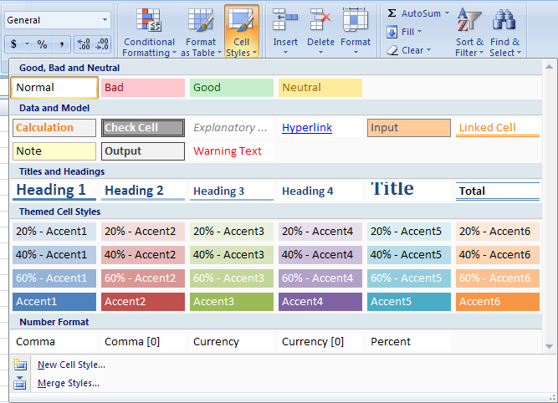

If there is room across your monitor, Excel will replace the Cell Styles button with four to ten different cell styles (depending on the amount of space) and scrolling arrows to scroll through all the cell styles. If this is the case on your monitor and you would like to see all the cell styles together, click the More button below the down scrolling arrow.

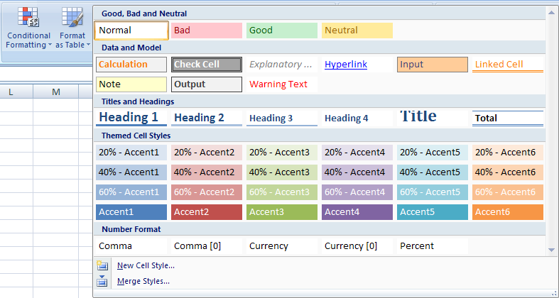
More Button

Tip: When you rest your mouse pointer over the cell styles, the cells that you have selected will change so that you can see how that style looks.

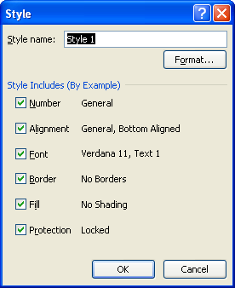
You can also create your own cell style. To do this, select New Cell Style at the bottom of the menu of cell styles. (Refer to the previous screen capture.) The Style dialogue box (on the right) will appear. Then follow these steps:
Step 1: Enter an appropriate name for the new style.
Step 2: Click the Format button. In the Format Cells dialogue box, choose the styles you wish to include. Click OK to close the Format Cells dialogue box.
Step 3: In the Style Includes (by Example) section of the Style dialogue box, deselect any formatting option listed that you don't want to include in your new style.
Step 4: Click OK to create your new style.

Tip: Check out the help menu for more information on Cell Styles.

For a review, go to the Project 3 Instructional Videos in the Toolkit and watch the demonstration
"Cell Styles."

This concludes Training Room 2. Save your Training Room 2 file in your INF2080 SS2 folder, and close the file. Then move on to Time to Practise 2 to test your knowledge and skills of the concepts covered in this training room.

