Functions
Training Room 3: Functions and Formulas in Spreadsheets

Common Functions
Typing simple formulas consisting of 1, 2, or even 3 cell addresses (e.g., B22) will work; but using this method for a formula consisting of 50 cell addresses would be very time consuming and more prone to introduce error. Excel has built-in functions that make this kind of math very easy to complete. Using functions will allow you to quickly create formulas that may normally be difficult for you to build.
Functions accept numbers, values, or cell references in this format:
=FUNCTION(numbers, values, or cell references)

function: a prewritten formula in Excel that simplifies the process of performing calculations

 | Some Basic Functions
 | Function | Description
 | =SUM | adds the range of cells within a row or a column

 | =AVERAGE | averages the cells by taking the total of the cells and dividing the sum by the number of cells

 | =MIN | finds the lowest value of a selected group of cells

 | =MAX | finds the highest value of a selected group of cells

SUM Function
There are a couple of ways to add a series of numbers. Use the data table in cells H27:N34 to practise.
Click in cell I34 to calculate the total of Bin 1. Type "=SUM("; then click and drag to select the column of numbers. Once you have selected the cells, type a closing bracket and press Enter. Note: If you forget the closing bracket and press Enter, Excel will close the brackets for you. Your formula should read "=SUM(I28:I33)" in the formula bar, and your total should be 440.
Now, you can use the fill handle to copy the formula to the right and calculate the totals for the other bins.
 |  |  | Part | Bin 1 | Bin 2 | Bin 3 | Bin 4 | Bin 5 | Total
 |  |  | widgits | 60 | 61 | 57 | 71 | 64
 |  |  | gadgets | 91 | 64 | 89 | 58 | 91
 |  |  | nuts | 52 | 55 | 98 | 83 | 64
 |  |  | bolts | 90 | 53 | 88 | 83 | 62
 |  |  | screws | 62 | 52 | 56 | 87 | 54
 |  |  | nails | 85 | 69 | 74 | 55 | 93
 |  |  | Total

Note: Other acceptable formats are
• =SUM(I28,I29,I30,I31,I32,I33)
• =SUM(I28:I29:I30:I31:I32:I33)

AutoSum Functions

The AutoSum function is found under the Formulas tab in the Function Library group. In the list you will see some functions that you may already be familiar with.
Using the data table in cells H27:N34, click in the cell N28. Use the AutoSum button to calculate the total number of widgets in the five bins. Choose Sum from the list. Excel will automatically insert the cell references for that row. Press Enter. You should get a total of 313. Use the fill handle to calculate the totals of the other five parts.

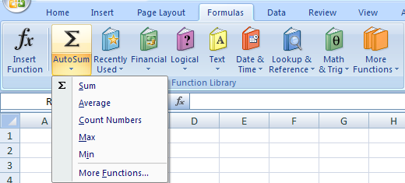
Tip: If you click on the top part of the button, Excel will insert the Sum function. If you want to use a different AutoSum function, click on the down arrow part of the button to get the drop-down menu.

You can also click the Insert Function button either to the left of the AutoSum button or to the left of the formula bar. When the Insert Function dialogue box appears, choose the function you want to use and press OK.

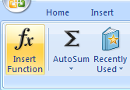
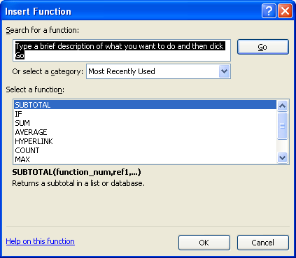

Go back to the data table in cells H27:N34. Try using an AutoSum function, via the Insert Function dialogue box, to calculate the total number of parts in all five bins combined (cell N34).

For a review, go to the Project 3 Instructional Videos in the Toolkit and watch the demonstration "AutoSum."

Go to MIN & MAX.

MIN & MAX
Finding Minimum and Maximum Values

There are occasions when you need to find the minimum and/or maximum value while analyzing data. Excel can find minimum and maximum values in a list for you.

Finding the Minimum

Select cell I34 and find the lowest score on Quiz. Using a method of your choice, find the list of AutoSum functions and choose Min. Note how Excel identifies all the numbers in that column. Check the cell references closely, and press Enter. The lowest score for Quiz 1 is now identified. The formula should read "=MIN(C25:C36)"; and the lowest score should be 52.
Use the fill handle to find the lowest scores on Quizzes 2 to 5.

 | Last Name | First Name | Quiz 1 | Quiz 2 | Quiz 3 | Quiz 4 | Quiz 5
 | Bailey | Laine | 85 | 69 | 74 | 55 | 93
Finding the Maximum | Brooks | Tim | 85 | 68 | 70 | 94 | 69
 | Zhahid | Ahmed | 57 | 68 | 72 | 99 | 62
Select cell I35 and find the highest score on Quiz 1. Again, find the list of AutoSum functions, only this time choose Max. Excel will identify the cell references in that column. Check the cell references closely, and press Enter. The highest score for Quiz 1 is now identified. The formula should read "=MAX(C25:C36)"; and the highest score should be 91.
Use the fill handle to find the highest scores on Quizzes 2 to 5.
 | Brown | Benny | 62 | 52 | 56 | 87 | 54
 | Charlton | Kim | 91 | 64 | 89 | 58 | 91
 | Davies | Melanie | 52 | 55 | 98 | 83 | 64
 | Friede | Jane | 60 | 61 | 57 | 71 | 64
 | Gwynn | Eric | 90 | 53 | 88 | 83 | 62
 | Hollands | Teresa | 84 | 83 | 94 | 77 | 99
 | Brooks | Maria | 57 | 78 | 51 | 87 | 93
 | Lyborne | Darren | 67 | 51 | 62 | 76 | 75
 | Brown | Shelley | 62 | 91 | 78 | 63 | 61
 | Minimum
 | Maximum

 | Compare your answers with those on the Appendix worksheet.

What was Ahmed's highest quiz score?
What was the lowest quiz score in the table?

For a review, go to the Project 3 Instructional Videos in the Toolkit and watch the demonstration "Minimum and Maximum."

Go to AVERAGE.

AVERAGE
Calculating Averages
Averages are calculated by finding the sum of a list of values and dividing the sum by the number of values. Excel will perform this function for you. In the data table provided below, you will calculate the average score for each student as well as the class average for each quiz. Remember: Use the fill handle wherever possible to copy formulas.
Start by selecting cell J18 and calculating the average score on the five quizzes for Laine Bailey. Using any method of your choice, find the Average function in the list of AutoSum functions. Make sure Excel has identified the correct cells, and press Enter. Your formula should read "=AVERAGE(E18:I18)"; and the average score for Laine Bailey should be 75.
Use the fill handle to calculate the averages for the other students.
Now, select cell E30 and calculate the class average on Quiz 1. Then use the fill handle to calculate the class averages on Quizzes 2 to 5.

 | Last Name | First Name | Quiz 1 | Quiz 2 | Quiz 3 | Quiz 4 | Quiz 5 | Average
 | Bailey | Laine | 85 | 69 | 74 | 55 | 93
 | Brooks | Tim | 85 | 68 | 70 | 94 | 69
 | Zhahid | Ahmed | 57 | 68 | 72 | 99 | 62
 | Brown | Benny | 62 | 52 | 56 | 87 | 54
 | Charlton | Kim | 91 | 64 | 89 | 58 | 91
 | Davies | Melanie | 52 | 55 | 98 | 83 | 64
 | Friede | Jane | 60 | 61 | 57 | 71 | 64
 | Gwynn | Eric | 90 | 53 | 88 | 83 | 62
 | Hollands | Teresa | 84 | 83 | 94 | 77 | 99
 | Brooks | Maria | 57 | 78 | 51 | 87 | 93
 | Lyborne | Darren | 67 | 51 | 62 | 76 | 75
 | Roberge | Rikea | 62 | 91 | 78 | 63 | 61
 | Average

Compare your answers with those on the Appendix worksheet.

For a review, go to the Project 3 Instructional Videos in the Toolkit and watch the demonstration "Averages."

Go to SUBTOTAL.

SUBTOTAL
Using the SUBTOTAL Function to Outline Data

The SUBTOTAL function is used in more complex data tables. In Excel, the SUBTOTAL function may be used in conjunction with ten other functions (e.g., AVERAGE, MIN, MAX) that will sum up a certain part of the data. The advantage of using the SUBTOTAL function is that it will not include any other SUBTOTAL calculation within the selected range of cells. With this function you can insert a subtotal and a grand total into the table with ease.
The following steps will show you how to use the SUBTOTAL function to find the total number of each part in a data table. Do not perform the steps yet. You will have a chance to practise using this function on the next worksheet.

Note: Before using the SUBTOTAL function, always ensure that the data has been sorted into groups (e.g., all gadgets are grouped) before you continue.
Part | Quantity
gadgets | 91
gadgets | 51
gadgets | 69
nuts | 52
Step 1: Click anywhere in the data table on the left.
Step 2: Under the Data tab in the Outline group, click the Subtotal button.
nuts | 85
nuts | 62
nuts | 58
nuts | 102
nuts | 81
screws | 62
screws | 98
screws | 106
widgits | 60
widgits | 90
widgits | 57
Step 3: In the Subtotal dialogue box, ensure that you have the correct items selected.
widgits | 48
widgits | 110
widgits | 23

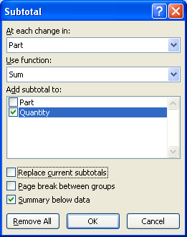
At each change in: Choose the column that identifies the subtotal.
Use function: Choose the function to be used in the subtotal.
Add subtotal to: Identify the column where the calculated subtotal goes.
Select that the summary appears below data.

Step 4: Click OK to perform the SUBTOTAL function.
The table will now look like the one on the right. Notice that subtotals have been added for each part (or grouping). Also notice that a grand total has been added at the bottom.
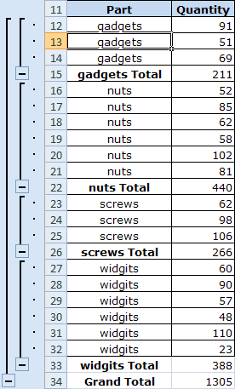

At the top of the worksheet, you will see three numbers. When you click on 1, 2, or 3, Excel opens that outline level.
• Click on 1 to collapse the table and see only the grand total.
• Click on 2 to see only the subtotals and the grand total.
• Click on 3 to see all the information.

You can also click on these to expand or collapse the table.

You will practise using the SUBTOTAL function on the next worksheet.

For a review, go to the Project 3 Instructional Videos in the Toolkit and watch the demonstration "Subtotals."

Go to SUBTOTAL Practice.

DATE & TIME
Inserting Dates and Times Using Functions

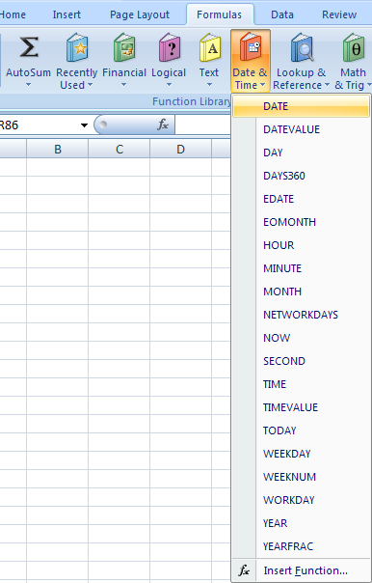
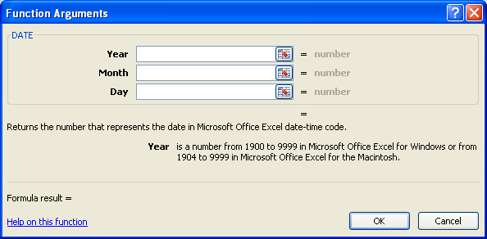
You can insert the date and the time quickly at the click of a button. You may wish to keep a time log of activities, or you may want to display the date and time automatically in a cell.
The DATE and TIME functions are found under the Formulas tab in the Function Library group. Click on the Date & Time button to see all the functions in this category.
To insert the date in a certain cell, select DATE from the drop-down list. The Function Arguments dialogue box appears. This dialogue box will write the formula for you once you have entered all the necessary information. Insert the year, month, and day in number form; then click OK.

Now it's your turn. Practise entering the date into cells on this worksheet.

You can also insert the current time in the workbook. This may be important for tracking when the document was created.
To do this, click the Date & Time button and select TIME from the drop-down list. The Function Arguments dialogue box will appear and prompt you to insert the hour, minute, and second in number form. Click OK when you are finished.
Using the example on the right, the formula will read "=TIME(10,15,45)," which gives you
10:15 AM.
Practise inserting times in this worksheet.
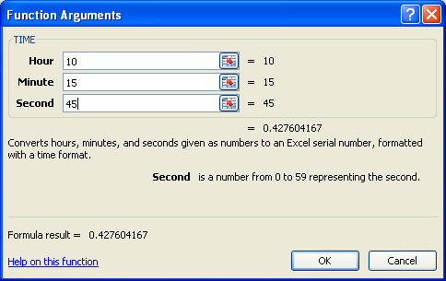

For a review, go to the Project 3 Instructional Videos in the Toolkit and watch the demonstration
"Dates and Times."

Go to COUNT.

COUNT
COUNT and COUNTA Functions

The COUNT function is used when you want to count the number of cells in a range that contain numbers (including zero). In Excel 2007, this function is called Count Numbers and is found in the AutoSum drop-down list. For example, you may want to find the number of expenses in a spreadsheet as opposed to calculating the total expenses. If you do not want to count a cell, leave it blank or replace the numbers with text.
THE COUNTA function is used when you want to count the number of cells in a range that contain any kind of data. For example, you may want to count how many friends you have entered into a worksheet.

Count Numbers (COUNT) Function
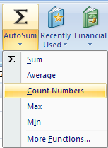
To activate the Count Numbers (COUNT) function, go to the Function Library group under the Formulas tab, and click the AutoSum button. Choose Count Numbers from the drop-down list. Once the formula is activated, select the range of cells you wish to count; then press Enter.
Now it's your turn. Using the data table in cells A26:B34, follow these steps:
Step 1: Select cell B33.
Step 2: Activate the Count formula.
Step 3: Highlight cells B26:B32, and press Enter.
The formula should read "=COUNT(B33:B39)"; and "6" should appear in cell B33.
Did you get 6? There are six cells in that range that contain numbers. The COUNT function will not include text.
Now, take out one of the numbers in the cell range (B27:B32), and leave it blank. Did your count change? If you deleted only one number, the count should now be 5; if you deleted two numbers, the count should be 4; and so on.

Part | Bin 1
widgits | 60
gadgets | 91
nuts | 52
bolts | 53
screws | 62
nails | 85
COUNT
COUNTA

COUNTA Function

To activate the COUNTA function, go to the Function Library group under the Formulas tab, and click the Insert Function button. You can also simply click on the Insert Function button located to the left of the formula bar. In the Insert Function dialogue box, search for COUNTA and press Go. "COUNTA" should be highlighted in the Select a function section. Then press OK.

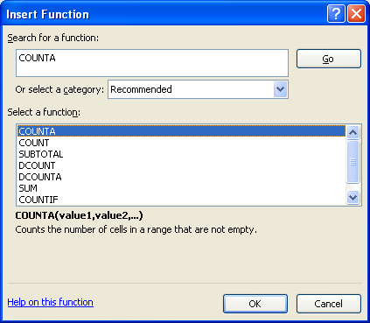

As with the COUNT function example, use the COUNTA function in cell B34 to count the same range of cells (B26:B32).
Did you get 7? The COUNTA function counts every cell with data. So, in this case, the heading "Bin 1" was included.
Once again, leave one of the cells blank and see what happens. The COUNTA function, too, will not include a blank cell in the count.

For a review, go to the Project 3 Instructional Videos in the Toolkit and watch the demonstration "COUNT and COUNTA Functions."

Go to PMT.

PMT
Payment Function (PMT)

This function is very useful when calculating payments for loans, car payments, mortgages, and so on. The PMT function calculates loan payments that are constant (e.g., monthly or biweekly) and consist of a constant interest rate.
Try calculating a car payment.

Total Paid: shows the actual cost of the car after repaying the loan in 5 years
Loan Amount |  | $5,000.00
Number of Years |  | 5
Interest |  | 5%

Note: The monthly payment and the total paid are red and in parentheses because they represent amounts of money you owe for the vehicle—negative amounts.
Cost of Car (PV) | Interest Rate | #of Monthly Payments | Monthly Payment | Total Paid
$5,000.00 | 0.004 | 60 | ($94.36) | ($5,661.37)
$5,000.00 | 0.004 | 60
In the Monthly Payment column, insert the PMT function. To do this, use the Insert Function button or start entering "=PMT" in cell D14. Excel will prompt you to select the PMT formula.
Once you select PMT, you will see hints as to what needs to be included in the function. Use the cell references to fill in the "rate," "nper," and "pv" data. Note: You can enter values for the optional arguments—[fv] and [type]—if you wish; however, for the purpose of this course, this information is not required.
Your formula should read "=PMT(B14,C14,A14)"; and your answer should be the same as the one in cell D13.
If you use either Insert Function button, you will get the following Function Arguments dialogue box to fill in.

rate: the interest rate per pay period
nper: the total number of payments
pv: the present value (or amount) of the loan
Optional Arguments
[fv]: the ending balance
[type]: when payments will be made—enter 0 for the end of the pay period and 1 for the beginning of the pay period

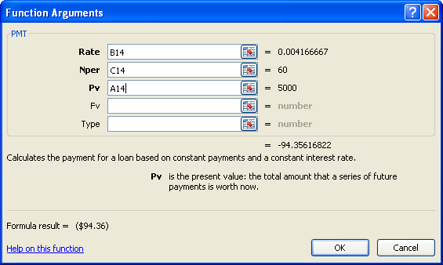

Now, you can use the data table with the Payment functions to play "What if . . ." with the original numbers to see how the payments are affected. For example,
• What if the amount of the loan is over 3 years instead of 5?
• What if the interest rate was 8% rather than 5%?
• What if the vehicle cost $4000 rather than $5000?
Once this simple spreadsheets is created, it is quite easy to see the effects of any change to the data.

For a review, go to the Project 3 Instructional Videos in the Toolkit and watch the demonstration
"PMT Function."

Go to RATE.

RATE
Calculating Interest Rates

The RATE function calculates an interest rate for you. Using the same example from the PMT worksheet, this time you will calculate the interest rate. The RATE function consists of the same parts as the PMT function.

nper: the total number of payments
pmt: the regular payment (e.g., monthly payment)
pv: the present value (or amount) of the loan
Optional Arguments
[fv]: the ending balance; if omitted, it's assumed to be 0
[type]: when payments will be made—enter 0 for the end of the pay period and 1 for the beginning of the pay period
[guess]: your guess for what the rate will be; if omitted, it's assumed to be 10%

Loan Amount | $5,000.00 | $5,000.00
Number of Years | 5 | 5
Monthly Payment | -$94.36 | -$94.36
Note: The RATE function has to be multiplied by 12 to calculate the Yearly Interest Rate.
Monthly Interest Rate | 0.004
Yearly Interest Rate | 5%

Select cell C12, and calculate the monthly interest rate. Type in the formula "=RATE(C10*12,C11,C19)"; and press Enter. Note: Again, feel free to insert values for the optional arguments [fv], [type], and [guess]; however, for the purposes of this course, they are not required.
Did you get the same answer as in cell B12? This number, 0.004, is rounded from 0.004168061. If you get an unrounded number, simply format this cell with the appropriate decimal places.
To calculate the yearly interest rate in this case, simply multiply cell C12 by 12. For instance, when you want to use the RATE function to calculate the yearly interest rate directly, you can type in the following formula:
=RATE(B17*12,B18,B16)*12
This will give you 0.050016727. Again, you will need to format this cell so it reads as a percentage with the appropriate decimal places. It will then change to 5%.
When you compare these results with those on the PMT worksheet, you will see that the numbers match.

For a review, go to the Project 3 Instructional Videos in the Toolkit and watch the demonstration
"RATE Function."

Go to PV.

PV
Present Value (PV) Function

The PV function returns the present value of an investment. Using the car loan example from the PMT worksheet and knowing that the monthly payments of $94.36 will be made over five years at 5%,
you can work "backward" to determine the
initial price/worth of the car.

present value: the total amount that a series of payments is worth now
rate: the interest rate per pay period
nper: the total number of payments
pmt: the regular payment
(e.g., monthly payment)
Optional Arguments
[fv]: the ending balance
[type]: when payments will be made—enter 0 for the end of the pay period and 1 for the beginning of the pay period

Interest Rate | 5% | 5%
Number of Years | 5 | 5
Monthly Payment | ($94.36) | ($94.36)
Loan Amount | $5,000.20

In cell C13 start entering the formula for the PV function to determine the present value of the car loan.
Use the Function Arguments dialogue box on the right as a guide to completing the PV function for cell C13. The information in the dialogue box was used to calculate the present value in cell B13.
Once you have completed the formula, press Enter. You should have the same answer as in cell B13.
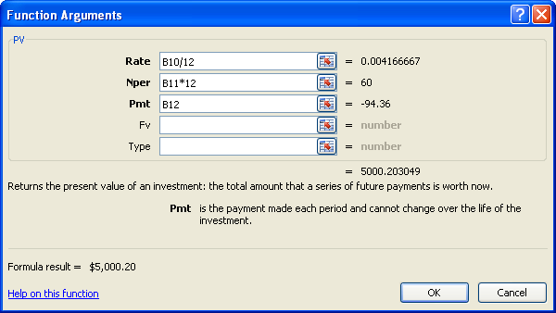

Recall that you can use either Insert Function buttons, or you can start typing "=pv" and click on the cell references.

Notice that the present value is not an even $5000. This is due to the calculation of the rate. (Refer to the Function Arguments dialogue box.) The rate is rounded to nine decimal places. When a decimal such as this is involved in a calculation, the results are rarely perfect. Depending on the numbers you are working with, you should format the cell to round to a particular decimal place. In this case, format the cell to round to the nearest dollar (or zero decimal places). This will give you the $5000 even.

For a review, go to the Project 3 Instructional Videos in the Toolkit and watch the demonstration
"Present Value."

Go to IF.

IF
IF Statements

The IF function allows a worksheet to compare numbers. An IF statement will compare numbers to see whether a condition or rule is true.
An IF statement in English looks like this:
If it rains, I will stay inside. If it does not rain, I will go for a bike ride.
An IF statement in mathematics looks like this:
If x = 10, then 10x = 10 * 10 = 100.
To help explain IF statements, you will continue to use the car loan example. You can buy a car, but you have to keep your payments around $300 a month. If the condition is true, meaning that the monthly payment will be less than $300, the function will display a result, such as YES. If the condition is false, meaning the monthly payment will be more than $300, the function displays another result, such as NO. By using the IF function, Excel will tell you whether or not the car payment is within your budget.
The IF function is formatted as follows:
IF(logical_test, value_if_true,value_if_false)

logical_test: what you want to test for (e.g., Is the payment under $300?)
value_if_true: what you want to display if the argument is true (e.g., "Yes" is displayed.)
value_if_false: what you want to display if the argument is false (e.g., "No" is displayed.)

Tip: IF functions can also display numbers. For example, you can check a list of bill payments for those that are more than $400. For these instances, a standard response, such as ">$400," can appear.

Loan Options: My First Car
Cost of Car | Interest Rate | Number of Payments | Monthly Payment | Within Budget?
$3,000.00 | 5% | 60 | ($158.48)
$4,000.00 | 5% | 60 | ($211.31)
$5,000.00 | 5% | 60 | ($264.14)
$6,000.00 | 5% | 60 | ($316.97)
$7,500.00 | 5% | 60 | ($396.21)
$10,000.00 | 5% | 60 | ($528.28)
$12,500.00 | 5% | 60 | ($660.35)
Follow these steps to complete the Within Budget? column of the data table:
Step 1: Select cell E36.
Step 2: Under the Formulas tab in the Function Library group, click the Logical button and choose IF in the drop-down list. Note: You can also use either Insert Function button or start typing "=IF" to insert the IF function.
Step 3: Format the Function Arguments dialogue box as shown.
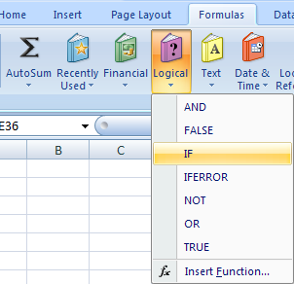

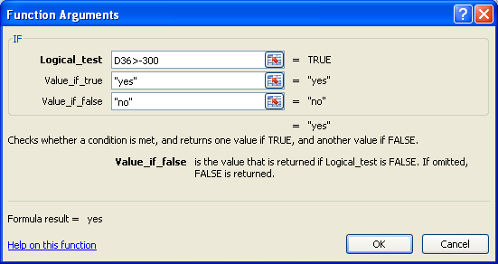
Instructs the function to check whether cell D36 is greater than −$300.
Instructs the function to display "yes" if the value is greater than −$300.
Instructs the function to display "no" if the value is not greater than −$300.

Step 4: Click OK. You should get the following formula:
=IF(D36>-300,"yes","no")
Step 5: Use the fill handle to copy the formula to cells E37: E42. According to the results, which of the payment scenarios can you afford?

For a review, go to the Project 3 Instructional Videos in the Toolkit and watch the demonstration
"IF Statements."

Go to TEXT.

TEXT
TEXT Functions

Excel includes several TEXT functions that are useful for handling text strings. These functions are often used to manipulate data imported from other sources. Some of the most useful functions are listed in the following table. You can find these TEXT functions by clicking on the Text button in the Function Library group under the Formulas Tab.

 | Function | Description
 | TEXT | converts a number into a text string
 | LEFT | keeps the number of characters specified, starting from the left side of the text string
 | RIGHT | keeps the number of characters specified, starting from the right side of the text string
 | FIND | searches a text string for specified characters (Note: The search is case sensitive, and it provides you with the location of that text from the start of the search.)
 | UPPER | converts all characters to upper case
 | LOWER | converts all characters to lower case
 | PROPER | capitalizes the first letter in each word of a text value
 | REPLACE | replaces text at a specific location with new text
 | REPT | (REPEAT) creates a text string by repeating identified text a specified number of times
 | SEARCH | same as the FIND function but is not case sensitive
 | SUBSTITUTE | replaces text of a specific pattern with new text

Here are a few examples how these functions work.

 | Function | Original Text | Formula | Result
 | TEXT | 10 | =TEXT(C26,"$0.00") | $10.00
 | LEFT | Sale Price | =LEFT(C27,4) | Sale
 | RIGHT | Sale Price | =RIGHT(C28,4) | rice
 | FIND | Sale Price | =FIND("r",C29) | 7
 | UPPER | Sale Price | =UPPER(C30) | SALE PRICE
 | LOWER | Sale Price | =LOWER(C31) | sale price
 | PROPER | sale price | =PROPER(C32) | Sale Price
 | REPLACE | 2010 | =REPLACE(C33,3,2,11) | 2011
 | REPT | #1 | =REPT(C34,10) | #1#1#1#1#1#1#1#1#1#1
 | SEARCH | Sale Price | =SEARCH("price",C35) | 6
 | SUBSTITUTE | Sale Price | =SUBSTITUTE(C36,"Sale","Original") | Original Price

You can perform text functions by simply typing in the formulas as shown in the preceding table, or you can use the quick button in the Formulas Tab and fill in the dialogue box.

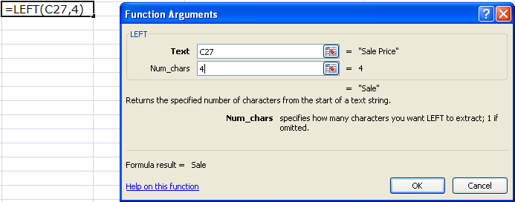

For a review, go to the Project 3 Instructional Videos in the Toolkit and watch the demonstration "Text Functions."

Go to LOOKUP.

LOOKUP
HLOOKUP and VLOOKUP

You can use the HLOOKUP function or the VLOOKUP function to find information very quickly. You can use these functions to insert information from one part of the worksheet to another or from a separate worksheet to the one you are working on.
HLOOKUP is short for "horizontal lookup." You can use this function when looking for data located in a row. The formula is as follows:
=HLOOKUP(lookup_value,table_array,row_index_num,range_lookup)
VLOOKUP is short for "vertical lookup." Use this function when looking for data located in a column. The formula is as follows:
=VLOOKUP(lookup_value,table_array,col_index_num,range_lookup)
Take some time to review the following tables. These tables—one formatted horizontally and one formatted vertically—will be used to practise using the HLOOKUP and VLOOKUP functions.

 | Marking Criteria
 | Mark | 0 | 50 | 60 | 70 | 85 | Mark: | 55
 | Grade | F | D | C | B | A | Grade:

 | Month
 | Abbreviation | Full Name | # of Days
 | Jan | January | 31
 | Feb | February | 28
 | Mar | March | 31
 | Apr | April | 30
 | May | May | 31
 | Jun | June | 30
 | Jul | July | 31
 | Aug | August | 31
 | Sep | September | 30
 | Oct | October | 31 |  | Abbreviation: | Aug
 | Nov | November | 30 |  | # of days:
 | Dec | December | 31 |  | Full Name:

Using the HLOOKUP Function

Refer to the Marking Criteria table. You are going to use a formula that inserts the appropriate grade in cell J20 using the data provided in cell J19. Here you will use the HLOOKUP function because you will be looking up information in a table that is formatted horizontally.
Click in cell J20. Then click on the Insert Function button and find the HLOOKUP formula. When the Function Arguments dialogue box appears, enter the following information:

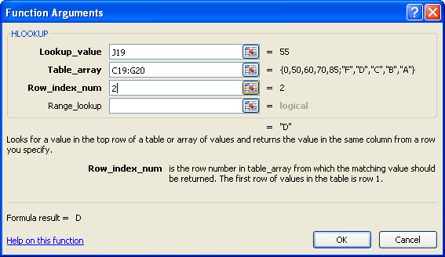

Lookup_value: looks up the mark using cell J18 (55) as the criteria
Table_array: highlights the table data for the grading criteria
Row_index_num: specifies the information is in the second row of the selected data

In cell J19, the formula should read "=HLOOKUP(J19,C19:G20,2)" and the value "D" should appear. The value "D" appears because a mark of 55 does not meet the criteria for C, which is 60 to 69. Choose a different mark, such as 88, in cell J19. You'll notice that the grade changes accordingly.

Using the VLOOKUP Function

Now refer to the Month table. Since this table is formatted vertically, you will use the VLOOKUP function to insert the appropriate information into cells G34 (# of days) and G35 (full name) based on the information in cell G33.
Click in cell G34. Then click on the Insert Function button and find the VLOOKUP formula. When the Function Arguments dialogue box appears, enter the information to find the number of days in the month entered in cell G33. Do the same for cell G35, except enter information in the dialogue box that results in the full name of the month appearing.

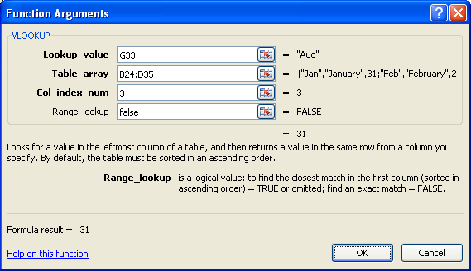
 | Dialogue Box for Cell G34:

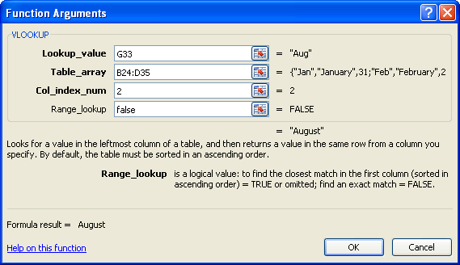
 | Dialogue Box for Cell G35:

In cell G34, the formula should read "=VLOOKUP(G33,B24:D35,3)" and the value "31" should appear. In cell G35, the formula should read "=VLOOKUP(G33,B24:D35,2)" and the value "August" should appear. Choose a different abbreviation, such as Feb, in cell G33. You'll notice that the number of days and the full name change accordingly. Note: If you incorrectly spell the abbreviation, an error message will appear.

For a review, go to the Project 3 Instructional Videos in the Toolkit and watch the demonstration "LOOKUP."

Go to Protecting Cells.

Protecting Cells
Protecting Your Formulas
To prevent a user from accidentally or deliberately changing, moving, or deleting important data from a worksheet or workbook, you can protect certain cells that contain information with or without a password. You can remove the protection from a worksheet as needed. This is very quick and really easy to do.
Step 1: Highlight the cells you wish to protect.
Step 2: Under the Home tab in the Cells group, click on the Format button and select Lock Cell.
The cells you selected are now locked. The locking feature now has to be activated. To do this, you must Protect the Sheet.
Step 3: Under the Review Tab in the Changes group, click on the Protect Sheet button. (Note: You can also do this by selecting Protect Sheet in the drop-down list that appears when you click on the Format button.)
Step 4: In the Protect Sheet dialogue box, ensure that "Protect worksheet and contents of locked cells" is checked. (It should be by default). If you wish, set a password to unprotect the worksheet and specify allowances for the user in the checklist. Then click OK.
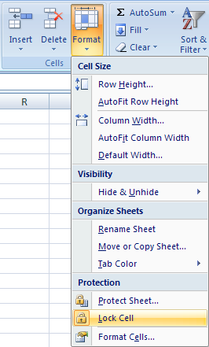

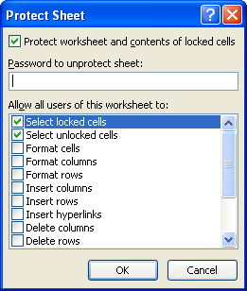

If you enter a password, remember to write it down somewhere. Leave "Select locked cells" and "Select unlocked cells" checked. This simply means that the user can still click on the cells; but if he or she tries to change a locked cell, the following message will appear. Without a password (if any), the user would be unable to make any changes.

To unprotect the worksheet, click on the Unprotect Sheet button in the Changes group under the Review tab. Notice that the Protect Sheet button changed into an Unprotect Sheet button once the worsheet was protected. Again, if you have specified a password, you will be prompted to enter it at that time. Highlight the protected cells, and unlock the cells.

For a review, go to the Project 3 Instructional Videos in the Toolkit and watch the demonstration
"Locking Cells."

This concludes Training Room 3. Save your Training Room 3 file in your INF2080 SS2 folder, and close the file. Then move on to Time to Practise 3 to test your knowledge and skills of the concepts covered in this training room.

