Introduction
Training Room 4: Presenting Data Visually

Introduction to Charts
A chart is a pictorial representation of the data in a table or worksheet. Charts in Excel appear in the form of pie charts, bar graphs, scatterplots, and so on. People viewing your spreadsheets may find it easier to examine and understand your information when it is in chart form.
Excel can display information in a variety of ways. Excel can incorporate fonts, colors, patterns, symbols, graphics, and three-dimensional effects to charts. Keep in mind, though, that the colorful charts you create may be wonderful to look at, but printing them may cause problems. So, for example, if you know your information will be printed in black and white, you should create your charts using grey shades, not colors.
Each set of data in a chart is called a series. The chart's horizontal axis is located at the bottom of the chart, and the vertical axis is located on the left side of the chart. Excel automatically creates a legend with the chart explaining the meaning of each line in a line chart or each bar in a bar chart.
To create a chart, simply select the cells that contain the data you want to chart and choose the chart type. Once the chart appears in the worksheet, you will see three tabs of chart tools you can use to create or modify the elements of the chart.
Chart commands are found under the Insert Tab in the Charts group. Once you choose a chart type, three additional tabs of Chart Tools will appear: a Design tab, a Layout tab, and a Format tab.

Certain types of charts should be used to represent certain information. The most commonly used charts are
• columnar charts—can be used to compare values or categories (vertical)
• line charts—can be used to show trends
• pie charts—can be used to represent data as a part of the whole
• bar charts—can be used to compare values over time or categories (horizontal)
• area charts—can be used to show a change in volume
• doughnut charts—can be used to compare more than one series of information
There are other types of charts available in Excel. Take some time to look at the various types Excel has to offer.

Go to Updating Charts.

Updating Charts
Updating Charts

Charts created from data within the worksheet are linked to the data. As a result of this link, any changes you make as you work within your data table will automatically change in your chart as well.

 | EDMONTON SPORTS OUTLET
 | Sales by Department
 | Department | Year
Perform the following steps:
Step 1: Change cell H12 to 50000, and press Enter. Note the change in total sales for Year 1 in the data table as well as in the chart.
Step 2: Change cell G13 to Baseball. Note the change to the legend.
Step 3: Change cell K15 to 100000. Note the change in total sales for Year 4 in the data table as well as in the chart.
 |  | 1 | 2 | 3 | 4
 | Tennis | $110,960 | $104,590 | $89,000 | $77,380
 | Golf | $156,000 | $159,000 | $170,000 | $174,000
 | Camping | $180,000 | $220,000 | $234,000 | $240,650
 | Fitness | $200,000 | $236,000 | $268,000 | $290,175
 | Total Sales | $646,960 | $719,590 | $761,000 | $782,205
Edmonton Sports Outlet

If needed, go to the Project 3 Instructional Videos in the Toolkit and watch the demonstration "Charts."

Go to Moving Charts.

Moving Charts
Moving Charts

You can move charts to any location on the worksheet. Typically, a chart is placed next to the data. To move a chart, simply click on the chart and drag it to it's new location. Be careful, it is possible to accidentally move parts of the chart. Make sure you are clicking on a blank area within the chart to move the entire chart.
In this example, the chart is covering the data. You will need to move the chart to a new position. Remember, click in a blank area of the chart to move it.
Take time now to practise moving the chart around this worksheet. When you are done, place the chart to the right of the table.

Edmonton Sports Outlet
 | EDMONTON SPORTS OUTLET
 | Sales by Department
 | Department | Year
 |  | 1 | 2 | 3 | 4
 | Tennis | $110,960 | $104,590 | $89,000 | $77,380
 | Golf | $156,000 | $159,000 | $170,000 | $174,000
 | Camping | $180,000 | $220,000 | $234,000 | $240,650
 | Fitness | $200,000 | $236,000 | $268,000 | $290,175
 | Total | $646,960 | $719,590 | $761,000 | $782,205

If needed, go to the Project 3 Instructional Videos in the Toolkit and watch the demonstration "Moving Charts."

Go to Resizing Charts.

Resizing Charts
Resizing Charts

Sometimes a chart is created and it is out of proportion. It can be made to look much better simply by resizing it. Charts can also be made larger, smaller, or reshaped.
To resize a chart, simply click and drag on any of the handles around the chart. Every chart has eight of these handles—four in the corners and four centered on the chart outline.
The following chart is an example of a chart that is out of proportion and needs to be resized. Take some time now to practise resizing this chart in the space provided so that it looks more appealing.

Edmonton Sports Outlet
 |  | Tennis | Golf | Camping
 | 1 | 110960 | 156000 | 180000
 | 2 | 104590 | 159000 | 220000
 | 3 | 89000 | 170000 | 234000
 | 4 | 77380 | 174000 | 240650

If needed, go to the Instructional Videos in the Toolkit and watch the demonstration "Moving Charts."

Go to Creating Pie Charts.

Creating Pie Charts
Creating Simple Pie Charts

A pie chart is commonly used in business to display various information that is part of a whole. Pie charts are not like other kinds of charts because they only allow you to show one data series, meaning only one row or one column of information. You can, however, enhance the look of your pie chart by using the chart options to make it 3-D or to use an exploding pie chart.

Using the information about specific Oilers' salaries from the table on the right, you will create a simple pie chart. Follow these steps:
Step 1: Select cells J10:K16.
Step 2: Under the Insert tab in the Charts group, click on the Pie button.
 | Edmonton Oilers Player Salaries
 | Brodziak | $500,000
 | Cogliano | $850,000
 | Gagner | $875,000
 | Horcoff | $3,600,000
 | Nilsson | $1,500,000
 | Pouliot | $725,000
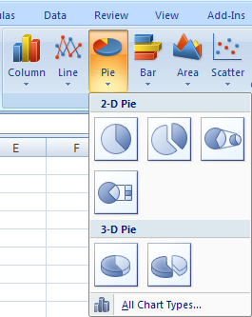
 | O'Sullivan | $4,000,000

Step 3: From the images given, select the type of pie chart you want.
Step 4: Move the chart to an empty area on your worksheet.
You might get a Pie Chart that looks like the following. Remember, your chart may need some resizing and reshaping.

Edmonton Oilers Player Salaries
Brodziak | $500,000
Cogliano | $850,000
Gagner | $875,000
Horcoff | $3,600,000
Nilsson | $1,500,000
Pouliot | $725,000
O'Sullivan | $4,000,000

Creating Simple Scatter Charts
Scatter Charts are commonly used to display and compare number values, such as scientific, statistical, and engineering data. These charts show relationships among the numeric values.
The data table on the right compares the amount of rainfall with the level of particulates found in the rain. (Note: Particulate refers to the tiny particles found in liquid.) Use this data table to create a scatter chart.
Step 1: Select cells J45:K53.
Step 2: Under the Insert tab in the Charts group, click on the Scatter button.
 | Daily Rainfall | Particulate Level
 | 0.5 | 82
 | 4.3 | 122
 | 5.2 | 115
 | 6.1 | 108
 | 7.1 | 110
 | 3.5 | 117
 | 3.3 | 126
 | 2.2 | 115
 | 7.5 | 102

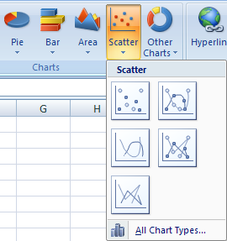

Step 3: From the images given, select the type of scatter chart you want.
Step 4: Move the chart to an empty area on your worksheet.
You might get a Scatter Chart that looks like the following. Remember, your chart may need some resizing and reshaping.

Particulate Level in Rainfall

Go to the Project 3 Instructional Videos in the Toolkit and watch the demonstration "Creating Simple Pie Charts."

Go to 2-D Charts.

2-D Charts
Two-Dimensional Column Chart and Chart Layout

With one click, you can create a chart. Afterward, you will probably need to make changes to your chart so it looks exactly how you want. There are three tabs on the ribbon that appear once you create a chart that allow you to make more changes to the chart. They are the Design tab, the Layout tab, and the Format tab; and they are found under Chart Tools.
The Design tab allows you to change the look or design of your chart. It includes features such as chart layouts and colors. You can even change the chart type.

The Layout tab allows you to add titles and labels and to manipulate your chart.

The Format tab allows you to enhance the formatting by adding or adjusting backgrounds and fill colors, by adding text effects, and so on.

The following components are most typically changed to enhace the look of the chart:
• chart titles—need titles so the viewer knows what the charts represent
• axis titles—need to label the horizontal and vertical axes
• legend—need to include a legend and position it within the chart
• gridlines—may need to add gridlines to the chart for clarity
Use the following data table to create a chart and modify it using some of the above chart options. Follow the steps provided.

Step 1: Highlight cells A55:A61 and cells C55:C61. (Recall that you need to press and hold the Control key to select these cells at the same time.) In this chart, the players' first names are not needed.
Step 2: Under the Insert tab and in the Charts group, click the Column button and select the first option in 2-D Column.
Edmonton Oilers Player Salaries
Last | First | Salary
Brodziak | Kyle | $500,000
Cogliano | Andrew | $850,000
Gagner | Sam | $875,000
Horcoff | Shawn | $3,600,000
Nilsson | Robert | $1,500,000
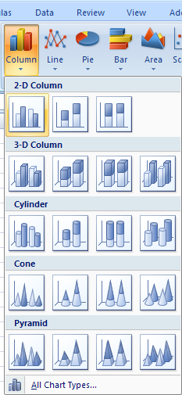
Pouliot | Marc-Antoine | $725,000
O'Sullivan | Patrick | $4,000,000

You will get a 2-D chart that looks like this:

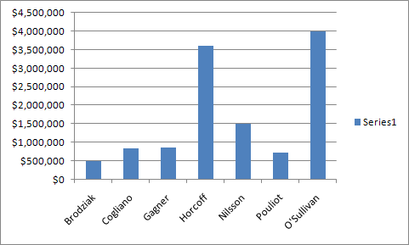

You may need to move the chart to the right side of this worksheet as you change the layout options. This chart now needs some formatting. To add a title, go to the Layout tab. In the Labels group, click on the Chart Title button. Select Above Chart to display the title at the top. Note the other options provided as well.
A box containing "Chart Title" will appear at the top of the chart.

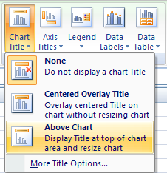
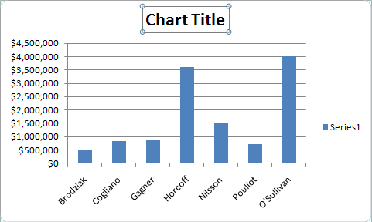

Title the chart "Edmonton Oilers Player Salaries." You may have to adjust the font size.
Now, label the horizontal and vertical axes. Click on the horizontal axis, which contains the last names, and click on the Axis Titles button in the Labels group. Choose Primary Horizontal Axis Title and then Title Below Axis.

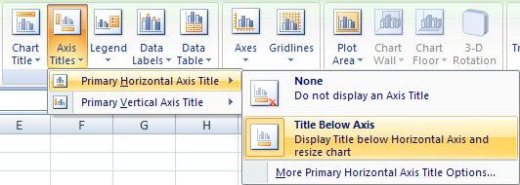

Label the horizontal axis "Players."
Do the same for the salary amounts on the vertical axis. Choose Primary Vertical Axis Title and then Vertical Title. Label the verical axis "Salary."

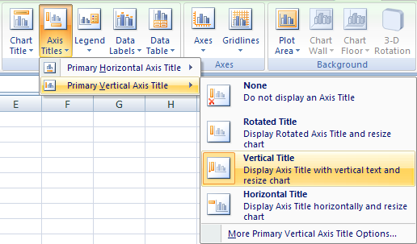

Your 2-D chart should look similar to the following.

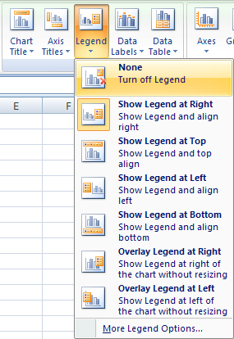
Edmonton Oilers Player Salaries
Finally, add gridlines. Under the Layout tab, click on the Gridlines button. You can choose to insert horizontal and/or vertical gridlines. Practise inserting gridlines and watch the effect they have on your chart.
To remove this series box, click on it and click on the Legend button in the Layout group. Then choose None to turn off the legend. In this case, a legend is not needed as the player's names are on the horizontal axis.

Take some time to play with the other features found in Chart Tools. You can also experiment making different types of charts.

Go to the Project 3 Instructional Videos in the Toolkit and watch the demonstration "Creating Simple Pie Charts."

Go to Clustered Column Graphs.

Clustered Column Graphs
Creating a Clustered Column Graph

Tamyra's Novelties
Expenses
Products | Jan | Feb | Mar | Total
Rent | 1,500 | 1,500 | 1,500 | 4,500
Printing | 852 | 901 | 658 | 2,412
Postage | 251 | 201 | 198 | 650
Delivery | 750 | 680 | 820 | 2250
Other | 448 | 725 | 850 | 2,023
Totals | 3,801 | 4,007 | 4,026 | 11,835

Clustered column graphs are used when you want a side-by-side comparison between categories. For example, you might want to compare expenses across months to see what you have spent; or you might want to compare your marks in subjects throughout the year.

In this example you will go through the steps to create a clustered column graph to compare the expenses for January, February, and March.
Step 1: Highlight the data in cells A6:D11. (Only compare the expenses, not the totals.)
Step 2: Under the Insert tab in the Charts group, click on the Column button. Select the first option in the 2-D Column category to create the clustered column graph.
Step 3: Format your graph (inserting a title, axes labels, color, and so on).
Your graph may look like the following.


Tamyra's Expenses

As you can see by the color coding, you can quickly compare how much was spent on each expense in each month.
If needed, you can also change the Chart Type using the Chart Tools. To do this, first double-click on the Chart you created. The ribbon changes to the Chart Tools Ribbon. Then click on the Change Chart Type button in the Type group.

In the Change Chart Type dialog box, select the 3-D Clustered Column graph. Then click OK and note the change in your chart.

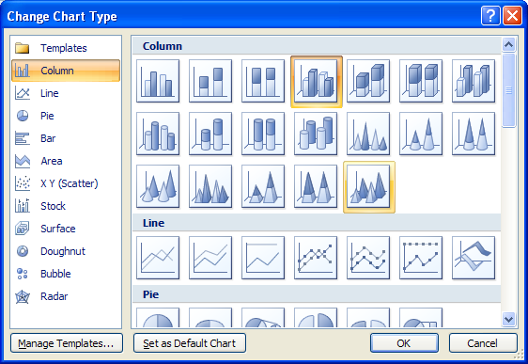

Tamyra's Expenses

Go to Adding Graphics.

Adding Graphics
Adding Graphics

Your goal is to always make your spreadsheet as visually appealing and as professional looking as possible. That might mean placing illustrations or graphics on your worksheet or your chart. Illustrations or graphics can come from a variety of places. You can add pictures saved on your computer; you can add clip art images; or you can add the built-in shapes or SmartArt graphics in Excel. Adding an image to your worksheet is similar to adding a background. For this example, an Oilers logo will be used.

Inserting a Picture from Your Computer

Under the Insert tab in the Illustrations group, click on the Picture button. The Insert Picture dialogue box will appear. Locate a picture on your computer, and click Insert.

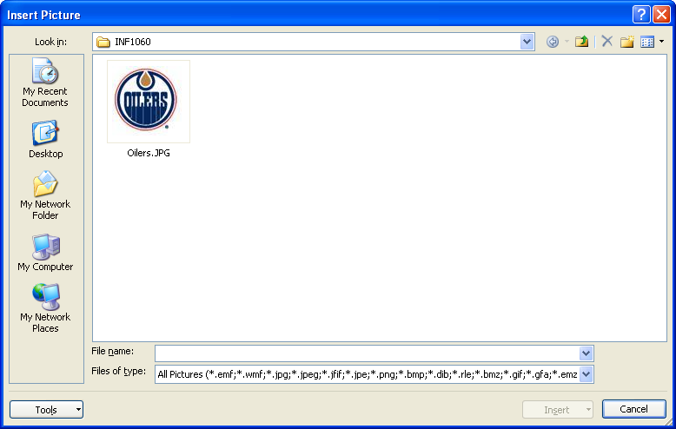

The picture will be added to your spreadsheet. You can click or drag the picture anywhere you wish. You can even place it on your chart. Look at the following example of a graphic placed within a chart.

Brodziak | 500000
Cogliano | 850000
Gagner | 875000
Horcoff | 3600000
Nilsson | 1500000
Pouliot | 725000
O'Sullivan | 4000000

Inserting a Picture from Clip Art

Excel provides a huge library of clip art graphics. This library is found under the Insert tab in the Illustrations group. Click the Clip Art button, and the Clip Art task pane appears on the right. Enter your search term and click Go. Click on the image you want for it to appear in your worksheet.

Inserting a Shape

Excel also provides a huge library of shapes (arrows, squares, stars, etc.). You can also find this library under the Insert tab in Illustrations group. Click the Shapes button, and choose a shape. Once you have chosen a shape, your cursor will change so you can draw the shape on your worksheet.

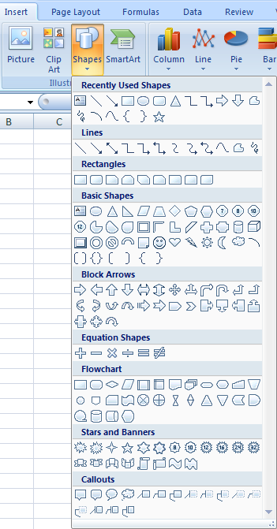

Take some time now to practise inserting pictures, clip art, and shapes onto this worksheet. Practise formatting them as well, adjusting colors, borders, etc. Remember, formatting tools are found under the Format tab.

Now, go to the Project 3 Instructional Videos in the Toolkit and watch the demonstration "Resizing Graphics."

Go to Sorting.

Sorting
Sorting Information

Excel provides a sorting tool that helps you organize or sort the data in a worksheet. If you need to sort the spreadsheet by names in alphabetical order, or by numbers from least to greatest (or vice versa), Excel has a simple command that will do this for you.
The Sorting commands are found by clicking on the Sort & Filter button in the Editing group under the Home tab.

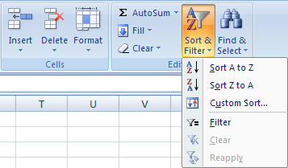
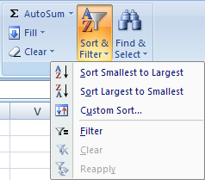
Sorting Options for Numeric Information
Sorting Options for Alphabetical Information

Excel recognizes the cell content, whether it be a label or a number, and provides you with the sorting commands that would apply to that content.
You can also find the Sorting commands in the Sort & Filter group under the Data tab.

Tip: You can also reach the Sorting commands by right-clicking in the cell. The Sorting commands will be appropriate for the content of that cell, whether it be a label or a number.

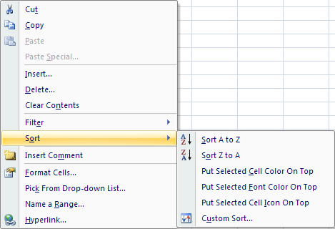

Now, go to the Project 3 Instructional Videos in the Toolkit and watch the demonstration "Sorting."

So, to sort information, click on any cell in the column you wish to sort; then use the buttons in the menu to sort the information. You will practise sorting information on the next worksheet.
You can also add components to your sorting criteria so that Excel combines multiple criteria to your sort. Sorting by two criteria is called a two-component sort. You will complete a more complicated sort on the next worksheet.

Go to Sorting Practice.

Sorting Practice
Sorting Practice

Tip: When making a data table, do not use any blank rows.
Last Name | First Name | Quiz 1 | Quiz 2 | Quiz 3 | Quiz 4 | Quiz 5
Bailey | Laine | 85 | 69 | 74 | 55 | 93
Brooks | Tim | 85 | 68 | 70 | 94 | 69
Zhahid | Ahmed | 57 | 68 | 72 | 99 | 62
Brown | Benny | 62 | 52 | 56 | 87 | 54
Charlton | Kim | 91 | 64 | 89 | 58 | 91
Davies | Melanie | 52 | 55 | 98 | 83 | 64
Friede | Jane | 60 | 61 | 57 | 71 | 64
Gwynn | Eric | 90 | 53 | 88 | 83 | 62
Hollands | Teresa | 84 | 83 | 94 | 77 | 99
Brooks | Maria | 57 | 78 | 51 | 87 | 93
Lyborne | Darren | 67 | 51 | 62 | 76 | 75
Brown | Shelley | 62 | 91 | 78 | 63 | 61

Use the data table in cells A3:G15 to perform the following steps. Once you have completed the step compare your table to the one provided.
Step 1: Sorting Alphabetically
Sort the data table by Last Name, from A to Z. Your data table should look like the following.

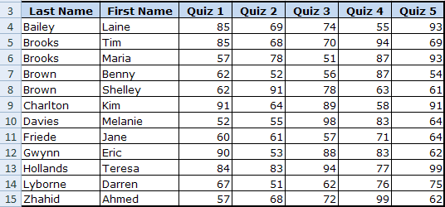

Step 2: Sorting Numerically
Now, sort the information so that the Quiz 5 marks are sorted from highest to lowest. You'll notice that your data has changed again, this time sorted numerically from largest to smallest in the Quiz 5 column. Your data table should look like the following.

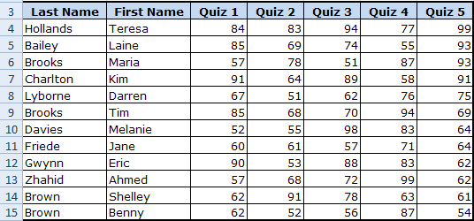

Step 3: Sorting in a Row
Sort Jane Friede's marks for the quizzes from smallest to largest. This is a bit trickier as you are sorting in rows, not columns. Click on the Sort & Filter button in the Editing group, and select Custom Sort. In the Sort dialogue box, click Options; then choose "Sort left to right" in the Sort Options dialogue box, and click OK.

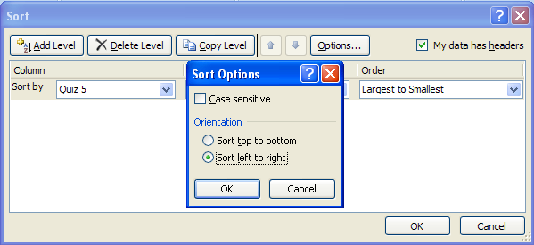

The Sort dialogue box has now changed to sort by row. You can now complete your sort. Compare your table with the one provided. Notice that the names have been moved to the last two columns.

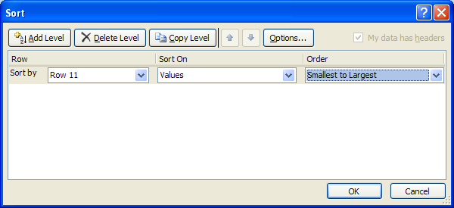

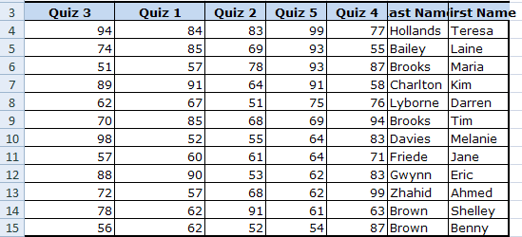

Step 4: Two-Component Sort
When you sort, for example, by last name alphabetically only, those entries with the same last name will remain in the same order. Excel will not go to the next column to place the first names in alphabetical order unless it is instructed to. Therefore, you need to instruct Excel to sort by the last name and then by the first name. This is referred to as a two-component search.
To do this, click on the Sort & Filter button and select Custom Sort. When the Sort dialogue box appears, sort by Last Name first and the order in which to sort the last names. Next, click the Add Level button to then sort by First Name.

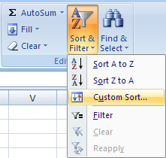
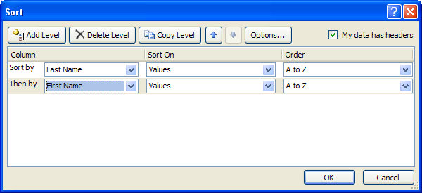

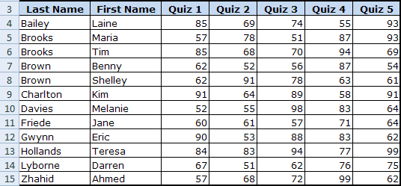
Compare your table with the one on the right. If you want, practise sorting the data of either quiz from largest to smallest first and then by last name in alphabetical order from A to Z. Note: Quizzes 1, 2, 4, and 5 have entries that are the same.

Go to Filtering.

Filtering
Filtering Data

Finding information in your spreadsheet takes effort, especially if it is a large spreadsheet with lots of information. You just discovered how to sort information, which helped organize your information; but you still need to look through all the information.
You will now focus on how to filter the data. Filtering information hides the information you don't need to see and displays only the information you want to see. The information is still there; you just don't see it.
The quickest way to filter data is to use the AutoFilter tool. This tool is found under the Home tab in the Editing group. When you activate this tool, Excel inserts drop-down boxes to the right of the table headings. You can use the drop-down boxes to define your criteria.
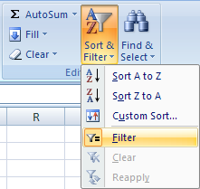

Tip: You can also reach the filtering commands by right-clicking in a cell. The filtering commands will be appropriate for the content of that cell in terms of whether it be text, numbers, or dates.

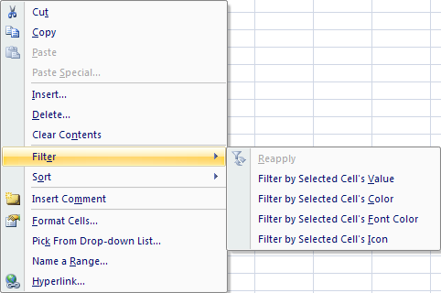

There are text, number, and date filters. The following shows the various text and number filters that allow you to filter out information you don't need to see.

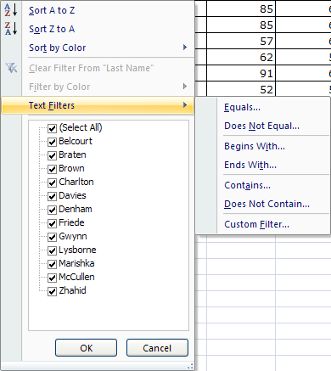
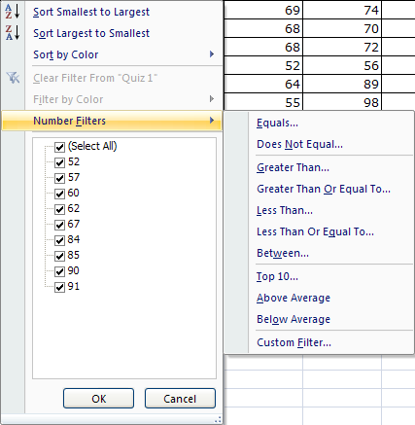

Filtering is useful, for example, when finding only the information for a particular city. Simply select the desired city in the data and use the Filter function to hide all the information that does not apply to the city. There are many different ways you could filter information, it just depends on what you are being asked to accomplish.
You can also filter more than one criteria, similar to sorting. This is referred to as a two-component filter. You simply need to set your choices in the drop-down boxes to the right of the column headings. This may help you narrow the information down.
You will practise filtering information and learn how to perform a two-component filter on the next worksheet.

Now, go to the Project 3 Instructional Videos in the Toolkit and watch the demonstration "Filtering."

Go to Filtering Practice.

Filtering Practice
Filtering Practice

Last Name | First Name | Quiz 1 | Quiz 2 | Quiz 3 | Quiz 4 | Quiz 5
Bailey | Laine | 85 | 69 | 74 | 55 | 93
Brooks | Tim | 85 | 68 | 70 | 94 | 69
Zhahid | Ahmed | 57 | 68 | 72 | 99 | 62
Brown | Benny | 62 | 52 | 56 | 87 | 54
Charlton | Kim | 91 | 64 | 89 | 58 | 91
Davies | Melanie | 52 | 55 | 98 | 83 | 64
Friede | Jane | 60 | 61 | 57 | 71 | 64
Gwynn | Eric | 90 | 53 | 88 | 83 | 62
Hollands | Teresa | 84 | 83 | 94 | 77 | 99
Brooks | Maria | 57 | 78 | 51 | 87 | 93
Lyborne | Darren | 67 | 51 | 62 | 76 | 75
Brown | Shelley | 62 | 91 | 78 | 63 | 61

Use the data table in cells A3:G15 to practise using the Filter function. Perform the following steps to filter Quiz 5 so that only the marks between 60 and 70 are visible.
Step 1: Click anywhere in the table.
Step 2: Under the Home Tab in the Editing group, click the Sort & Filter button and select Filter.
Notice that drop-down boxes appear beside each column heading.
Step 3: Click on the drop-down box beside Quiz 5; select Number Filters; then select Between.

The Custom AutoFilter dialogue box appears.
Step 4: Enter 60 in the greater than or equal to criteria.
Step 5: Enter 70 in the less than or equal to criteria.
Step 6: Click OK.
Your data table should look like the following. You now see only the students who had a mark between a 60 and 70 on Quiz 5. You will also notice that the row headings are blue, indicating that there are some hidden rows. You can now make a separate chart, or you can print this information.
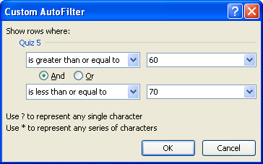

This icon shows that a filter is set for this column.

Extend your filtering criteria to find Jane Friede's marks. There are four ways you can do this:
• Click on the drop-down arrow beside the First Name heading and make sure only "Jane" is selected.
• Click on the drop-down arrow beside the Last Name heading and make sure only "Friede" is selected.
• Click on the drop-down arrow beside the First Name heading, select Text Filters, and choose Custom Filter.
• Click on the drop-down arrow beside the Last Name heading, select Text Filters, and choose Custom Filter.

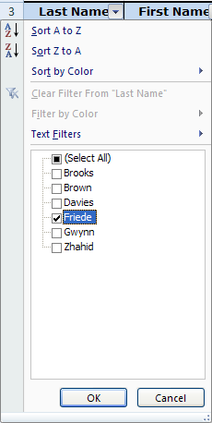
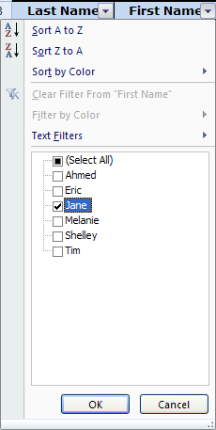
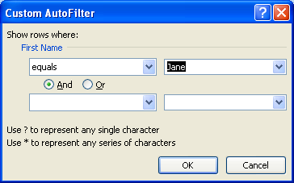
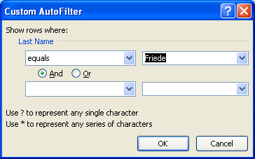

Once the necessary information is entered, click OK. Compare your data table with the following.

To get back to your original information, simply pull down the drop-down box and choose Clear Filter From "Quiz 5."
Take some time now to practise filtering other information in the data table provided in cells A3:G15.

Go to Sorting & Filtering Practice.

Sorting & Filtering Practice
More Sorting and Filtering Practice

Use the data table on the left to practise sorting columns, rows, and adding levels in a Custom Sort. Also, try performing a text and a number filter together as well.
This concludes Training Room 4. Save your Training Room 4 file in your INF2080 SS2 folder, and close the file. Then move on to Time to Practise 4 to test your knowledge and skills of the concepts covered in this training room.
NO | LAST | FIRST | COMPANY | TELEPHONE
1 | Alfonzo | Joseph | The Widget Co | 488-9852
2 | Anderson | Wayne | Who's it, Inc | 748-5258
3 | Apple | Lenny | Jones, Inc. | 745-1145
4 | Banks | Betty | Single Can Co | 745-5555
5 | Barks | Mack | Single Can Co | 745-5555
6 | Bingham | Janet | Ralston Foods | 453-9833
7 | Boiler | Fred | Hot Tubs, Ltd | 291-9639
8 | Cafferine | Robert | Red Carpet | 745-1479
9 | Castine | Debbie | The Bank Co. | 745-8574
10 | Climens | Charles | Red Carpet | 745-1479
11 | Collins | Leonard | Ralston Foods | 453-9833
12 | Cooper | Abbie | Jones, Inc. | 745-1145
13 | Copper | Glen | Intermack | 488-9852
14 | Cord | Julia | Intermack | 453-9820
15 | Corodino | Bruce | Red Carpet | 745-1479
16 | Datona | Sherri | Ralston Foods | 453-9833
17 | Davis | Bob | The Bank Co. | 745-8574
18 | Hanson | Jerry | Hot Tubs, Ltd | 291-9639
19 | Jones | John | Who's it, Inc | 748-5258
20 | Masters | Sonny | Jones, Inc. | 745-1145
21 | Nordic | Warren | Intermack | 453-9820
22 | Smith | Floyd | Red Carpet | 745-1479
23 | Wolsey | Greg | Single Can Co | 745-5555

