Saving as Web Page
Training Room 5: Collaborating and Securing Data

Saving and Publishing Worksheets as Web Pages

You can save a worksheet or an entire workbook as a web page. Doing so changes the information from your Excel file into a format that you can view on the Internet. When a user opens an Excel file that has been saved as a web page, the file opens in a web browser, not in Excel.
Saving an Excel document in a web format means that people can view the information even if they don't have Excel. In some situations you might want to add the information from your Excel file to a website as a link.
Click the Office Button, choose Save As, and select Other Formats.
When the Save As dialogue box appears, find the correct location to save the file; then give the document a file name. Next, click on the drop-down arrow for Save as type, and select Web Page. Finally, choose whether to save the entire workbook or to save the selection (or sheet).
Click Publish.
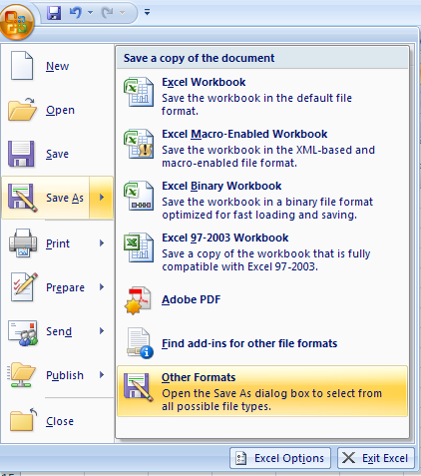

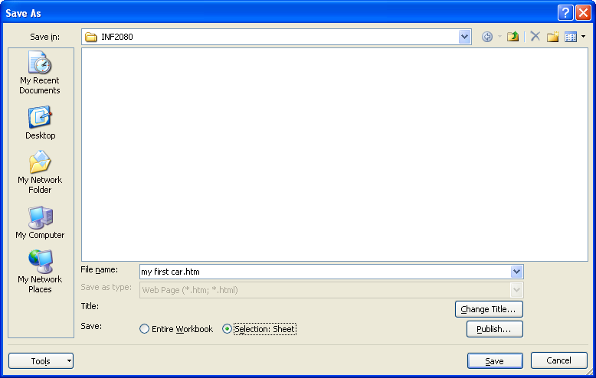
This is the location you are saving to.
Name your file.
Select your file type (Web Page).
Choose to save either the Entire Workbook or Selection: Sheet.

When you click Publish, there are many options to choose from. You can publish the entire workbook, a range of cells, or any particular item from one of your worksheets.
At the bottom of the Publish as Web Page dialogue box, click AutoRepublish so that your web-page file is updated every time you make changes to the Excel file. Click on Open published web page in browser, so that the web page file opens automatically in the web browser.
Once you've made all the selections necessary, click Publish.

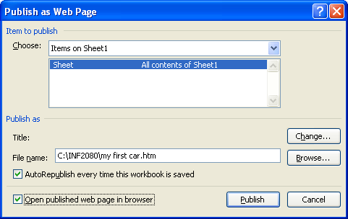

Now, when you open the folder that contains your saved HTML file,
the HTML file will look similar to the one provided on the right.
When you double-click the file to open it, the document will open in your Internet browser as a web page. Go to the next worksheet and try this for yourself.

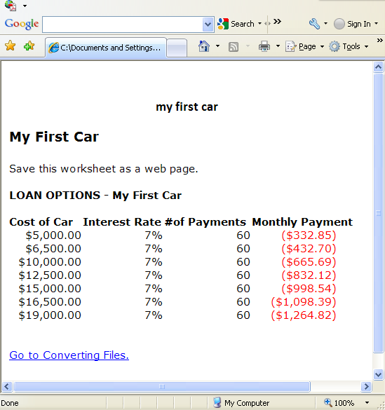

Go to My First Car.

Converting Files
Converting Files to Different Formats

There might be a need for you to save your workbook into a different file format so that it can be used by a different application. For example, you can save a workbook as text so you can work with it in Microsoft Word. Whenever you save a file in another file format, some of the formatting may be lost. Microsoft will warn you when some data and content may not open correctly when saving in another format.
In the following example, the worksheet My First Car will be saved into another file format.
From the Office Button, choose Save As and select Other Formats.
In the Save As dialogue box, find the correct location in which to save the file. Give your document a file name. Next, click on the drop-down box next to Save as type and scroll though the options until you see Formatted Text (Space delimited). Select this option. Formatted Text is a file format that can be used in Microsoft Word.

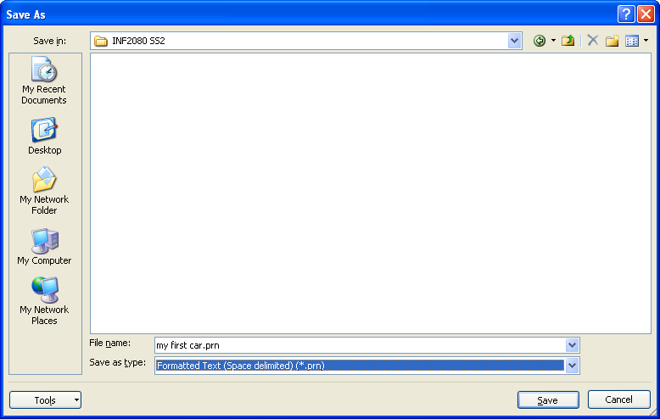

When you open the folder that contains your saved file, you'll see that it is now a PRN file.
It can now be edited in for example, Microsoft Word or Notepad.
Another useful file format is the Text format. Any text editor, such as Notepad, can open .txt files.

When you open the folder that contains your saved file, you'll see that it is now a TXT file.
It can now be edited in, for example, Notepad.

Go to Protecting & Sharing.

Protecting & Sharing
Protecting Your Workbook

Eventually you will find yourself creating workbooks for others to use. Once other people start using the workbook, you no longer have control over what is being changed—unless you protect your workbook, that is.
Excel provides a variety of levels of protection ranging from protecting individual cells to controlling access to files. When protection is enabled, Excel prompts you for a password. If you are just protecting your worksheet or workbook from accidental changes, you can leave the password blank, which is kind of like giving everyone the password.
Giving your worksheet or workbook a password keeps your information safe from those who might not have good intentions. Once a worksheet or workbook is protected, you can't remove the protection without the password. Keep the password in a safe place.

Go to the Project 3 Instructional Videos in the Toolkit and watch the demonstration "Protecting Your Workbook."

Sharing Your Workbook

To share your workbook so others can work on it, you can use Share Workbook button in the Changes group under the Review tab. If you are working on a group project, for example, it may be necessary for members in your group to modify your worksheet. Sharing a workbook allows users to edit a workbook, and it retains a history of changes made by those in your group using track changes.

By setting up your workbook in this way, this allows you to track the changes others will make and to set the password before you share the workbook. Remember, setting a password is a good idea so only the people you want can make changes to your workbook.
On the Advanced tab in the Share Workbook dialogue box, select the options you want to use for tracking and updating changes. Then click OK. Once you have set your security setting, you must save your workbook in order to activate them.

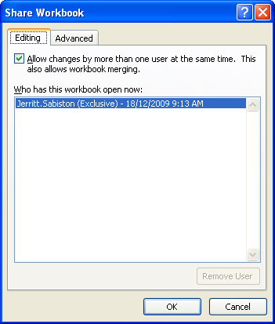
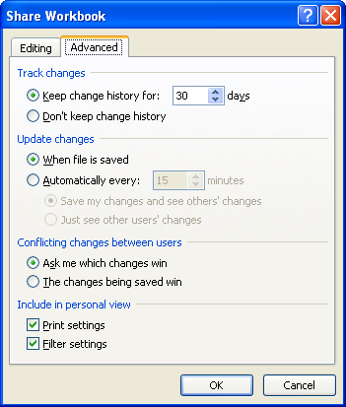

All users have full access to the shared workbook unless you protect it. To protect a shared workbook, click the Protect and Share Workbook button in the Changes group under the Review Tab. In the Protect Shared Workbook dialogue box that appears, you can set a password that all users must enter to make changes to the workbook. You can also remove the track changes setting in this dialogue box.

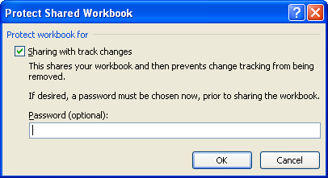

Note: Setting a password is a preferred practice. It provides you with more control as to who can make changes to your workbook. Remember, keep the password in a safe place.

Go to Distributing.

Distributing
Preparing Your Document for Distribution
When others are looking for your document on a network, it is useful for them to display the document's properties before opening your document. Document properties help distinguish similar documents from one another. Therefore, it's important for you to set and check your document properties.
Start by clicking the Office Button, placing your pointer over Prepare, and choosing Properties. You will see the Document Properties pane display between the workbook and the ribbon.
Enter your information (title, subject, and so on).
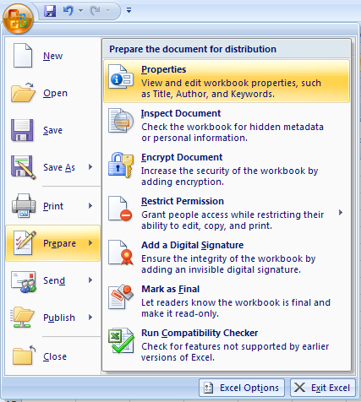

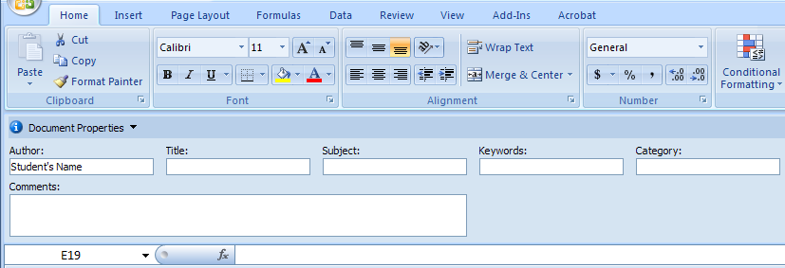

You can access the advanced properties by clicking on the down arrow next to "Document Properties" in the
upper-left corner of the Document Properties pane. When you select Advanced Properties in the drop-down menu, the dialogue box on the right appears.
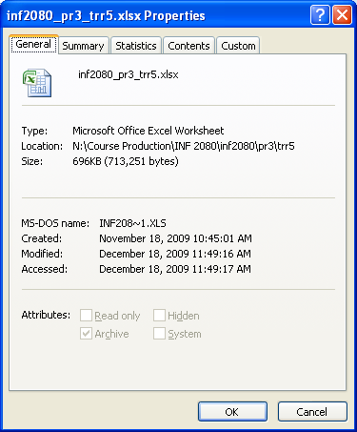

Save and close the workbook. To see the effects of the properties you set, simply re-open the workbook. When the Open dialogue box appears, click the Views drop-down menu and select Properties. You will then see the details that you set up for others to see. These properties help other users know that they are opening the correct file.

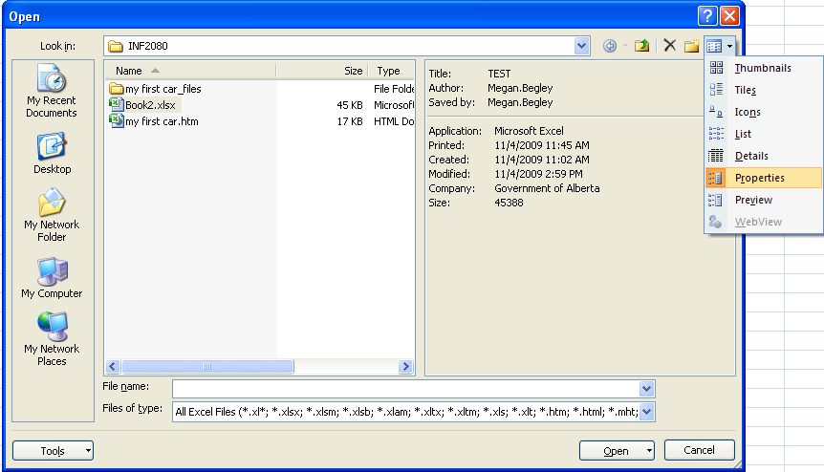

This concludes Training Room 5. Save your Training Room 5 file in your INF2080 SS2 folder, and close the file. Then move on to Time to Practise 5 to test your knowledge and skills of the concepts covered in this training room.

