Top3_organ_systems
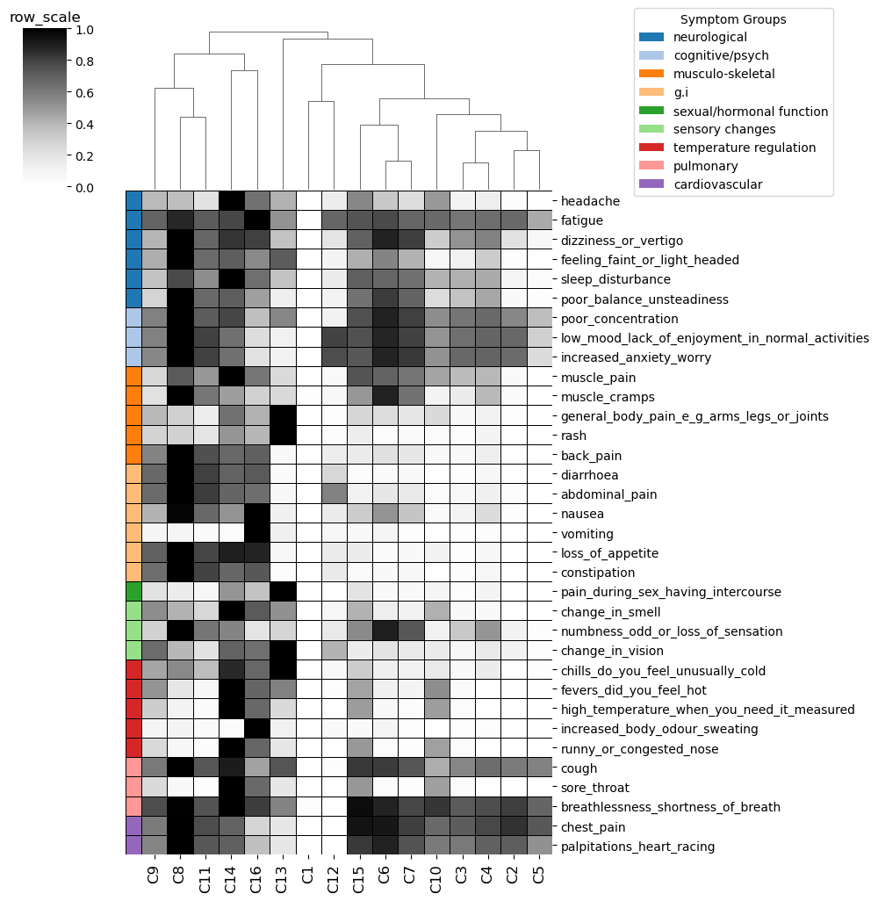
Cluster_ID | Endotype_ID | Top3_organ_systems (not ordered)
C9 | E3 | g.i | musculo-skeletal | sensory changes
C8 | E3 | g.i | musculo-skeletal
C11 | E3 | g.i | musculo-skeletal
C14 | E7 | pulmonary | sensory changes | temperature regulation
C16 | E7 | g.i | pulmonary | temperature regulation
C13 | E6 | musculo-skeletal | sexual/hormonal function | temperature regulation
C1 | E0 | cardiovascular | neurological | pulmonary
C12 | E5 | cognitive/psych | g.i | sensory changes
C15 | E2 | musculo-skeletal | pulmonary | temperature regulation
C6 | E2 | musculo-skeletal | neurological | sensory changes
C7 | E2 | musculo-skeletal | neurological | sensory changes
C10 | E4 | neurological | pulmonary | temperature regulation
C3 | E1 | cardiovascular | cognitive/psych | pulmonary
C4 | E1 | cardiovascular | cognitive/psych | sensory changes
C2 | E1 | cardiovascular | cognitive/psych | pulmonary
C5 | E1 | cardiovascular | neurological | pulmonary

Severity_scores
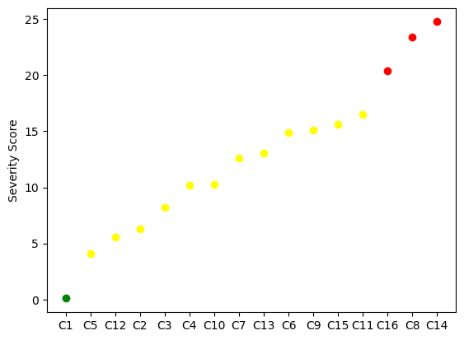
Cluster_ID | ML_predicted_severity_score | Severity_group_defined_by_elbow | Color_in_plot
C1 | 0.091724 | mild | green
C5 | 4.101475 | moderate | yellow
C12 | 5.534592 | moderate | yellow
C2 | 6.327656 | moderate | yellow
C3 | 8.221949 | moderate | yellow
C4 | 10.20338 | moderate | yellow
C10 | 10.225562 | moderate | yellow
C7 | 12.59684 | moderate | yellow
C13 | 13.021596 | moderate | yellow
C6 | 14.860759 | moderate | yellow
C9 | 15.09084 | moderate | yellow
C15 | 15.593959 | moderate | yellow
C11 | 16.51563 | moderate | yellow
C16 | 20.397665 | severe | red
C8 | 23.37311 | severe | red
C14 | 24.769266 | severe | red

