Top6_signature_symptoms
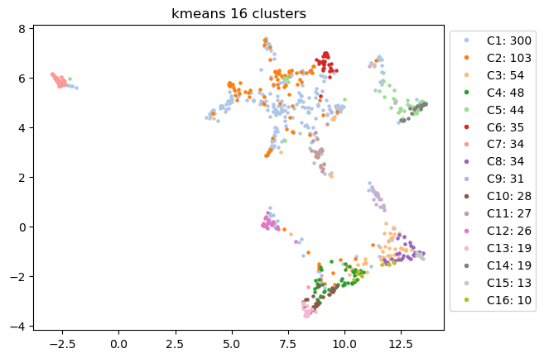
Signature Symptoms | C1 | C2 | C3 | C4 | C5 | C6 | C7 | C8 | C9 | C10 | C11 | C12 | C13 | C14 | C15 | C16
#1 | fatigue or tiredness | chest pain or discomfort | tingling, numbness, burning, stabbing or "pins... | vomiting | loss of smell | cough | fainting or blackouts | unexplained menstrual irregularity | sexual dysfunction or loss of libido | vomiting | diarrhea | exaggerated symptoms or worse hangover from al... | vomiting | loss of smell | unexplained menstrual irregularity | difficulty swallowing
#2 | loss of smell | heart palpitations, pulse skips, heart block | fatigue or tiredness | fever or chills | loss of taste | memory problems or forgetfulness | loss of taste | tingling and numbness in the mouth and/or face | unexplained hair loss | fever or chills | disorientation: getting lost; going to wrong p... | difficulty hearing | fever or chills | loss of taste | tingling and numbness in the mouth and/or face | tingling and numbness in the mouth and/or face
#3 | loss of taste | shortness of breath | skin lesions (rash or lumpy lesions) | urinary incontinence or difficulty urinating | exaggerated symptoms or worse hangover from al... | shortness of breath | loss of smell | skin lesions (rash or lumpy lesions) | urinary incontinence or difficulty urinating | urinary incontinence or difficulty urinating | mood swings, irritability, depression | tinnitus (ringing in the ears) | urinary incontinence or difficulty urinating | urinary incontinence or difficulty urinating | skin lesions (rash or lumpy lesions) | abdominal pain
#4 | difficulty with concentration or reading or "b... | fatigue or tiredness | headache | abdominal pain | urinary incontinence or difficulty urinating | chest pain or discomfort | cough | swelling | swelling | abdominal pain | headache | disorientation: getting lost; going to wrong p... | difficulty swallowing | exaggerated symptoms or worse hangover from al... | swelling | swelling
#5 | shortness of breath | headache | tingling and numbness in the mouth and/or face | swelling | unexplained menstrual irregularity | disorientation: getting lost; going to wrong p... | sore throat | tingling, numbness, burning, stabbing or "pins... | bloating | difficulty swallowing | confusion, difficulty thinking | problems seeing (double or blurry vision) | abdominal pain | unexplained menstrual irregularity | abdominal pain | skin lesions (rash or lumpy lesions)
#6 | headache | breathing faster than normal | difficulty sleeping (too much, too little, ear... | nausea | breathing faster than normal | fatigue or tiredness | difficulty hearing | abdominal pain | tingling, numbness, burning, stabbing or "pins... | nausea | fatigue or tiredness | memory problems or forgetfulness | nausea | difficulty hearing | diarrhea | fainting or blackouts

Top3_organ_systems
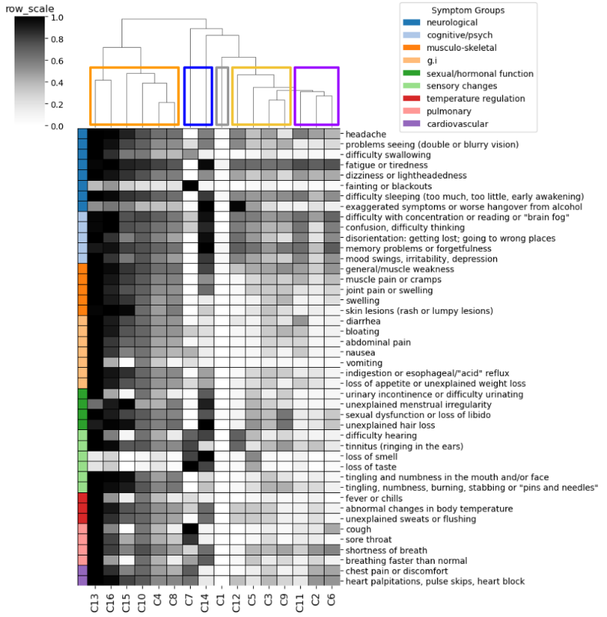
Cluster_ID | Endotype_ID | Top3_organ_systems (not ordered)
C13 | E3 | g.i | sexual/hormonal function | temperature regulation
C16 | E3 | g.i | neurological | sensory changes
C15 | E3 | musculo-skeletal | sensory changes | sexual/hormonal function
C10 | E3 | g.i | sexual/hormonal function | temperature regulation
C4 | E3 | g.i | sexual/hormonal function | temperature regulation
C8 | E3 | musculo-skeletal | sensory changes | sexual/hormonal function
C7 | E4 | neurological | pulmonary | sensory changes
C14 | E4 | neurological | sensory changes | sexual/hormonal function
C1 | E0 | cognitive/psych | neurological | sensory changes
C12 | E2 | cognitive/psych | neurological | sensory changes
C5 | E2 | neurological | sensory changes | sexual/hormonal function
C3 | E2 | musculo-skeletal | neurological | sensory changes
C9 | E2 | g.i | musculo-skeletal | sexual/hormonal function
C11 | E1 | cognitive/psych | g.i | neurological
C2 | E1 | cardiovascular | neurological | pulmonary
C6 | E1 | cardiovascular | cognitive/psych | pulmonary

Severity_scores
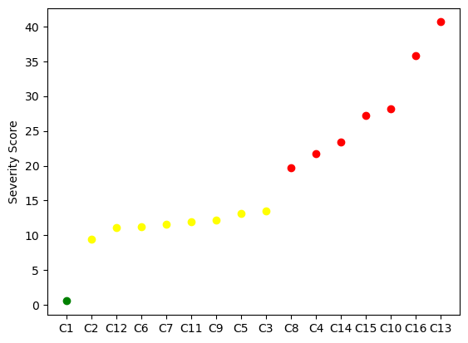
Cluster_ID | ML_predicted_severity_score | Severity_group_defined_by_elbow | Color_in_plot
C1 | 0.572607 | Mild | green
C2 | 9.49971 | Moderate | yellow
C12 | 11.09966 | Moderate | yellow
C6 | 11.187363 | Moderate | yellow
C7 | 11.558083 | Moderate | yellow
C11 | 11.921555 | Moderate | yellow
C9 | 12.191753 | Moderate | yellow
C5 | 13.127195 | Moderate | yellow
C3 | 13.557691 | Moderate | yellow
C8 | 19.682539 | Severe | red
C4 | 21.74625 | Severe | red
C14 | 23.381971 | Severe | red
C15 | 27.177867 | Severe | red
C10 | 28.129994 | Severe | red
C16 | 35.848389 | Severe | red
C13 | 40.63255 | Severe | red

