Top6_signature_symptoms
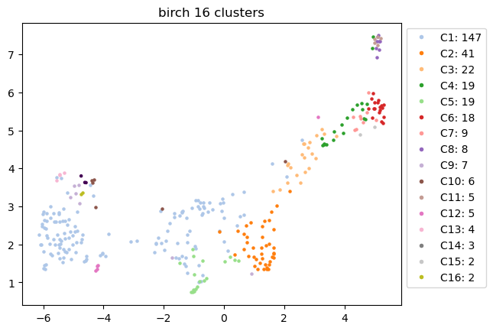
Signature Symptoms | C1 | C2 | C3 | C4 | C5 | C6 | C7 | C8 | C9 | C10 | C11 | C12 | C13 | C14 | C15 | C16
#1 | chest_pain | chest_pain | increased_anxiety_worry | numbness_odd_or_loss_of_sensation | chest_pain | muscle_cramps | numbness_odd_or_loss_of_sensation | constipation | diarrhoea | sore_throat | constipation | abdominal_pain | pain_during_sex_having_intercourse | sore_throat | sore_throat | increased_body_odour_sweating
#2 | breathlessness_shortness_of_breath | palpitations_heart_racing | chest_pain | chest_pain | breathlessness_shortness_of_breath | numbness_odd_or_loss_of_sensation | muscle_cramps | diarrhoea | constipation | runny_or_congested_nose | diarrhoea | low_mood_lack_of_enjoyment_in_normal_activities | rash | runny_or_congested_nose | runny_or_congested_nose | vomiting
#3 | fatigue | low_mood_lack_of_enjoyment_in_normal_activities | low_mood_lack_of_enjoyment_in_normal_activities | palpitations_heart_racing | cough | poor_balance_unsteadiness | poor_balance_unsteadiness | back_pain | loss_of_appetite | high_temperature_when_you_need_it_measured | loss_of_appetite | change_in_vision | general_body_pain_e_g_arms_legs_or_joints | high_temperature_when_you_need_it_measured | high_temperature_when_you_need_it_measured | runny_or_congested_nose
#4 | palpitations_heart_racing | breathlessness_shortness_of_breath | poor_concentration | increased_anxiety_worry | palpitations_heart_racing | dizziness_or_vertigo | dizziness_or_vertigo | loss_of_appetite | abdominal_pain | fevers_did_you_feel_hot | back_pain | increased_anxiety_worry | chills_do_you_feel_unusually_cold | fevers_did_you_feel_hot | muscle_pain | sore_throat
#5 | increased_anxiety_worry | increased_anxiety_worry | palpitations_heart_racing | low_mood_lack_of_enjoyment_in_normal_activities | fatigue | muscle_pain | muscle_pain | abdominal_pain | back_pain | headache | abdominal_pain | fatigue | change_in_vision | change_in_smell | headache | high_temperature_when_you_need_it_measured
#6 | low_mood_lack_of_enjoyment_in_normal_activities | fatigue | breathlessness_shortness_of_breath | muscle_cramps | poor_concentration | feeling_faint_or_light_headed | sleep_disturbance | nausea | change_in_vision | change_in_smell | nausea | diarrhoea | fevers_did_you_feel_hot | headache | fevers_did_you_feel_hot | nausea

Top3_organ_systems
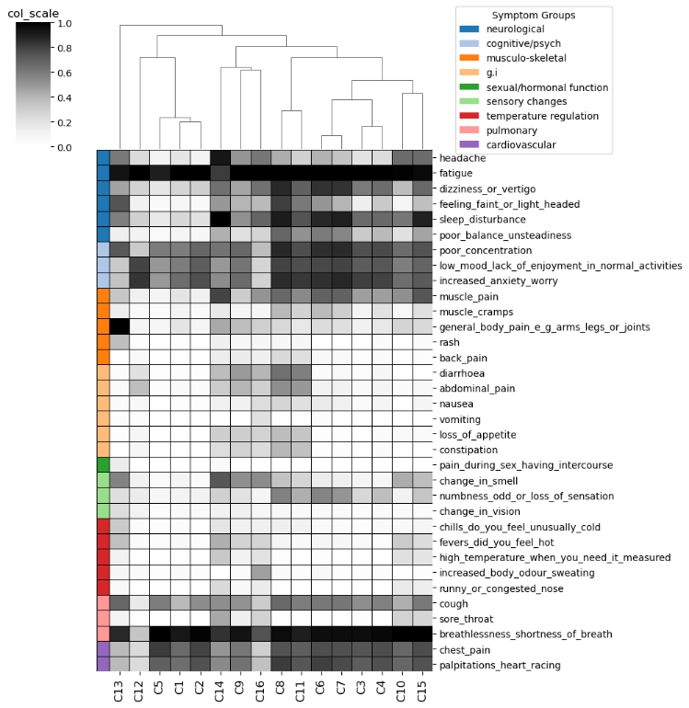
Cluster_ID | Endotype_ID | Top3_organ_systems
C13 | E8 | ['sexual/hormonal function', 'musculo-skeletal', 'temperature regulation']
C12 | E7 | ['g.i', 'cognitive/psych', 'sensory changes']
C5 | E1 | ['cardiovascular', 'pulmonary', 'neurological']
C1 | E0 | ['cardiovascular', 'pulmonary', 'neurological']
C2 | E1 | ['cardiovascular', 'cognitive/psych', 'pulmonary']
C14 | E9 | ['pulmonary', 'temperature regulation', 'sensory changes']
C9 | E5 | ['g.i', 'musculo-skeletal', 'sensory changes']
C16 | E10 | ['temperature regulation', 'g.i', 'pulmonary']
C8 | E4 | ['g.i', 'musculo-skeletal']
C11 | E4 | ['g.i', 'musculo-skeletal']
C6 | E3 | ['musculo-skeletal', 'sensory changes', 'neurological']
C7 | E3 | ['sensory changes', 'musculo-skeletal', 'neurological']
C3 | E2 | ['cognitive/psych', 'cardiovascular', 'pulmonary']
C4 | E2 | ['sensory changes', 'cardiovascular', 'cognitive/psych']
C10 | E6 | ['pulmonary', 'temperature regulation', 'neurological']
C15 | E6 | ['pulmonary', 'temperature regulation', 'musculo-skeletal']

Severity_scores
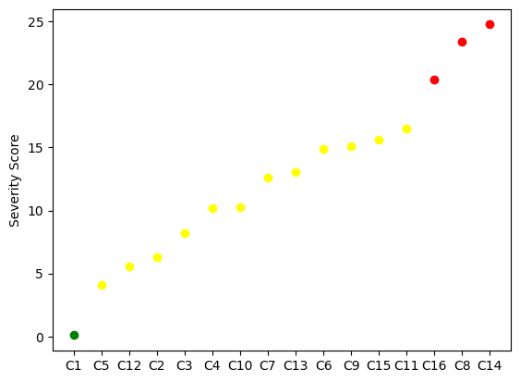
Cluster_ID | ML_predicted_severity_score | Severity_group_defined_by_elbow | Color_in_plot
C1 | 0.091724 | mild | green
C5 | 4.101475 | moderate | yellow
C12 | 5.534592 | moderate | yellow
C2 | 6.327656 | moderate | yellow
C3 | 8.221949 | moderate | yellow
C4 | 10.20338 | moderate | yellow
C10 | 10.225562 | moderate | yellow
C7 | 12.59684 | moderate | yellow
C13 | 13.021596 | moderate | yellow
C6 | 14.860759 | moderate | yellow
C9 | 15.09084 | moderate | yellow
C15 | 15.593959 | moderate | yellow
C11 | 16.51563 | moderate | yellow
C16 | 20.397665 | severe | red
C8 | 23.37311 | severe | red
C14 | 24.769266 | severe | red

