Top6_signature_symptoms
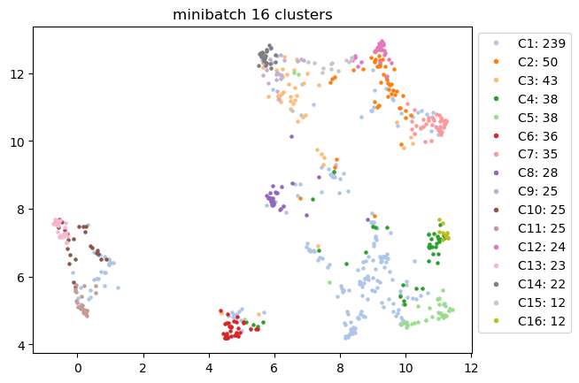
Signature Symptoms | C1 | C2 | C3 | C4 | C5 | C6 | C7 | C8 | C9 | C10 | C11 | C12 | C13 | C14 | C15 | C16
#1 | shortness of breath | diarrhea | swelling | fatigue or tiredness | disorientation: getting lost; going to wrong p... | unexplained sweats or flushing | unexplained hair loss | loss of smell | swelling | fainting or blackouts | fainting or blackouts | skin lesions (rash or lumpy lesions) | fainting or blackouts | swelling | sexual dysfunction or loss of libido | skin lesions (rash or lumpy lesions)
#2 | cough | abdominal pain | unexplained sweats or flushing | shortness of breath | memory problems or forgetfulness | abnormal changes in body temperature | swelling | loss of taste | difficulty swallowing | sore throat | sore throat | abdominal pain | difficulty hearing | difficulty swallowing | tingling and numbness in the mouth and/or face | disorientation: getting lost; going to wrong p...
#3 | fatigue or tiredness | skin lesions (rash or lumpy lesions) | general/muscle weakness | memory problems or forgetfulness | confusion, difficulty thinking | dizziness or lightheadedness | indigestion or esophageal/"acid" reflux | loss of appetite or unexplained weight loss | unexplained sweats or flushing | loss of taste | cough | diarrhea | vomiting | sexual dysfunction or loss of libido | skin lesions (rash or lumpy lesions) | muscle pain or cramps
#4 | loss of smell | unexplained hair loss | joint pain or swelling | disorientation: getting lost; going to wrong p... | difficulty with concentration or reading or "b... | fatigue or tiredness | cough | unexplained hair loss | sexual dysfunction or loss of libido | vomiting | vomiting | sexual dysfunction or loss of libido | cough | tingling and numbness in the mouth and/or face | abdominal pain | joint pain or swelling
#5 | chest pain or discomfort | nausea | muscle pain or cramps | general/muscle weakness | mood swings, irritability, depression | tingling, numbness, burning, stabbing or "pins... | tingling and numbness in the mouth and/or face | difficulty hearing | tingling and numbness in the mouth and/or face | difficulty hearing | loss of taste | loss of appetite or unexplained weight loss | loss of taste | unexplained sweats or flushing | swelling | general/muscle weakness
#6 | difficulty with concentration or reading or "b... | vomiting | sexual dysfunction or loss of libido | dizziness or lightheadedness | fatigue or tiredness | difficulty sleeping (too much, too little, ear... | shortness of breath | indigestion or esophageal/"acid" reflux | fever or chills | cough | difficulty swallowing | tingling and numbness in the mouth and/or face | sore throat | fever or chills | unexplained hair loss | tingling, numbness, burning, stabbing or "pins...

Top3_organ_systems
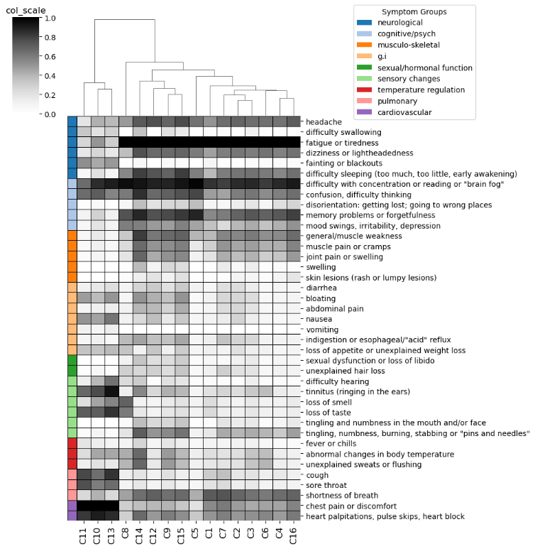
Cluster_ID | Endotype_ID | Top3_organ_systems
C11 | E7 | ['neurological', 'pulmonary', 'g.i']
C10 | E7 | ['neurological', 'pulmonary', 'sensory changes']
C13 | E7 | ['neurological', 'sensory changes', 'g.i']
C8 | E5 | ['sensory changes', 'g.i', 'sexual/hormonal function']
C14 | E9 | ['musculo-skeletal', 'neurological', 'sexual/hormonal function']
C12 | E8 | ['musculo-skeletal', 'g.i', 'sexual/hormonal function']
C9 | E6 | ['musculo-skeletal', 'neurological', 'temperature regulation']
C15 | E10 | ['sexual/hormonal function', 'sensory changes', 'musculo-skeletal']
C5 | E3 | ['cognitive/psych', 'neurological']
C1 | E0 | ['pulmonary', 'neurological', 'sensory changes']
C7 | E1 | ['sexual/hormonal function', 'musculo-skeletal', 'g.i']
C2 | E1 | ['g.i', 'musculo-skeletal', 'sexual/hormonal function']
C3 | E1 | ['musculo-skeletal', 'temperature regulation', 'sexual/hormonal function']
C6 | E4 | ['temperature regulation', 'neurological', 'sensory changes']
C4 | E2 | ['neurological', 'pulmonary', 'cognitive/psych']
C16 | E11 | ['musculo-skeletal', 'cognitive/psych', 'sensory changes']

Severity_scores
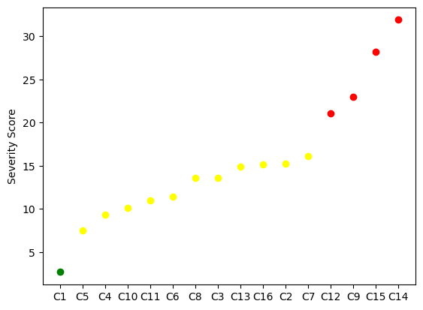
Cluster_ID | ML_predicted_severity_score | Severity_group_defined_by_elbow | Color_in_plot
C1 | 2.69343 | Mild | green
C5 | 7.531502 | Moderate | yellow
C4 | 9.349821 | Moderate | yellow
C10 | 10.143111 | Moderate | yellow
C11 | 11.000245 | Moderate | yellow
C6 | 11.455695 | Moderate | yellow
C8 | 13.575812 | Moderate | yellow
C3 | 13.622445 | Moderate | yellow
C13 | 14.94126 | Moderate | yellow
C16 | 15.158388 | Moderate | yellow
C2 | 15.267783 | Moderate | yellow
C7 | 16.085832 | Moderate | yellow
C12 | 21.08528 | Severe | red
C9 | 23.020574 | Severe | red
C15 | 28.215741 | Severe | red
C14 | 31.910782 | Severe | red

